HDLGF
HSBC Mutual Fund
HSBC Gilt Fund
(An open-ended debt scheme investing in government securities across maturity. A relatively high interest rate risk and relatively low credit risk.)
Portfolio Statement as of April 30, 2025

Name of the Instrument | ISIN | Rating/Industries | Quantity | Market Value (Rs in Lacs) | Percentage to Net Assets | Yield of the Instrument (%) | YTC @ |  | Maturity Date
 |  |  |  |  |  |  | CRISIL | ICRA
Debt Instruments
Government Securities
7.34% INDIA GOVERNMENT BOND 22APR2064 | IN0020240035 | SOVEREIGN | 7,548,200.00 | 8,105.54 | 28.79% | 6.81 |  |  | 22-Apr-64
7.09% GOI 05AUG2054 | IN0020240118 | SOVEREIGN | 6,000,000.00 | 6,336.10 | 22.51% | 6.78 |  |  | 5-Aug-54
7.30% GOI 19JUN53 | IN0020230051 | SOVEREIGN | 3,500,000.00 | 3,820.24 | 13.57% | 6.78 |  |  | 19-Jun-53
7.18% GOI 24-Jul-2037 | IN0020230077 | SOVEREIGN | 3,500,000.00 | 3,780.55 | 13.43% | 6.45 |  |  | 24-Jul-37
6.90% GOI 15-Apr-2065 | IN0020250018 | SOVEREIGN | 2,000,000.00 | 2,034.92 | 7.23% | 6.79 |  |  | 15-Apr-65
6.92% INDIA GOVT BOND 18NOV2039 GSEC | IN0020240134 | SOVEREIGN | 1,200,000.00 | 1,290.38 | 4.58% | 6.45 |  |  | 18-Nov-39
7.09% GOVERNMENT OF INDIA 25NOV74 G-SEC | IN0020240142 | SOVEREIGN | 1,019,800.00 | 1,090.62 | 3.87% | 6.82 |  |  | 25-Nov-74
6.79% INDIA GOV BOND 07OCT2034 GSEC | IN0020240126 | SOVEREIGN | 1,000,000.00 | 1,034.73 | 3.68% | 6.36 |  |  | 7-Oct-34
7.22% Gujarat SDL 15Jan2035 | IN1520240145 | SOVEREIGN | 500,000.00 | 529.07 | 1.88% | 6.7 |  |  | 15-Jan-35
Total |  |  |  | 28,022.15 | 99.54%
Money Market Instruments
Interest Rate Swaps
Pay Fixed/Receive Float_29/04/2030 |  |  |  | -2.25 | -0.01% | 5.71 |  |  | 29-Apr-30
Total |  |  |  | -2.25 | -0.01%
Treps |  |  |  | 546.50 | 1.94% | 5.93 |  |  | 2-May-25
Net Current Assets (including cash & bank balances) |  |  |  | -415.97 | -1.47% | 5.93
Total Net Assets as on 30-April-2025 |  |  |  | 28,150.43 | 100.00%
Market Value includes accrued interest
** Securities are classified as non-traded on the basis of Traded data as on APR 30, 2025 provided by CRISIL and ICRA.
^ Securities are classified as traded on the basis of Traded data as on APR 30, 2025 provided by CRISIL and ICRA.
Aggregate value of investments made by other schemes of HSBC Mutual Fund are amounting to Rs. 2343.65 Lakhs.
This scheme has exposure to floating rate instruments and / or interest rate derivatives. The duration of these instruments is linked to the interest rate reset period. The interest rate risk in a floating rate instrument or in a fixed rate instrument hedged with derivatives is likely to be lesser than that in an equivalent maturity fixed rate instrument. Under some market circumstances the volatility may be of an order greater than what may ordinarily be expected considering only its duration. Hence investors are recommended to consider the unadjusted portfolio maturity of the scheme as well and exercise adequate due diligence when deciding to make their investments.

Annualised Portfolio YTM ! | 6.82%
Macaulay Duration | 142.65
! in case of semi annual YTM, it will be annualised

HSBC Gilt Fund |  | Scheme Riskometer |  | Scheme Benchmark Riskometer

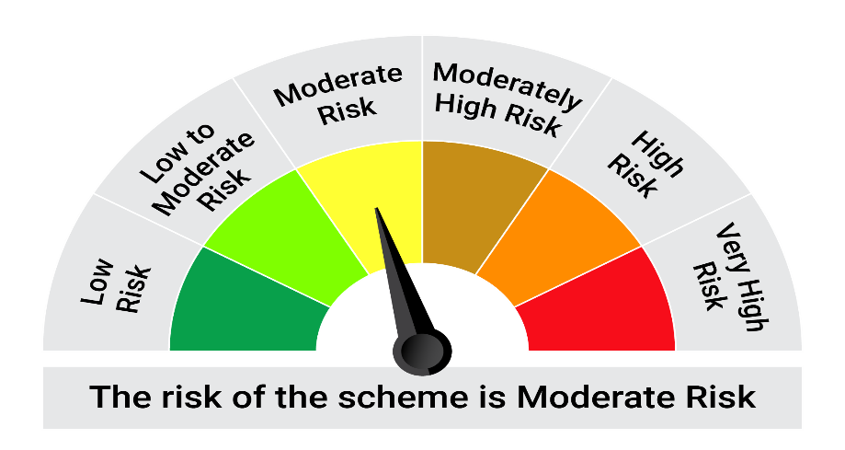

This product is suitable for investors who are seeking*:• Generation of returns over medium to long term • The Scheme as per the asset allocation pattern has to invest a minimum of 80% in Government Securities and Treasury bills. (Benchmark: NIFTY All Duration G-Sec Index)

*Investors should consult their financial advisers if in doubt about whether the product is suitable for them.

Mutual fund investments are subject to market risks, read all scheme realted documents carefully. |  |  | Scheme Benchmark: NIFTY All Duration G-Sec Index

Please note that the above risk-o-meter is as per the product labelling of the scheme available as on the date of this communication/ disclosure. as per SEBI circular dated May 19, 2023 on product labelling (as amended from time to time), risk-o-meters will be calculated on a monthly basis based on the risk values of the respective scheme's portfolio based on the methodology specified by SEBI in the above stated circular. The AMC shall disclose the risk-o-meters along with portfolio disclosure for all their schemes on their respective website and on AMFI website within 10 days from the close of each month. Any change in risk-o-meter shall be communicated by way of Notice cum Addendum and by way of an e-mail or SMS to unitholders of that particular Scheme.

Disclaimer


