HELABF
HSBC Mutual Fund
HSBC Arbitrage Fund
HSBC Arbitrage Fund(An open ended scheme investing in arbitrage opportunities.)
Portfolio Statement as of April 30, 2026

Name of the Instrument | ISIN | Rating/Industries | Quantity | Market Value (Rs in Lacs) | Percentage to Net Assets | Yield of the Instrument (%) | YTC @ |  | Maturity Date
 |  |  |  |  |  |  | CRISIL | ICRA
Equity & Equity Related Instruments
Equity Shares
Listed / Awaiting listing on Stock Exchanges
ICICI Bank Limited | INE090A01021 | Banks | 1,209,600.00 | 15,282.09 | 6.03%
HDFC Bank Limited | INE040A01034 | Banks | 1,966,250.00 | 15,173.55 | 5.99%
Steel Authority of India Limited | INE114A01011 | Ferrous Metals | 5,221,700.00 | 9,640.30 | 3.81%
RBL Bank Limited | INE976G01028 | Banks | 2,282,825.00 | 7,682.85 | 3.03%
Godrej Properties Limited | INE484J01027 | Realty | 356,400.00 | 6,540.65 | 2.58%
Bandhan Bank Limited | INE545U01014 | Banks | 3,211,200.00 | 6,413.41 | 2.53%
NMDC Limited | INE584A01023 | Minerals & Mining | 7,053,750.00 | 6,374.47 | 2.52%
Jio Financial Services Limited | INE758E01017 | Finance | 1,931,700.00 | 4,759.13 | 1.88%
Axis Bank Limited | INE238A01034 | Banks | 370,000.00 | 4,692.71 | 1.85%
ITC Limited | INE154A01025 | Diversified FMCG | 1,454,400.00 | 4,579.91 | 1.81%
JSW Steel Limited | INE019A01038 | Ferrous Metals | 353,025.00 | 4,464.00 | 1.76%
Eternal Limited | INE758T01015 | Retailing | 1,576,250.00 | 3,893.81 | 1.54%
Adani Energy Solutions Limited | INE931S01010 | Power | 270,000.00 | 3,624.08 | 1.43%
Reliance Industries Limited | INE002A01018 | Petroleum Products | 247,500.00 | 3,541.23 | 1.40%
Yes Bank Ltd | INE528G01035 | Banks | 17,229,400.00 | 3,433.82 | 1.36%
Glenmark Pharmaceuticals Limited | INE935A01035 | Pharmaceuticals & Biotechnology | 133,125.00 | 3,203.39 | 1.26%
HDFC Asset Management Company Limited | INE127D01025 | Capital Markets | 117,300.00 | 3,181.88 | 1.26%
Kotak Mahindra Bank Limited | INE237A01036 | Banks | 798,000.00 | 3,058.73 | 1.21%
Sammaan Capital Ltd. | INE148I01020 | Finance | 2,102,700.00 | 3,040.71 | 1.20%
Punjab National Bank | INE160A01022 | Banks | 2,768,000.00 | 3,027.08 | 1.20%
State Bank of India | INE062A01020 | Banks | 275,250.00 | 2,940.91 | 1.16%
Adani Port & Special Economic Zone Ltd | INE742F01042 | Transport Infrastructure | 176,225.00 | 2,920.58 | 1.15%
Container Corporation of India Limited | INE111A01025 | Transport Services | 537,500.00 | 2,735.07 | 1.08%
LIC Housing Finance Limited | INE115A01026 | Finance | 489,000.00 | 2,712.48 | 1.07%
DLF Limited | INE271C01023 | Realty | 415,800.00 | 2,440.75 | 0.96%
Adani Power Limited | INE814H01029 | Power | 1,043,700.00 | 2,315.45 | 0.91%
Crompton Greaves Consumer Electrical Ltd | INE299U01018 | Consumer Durables | 835,200.00 | 2,274.75 | 0.90%
Laurus Labs Limited | INE947Q01028 | Pharmaceuticals & Biotechnology | 192,100.00 | 2,114.92 | 0.84%
AU Small Finance Bank Limited | INE949L01017 | Banks | 204,000.00 | 2,072.54 | 0.82%
Mahindra & Mahindra Limited | INE101A01026 | Automobiles | 66,400.00 | 2,056.74 | 0.81%
The Federal Bank Limited | INE171A01029 | Banks | 690,000.00 | 1,979.96 | 0.78%
IDFC First Bank Limited | INE092T01019 | Banks | 2,597,000.00 | 1,808.55 | 0.71%
Max Financial Services Limited | INE180A01020 | Insurance | 107,200.00 | 1,699.87 | 0.67%
TVS Motor Company Limited | INE494B01023 | Automobiles | 43,925.00 | 1,534.26 | 0.61%
HDFC Life Insurance Company Limited | INE795G01014 | Insurance | 254,100.00 | 1,491.31 | 0.59%
Ambuja Cements Limited | INE079A01024 | Cement & Cement Products | 334,950.00 | 1,487.85 | 0.59%
Lodha Developers Limited | INE670K01029 | Realty | 162,000.00 | 1,454.60 | 0.57%
PNB Housing Finance Limited | INE572E01012 | Finance | 124,150.00 | 1,298.17 | 0.51%
Biocon Limited | INE376G01013 | Pharmaceuticals & Biotechnology | 352,500.00 | 1,267.77 | 0.50%
Godrej Consumer Products Limited | INE102D01028 | Personal Products | 116,000.00 | 1,237.84 | 0.49%
Hindustan Zinc Limited | INE267A01025 | Non - Ferrous Metals | 204,575.00 | 1,219.16 | 0.48%
Vodafone Idea Limited | INE669E01016 | Telecom - Services | 11,793,375.00 | 1,205.28 | 0.48%
NBCC (India) Limited | INE095N01031 | Construction | 1,300,000.00 | 1,191.45 | 0.47%
Inox Wind Limited | INE066P01011 | Electrical Equipment | 1,172,600.00 | 1,183.74 | 0.47%
Manappuram Finance Limited | INE522D01027 | Finance | 387,000.00 | 1,139.13 | 0.45%
Hero MotoCorp Limited | INE158A01026 | Automobiles | 20,400.00 | 1,040.20 | 0.41%
Bharti Airtel Limited | INE397D01024 | Telecom - Services | 50,350.00 | 950.00 | 0.38%
Adani Enterprises Limited | INE423A01024 | Metals & Minerals Trading | 37,698.00 | 907.92 | 0.36%
Bharat Heavy Electricals Limited | INE257A01026 | Electrical Equipment | 238,875.00 | 841.82 | 0.33%
WAAREE ENERGIES LIMITED | INE377N01017 | Electrical Equipment | 26,600.00 | 829.60 | 0.33%
PB Fintech Limited | INE417T01026 | Financial Technology (Fintech) | 49,350.00 | 822.27 | 0.32%
The Tata Power Company Limited | INE245A01021 | Power | 181,250.00 | 805.75 | 0.32%
CG Power And Industrial Solutions Ltd | INE067A01029 | Electrical Equipment | 97,750.00 | 795.05 | 0.31%
Apollo Hospitals Enterprise Limited | INE437A01024 | Healthcare Services | 9,000.00 | 687.29 | 0.27%
Cholamandalam Invest & Finance Co Ltd | INE121A01024 | Finance | 40,000.00 | 625.16 | 0.25%
Bank of Baroda | INE028A01039 | Banks | 222,300.00 | 585.67 | 0.23%
Marico Limited | INE196A01026 | Agricultural Food & other Products | 74,400.00 | 576.60 | 0.23%
National Aluminium Company Limited | INE139A01034 | Non - Ferrous Metals | 144,375.00 | 576.49 | 0.23%
KALYAN JEWELLERS INDIA LIMITED | INE303R01014 | Consumer Durables | 135,125.00 | 557.73 | 0.22%
Power Finance Corporation Limited | INE134E01011 | Finance | 123,500.00 | 553.77 | 0.22%
Indian Energy Exchange Limited | INE022Q01020 | Capital Markets | 435,000.00 | 544.58 | 0.22%
Varun Beverages Limited | INE200M01039 | Beverages | 102,375.00 | 525.90 | 0.21%
Prestige Estates Projects Limited | INE811K01011 | Realty | 36,450.00 | 515.55 | 0.20%
Info Edge (India) Limited | INE663F01032 | Retailing | 52,875.00 | 514.39 | 0.20%
Asian Paints Limited | INE021A01026 | Consumer Durables | 20,500.00 | 501.12 | 0.20%
Dabur India Limited | INE016A01026 | Personal Products | 96,250.00 | 424.94 | 0.17%
Cummins India Limited | INE298A01020 | Industrial Products | 7,800.00 | 410.78 | 0.16%
SBI Life Insurance Company Limited | INE123W01016 | Insurance | 21,375.00 | 388.81 | 0.15%
ICICI Prudential Life Insurance Company | INE726G01019 | Insurance | 55,500.00 | 285.19 | 0.11%
Tata Steel Limited | INE081A01020 | Ferrous Metals | 129,250.00 | 273.18 | 0.11%
Tata Consumer Products Limited | INE192A01025 | Agricultural Food & other Products | 22,550.00 | 258.11 | 0.10%
JSW Energy Limited | INE121E01018 | Power | 45,000.00 | 252.52 | 0.10%
InterGlobe Aviation Limited | INE646L01027 | Transport Services | 5,850.00 | 251.28 | 0.10%
Eicher Motors Limited | INE066A01021 | Automobiles | 3,500.00 | 248.82 | 0.10%
Shriram Finance Limited | INE721A01047 | Finance | 26,400.00 | 247.46 | 0.10%
Exide Industries Limited | INE302A01020 | Auto Components | 66,600.00 | 240.13 | 0.09%
Bank of India | INE084A01016 | Banks | 171,600.00 | 240.02 | 0.09%
Sun Pharmaceutical Industries Limited | INE044A01036 | Pharmaceuticals & Biotechnology | 12,600.00 | 227.85 | 0.09%
Hindustan Aeronautics Limited | INE066F01020 | Aerospace & Defense | 5,250.00 | 227.79 | 0.09%
BSE Ltd | INE118H01025 | Capital Markets | 6,000.00 | 218.43 | 0.09%
Indus Towers Limited | INE121J01017 | Telecom - Services | 52,700.00 | 216.04 | 0.09%
Bharat Electronics Limited | INE263A01024 | Aerospace & Defense | 38,475.00 | 165.94 | 0.07%
UNO Minda Limited | INE405E01023 | Auto Components | 14,850.00 | 165.21 | 0.07%
Bharat Petroleum Corporation Limited | INE029A01011 | Petroleum Products | 53,325.00 | 160.21 | 0.06%
Hindustan Unilever Limited | INE030A01027 | Diversified FMCG | 6,600.00 | 148.56 | 0.06%
Supreme Industries Limited | INE195A01028 | Industrial Products | 4,025.00 | 145.81 | 0.06%
Suzlon Energy Limited | INE040H01021 | Electrical Equipment | 252,700.00 | 140.45 | 0.06%
SRF Limited | INE647A01010 | Chemicals & Petrochemicals | 5,000.00 | 125.93 | 0.05%
REC Limited | INE020B01018 | Finance | 33,600.00 | 119.04 | 0.05%
Canara Bank | INE476A01022 | Banks | 87,750.00 | 118.16 | 0.05%
Hitachi Energy India Limited | INE07Y701011 | Electrical Equipment | 300.00 | 100.65 | 0.04%
Bajaj Finance Limited | INE296A01032 | Finance | 9,750.00 | 91.36 | 0.04%
Coforge Limited | INE591G01025 | IT - Software | 7,125.00 | 85.21 | 0.03%
Bajaj Finserv Limited | INE918I01026 | Finance | 4,750.00 | 82.99 | 0.03%
Zydus Lifesciences Limited | INE010B01027 | Pharmaceuticals & Biotechnology | 9,000.00 | 80.27 | 0.03%
United Spirits Limited | INE854D01024 | Beverages | 6,000.00 | 79.54 | 0.03%
Dalmia Bharat Limited | INE00R701025 | Cement & Cement Products | 3,575.00 | 68.15 | 0.03%
FSN E-Commerce Ventures Limited | INE388Y01029 | Retailing | 21,875.00 | 57.92 | 0.02%
ICICI Lombard General Insurance Company | INE765G01017 | Insurance | 3,250.00 | 57.30 | 0.02%
Samvardhana Motherson International Ltd | INE775A01035 | Auto Components | 43,050.00 | 52.18 | 0.02%
Adani Green Energy Limited | INE364U01010 | Power | 3,600.00 | 44.18 | 0.02%
Union Bank of India | INE692A01016 | Banks | 26,550.00 | 44.06 | 0.02%
Bajaj Holdings & Investment.Ltd | INE118A01012 | Finance | 400.00 | 41.07 | 0.02%
MphasiS Limited | INE356A01018 | IT - Software | 1,650.00 | 37.57 | 0.01%
UPL Limited | INE628A01036 | Fertilizers & Agrochemicals | 5,420.00 | 34.79 | 0.01%
APL Apollo Tubes Limited | INE702C01027 | Industrial Products | 1,750.00 | 33.34 | 0.01%
TUBE INVESTMENTS OF INDIA LTD | INE974X01010 | Auto Components | 800.00 | 23.58 | 0.01%
Grasim Industries Limited | INE047A01021 | Cement & Cement Products | 750.00 | 20.96 | 0.01%
Muthoot Finance Limited | INE414G01012 | Finance | 550.00 | 18.83 | 0.01%
Titan Company Limited | INE280A01028 | Consumer Durables | 350.00 | 15.35 | 0.01%
Hindustan Petroleum Corporation Limited | INE094A01015 | Petroleum Products | 4,050.00 | 15.17 | 0.01%
Britannia Industries Limited | INE216A01030 | Food Products | 250.00 | 14.32 | 0.01%
Indian Oil Corporation Limited | INE242A01010 | Petroleum Products | 9,750.00 | 13.87 | 0.01%
Cochin Shipyard Limited | INE704P01025 | Industrial Manufacturing | 800.00 | 13.87 | 0.01%
The Indian Hotels Company Limited | INE053A01029 | Leisure Services | 2,000.00 | 12.72 | 0.00%
Sona BLW Precision Forgings Limited | INE073K01018 | Auto Components | 1,225.00 | 7.44 | 0.00%
Havells India Limited | INE176B01034 | Consumer Durables | 500.00 | 6.20 | 0.00%
Page Industries Limited | INE761H01022 | Textiles & Apparels | 15.00 | 5.52 | 0.00%
Total |  |  |  | 182,006.86 | 71.89%
Money Market Instruments
Certificate of Deposit
Privately Placed/Unlisted
Indian Bank** | INE562A16QE7 | CRISIL A1+ | 10,000,000.00 | 9,517.71 | 3.76% | 7.22 |  |  | 12-Jan-27
Axis Bank Limited** | INE238AD6BD9 | CRISIL A1+ | 2,500,000.00 | 2,453.58 | 0.97% | 6.77 |  |  | 11-Aug-26
SIDBI** | INE556F16BQ4 | CARE A1+ | 2,500,000.00 | 2,411.05 | 0.95% | 7.12 |  |  | 6-Nov-26
Total |  |  |  | 14,382.34 | 5.68%
Treasury Bills
364 Days Treasury Bill 28-Jan-2027 | IN002025Z435 | SOVEREIGN | 2,500,000.00 | 2,400.75 | 0.95% | 5.55 |  |  | 28-Jan-27
364 Days Treasury Bill 19-Feb-2027 | IN002025Z468 | SOVEREIGN | 2,500,000.00 | 2,392.60 | 0.94% | 5.57 |  |  | 19-Feb-27
Total |  |  |  | 4,793.35 | 1.89%
Mutual Fund Units
Domestic Mutual Fund Units
HSBC Money Market Fund - Direct Growth | INF917K01FE6 | Internal - Mutual Fund Units | 139,548,316.83 | 40,657.82 | 16.05%
HSBC Ultra Short Duration Fund - Direct Growth | INF336L01OR1 | Internal - Mutual Fund Units | 609,421.88 | 8,800.11 | 3.47%
Total |  |  |  | 49,457.93 | 19.52%
Treps |  |  |  | 6,209.78 | 2.45% | 5.17 |  |  | 4-May-26
Net Current Assets (including cash & bank balances) |  |  |  | -3,605.58 | -1.43% | 5.17
Total Net Assets as on 30-April-2026 |  |  |  | 253,244.68 | 100.00%
Market Value includes accrued interest
** Securities are classified as non-traded on the basis of Traded data as on APR 30, 2026 provided by CRISIL and ICRA.
^ Securities are classified as traded on the basis of Traded data as on APR 30, 2026 provided by CRISIL and ICRA.
Aggregate value of investments made by other schemes of HSBC Mutual Fund are amounting to Rs. 20011.20 Lakhs.

HSBC Arbitrage Fund |  | Scheme Riskometer |  | Scheme Benchmark Riskometer

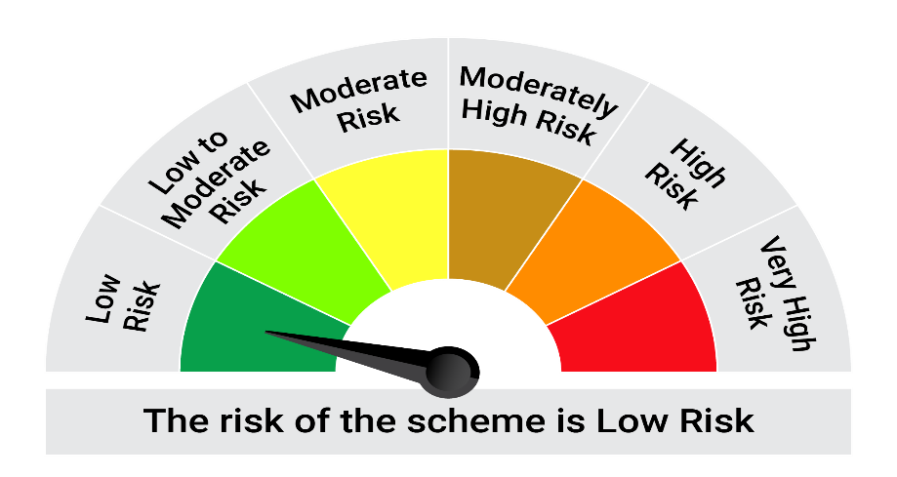
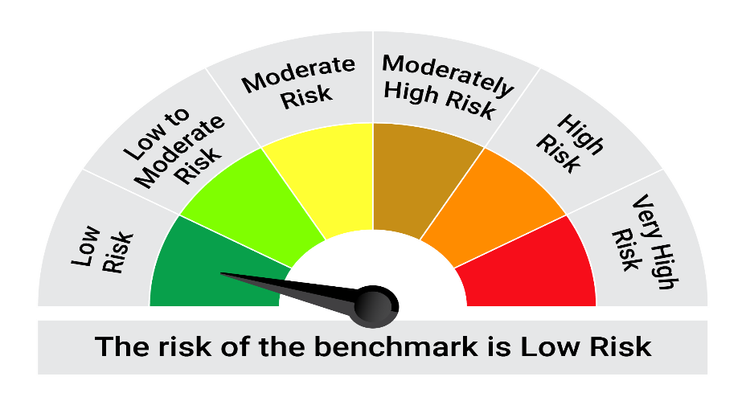
This product is suitable for investors who are seeking*:• Generation of reasonable returns over short to medium term • Investment predominantly in arbitrage opportunities in the cash and derivatives segments of the equity markets; and debt and money market instrument.

*Investors should consult their financial advisers if in doubt about whether the product is suitable for them.

Mutual fund investments are subject to market risks, read all scheme realted documents carefully. |  |  | Scheme Benchmark: Nifty 50 Arbitrage Index

Please note that the above risk-o-meter is as per the product labelling of the scheme available as on the date of this communication/ disclosure. as per SEBI circular dated May 19, 2023 on product labelling (as amended from time to time), risk-o-meters will be calculated on a monthly basis based on the risk values of the respective scheme's portfolio based on the methodology specified by SEBI in the above stated circular. The AMC shall disclose the risk-o-meters along with portfolio disclosure for all their schemes on their respective website and on AMFI website within 10 days from the close of each month. Any change in risk-o-meter shall be communicated by way of Notice cum Addendum and by way of an e-mail or SMS to unitholders of that particular Scheme.

Disclaimer


