HOGFOF
HSBC Mutual Fund
HSBC GOLD ETF FOF
HSBC GOLD ETF FOF (An open-ended fund of fund scheme investing in the units of HSBC Gold ETF)
Portfolio Statement as of April 30, 2026

Name of the Instrument | ISIN | Rating/Industries | Quantity | Market Value (Rs in Lacs) | Percentage to Net Assets | Yield of the Instrument (%) | YTC @
 |  |  |  |  |  |  | CRISIL | ICRA
Mutual Fund Units
Exchange Traded Fund
Listed / Awaiting listing on Stock Exchanges
HSBC Mutual Fund | INF336L01RX2 | Exchange Traded Funds | 28,526,000.00 | 37,197.90 | 99.41%
Total |  |  |  | 37,197.90 | 99.41%
Treps |  |  |  | 285.11 | 0.76% | 5.17
Net Current Assets (including cash & bank balances) |  |  |  | -64.28 | -0.17% | 5.17
Total Net Assets as on 30-April-2026 |  |  |  | 37,418.73 | 100.00%

HSBC GOLD ETF FOF |  | Scheme Riskometer |  | Scheme Benchmark Riskometer

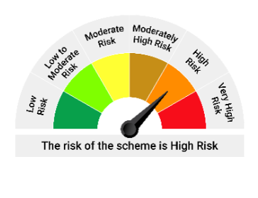
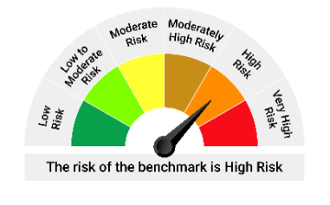
The investment objective of the Scheme is to seek to provide returns that are in line with returns provided by HSBC Gold ETF. There is no assurance that the investment objective of the Scheme will be achieved.

*Investors should consult their financial advisers if in doubt about whether the product is suitable for them.

Mutual fund investments are subject to market risks, read all scheme realted documents carefully. |  |  | Scheme Benchmark: Domestic Price of Gold

Please note that the above risk-o-meter is as per the product labelling of the scheme available as on the date of this communication/ disclosure. as per SEBI circular dated May 19, 2023 on product labelling (as amended from time to time), risk-o-meters will be calculated on a monthly basis based on the risk values of the respective scheme's portfolio based on the methodology specified by SEBI in the above stated circular. The AMC shall disclose the risk-o-meters along with portfolio disclosure for all their schemes on their respective website and on AMFI website within 10 days from the close of each month. Any change in risk-o-meter shall be communicated by way of Notice cum Addendum and by way of an e-mail or SMS to unitholders of that particular Scheme.

Disclaimer


