HDCGIF2

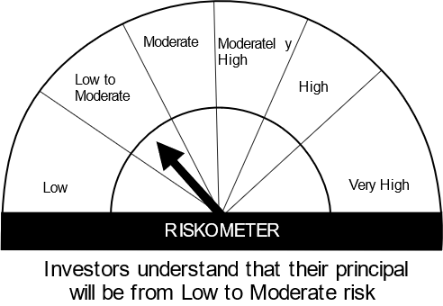
HSBC Mutual Fund
HSBC CRISIL IBX Gilt June 2027 IndexFund
(An open-ended Target Maturity Index Fund tracking CRISIL-IBX Gilt Index - June 2027. Relatively high interest rate risk and relatively low credit risk.)
Portfolio Statement as of June 30, 2024

Name of the Instrument | ISIN | Rating/Industries | Quantity | Market Value (Rs in Lacs) | Percentage to Net Assets | Yield of the Instrument (%) | YTC @ |  | Maturity Date
 |  |  |  |  |  |  | CRISIL | ICRA
Debt Instruments
Government Securities
7.38% GOI 20JUN2027 | IN0020220037 | SOVEREIGN | 15,200,000.00 | 15,395.70 | 76.83% | 6.98 |  |  | 20-Jun-27
GOI 08.24% 15FEB27 | IN0020060078 | SOVEREIGN | 2,000,000.00 | 2,121.02 | 10.58% | 6.99 |  |  | 15-Feb-27
GOI 06.79% 15MAY2027 | IN0020170026 | SOVEREIGN | 2,000,000.00 | 2,006.23 | 10.01% | 7.00 |  |  | 15-May-27
Total |  |  |  | 19,522.95 | 97.42%
Treps |  |  |  | 509.06 | 2.54% | 6.70 |  |  | 1-Jul-24
Net Current Assets (including cash & bank balances) |  |  |  | 7.33 | 0.04% | 6.70
Total Net Assets as on 30-JUNE-2024 |  |  |  | 20,039.33 | 100.00%
Market Value includes accrued interest
** Securities are classified as non-traded on the basis of Traded data as on JUN 28, 2024 provided by CRISIL and ICRA.
^ Securities are classified as traded on the basis of Traded data as on JUN 28, 2024 provided by CRISIL and ICRA.

Annualised Portfolio YTM ! | 7.09%
Macaulay Duration | 31.22
! in case of semi annual YTM, it will be annualised

Disclaimer


