HOMSMS
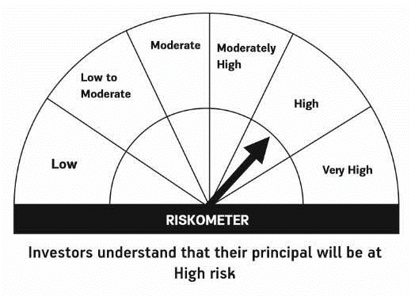

HSBC Mutual Fund
HSBC Managed Solutions India - Moderate
HSBC Managed Solutions India-Moderate (An open ended Fund of Funds Scheme investing in a basket of equity, debt, Gold and other Exchange Traded Funds.)
Portfolio Statement as of June 30, 2024

Name of the Instrument | ISIN | Rating/Industries | Quantity | Market Value (Rs in Lacs) | Percentage to Net Assets | Yield of the Instrument (%) | YTC @
 |  |  |  |  |  |  | CRISIL | ICRA
Mutual Fund Units
Domestic Mutual Fund Units
HSBC Large Cap Fund- Direct Growth | INF336L01CM7 | Internal - Mutual Fund Units | 547,383.21 | 2,764.62 | 47.04%
HSBC Small Cap Fund - Direct Growth | INF917K01QA1 | Internal - Mutual Fund Units | 989,477.79 | 924.33 | 15.73%
HSBC Short Duration Fund - Direct Growth | INF917K01IQ4 | Internal - Mutual Fund Units | 3,526,563.71 | 905.09 | 15.40%
HSBC Medium To Long Duration Fund - Direct Growth | INF336L01DE2 | Internal - Mutual Fund Units | 1,635,524.89 | 703.59 | 11.97%
HSBC Dynamic Bond Fund - Direct Growth | INF917K01HA0 | Internal - Mutual Fund Units | 1,548,626.84 | 454.53 | 7.73%
Total |  |  |  | 5,752.17 | 97.87%
Treps |  |  |  | 76.98 | 1.31% | 6.70
Net Current Assets (including cash & bank balances) |  |  |  | 47.41 | 0.82% | 6.70
Total Net Assets as on 30-JUNE-2024 |  |  |  | 5,876.56 | 100.00%

Disclaimer


