HELABF
HSBC Mutual Fund
HSBC Arbitrage Fund
HSBC Arbitrage Fund(An open ended scheme investing in arbitrage opportunities)
Portfolio Statement as of June 30, 2025

Name of the Instrument | ISIN | Rating/Industries | Quantity | Market Value (Rs in Lacs) | Percentage to Net Assets | Yield of the Instrument (%) | YTC @ |  | Maturity Date
 |  |  |  |  |  |  | CRISIL | ICRA
Equity & Equity Related Instruments
Equity Shares
Listed / Awaiting listing on Stock Exchanges
State Bank of India | INE062A01020 | Banks | 2,115,000.00 | 17,350.40 | 7.10%
HDFC Bank Limited | INE040A01034 | Banks | 707,300.00 | 14,156.61 | 5.79%
ICICI Bank Limited | INE090A01021 | Banks | 952,700.00 | 13,774.14 | 5.64%
Axis Bank Limited | INE238A01034 | Banks | 731,250.00 | 8,769.15 | 3.59%
IDFC First Bank Limited | INE092T01019 | Banks | 11,686,500.00 | 8,512.45 | 3.48%
RBL Bank Limited | INE976G01028 | Banks | 2,444,750.00 | 6,074.71 | 2.49%
Laurus Labs Limited | INE947Q01028 | Pharmaceuticals & Biotechnology | 793,900.00 | 5,754.58 | 2.35%
Tata Power Company Limited | INE245A01021 | Power | 1,306,450.00 | 5,297.00 | 2.17%
Reliance Industries Limited | INE002A01018 | Petroleum Products | 319,500.00 | 4,794.42 | 1.96%
Tata Motors Limited | INE155A01022 | Automobiles | 633,600.00 | 4,359.17 | 1.78%
Bandhan Bank Limited | INE545U01014 | Banks | 2,030,400.00 | 3,850.45 | 1.58%
Rec Limited | INE020B01018 | Finance | 881,025.00 | 3,545.24 | 1.45%
Tata Consumer Products Limited | INE192A01025 | Agricultural Food & other Products | 294,250.00 | 3,233.51 | 1.32%
ITC Limited | INE154A01025 | Diversified FMCG | 760,000.00 | 3,165.02 | 1.30%
Bank of Baroda | INE028A01039 | Banks | 1,187,550.00 | 2,954.39 | 1.21%
Crompton Greaves Consumer Electricals Limited | INE299U01018 | Consumer Durables | 810,000.00 | 2,876.72 | 1.18%
Tata Communications Limited | INE151A01013 | Telecom - Services | 169,400.00 | 2,863.88 | 1.17%
JSW Steel Limited | INE019A01038 | Ferrous Metals | 267,975.00 | 2,734.68 | 1.12%
CG Power and Industrial Solutions Limited | INE067A01029 | Electrical Equipment | 360,400.00 | 2,458.47 | 1.01%
Punjab National Bank Limited | INE160A01022 | Banks | 2,168,000.00 | 2,395.64 | 0.98%
Aditya Birla Fashion and Retail Limited | INE647O01011 | Retailing | 3,109,600.00 | 2,332.20 | 0.95%
Indian Energy Exchange Limited | INE022Q01020 | Capital Markets | 1,181,250.00 | 2,281.11 | 0.93%
Bajaj Finance Limited | INE296A01032 | Finance | 229,500.00 | 2,149.27 | 0.88%
Aditya Birla Capital Limited | INE674K01013 | Finance | 663,400.00 | 1,834.96 | 0.75%
Shriram Finance Limited | INE721A01047 | Finance | 240,900.00 | 1,702.80 | 0.70%
Patanjali Foods Limited | INE619A01035 | Agricultural Food & other Products | 102,300.00 | 1,688.56 | 0.69%
Oracle Financial Services Software Limited | INE881D01027 | IT - Software | 15,375.00 | 1,381.60 | 0.57%
Larsen & Toubro Limited | INE018A01030 | Construction | 37,275.00 | 1,367.92 | 0.56%
ETERNAL Limited | INE758T01015 | Retailing | 499,550.00 | 1,319.56 | 0.54%
Mahanagar Gas Limited | INE002S01010 | Gas | 85,600.00 | 1,269.62 | 0.52%
One 97 Communications Limited | INE982J01020 | Financial Technology (Fintech) | 134,850.00 | 1,246.01 | 0.51%
Mahindra & Mahindra Limited | INE101A01026 | Automobiles | 37,200.00 | 1,184.15 | 0.48%
Canara Bank | INE476A01022 | Banks | 1,026,000.00 | 1,171.69 | 0.48%
Hindustan Zinc Limited | INE267A01025 | Non - Ferrous Metals | 246,225.00 | 1,110.11 | 0.45%
Glenmark Pharmaceuticals Limited | INE935A01035 | Pharmaceuticals & Biotechnology | 63,000.00 | 1,104.89 | 0.45%
Kalyan Jewellers India Limited | INE303R01014 | Consumer Durables | 188,000.00 | 1,045.00 | 0.43%
Syngene International Limited | INE398R01022 | Healthcare Services | 156,000.00 | 996.68 | 0.41%
Bajaj Finserv Limited | INE918I01026 | Finance | 45,000.00 | 925.20 | 0.38%
Hindustan Unilever Limited | INE030A01027 | Diversified FMCG | 40,200.00 | 922.43 | 0.38%
Aurobindo Pharma Limited | INE406A01037 | Pharmaceuticals & Biotechnology | 77,000.00 | 873.80 | 0.36%
Power Finance Corporation Limited | INE134E01011 | Finance | 200,200.00 | 855.65 | 0.35%
Jio Financial Services Limited | INE758E01017 | Finance | 251,450.00 | 821.61 | 0.34%
LIC Housing Finance Limited | INE115A01026 | Finance | 131,000.00 | 810.69 | 0.33%
Tata Consultancy Services Limited | INE467B01029 | IT - Software | 22,925.00 | 793.66 | 0.32%
Indian Oil Corporation Limited | INE242A01010 | Petroleum Products | 536,250.00 | 788.07 | 0.32%
Manappuram Finance Limited | INE522D01027 | Finance | 279,000.00 | 768.28 | 0.31%
NCC Limited | INE868B01028 | Construction | 329,400.00 | 759.14 | 0.31%
Hindustan Copper Limited | INE531E01026 | Non - Ferrous Metals | 270,300.00 | 754.95 | 0.31%
Dabur India Limited | INE016A01026 | Personal Products | 153,750.00 | 746.07 | 0.31%
Mahindra & Mahindra Financial Services Limited | INE774D01024 | Finance | 275,504.00 | 743.72 | 0.30%
JSW Energy Limited | INE121E01018 | Power | 136,000.00 | 710.06 | 0.29%
Varun Beverages Limited | INE200M01039 | Beverages | 152,725.00 | 698.79 | 0.29%
DLF Limited | INE271C01023 | Realty | 82,500.00 | 691.19 | 0.28%
Granules India Limited | INE101D01020 | Pharmaceuticals & Biotechnology | 136,525.00 | 676.21 | 0.28%
Grasim Industries Limited | INE047A01021 | Cement & Cement Products | 23,500.00 | 668.46 | 0.27%
NMDC Limited | INE584A01023 | Minerals & Mining | 918,000.00 | 642.60 | 0.26%
Life Insurance Corporation of India | INE0J1Y01017 | Insurance | 65,800.00 | 640.10 | 0.26%
Vedanta Limited | INE205A01025 | Diversified Metals | 135,700.00 | 625.37 | 0.26%
Torrent Pharmaceuticals Limited | INE685A01028 | Pharmaceuticals & Biotechnology | 18,250.00 | 622.00 | 0.25%
Divi''s Laboratories Limited | INE361B01024 | Pharmaceuticals & Biotechnology | 8,800.00 | 599.24 | 0.25%
Cummins India Limited | INE298A01020 | Industrial Products | 16,000.00 | 543.90 | 0.22%
Steel Authority of India Limited | INE114A01011 | Ferrous Metals | 404,200.00 | 533.50 | 0.22%
Exide Industries Limited | INE302A01020 | Auto Components | 133,200.00 | 516.48 | 0.21%
Chambal Fertilizers & Chemicals Limited | INE085A01013 | Fertilizers & Agrochemicals | 86,450.00 | 488.66 | 0.20%
NBCC (India) Limited | INE095N01031 | Construction | 396,500.00 | 486.58 | 0.20%
Bosch Limited | INE323A01026 | Auto Components | 1,450.00 | 473.86 | 0.19%
NTPC Limited | INE733E01010 | Power | 141,000.00 | 472.21 | 0.19%
Biocon Limited | INE376G01013 | Pharmaceuticals & Biotechnology | 130,000.00 | 462.41 | 0.19%
PNB Housing Finance Limited | INE572E01012 | Finance | 41,600.00 | 461.51 | 0.19%
Tata Steel Limited | INE081A01020 | Ferrous Metals | 286,000.00 | 456.91 | 0.19%
Cyient Limited | INE136B01020 | IT - Services | 35,275.00 | 454.55 | 0.19%
MphasiS Limited | INE356A01018 | IT - Software | 15,950.00 | 453.84 | 0.19%
Jubilant Foodworks Limited | INE797F01020 | Leisure Services | 60,000.00 | 421.08 | 0.17%
Tata Chemicals Limited | INE092A01019 | Chemicals & Petrochemicals | 42,250.00 | 395.73 | 0.16%
HDFC Life Insurance Company Limited | INE795G01014 | Insurance | 46,200.00 | 376.21 | 0.15%
Persistent Systems Limited | INE262H01021 | IT - Software | 6,200.00 | 374.57 | 0.15%
HFCL Limited | INE548A01028 | Telecom - Services | 432,150.00 | 373.98 | 0.15%
Power Grid Corporation of India Limited | INE752E01010 | Power | 123,500.00 | 370.38 | 0.15%
UNO Minda Limited | INE405E01023 | Auto Components | 27,500.00 | 303.68 | 0.12%
ICICI Prudential Life Insurance Company Limited | INE726G01019 | Insurance | 44,400.00 | 292.11 | 0.12%
Lupin Limited | INE326A01037 | Pharmaceuticals & Biotechnology | 14,875.00 | 288.28 | 0.12%
SRF Limited | INE647A01010 | Chemicals & Petrochemicals | 8,200.00 | 265.85 | 0.11%
Bharat Heavy Electricals Limited | INE257A01026 | Electrical Equipment | 97,125.00 | 258.64 | 0.11%
Birlasoft Limited | INE836A01035 | IT - Software | 55,900.00 | 242.33 | 0.10%
Yes Bank Limited | INE528G01035 | Banks | 1,150,700.00 | 234.05 | 0.10%
United Spirits Limited | INE854D01024 | Beverages | 14,800.00 | 211.36 | 0.09%
Computer Age Management Services Limited | INE596I01012 | Capital Markets | 4,800.00 | 205.93 | 0.08%
Housing & Urban Development Corporation Limited | INE031A01017 | Finance | 83,250.00 | 197.77 | 0.08%
The Indian Hotels Company Limited | INE053A01029 | Leisure Services | 26,000.00 | 197.68 | 0.08%
IndusInd Bank Limited | INE095A01012 | Banks | 21,700.00 | 189.25 | 0.08%
IIFL Finance Limited | INE530B01024 | Finance | 37,950.00 | 179.41 | 0.07%
Bank of India | INE084A01016 | Banks | 150,800.00 | 178.79 | 0.07%
Alkem Laboratories Limited | INE540L01014 | Pharmaceuticals & Biotechnology | 3,500.00 | 172.87 | 0.07%
Marico Limited | INE196A01026 | Agricultural Food & other Products | 22,800.00 | 164.70 | 0.07%
Polycab India Limited | INE455K01017 | Industrial Products | 2,375.00 | 155.59 | 0.06%
Sun Pharmaceutical Industries Limited | INE044A01036 | Pharmaceuticals & Biotechnology | 9,100.00 | 152.49 | 0.06%
Coforge Limited | INE591G01025 | IT - Software | 7,125.00 | 137.12 | 0.06%
Info Edge (India) Limited | INE663F01032 | Retailing | 9,000.00 | 133.95 | 0.05%
Aarti Industries Limited | INE769A01020 | Chemicals & Petrochemicals | 26,500.00 | 127.05 | 0.05%
National Aluminium Company Limited | INE139A01034 | Non - Ferrous Metals | 63,750.00 | 122.85 | 0.05%
Bajaj Auto Limited | INE917I01010 | Automobiles | 1,425.00 | 119.36 | 0.05%
Hindalco Industries Limited | INE038A01020 | Non - Ferrous Metals | 16,800.00 | 116.40 | 0.05%
Indus Towers Limited | INE121J01017 | Telecom - Services | 27,200.00 | 114.54 | 0.05%
Godrej Properties Limited | INE484J01027 | Realty | 4,400.00 | 103.10 | 0.04%
Hindustan Aeronautics Limited | INE066F01020 | Aerospace & Defense | 2,100.00 | 102.27 | 0.04%
Federal Bank Limited | INE171A01029 | Banks | 45,000.00 | 95.90 | 0.04%
Kotak Mahindra Bank Limited | INE237A01028 | Banks | 4,400.00 | 95.19 | 0.04%
Dalmia Bharat Limited | INE00R701025 | Cement & Cement Products | 4,225.00 | 93.27 | 0.04%
Wipro Limited | INE075A01022 | IT - Software | 33,000.00 | 87.77 | 0.04%
CESC Limited | INE486A01021 | Power | 50,750.00 | 87.16 | 0.04%
Zydus Lifesciences Limited | INE010B01027 | Pharmaceuticals & Biotechnology | 8,100.00 | 80.19 | 0.03%
Coal India Limited | INE522F01014 | Consumable Fuels | 18,900.00 | 74.08 | 0.03%
Macrotech Developers Limited | INE670K01029 | Realty | 4,050.00 | 56.06 | 0.02%
Oil India Limited | INE274J01014 | Oil | 12,600.00 | 54.72 | 0.02%
GAIL India Limited | INE129A01019 | Gas | 28,350.00 | 54.10 | 0.02%
ICICI Lombard General Insurance Company Limited | INE765G01017 | Insurance | 2,600.00 | 53.05 | 0.02%
Avenue Supermarts Limited | INE192R01011 | Retailing | 1,200.00 | 52.47 | 0.02%
Bharat Petroleum Corporation Limited | INE029A01011 | Petroleum Products | 13,825.00 | 45.89 | 0.02%
IRB Infrastructure Developers Limited | INE821I01022 | Construction | 81,725.00 | 40.54 | 0.02%
Ashok Leyland Limited | INE208A01029 | Agricultural Commercial & Construction Vehicles | 15,000.00 | 37.64 | 0.02%
Supreme Industries Limited | INE195A01028 | Industrial Products | 700.00 | 30.74 | 0.01%
Piramal Enterprises Limited | INE140A01024 | Finance | 2,250.00 | 25.74 | 0.01%
ABB India Limited | INE117A01022 | Electrical Equipment | 375.00 | 22.80 | 0.01%
APL Apollo Tubes Limited | INE702C01027 | Industrial Products | 700.00 | 12.17 | 0.00%
Asian Paints Limited | INE021A01026 | Consumer Durables | 500.00 | 11.71 | 0.00%
NHPC Limited | INE848E01016 | Power | 12,800.00 | 10.98 | 0.00%
Petronet LNG Limited | INE347G01014 | Gas | 3,600.00 | 10.87 | 0.00%
Apollo Hospitals Enterprise Limited | INE437A01024 | Healthcare Services | 125.00 | 9.05 | 0.00%
Dixon Technologies (India) Limited | INE935N01020 | Consumer Durables | 50.00 | 7.49 | 0.00%
Jindal Steel & Power Limited | INE749A01030 | Ferrous Metals | 625.00 | 5.89 | 0.00%
Total |  |  |  | 175,483.30 | 71.77%
Money Market Instruments
Certificate of Deposit
Privately Placed/Unlisted
ICICI Bank Limited^ | INE090AD6204 | CRISIL A1+ | 1,000.00 | 4,889.42 | 2.00% | 6.07 |  |  | 14-Nov-25
Kotak Mahindra Bank Limited^ | INE237A167Y4 | CRISIL A1+ | 500.00 | 2,438.86 | 1.00% | 6.1 |  |  | 28-Nov-25
HDFC Bank Limited** | INE040A16GW7 | CARE A1+ | 500.00 | 2,366.99 | 0.97% | 6.37 |  |  | 19-May-26
Total |  |  |  | 9,695.27 | 3.97%
Mutual Fund Units
Domestic Mutual Fund Units
HSBC Money Market Fund - Direct Growth | INF917K01FE6 | Internal - Mutual Fund Units | 81,769,297.68 | 22,686.48 | 9.28%
HSBC Liquid Fund - Direct Growth | INF336L01CC8 | Internal - Mutual Fund Units | 646,678.09 | 16,995.35 | 6.95%
HSBC Ultra Short Duration Fund - Direct Growth | INF336L01OR1 | Internal - Mutual Fund Units | 609,421.88 | 8,373.67 | 3.43%
Total |  |  |  | 48,055.50 | 19.66%
Treps |  |  |  | 2,056.54 | 0.84% | 5.4 |  |  | 1-Jul-25
Net Current Assets (including cash & bank balances) |  |  |  | 9,083.37 | 3.76% | 5.4
Total Net Assets as on 30-June-2025 |  |  |  | 244,373.98 | 100.00%
Market Value includes accrued interest
** Securities are classified as non-traded on the basis of Traded data as on JUN 30, 2025 provided by CRISIL and ICRA.
^ Securities are classified as traded on the basis of Traded data as on JUN 30, 2025 provided by CRISIL and ICRA.
Aggregate value of investments made by other schemes of HSBC Mutual Fund are amounting to Rs. 20757.65 Lakhs.

HSBC Arbitrage Fund |  | Scheme Riskometer |  | Scheme Benchmark Riskometer

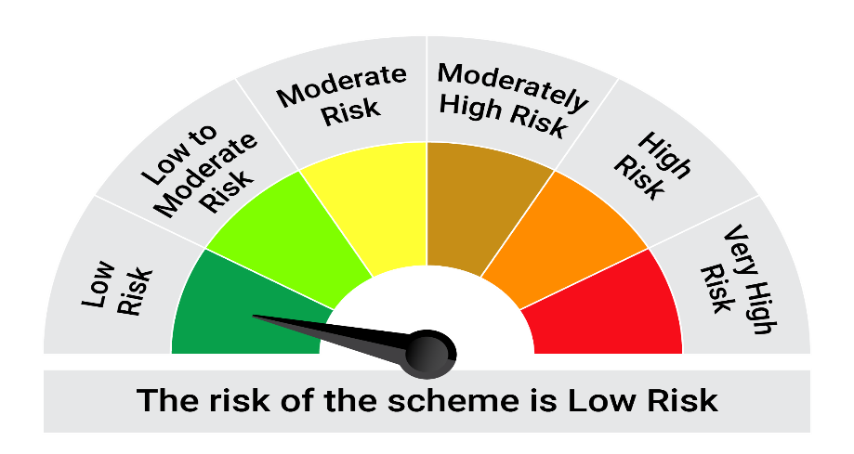
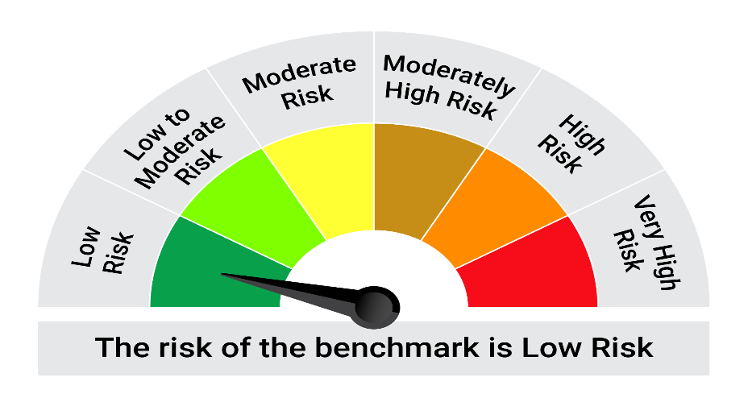
This product is suitable for investors who are seeking*:• Generation of reasonable returns over short to medium term • Investment predominantly in arbitrage opportunities in the cash and derivatives segments of the equity markets; and debt and money market instrument.

*Investors should consult their financial advisers if in doubt about whether the product is suitable for them.

Mutual fund investments are subject to market risks, read all scheme realted documents carefully. |  |  | Scheme Benchmark: Nifty 50 Arbitrage Index

Please note that the above risk-o-meter is as per the product labelling of the scheme available as on the date of this communication/ disclosure. as per SEBI circular dated May 19, 2023 on product labelling (as amended from time to time), risk-o-meters will be calculated on a monthly basis based on the risk values of the respective scheme's portfolio based on the methodology specified by SEBI in the above stated circular. The AMC shall disclose the risk-o-meters along with portfolio disclosure for all their schemes on their respective website and on AMFI website within 10 days from the close of each month. Any change in risk-o-meter shall be communicated by way of Notice cum Addendum and by way of an e-mail or SMS to unitholders of that particular Scheme.

Disclaimer


