HDSTIF
HSBC Mutual Fund
HSBC Short Duration Fund
(An open-ended short term debt scheme investing in instruments such that the Macaulay duration of the portfolio is between 1 year to 3 years. A moderate interest rate risk and moderate credit risk.)
Portfolio Statement as of June 30, 2025

Name of the Instrument | ISIN | Rating/Industries | Quantity | Market Value (Rs in Lacs) | Percentage to Net Assets | Yield of the Instrument (%) | YTC @ |  | Maturity Date
 |  |  |  |  |  |  | CRISIL | ICRA
Debt Instruments
Fixed rates bonds - Corporate
Listed / Awaiting listing on Stock Exchanges
National Bank for Agriculture & Rural Development^ | INE261F08EO7 | CRISIL AAA | 12,500.00 | 13,024.35 | 2.80% | 6.74 |  |  | 15-Sep-28
Bajaj Finance Limited** | INE296A07TJ4 | CRISIL AAA | 12,500.00 | 12,744.55 | 2.74% | 7.17 |  |  | 26-Jun-28
LIC Housing Finance Limited** | INE115A07QZ8 | CRISIL AAA | 11,000.00 | 11,681.52 | 2.52% | 6.92 |  |  | 22-Oct-27
National Bank for Agriculture & Rural Development** | INE261F08EI9 | CRISIL AAA | 10,000.00 | 10,784.17 | 2.32% | 6.66 |  |  | 30-Sep-27
Small Industries Development Bank of India^ | INE556F08KL3 | CRISIL AAA | 10,000.00 | 10,779.27 | 2.32% | 6.76 |  |  | 24-Nov-28
Bajaj Finance Limited** | INE296A07SR9 | CRISIL AAA | 10,000.00 | 10,521.80 | 2.27% | 7.08 |  |  | 8-Jan-27
Power Finance Corporation Limited** | INE134E08NL6 | CRISIL AAA | 10,000.00 | 10,441.96 | 2.25% | 6.7 |  |  | 15-Apr-28
Rec Limited** | INE020B08FA2 | CRISIL AAA | 10,000.00 | 10,238.69 | 2.20% | 6.58 |  |  | 31-May-27
Sundaram Finance Limited** | INE660A07RW8 | CRISIL AAA | 10,000.00 | 10,184.09 | 2.19% | 7.05 |  |  | 23-Apr-27
Embassy Office Parks REIT** | INE041007175 | CRISIL AAA | 10,000.00 | 10,051.09 | 2.16% | 7.22 |  |  | 16-May-28
Rec Limited** | INE020B08FC8 | ICRA AAA | 7,500.00 | 8,223.72 | 1.77% | 6.5 |  |  | 31-Aug-26
Power Grid Corporation of India Limited** | INE752E07OG5 | CRISIL AAA | 750.00 | 8,083.93 | 1.74% | 6.48 |  |  | 9-Aug-27
Bajaj Housing Finance Limited** | INE377Y07490 | CRISIL AAA | 7,500.00 | 8,082.61 | 1.74% | 6.76 |  |  | 9-Sep-26
Small Industries Development Bank of India** | INE556F08KH1 | CRISIL AAA | 7,500.00 | 8,031.07 | 1.73% | 6.58 |  |  | 31-Aug-26
Export Import Bank of India^ | INE514E08GE8 | CRISIL AAA | 7,500.00 | 7,897.73 | 1.70% | 6.54 |  |  | 27-Jul-28
Power Finance Corporation Limited** | INE134E08NO0 | CRISIL AAA | 7,500.00 | 7,846.17 | 1.69% | 6.86 |  |  | 15-Jan-30
Hindustan Zinc Limited** | INE267A08046 | CRISIL AAA | 7,500.00 | 7,764.65 | 1.67% | 7.17 |  |  | 20-Mar-28
Bajaj Finance Limited** | INE296A07SX7 | CRISIL AAA | 7,500.00 | 7,715.25 | 1.66% | 7.08 |  |  | 10-May-27
Rec Limited^ | INE020B08EK4 | CRISIL AAA | 7,500.00 | 7,653.78 | 1.65% | 6.69 |  |  | 30-Jun-28
National Bank for Agriculture & Rural Development** | INE261F08EF5 | ICRA AAA | 6,500.00 | 6,766.02 | 1.46% | 6.62 |  |  | 15-Mar-27
National Highways Authority of India** | INE906B07HG7 | CRISIL AAA | 500.00 | 5,488.69 | 1.18% | 6.64 |  |  | 1-Aug-29
Indian Oil Corporation Limited** | INE242A08551 | CRISIL AAA | 5,000.00 | 5,475.14 | 1.18% | 6.65 |  |  | 16-Jul-29
LIC Housing Finance Limited** | INE115A07QS3 | CRISIL AAA | 5,000.00 | 5,474.35 | 1.18% | 6.92 |  |  | 14-Jul-27
Kotak Mahindra Prime Limited** | INE916DA7ST6 | CRISIL AAA | 5,000.00 | 5,453.02 | 1.17% | 7.07 |  |  | 18-Aug-27
Sundaram Finance Limited** | INE660A07RU2 | ICRA AAA | 5,000.00 | 5,266.88 | 1.13% | 6.88 |  |  | 11-Dec-26
Export Import Bank of India** | INE514E08GB4 | CRISIL AAA | 5,000.00 | 5,254.14 | 1.13% | 6.53 |  |  | 12-Apr-28
Power Finance Corporation Limited** | INE134E08NP7 | CRISIL AAA | 5,000.00 | 5,206.49 | 1.12% | 6.71 |  |  | 15-Jul-28
Export Import Bank of India** | INE514E08FJ9 | CRISIL AAA | 500.00 | 5,204.59 | 1.12% | 6.45 |  |  | 1-Feb-27
National Bank for Agriculture & Rural Development** | INE261F08EM1 | ICRA AAA | 5,000.00 | 5,196.49 | 1.12% | 6.73 |  |  | 24-Mar-28
Indian Railway Finance Corporation Limited** | INE053F07AC3 | CARE AAA | 500.00 | 5,155.84 | 1.11% | 6.53 |  |  | 27-Aug-27
Power Finance Corporation Limited** | INE134E08NQ5 | CRISIL AAA | 5,000.00 | 5,154.45 | 1.11% | 6.58 |  |  | 15-Apr-26
Indian Railway Finance Corporation Limited** | INE053F07AB5 | CRISIL AAA | 500.00 | 5,145.29 | 1.11% | 6.5 |  |  | 15-Jun-27
Small Industries Development Bank of India^ | INE556F08KX8 | CRISIL AAA | 5,000.00 | 5,127.34 | 1.10% | 6.85 |  |  | 11-Jun-29
National Housing Bank^ | INE557F08FZ1 | CRISIL AAA | 5,000.00 | 5,122.65 | 1.10% | 6.48 |  |  | 8-Sep-27
Indian Railway Finance Corporation Limited** | INE053F08304 | CRISIL AAA | 5,000.00 | 5,121.74 | 1.10% | 6.48 |  |  | 15-Oct-26
LIC Housing Finance Limited** | INE115A07PR7 | CRISIL AAA | 500.00 | 5,107.15 | 1.10% | 6.84 |  |  | 15-Feb-27
Bajaj Housing Finance Limited** | INE377Y07557 | CRISIL AAA | 5,000.00 | 5,075.81 | 1.09% | 6.92 |  |  | 26-Feb-27
Rec Limited** | INE020B08FR6 | CRISIL AAA | 4,500.00 | 4,678.15 | 1.01% | 6.65 |  |  | 29-Feb-28
Kotak Mahindra Prime Limited** | INE916DA7SN9 | CRISIL AAA | 4,050.00 | 4,266.48 | 0.92% | 7.08 |  |  | 11-Jan-27
Power Finance Corporation Limited** | INE134E08LK2 | CRISIL AAA | 400.00 | 4,185.10 | 0.90% | 6.54 |  |  | 27-Aug-26
Indian Railway Finance Corporation Limited** | INE053F08312 | CRISIL AAA | 3,000.00 | 3,080.68 | 0.66% | 6.48 |  |  | 15-Oct-26
Bajaj Finance Limited** | INE296A07TD7 | CRISIL AAA | 2,500.00 | 2,744.70 | 0.59% | 7.26 |  |  | 31-Jul-29
LIC Housing Finance Limited** | INE115A07QU9 | CRISIL AAA | 2,500.00 | 2,729.41 | 0.59% | 7.01 |  |  | 23-Aug-29
NTPC Limited** | INE733E07KL3 | CRISIL AAA | 250.00 | 2,728.09 | 0.59% | 6.7 |  |  | 17-Jul-29
Kotak Mahindra Prime Limited** | INE916DA7RP6 | CRISIL AAA | 250.00 | 2,718.09 | 0.59% | 7.07 |  |  | 19-Jul-27
Indian Railway Finance Corporation Limited** | INE053F08353 | CRISIL AAA | 2,500.00 | 2,702.56 | 0.58% | 6.73 |  |  | 18-Apr-29
National Bank for Agriculture & Rural Development** | INE261F08DX0 | CRISIL AAA | 2,500.00 | 2,698.27 | 0.58% | 6.6 |  |  | 31-Jul-26
Indian Oil Corporation Limited** | INE242A08437 | CRISIL AAA | 250.00 | 2,696.08 | 0.58% | 6.65 |  |  | 22-Oct-29
Power Finance Corporation Limited** | INE134E08MT1 | CRISIL AAA | 2,500.00 | 2,691.00 | 0.58% | 6.54 |  |  | 25-Aug-26
Small Industries Development Bank of India** | INE556F08KJ7 | CRISIL AAA | 2,500.00 | 2,672.49 | 0.58% | 6.58 |  |  | 22-Sep-26
Power Finance Corporation Limited** | INE134E08LX5 | CRISIL AAA | 250.00 | 2,652.67 | 0.57% | 6.66 |  |  | 17-Jan-28
Power Finance Corporation Limited** | INE134E08MX3 | CRISIL AAA | 2,500.00 | 2,633.56 | 0.57% | 6.77 |  |  | 13-Apr-29
LIC Housing Finance Limited** | INE115A07RA9 | CRISIL AAA | 2,500.00 | 2,633.51 | 0.57% | 6.82 |  |  | 11-Dec-26
Rec Limited^ | INE020B08EH0 | CRISIL AAA | 2,500.00 | 2,616.06 | 0.56% | 6.65 |  |  | 31-Mar-28
Export Import Bank of India** | INE514E08GC2 | CRISIL AAA | 2,500.00 | 2,610.39 | 0.56% | 6.71 |  |  | 14-Mar-29
Rec Limited** | INE020B08EW9 | CRISIL AAA | 2,500.00 | 2,607.80 | 0.56% | 6.55 |  |  | 26-Feb-27
Small Industries Development Bank of India^ | INE556F08KP4 | CRISIL AAA | 2,500.00 | 2,600.75 | 0.56% | 6.64 |  |  | 10-Aug-27
Small Industries Development Bank of India** | INE556F08KW0 | CRISIL AAA | 2,500.00 | 2,600.32 | 0.56% | 6.85 |  |  | 12-Mar-29
Bajaj Finance Limited** | INE296A07SJ6 | CRISIL AAA | 250.00 | 2,585.78 | 0.56% | 6.69 |  |  | 27-Feb-26
Export Import Bank of India** | INE514E08GF5 | CRISIL AAA | 2,500.00 | 2,583.03 | 0.56% | 6.76 |  |  | 27-Jun-30
LIC Housing Finance Limited** | INE115A07PN6 | CRISIL AAA | 250.00 | 2,578.51 | 0.56% | 6.82 |  |  | 30-Nov-26
Rec Limited** | INE020B08FW6 | ICRA AAA | 2,500.00 | 2,510.50 | 0.54% | 6.65 |  |  | 31-Jan-28
Embassy Office Parks REIT** | INE041007167 | CRISIL AAA | 2,000.00 | 2,009.37 | 0.43% | 7.21 |  |  | 17-Mar-28
Embassy Office Parks REIT** | INE041007183 | CRISIL AAA | 1,500.00 | 1,502.05 | 0.32% | 7.11 |  |  | 19-Mar-27
Small Industries Development Bank of India** | INE556F08KU4 | CRISIL AAA | 1,000.00 | 1,064.08 | 0.23% | 6.75 |  |  | 12-Jun-28
Total |  |  |  | 353,925.96 | 76.19%
Securitised Debt
Listed / Awaiting listing on Stock Exchanges
India Universal Trust AL2** | INE1CBK15029 | IND AAA(SO) | 48.00 | 4,174.09 | 0.90% | 7.75 |  |  | 21-Nov-27
India Universal Trust AL1** | INE16J715019 | IND AAA(SO) | 58.00 | 3,248.25 | 0.70% | 7.35 |  |  | 20-Aug-26
India Universal Trust AL1** | INE16J715027 | IND AAA(SO) | 30.00 | 2,708.31 | 0.58% | 7.63 |  |  | 20-May-27
Total |  |  |  | 10,130.65 | 2.18%
Government Securities
6.79% INDIA GOV BOND 07OCT2034 GSEC | IN0020240126 | SOVEREIGN | 20,685,700.00 | 21,596.62 | 4.65% | 6.38 |  |  | 7-Oct-34
6.33% INDIA GOVT BOND 05MAY2035 GSEC | IN0020250026 | SOVEREIGN | 12,544,714.00 | 12,679.26 | 2.73% | 6.32 |  |  | 5-May-35
7.04% GOVERNMENT OF INDIA 03JUN29 G-SEC | IN0020240050 | SOVEREIGN | 7,500,000.00 | 7,809.42 | 1.68% | 6 |  |  | 3-Jun-29
6.75% GOI 23-Dec-2029 | IN0020240183 | SOVEREIGN | 7,500,000.00 | 7,727.09 | 1.66% | 6.01 |  |  | 23-Dec-29
7.10% GOVT 08-Apr-2034 | IN0020240019 | SOVEREIGN | 6,500,000.00 | 6,901.66 | 1.49% | 6.41 |  |  | 8-Apr-34
7.32% GOI BOND 13NOV2030 | IN0020230135 | SOVEREIGN | 6,000,000.00 | 6,380.57 | 1.37% | 6.13 |  |  | 13-Nov-30
7.26% GOVERNMENT OF INDIA 06FEB33 | IN0020220151 | SOVEREIGN | 5,000,000.00 | 5,402.82 | 1.16% | 6.4 |  |  | 6-Feb-33
7.38% GUJARAT 26Apr2030 SDL | IN1520230013 | SOVEREIGN | 4,000,000.00 | 4,202.50 | 0.90% | 6.46 |  |  | 26-Apr-30
7.72% MAHARASHTRA SDL 10Jan2035 | IN2220230170 | SOVEREIGN | 2,500,000.00 | 2,744.74 | 0.59% | 6.83 |  |  | 10-Jan-35
6.84% Gujarat SDL 08Sep2031 | IN1520210106 | SOVEREIGN | 2,500,000.00 | 2,584.85 | 0.56% | 6.59 |  |  | 8-Sep-31
6.69% GUJARAT 14May2035 SDL | IN1520250045 | SOVEREIGN | 1,000,000.00 | 999.79 | 0.22% | 6.81 |  |  | 14-May-35
Total |  |  |  | 79,029.32 | 17.01%
Money Market Instruments
Certificate of Deposit
Privately Placed/Unlisted
Small Industries Development Bank of India** | INE556F16BH3 | CRISIL A1+ | 1,000.00 | 4,744.76 | 1.02% | 6.37 |  |  | 5-May-26
Export Import Bank of India** | INE514E16CM3 | CRISIL A1+ | 1,000.00 | 4,720.68 | 1.02% | 6.26 |  |  | 11-Jun-26
Total |  |  |  | 9,465.44 | 2.04%
Interest Rate Swaps
Pay Fixed/Receive Float_17/06/2030 |  |  |  | -12.91 | 0.00% | 5.73 |  |  | 17-Jun-30
Pay Fixed/Receive Float_04/03/2030 |  |  |  | -94.15 | -0.02% | 5.78 |  |  | 4-Mar-30
Total |  |  |  | -107.06 | -0.02%
Alternative Investment Funds(AIF)
CDMDF CLASS A2 | INF0RQ622028 | AIF | 9,339.32 | 1,050.06 | 0.23% | 5.51
Total |  |  |  | 1,050.06 | 0.23%
Treps |  |  |  | 4,548.72 | 0.98% | 5.4 |  |  | 1-Jul-25
Net Current Assets (including cash & bank balances) |  |  |  | 6,359.29 | 1.39% | 5.4
Total Net Assets as on 30-June-2025 |  |  |  | 464,402.38 | 100.00%
Market Value includes accrued interest
** Securities are classified as non-traded on the basis of Traded data as on JUN 30, 2025 provided by CRISIL and ICRA.
^ Securities are classified as traded on the basis of Traded data as on JUN 30, 2025 provided by CRISIL and ICRA.
Aggregate value of investments made by other schemes of HSBC Mutual Fund are amounting to Rs. 10524.54 Lakhs.
This scheme has exposure to floating rate instruments and / or interest rate derivatives. The duration of these instruments is linked to the interest rate reset period. The interest rate risk in a floating rate instrument or in a fixed rate instrument hedged with derivatives is likely to be lesser than that in an equivalent maturity fixed rate instrument. Under some market circumstances the volatility may be of an order greater than what may ordinarily be expected considering only its duration. Hence investors are recommended to consider the unadjusted portfolio maturity of the scheme as well and exercise adequate due diligence when deciding to make their investments.

Annualised Portfolio YTM ! | 6.69%
Macaulay Duration | 31.33
! in case of semi annual YTM, it will be annualised

HSBC Short Duration Fund |  | Scheme Riskometer |  | Scheme Benchmark Riskometer

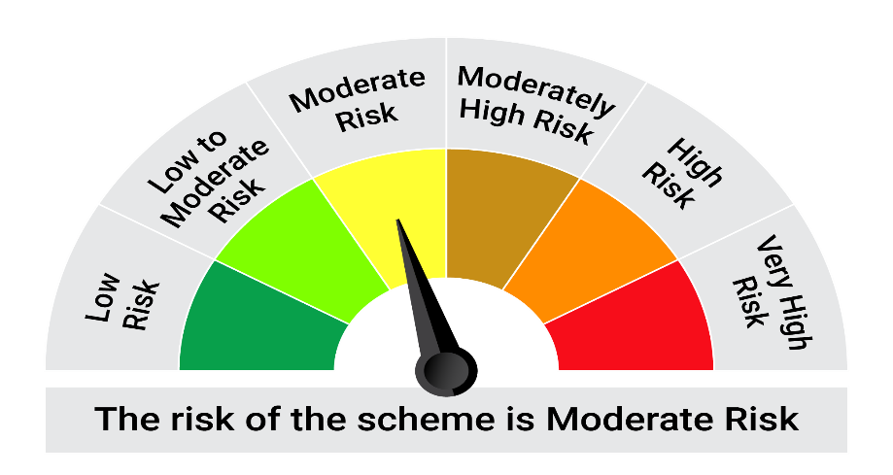
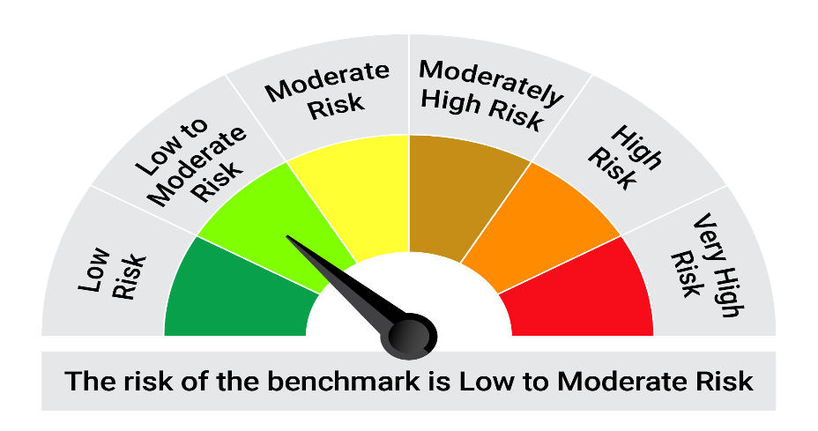
This product is suitable for investors who are seeking*: • Generation of regular returns over short term • The Scheme will Invest predominantly in debt and money market instruments such that the Macaulay duration of the portfolio is between 1 year to 3 years.

*Investors should consult their financial advisers if in doubt about whether the product is suitable for them.

Mutual fund investments are subject to market risks, read all scheme realted documents carefully. |  |  | Scheme Benchmark: NIFTY Short Duration Debt Index A-II

Please note that the above risk-o-meter is as per the product labelling of the scheme available as on the date of this communication/ disclosure. as per SEBI circular dated May 19, 2023 on product labelling (as amended from time to time), risk-o-meters will be calculated on a monthly basis based on the risk values of the respective scheme's portfolio based on the methodology specified by SEBI in the above stated circular. The AMC shall disclose the risk-o-meters along with portfolio disclosure for all their schemes on their respective website and on AMFI website within 10 days from the close of each month. Any change in risk-o-meter shall be communicated by way of Notice cum Addendum and by way of an e-mail or SMS to unitholders of that particular Scheme.

Disclaimer


