HDLMDF
HSBC Mutual Fund
HSBC Medium Duration Fund
(An open ended medium term debt scheme investing in instruments such that the Macaulay duration of the portfolio is between 3 years to 4 years. A relatively high interest rate risk and moderate credit risk.)
Portfolio Statement as of September 30, 2024

Name of the Instrument | ISIN | Rating/Industries | Quantity | Market Value (Rs in Lacs) | Percentage to Net Assets | Yield of the Instrument (%) | YTC @ |  | Maturity Date
 |  |  |  |  |  |  | CRISIL | ICRA
Debt Instruments
Fixed rates bonds - Corporate
Listed / Awaiting listing on Stock Exchanges
Rec Limited** | INE020B08EH0 | CRISIL AAA | 5,000.00 | 5,251.37 | 6.30% | 7.38 |  |  | 31-Mar-28
Indian Railway Finance Corporation Limited** | INE053F08312 | CRISIL AAA | 5,000.00 | 5,162.43 | 6.19% | 7.5 |  |  | 15-Oct-26
Small Industries Development Bank of India^ | INE556F08KL3 | CRISIL AAA | 2,500.00 | 2,704.96 | 3.24% | 7.38 |  |  | 24-Nov-28
Power Finance Corporation Limited** | INE134E08MX3 | CRISIL AAA | 2,500.00 | 2,644.42 | 3.17% | 7.28 |  |  | 13-Apr-29
National Bank for Agriculture & Rural Development** | INE261F08EH1 | CRISIL AAA | 2,500.00 | 2,594.36 | 3.11% | 7.4 |  |  | 10-May-29
Shriram Finance Limited** | INE721A07SB0 | CRISIL AA+ | 2,500.00 | 2,586.74 | 3.10% | 9.04 |  |  | 22-May-26
National Bank for Agriculture & Rural Development** | INE261F08EJ7 | ICRA AAA | 2,500.00 | 2,585.00 | 3.10% | 7.38 |  |  | 6-Dec-29
Aditya Birla Renewables Limited** | INE01QP08016 | CRISIL AA | 2,500.00 | 2,509.99 | 3.01% | 8.51 |  |  | 24-Sep-27
Cholamandalam Investment & Finance Company Limited** | INE121A07QJ0 | ICRA AA+ | 220.00 | 2,275.17 | 2.73% | 8.03 |  |  | 11-Mar-25
Jm Financial Services Limited** | INE012I07066 | CRISIL AA | 2,000.00 | 2,159.54 | 2.59% | 9.11 |  |  | 30-May-25
ONGC Petro Additions Limited (Letter of comfort from Oil & Natural Gas Corporation Limited)** | INE163N08115 | ICRA AAA (CE) | 200.00 | 2,151.23 | 2.58% | 7.84 |  |  | 10-Mar-25
Aadhar Housing Finance Limited** | INE883F07306 | IND AA | 2,000.00 | 2,062.14 | 2.47% | 8.4 |  |  | 26-May-26
Oriental Nagpur Betul Highway Limited (Nhai Annuity Receivables)** | INE105N07175 | CRISIL AAA | 2,000.00 | 1,994.91 | 2.39% | 8.87 |  |  | 30-Mar-25
ONGC Petro Additions Limited (Letter of comfort from Oil & Natural Gas Corporation Limited)** | INE163N08131 | ICRA AAA (CE) | 128.00 | 1,344.75 | 1.61% | 8 |  |  | 11-Apr-25
Phoenix ARC Limited (Kotak Group Entity)** | INE163K07121 | CRISIL AA | 1,200.00 | 1,210.47 | 1.45% | 9.28 |  |  | 21-Feb-25
National Housing Bank^ | INE557F08FP2 | CRISIL AAA | 1,000.00 | 1,044.77 | 1.25% | 7.43 |  |  | 2-Apr-26
TVS Credit Services Limited** | INE729N07032 | CRISIL AA | 100.00 | 1,003.41 | 1.20% | 8.32 |  |  | 14-Sep-25
Patel Knr Heavy Infrastructures Limited (Nhai Annuity Receivables)** | INE555J07260 | CARE AA+ | 609.00 | 612.84 | 0.73% | 10.57 |  |  | 30-Sep-26
Patel Knr Heavy Infrastructures Limited (Nhai Annuity Receivables)** | INE555J07252 | CARE AA+ | 608.00 | 610.43 | 0.73% | 10.64 |  |  | 31-Mar-26
Shriram Finance Limited** | INE721A07RU2 | CRISIL AA+ | 500.00 | 537.70 | 0.64% | 8.93 |  |  | 19-Dec-25
Patel Knr Heavy Infrastructures Limited (Nhai Annuity Receivables)** | INE555J07245 | CARE AA+ | 131.00 | 131.18 | 0.16% | 10.41 |  |  | 31-Mar-25
Total |  |  |  | 43,177.81 | 51.75%
Securitised Debt
Listed / Awaiting listing on Stock Exchanges
Vajra 011 Trust** | INE116015012 | ICRA AAA(SO) | 28.00 | 2,695.22 | 3.23% | 10.19 |  |  | 20-Aug-27
First Business Receivables Trust ( Backed by receivables from Reliance Industries, Reliance Retail, Reliance Jio)** | INE0BTV15196 | CRISIL AAA(SO) | 16.00 | 1,600.00 | 1.92% | 7.46 |  |  | 1-Oct-24
First Business Receivables Trust ( Backed by receivables from Reliance Industries, Reliance Retail, Reliance Jio)** | INE0BTV15204 | CRISIL AAA(SO) | 14.00 | 1,373.43 | 1.65% | 7.67 |  |  | 1-Jan-25
Sansar Trust IX** | INE0REK15015 | ICRA AAA(SO) | 460.00 | 1,106.95 | 1.33% | 9.02 |  |  | 18-Oct-26
Total |  |  |  | 6,775.60 | 8.13%
Government Securities
7.10% GOVT 08-Apr-2034 | IN0020240019 | SOVEREIGN | 13,000,000.00 | 13,759.40 | 16.50% | 6.75 |  |  | 8-Apr-34
7.32% GOI BOND 13NOV2030 | IN0020230135 | SOVEREIGN | 5,000,000.00 | 5,295.53 | 6.35% | 6.69 |  |  | 13-Nov-30
7.18% GOI 24-Jul-2037 | IN0020230077 | SOVEREIGN | 3,500,000.00 | 3,659.69 | 4.39% | 6.8 |  |  | 24-Jul-37
7.30% GOI 19JUN53 | IN0020230051 | SOVEREIGN | 2,000,000.00 | 2,142.70 | 2.57% | 6.89 |  |  | 19-Jun-53
7.18% GOVERNMENT ON INDIA 14AUG2033 GSEC | IN0020230085 | SOVEREIGN | 2,000,000.00 | 2,073.67 | 2.49% | 6.76 |  |  | 14-Aug-33
7.23% INDIA GOVERNMENT BOND 15APR2039 | IN0020240027 | SOVEREIGN | 1,500,000.00 | 1,610.34 | 1.93% | 6.79 |  |  | 15-Apr-39
7.09% GOI 05AUG2054 | IN0020240118 | SOVEREIGN | 1,500,000.00 | 1,550.72 | 1.86% | 6.9 |  |  | 5-Aug-54
7.04% GOVERNMENT OF INDIA 03JUN29 G-SEC | IN0020240050 | SOVEREIGN | 1,000,000.00 | 1,037.63 | 1.24% | 6.67 |  |  | 3-Jun-29
7.26% GOVERNMENT OF INDIA 06FEB33 | IN0020220151 | SOVEREIGN | 500,000.00 | 521.65 | 0.63% | 6.75 |  |  | 6-Feb-33
Total |  |  |  | 31,651.33 | 37.96%
Money Market Instruments
Certificate of Deposit
Privately Placed/Unlisted
Bank of Baroda^ | INE028A16EU1 | IND A1+ | 280.00 | 1,364.55 | 1.64% | 7.35 |  |  | 7-Feb-25
Total |  |  |  | 1,364.55 | 1.64%
Alternative Investment Funds(AIF)
CDMDF CLASS A2 | INF0RQ622028 | AIF | 2,006.87 | 208.83 | 0.25% | 6.62
Total |  |  |  | 208.83 | 0.25%
Treps |  |  |  | 2,683.73 | 3.22% | 6.51 |  |  | 1-Oct-24
Net Current Assets (including cash & bank balances) |  |  |  | -2,462.20 | -2.95% | 6.51
Total Net Assets as on 30-September-2024 |  |  |  | 83,399.65 | 100.00%
Market Value includes accrued interest
** Securities are classified as non-traded on the basis of Traded data as on SEP 30, 2024 provided by CRISIL and ICRA.
^ Securities are classified as traded on the basis of Traded data as on SEP 30, 2024 provided by CRISIL and ICRA.

Annualised Portfolio YTM ! | 7.64%
Macaulay Duration | 47.72
! in case of semi annual YTM, it will be annualised

HSBC Medium Duration Fund |  | Scheme Riskometer |  | Scheme Benchmark Riskometer

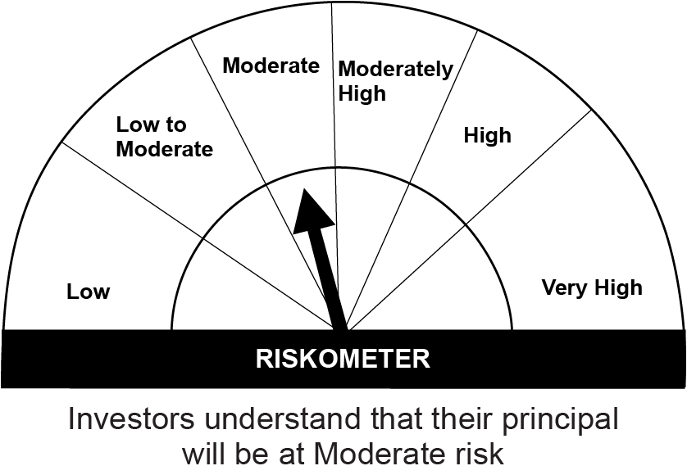
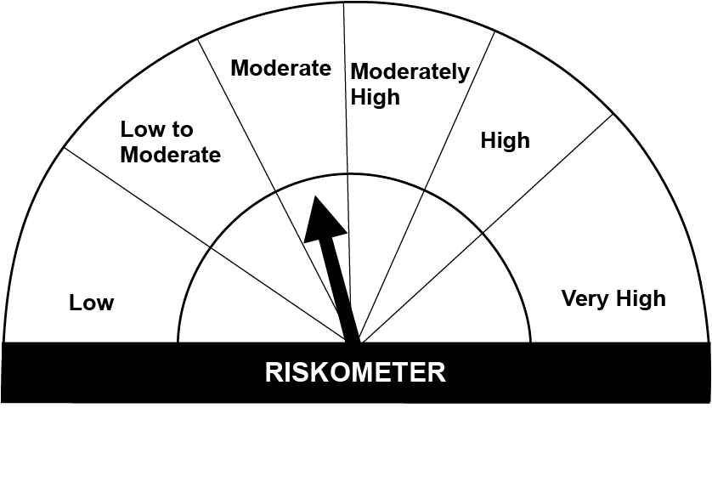
This product is suitable for investors who are seeking*:• Generation of income over medium term • An open ended debt scheme predominantly investing in fixed income instruments such that the Macaulay duration of the portfolio is between 3 years to 4 years.

*Investors should consult their financial advisers if in doubt about whether the product is suitable for them.

Mutual fund investments are subject to market risks, read all scheme realted documents carefully. |  |  | Scheme Benchmark: NIFTY Medium Duration Debt Index A-III

Please note that the above risk-o-meter is as per the product labelling of the scheme available as on the date of this communication/ disclosure. as per SEBI circular dated May 19, 2023 on product labelling (as amended from time to time), risk-o-meters will be calculated on a monthly basis based on the risk values of the respective scheme's portfolio based on the methodology specified by SEBI in the above stated circular. The AMC shall disclose the risk-o-meters along with portfolio disclosure for all their schemes on their respective website and on AMFI website within 10 days from the close of each month. Any change in risk-o-meter shall be communicated by way of Notice cum Addendum and by way of an e-mail or SMS to unitholders of that particular Scheme.

Disclaimer


