HDUSDF
HSBC Mutual Fund
HSBC Ultra Short Duration Fund
(An Open ended ultra-short term debt scheme investing in instruments such that the Macaulay duration of the portfolio is between 3 months to 6 months. A relatively low interest rate risk and moderate credit risk.)
Portfolio Statement as of September 30, 2024

Name of the Instrument | ISIN | Rating/Industries | Quantity | Market Value (Rs in Lacs) | Percentage to Net Assets | Yield of the Instrument (%) | YTC @ |  | Maturity Date
 |  |  |  |  |  |  | CRISIL | ICRA
Debt Instruments
Fixed rates bonds - Corporate
Listed / Awaiting listing on Stock Exchanges
LIC Housing Finance Limited** | INE115A07PU1 | CRISIL AAA | 1,250.00 | 12,582.21 | 4.53% | 7.74 |  |  | 20-Jun-25
Bajaj Finance Limited^ | INE296A07SF4 | CRISIL AAA | 500.00 | 5,338.40 | 1.92% | 7.98 |  |  | 17-Nov-25
National Bank for Agriculture & Rural Development** | INE261F08DI1 | CRISIL AAA | 500.00 | 5,133.42 | 1.85% | 7.48 |  |  | 31-Jan-25
LIC Housing Finance Limited** | INE115A07PQ9 | CRISIL AAA | 500.00 | 5,128.54 | 1.85% | 7.52 |  |  | 12-Mar-25
Power Finance Corporation Limited** | INE134E08KT5 | CRISIL AAA | 500.00 | 5,108.07 | 1.84% | 7.68 |  |  | 22-May-25
HDFC Bank Limited** | INE040A08AH8 | CRISIL AAA | 500.00 | 5,099.98 | 1.84% | 7.92 |  |  | 2-Jun-25
Small Industries Development Bank of India** | INE556F08JY8 | CARE AAA | 500.00 | 5,097.74 | 1.84% | 7.68 |  |  | 2-Jun-25
LIC Housing Finance Limited** | INE115A07PK2 | CRISIL AAA | 500.00 | 5,037.90 | 1.82% | 7.74 |  |  | 20-May-25
Bharat Petroleum Corporation Limited** | INE029A08065 | CRISIL AAA | 500.00 | 5,016.32 | 1.81% | 7.58 |  |  | 4-Jul-25
LIC Housing Finance Limited** | INE115A07OS8 | CRISIL AAA | 300.00 | 3,133.62 | 1.13% | 7.52 |  |  | 12-Feb-25
National Bank for Agriculture & Rural Development** | INE261F08DT8 | CRISIL AAA | 250.00 | 2,643.40 | 0.95% | 7.77 |  |  | 17-Dec-25
Kotak Mahindra Prime Limited** | INE916DA7RZ5 | CRISIL AAA | 250.00 | 2,619.88 | 0.94% | 7.75 |  |  | 17-Feb-25
HDFC Bank Limited** | INE040A08922 | CRISIL AAA | 2,500.00 | 2,558.84 | 0.92% | 7.96 |  |  | 2-Jun-25
Kotak Mahindra Prime Limited** | INE916DA7SG3 | CRISIL AAA | 2,500.00 | 2,558.76 | 0.92% | 8.03 |  |  | 20-Jun-25
Bajaj Finance Limited** | INE296A07RO8 | CRISIL AAA | 250.00 | 2,558.67 | 0.92% | 7.98 |  |  | 24-Dec-25
Kotak Mahindra Prime Limited** | INE916DA7RR2 | CRISIL AAA | 250.00 | 2,506.50 | 0.90% | 8.02 |  |  | 20-Aug-25
Small Industries Development Bank of India** | INE556F08KC2 | CARE AAA | 250.00 | 2,496.76 | 0.90% | 7.71 |  |  | 9-Mar-26
Power Finance Corporation Limited** | INE134E08LD7 | CRISIL AAA | 250.00 | 2,479.61 | 0.89% | 7.67 |  |  | 17-Sep-25
HDFC Bank Limited** | INE040A08849 | CRISIL AAA | 250.00 | 2,466.48 | 0.89% | 7.92 |  |  | 29-Sep-25
Total |  |  |  | 79,565.10 | 28.66%
Government Securities
8.44% MAHARASHTRA 26NOV2024 SDL | IN2220140155 | SOVEREIGN | 4,000,000.00 | 4,127.52 | 1.49% | 6.52 |  |  | 26-Nov-24
8.04% MAHARASHTRA 25FEB2025 SDL | IN2220140213 | SOVEREIGN | 2,500,000.00 | 2,532.22 | 0.91% | 6.7 |  |  | 25-Feb-25
Total |  |  |  | 6,659.74 | 2.40%
Money Market Instruments
Certificate of Deposit
Privately Placed/Unlisted
Small Industries Development Bank of India** | INE556F16AN3 | CRISIL A1+ | 2,000.00 | 9,849.30 | 3.55% | 7.16 |  |  | 18-Dec-24
ICICI Bank Limited** | INE090AD6113 | CRISIL A1+ | 2,000.00 | 9,762.57 | 3.52% | 7.28 |  |  | 31-Jan-25
HDFC Bank Limited^ | INE040A16EH3 | IND A1+ | 1,500.00 | 7,402.95 | 2.67% | 7.25 |  |  | 6-Dec-24
Canara Bank** | INE476A16YV8 | CRISIL A1+ | 1,500.00 | 7,316.03 | 2.64% | 7.34 |  |  | 3-Feb-25
Axis Bank Limited** | INE238AD6819 | CRISIL A1+ | 1,500.00 | 7,281.96 | 2.62% | 7.34 |  |  | 27-Feb-25
ICICI Bank Limited** | INE090AD6105 | CRISIL A1+ | 1,000.00 | 4,936.19 | 1.78% | 7.15 |  |  | 6-Dec-24
Small Industries Development Bank of India** | INE556F16AM5 | CARE A1+ | 1,000.00 | 4,931.32 | 1.78% | 7.16 |  |  | 11-Dec-24
Kotak Mahindra Bank Limited** | INE237A165X0 | CRISIL A1+ | 1,000.00 | 4,922.38 | 1.77% | 7.2 |  |  | 20-Dec-24
Axis Bank Limited** | INE238AD6629 | CRISIL A1+ | 1,000.00 | 4,901.00 | 1.77% | 7.3 |  |  | 10-Jan-25
National Bank for Agriculture & Rural Development^ | INE261F16769 | CRISIL A1+ | 1,000.00 | 4,893.58 | 1.76% | 7.35 |  |  | 17-Jan-25
Punjab National Bank Limited^ | INE160A16OH8 | ICRA A1+ | 1,000.00 | 4,880.59 | 1.76% | 7.32 |  |  | 31-Jan-25
Kotak Mahindra Bank Limited** | INE237A160W3 | CRISIL A1+ | 1,000.00 | 4,875.49 | 1.76% | 7.34 |  |  | 5-Feb-25
Punjab National Bank Limited** | INE160A16OL0 | CRISIL A1+ | 1,000.00 | 4,873.41 | 1.76% | 7.35 |  |  | 7-Feb-25
National Bank for Agriculture & Rural Development** | INE261F16785 | CRISIL A1+ | 1,000.00 | 4,873.07 | 1.76% | 7.37 |  |  | 7-Feb-25
Bank of Baroda** | INE028A16EX5 | IND A1+ | 1,000.00 | 4,861.00 | 1.75% | 7.35 |  |  | 20-Feb-25
National Bank for Agriculture & Rural Development** | INE261F16819 | CRISIL A1+ | 1,000.00 | 4,854.92 | 1.75% | 7.37 |  |  | 26-Feb-25
HDFC Bank Limited** | INE040A16ER2 | IND A1+ | 1,000.00 | 4,847.62 | 1.75% | 7.35 |  |  | 6-Mar-25
Kotak Mahindra Bank Limited** | INE237A168X4 | CRISIL A1+ | 1,000.00 | 4,758.18 | 1.71% | 7.48 |  |  | 6-Jun-25
Axis Bank Limited** | INE238AD6884 | CRISIL A1+ | 1,000.00 | 4,683.09 | 1.69% | 7.6 |  |  | 22-Aug-25
Canara Bank** | INE476A16XK3 | CRISIL A1+ | 840.00 | 4,106.96 | 1.48% | 7.32 |  |  | 22-Jan-25
Small Industries Development Bank of India** | INE556F16AO1 | CRISIL A1+ | 500.00 | 2,450.17 | 0.88% | 7.35 |  |  | 10-Jan-25
Kotak Mahindra Bank Limited** | INE237A166V2 | CRISIL A1+ | 500.00 | 2,443.66 | 0.88% | 7.32 |  |  | 24-Jan-25
Axis Bank Limited** | INE238AD6694 | CRISIL A1+ | 500.00 | 2,430.17 | 0.88% | 7.33 |  |  | 21-Feb-25
ICICI Bank Limited** | INE090AD6147 | ICRA A1+ | 400.00 | 1,935.02 | 0.70% | 7.34 |  |  | 17-Mar-25
Total |  |  |  | 123,070.63 | 44.37%
Commercial Papers
Listed / Awaiting listing on Stock Exchanges
Panatone Finvest Limited** | INE116F14174 | CRISIL A1+ | 2,000.00 | 9,775.76 | 3.52% | 7.82 |  |  | 16-Jan-25
Kotak Securities Limited** | INE028E14OX1 | CRISIL A1+ | 1,500.00 | 7,419.87 | 2.67% | 7.58 |  |  | 22-Nov-24
Larsen & Toubro Limited** | INE018A14KY6 | CRISIL A1+ | 1,500.00 | 7,320.77 | 2.64% | 7.32 |  |  | 31-Jan-25
Export Import Bank of India^ | INE514E14SA9 | CRISIL A1+ | 1,500.00 | 7,304.29 | 2.63% | 7.35 |  |  | 11-Feb-25
Export Import Bank of India** | INE514E14RV7 | CRISIL A1+ | 1,300.00 | 6,417.03 | 2.31% | 7.15 |  |  | 6-Dec-24
Bajaj Housing Finance Limited** | INE377Y14AR1 | CRISIL A1+ | 1,000.00 | 4,899.41 | 1.77% | 7.42 |  |  | 10-Jan-25
Panatone Finvest Limited** | INE116F14182 | CRISIL A1+ | 1,000.00 | 4,886.86 | 1.76% | 7.82 |  |  | 17-Jan-25
ICICI Securities Limited** | INE763G14TE7 | CRISIL A1+ | 1,000.00 | 4,851.92 | 1.75% | 7.79 |  |  | 21-Feb-25
Kotak Securities Limited** | INE028E14ON2 | CRISIL A1+ | 1,000.00 | 4,837.49 | 1.74% | 7.81 |  |  | 7-Mar-25
Total |  |  |  | 57,713.40 | 20.79%
Treasury Bills
182 DAYS T-BILL 20FEB25 | IN002024Y217 | SOVEREIGN | 10,000,000.00 | 9,752.62 | 3.51% | 6.52 |  |  | 20-Feb-25
182 DAYS T-BILL 13MAR25 | IN002024Y241 | SOVEREIGN | 7,500,000.00 | 7,287.65 | 2.63% | 6.52 |  |  | 13-Mar-25
364 DAYS 16JAN25 T-BILL | IN002023Z448 | SOVEREIGN | 5,000,000.00 | 4,906.51 | 1.77% | 6.5 |  |  | 16-Jan-25
182 DAYS T-BILL 27FEB25 | IN002024Y225 | SOVEREIGN | 5,000,000.00 | 4,870.37 | 1.76% | 6.52 |  |  | 27-Feb-25
364 DAYS T-BILL - 12DEC2024 | IN002023Z398 | SOVEREIGN | 2,500,000.00 | 2,468.83 | 0.89% | 6.4 |  |  | 12-Dec-24
Total |  |  |  | 29,285.98 | 10.56%
Alternative Investment Funds(AIF)
CDMDF CLASS A2 | INF0RQ622028 | AIF | 5,928.50 | 616.90 | 0.22% | 6.62
Total |  |  |  | 616.90 | 0.22%
Net Current Assets (including cash & bank balances) |  |  |  | -19,444.36 | -7.00%
Total Net Assets as on 30-September-2024 |  |  |  | 277,467.39 | 100.00%
Market Value includes accrued interest
** Securities are classified as non-traded on the basis of Traded data as on SEP 30, 2024 provided by CRISIL and ICRA.
^ Securities are classified as traded on the basis of Traded data as on SEP 30, 2024 provided by CRISIL and ICRA.
Aggregate value of investments made by other schemes of HSBC Mutual Fund are amounting to Rs. 8672.52 Lakhs.

Annualised Portfolio YTM ! | 7.43%
Macaulay Duration | 5.64
! in case of semi annual YTM, it will be annualised

HSBC Ultra Short Duration Fund |  | Scheme Riskometer |  | Scheme Benchmark Riskometer

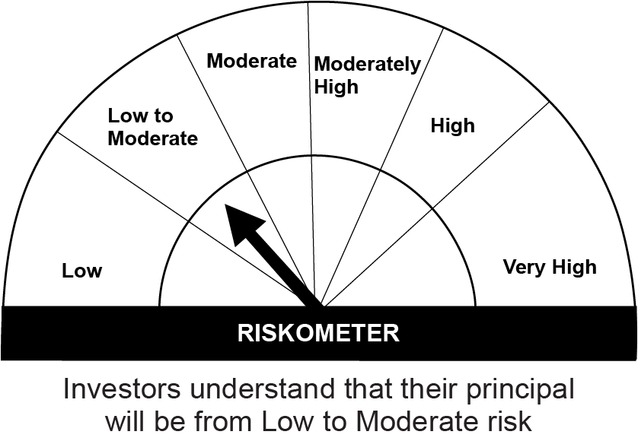
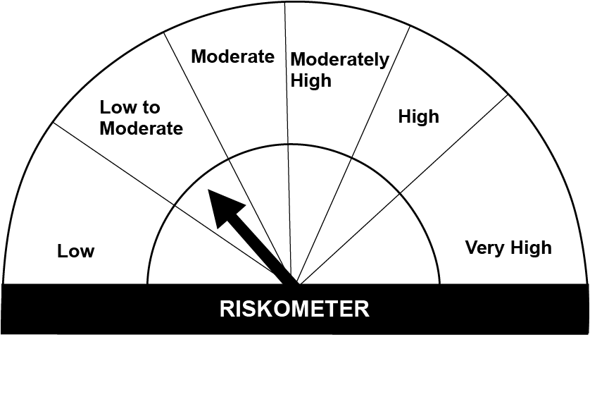
This product is suitable for investors who are seeking*:• Income over short term with Low volatility. • The Scheme will Invest predominantly in debt and money market instruments such that the Macaulay duration of the Portfolio is between 3 months to 6 months.

*Investors should consult their financial advisers if in doubt about whether the product is suitable for them.

Mutual fund investments are subject to market risks, read all scheme realted documents carefully. |  |  | Scheme Benchmark: NIFTY Ultra Short Duration Debt Index A-I

Please note that the above risk-o-meter is as per the product labelling of the scheme available as on the date of this communication/ disclosure. as per SEBI circular dated May 19, 2023 on product labelling (as amended from time to time), risk-o-meters will be calculated on a monthly basis based on the risk values of the respective scheme's portfolio based on the methodology specified by SEBI in the above stated circular. The AMC shall disclose the risk-o-meters along with portfolio disclosure for all their schemes on their respective website and on AMFI website within 10 days from the close of each month. Any change in risk-o-meter shall be communicated by way of Notice cum Addendum and by way of an e-mail or SMS to unitholders of that particular Scheme.

Disclaimer


