HELABF
HSBC Mutual Fund
HSBC Arbitrage Fund
HSBC Arbitrage Fund(An open ended scheme investing in arbitrage opportunities.)
Portfolio Statement as of September 30, 2025

Name of the Instrument | ISIN | Rating/Industries | Quantity | Market Value (Rs in Lacs) | Percentage to Net Assets | Yield of the Instrument (%) | YTC @ |  | Maturity Date
 |  |  |  |  |  |  | CRISIL | ICRA
Equity & Equity Related Instruments
Equity Shares
Listed / Awaiting listing on Stock Exchanges
State Bank of India | INE062A01020 | Banks | 1,983,750.00 | 17,307.23 | 7.10%
HDFC Bank Limited | INE040A01034 | Banks | 1,667,600.00 | 15,858.88 | 6.50%
ICICI Bank Limited | INE090A01021 | Banks | 1,140,300.00 | 15,371.24 | 6.30%
Reliance Industries Limited | INE002A01018 | Petroleum Products | 832,000.00 | 11,348.48 | 4.65%
Axis Bank Limited | INE238A01034 | Banks | 972,500.00 | 11,004.81 | 4.51%
ETERNAL Limited | INE758T01015 | Retailing | 2,490,475.00 | 8,106.50 | 3.32%
PNB Housing Finance Limited | INE572E01012 | Finance | 847,600.00 | 7,319.87 | 3.00%
RBL Bank Limited | INE976G01028 | Banks | 2,206,625.00 | 6,117.87 | 2.51%
Marico Limited | INE196A01026 | Agricultural Food & other Products | 614,400.00 | 4,284.83 | 1.76%
Sammaan Capital Limited | INE148I01020 | Finance | 2,554,200.00 | 4,108.69 | 1.68%
JSW Steel Limited | INE019A01038 | Ferrous Metals | 347,625.00 | 3,972.31 | 1.63%
Bank of Baroda | INE028A01039 | Banks | 1,482,975.00 | 3,834.08 | 1.57%
Punjab National Bank Limited | INE160A01022 | Banks | 2,752,000.00 | 3,105.08 | 1.27%
Tata Power Company Limited | INE245A01021 | Power | 761,250.00 | 2,958.60 | 1.21%
Steel Authority of India Limited | INE114A01011 | Ferrous Metals | 2,171,400.00 | 2,920.10 | 1.20%
NMDC Limited | INE584A01023 | Minerals & Mining | 3,726,000.00 | 2,844.80 | 1.17%
Bandhan Bank Limited | INE545U01014 | Banks | 1,753,200.00 | 2,843.87 | 1.17%
Laurus Labs Limited | INE947Q01028 | Pharmaceuticals & Biotechnology | 331,500.00 | 2,790.57 | 1.14%
Rec Limited | INE020B01018 | Finance | 705,075.00 | 2,628.87 | 1.08%
Crompton Greaves Consumer Electricals Limited | INE299U01018 | Consumer Durables | 873,000.00 | 2,543.05 | 1.04%
Info Edge (India) Limited | INE663F01032 | Retailing | 193,125.00 | 2,528.59 | 1.04%
ITC Limited | INE154A01025 | Diversified FMCG | 588,800.00 | 2,364.33 | 0.97%
JSW Energy Limited | INE121E01018 | Power | 399,000.00 | 2,118.09 | 0.87%
One 97 Communications Limited | INE982J01020 | Financial Technology (Fintech) | 160,950.00 | 1,808.76 | 0.74%
Tata Consumer Products Limited | INE192A01025 | Agricultural Food & other Products | 160,050.00 | 1,807.44 | 0.74%
Federal Bank Limited | INE171A01029 | Banks | 935,000.00 | 1,803.90 | 0.74%
NTPC Limited | INE733E01010 | Power | 529,500.00 | 1,802.68 | 0.74%
Kotak Mahindra Bank Limited | INE237A01028 | Banks | 89,600.00 | 1,785.46 | 0.73%
Canara Bank | INE476A01022 | Banks | 1,350,000.00 | 1,670.09 | 0.68%
Indus Towers Limited | INE121J01017 | Telecom - Services | 467,500.00 | 1,603.06 | 0.66%
Shriram Finance Limited | INE721A01047 | Finance | 235,950.00 | 1,453.69 | 0.60%
Hindustan Aeronautics Limited | INE066F01020 | Aerospace & Defense | 28,950.00 | 1,374.11 | 0.56%
Aditya Birla Capital Limited | INE674K01013 | Finance | 468,100.00 | 1,368.49 | 0.56%
Exide Industries Limited | INE302A01020 | Auto Components | 343,800.00 | 1,343.40 | 0.55%
IndusInd Bank Limited | INE095A01012 | Banks | 161,700.00 | 1,189.38 | 0.49%
HFCL Limited | INE548A01028 | Telecom - Services | 1,360,950.00 | 991.86 | 0.41%
Power Finance Corporation Limited | INE134E01011 | Finance | 234,000.00 | 959.99 | 0.39%
Coforge Limited | INE591G01025 | IT - Software | 59,250.00 | 942.67 | 0.39%
AU Small Finance Bank Limited | INE949L01017 | Banks | 124,000.00 | 906.94 | 0.37%
Hindustan Zinc Limited | INE267A01025 | Non - Ferrous Metals | 186,200.00 | 898.32 | 0.37%
Lodha Developers Limited | INE670K01029 | Realty | 78,300.00 | 889.33 | 0.36%
Torrent Power Limited | INE813H01021 | Power | 63,750.00 | 777.05 | 0.32%
National Aluminium Company Limited | INE139A01034 | Non - Ferrous Metals | 360,000.00 | 769.93 | 0.32%
Bajaj Finserv Limited | INE918I01026 | Finance | 35,000.00 | 702.24 | 0.29%
Yes Bank Limited | INE528G01035 | Banks | 3,016,700.00 | 641.05 | 0.26%
Inox Wind Limited | INE066P01011 | Electrical Equipment | 441,720.00 | 619.47 | 0.25%
Sona BLW Precision Forgings Limited | INE073K01018 | Auto Components | 143,850.00 | 592.30 | 0.24%
Indian Oil Corporation Limited | INE242A01010 | Petroleum Products | 390,000.00 | 584.18 | 0.24%
Manappuram Finance Limited | INE522D01027 | Finance | 207,000.00 | 581.26 | 0.24%
Coal India Limited | INE522F01014 | Consumable Fuels | 143,100.00 | 558.02 | 0.23%
IIFL Finance Limited | INE530B01024 | Finance | 120,450.00 | 544.31 | 0.22%
Samvardhana Motherson International Limited | INE775A01035 | Auto Components | 510,450.00 | 539.29 | 0.22%
NBCC (India) Limited | INE095N01031 | Construction | 442,000.00 | 473.29 | 0.19%
Petronet LNG Limited | INE347G01014 | Gas | 169,200.00 | 471.73 | 0.19%
Kalyan Jewellers India Limited | INE303R01014 | Consumer Durables | 97,525.00 | 443.06 | 0.18%
TVS Motor Company Limited | INE494B01023 | Automobiles | 11,900.00 | 409.21 | 0.17%
Power Grid Corporation of India Limited | INE752E01010 | Power | 138,700.00 | 388.71 | 0.16%
Jio Financial Services Limited | INE758E01017 | Finance | 124,550.00 | 365.18 | 0.15%
NCC Limited | INE868B01028 | Construction | 175,500.00 | 364.30 | 0.15%
Aurobindo Pharma Limited | INE406A01037 | Pharmaceuticals & Biotechnology | 31,900.00 | 345.76 | 0.14%
Max Financial Services Limited | INE180A01020 | Insurance | 20,800.00 | 327.79 | 0.13%
Grasim Industries Limited | INE047A01021 | Cement & Cement Products | 11,000.00 | 303.26 | 0.12%
Jubilant Foodworks Limited | INE797F01020 | Leisure Services | 48,750.00 | 300.98 | 0.12%
Bharat Electronics Limited | INE263A01024 | Aerospace & Defense | 74,100.00 | 299.33 | 0.12%
Biocon Limited | INE376G01013 | Pharmaceuticals & Biotechnology | 87,500.00 | 298.38 | 0.12%
United Spirits Limited | INE854D01024 | Beverages | 22,400.00 | 296.64 | 0.12%
APL Apollo Tubes Limited | INE702C01027 | Industrial Products | 17,500.00 | 295.07 | 0.12%
Syngene International Limited | INE398R01022 | Healthcare Services | 44,000.00 | 274.05 | 0.11%
Bank of India | INE084A01016 | Banks | 213,200.00 | 263.11 | 0.11%
Adani Green Energy Limited | INE364U01010 | Power | 24,600.00 | 252.61 | 0.10%
Vedanta Limited | INE205A01025 | Diversified Metals | 48,300.00 | 224.98 | 0.09%
Varun Beverages Limited | INE200M01039 | Beverages | 48,175.00 | 213.75 | 0.09%
Lupin Limited | INE326A01037 | Pharmaceuticals & Biotechnology | 10,625.00 | 203.08 | 0.08%
Titagarh Rail Systems Limited | INE615H01020 | Industrial Manufacturing | 22,475.00 | 196.17 | 0.08%
DLF Limited | INE271C01023 | Realty | 27,225.00 | 194.11 | 0.08%
Adani Ports and Special Economic Zone Limited | INE742F01042 | Transport Infrastructure | 13,300.00 | 186.67 | 0.08%
Cyient Limited | INE136B01020 | IT - Services | 15,725.00 | 180.24 | 0.07%
IDFC First Bank Limited | INE092T01019 | Banks | 250,425.00 | 174.72 | 0.07%
The Indian Hotels Company Limited | INE053A01029 | Leisure Services | 22,000.00 | 158.47 | 0.06%
Polycab India Limited | INE455K01017 | Industrial Products | 2,125.00 | 154.83 | 0.06%
Container Corporation of India Limited | INE111A01025 | Transport Services | 28,750.00 | 151.17 | 0.06%
LIC Housing Finance Limited | INE115A01026 | Finance | 25,000.00 | 141.25 | 0.06%
Trent Limited | INE849A01020 | Retailing | 3,000.00 | 140.33 | 0.06%
Patanjali Foods Limited | INE619A01035 | Agricultural Food & other Products | 22,500.00 | 129.56 | 0.05%
UltraTech Cement Limited | INE481G01011 | Cement & Cement Products | 1,050.00 | 128.33 | 0.05%
Suzlon Energy Limited | INE040H01021 | Electrical Equipment | 224,000.00 | 123.31 | 0.05%
Ambuja Cements Limited | INE079A01024 | Cement & Cement Products | 21,000.00 | 119.69 | 0.05%
Union Bank of India | INE692A01016 | Banks | 84,075.00 | 116.45 | 0.05%
Shree Cement Limited | INE070A01015 | Cement & Cement Products | 325.00 | 95.11 | 0.04%
Supreme Industries Limited | INE195A01028 | Industrial Products | 2,100.00 | 88.61 | 0.04%
Glenmark Pharmaceuticals Limited | INE935A01035 | Pharmaceuticals & Biotechnology | 4,500.00 | 87.87 | 0.04%
Dabur India Limited | INE016A01026 | Personal Products | 17,500.00 | 85.98 | 0.04%
Mankind Pharma Limited | INE634S01028 | Pharmaceuticals & Biotechnology | 3,375.00 | 82.20 | 0.03%
Oberoi Realty Limited | INE093I01010 | Realty | 4,900.00 | 77.52 | 0.03%
KEI Industries Limited | INE878B01027 | Industrial Products | 1,575.00 | 63.98 | 0.03%
Kaynes Technology India Ltd | INE918Z01012 | Industrial Manufacturing | 900.00 | 63.47 | 0.03%
Apollo Hospitals Enterprise Limited | INE437A01024 | Healthcare Services | 750.00 | 55.57 | 0.02%
Bharti Airtel Limited | INE397D01024 | Telecom - Services | 2,375.00 | 44.61 | 0.02%
ICICI Prudential Life Insurance Company Limited | INE726G01019 | Insurance | 7,400.00 | 44.04 | 0.02%
Mahindra & Mahindra Limited | INE101A01026 | Automobiles | 1,200.00 | 41.12 | 0.02%
Hindustan Unilever Limited | INE030A01027 | Diversified FMCG | 1,500.00 | 37.72 | 0.02%
Life Insurance Corporation of India | INE0J1Y01017 | Insurance | 3,500.00 | 31.51 | 0.01%
Bharat Heavy Electricals Limited | INE257A01026 | Electrical Equipment | 13,125.00 | 31.30 | 0.01%
Titan Company Limited | INE280A01028 | Consumer Durables | 875.00 | 29.46 | 0.01%
Computer Age Management Services Limited | INE596I01012 | Capital Markets | 750.00 | 28.19 | 0.01%
Bharat Petroleum Corporation Limited | INE029A01011 | Petroleum Products | 7,900.00 | 26.83 | 0.01%
Godrej Properties Limited | INE484J01027 | Realty | 1,100.00 | 21.66 | 0.01%
HDFC Asset Management Company Limited | INE127D01025 | Capital Markets | 300.00 | 16.60 | 0.01%
Oil & Natural Gas Corporation Limited | INE213A01029 | Oil | 6,750.00 | 16.17 | 0.01%
MphasiS Limited | INE356A01018 | IT - Software | 550.00 | 14.60 | 0.01%
Tube Investments of India Limited | INE974X01010 | Auto Components | 400.00 | 12.39 | 0.01%
Nestle India Limited | INE239A01024 | Food Products | 1,000.00 | 11.53 | 0.00%
GAIL India Limited | INE129A01019 | Gas | 6,300.00 | 11.11 | 0.00%
Hindustan Petroleum Corporation Limited | INE094A01015 | Petroleum Products | 2,025.00 | 8.98 | 0.00%
Zydus Lifesciences Limited | INE010B01027 | Pharmaceuticals & Biotechnology | 900.00 | 8.84 | 0.00%
Prestige Estates Projects Limited | INE811K01011 | Realty | 450.00 | 6.80 | 0.00%
Alkem Laboratories Limited | INE540L01014 | Pharmaceuticals & Biotechnology | 125.00 | 6.78 | 0.00%
Jindal Steel Limited | INE749A01030 | Ferrous Metals | 625.00 | 6.65 | 0.00%
CG Power and Industrial Solutions Limited | INE067A01029 | Electrical Equipment | 850.00 | 6.30 | 0.00%
PI Industries Litmited | INE603J01030 | Fertilizers & Agrochemicals | 175.00 | 6.15 | 0.00%
Divi''s Laboratories Limited | INE361B01024 | Pharmaceuticals & Biotechnology | 100.00 | 5.69 | 0.00%
Piramal Pharma Limited | INE0DK501011 | Pharmaceuticals & Biotechnology | 2,500.00 | 4.78 | 0.00%
Total |  |  |  | 180,079.10 | 73.77%
Debt Instruments
Fixed rates bonds - Corporate
Listed / Awaiting listing on Stock Exchanges
LIC Housing Finance Limited** | INE115A07PN6 | CRISIL AAA | 500.00 | 5,246.42 | 2.15% | 6.76 |  |  | 30-Nov-26
National Bank for Agriculture & Rural Development** | INE261F08DX0 | CRISIL AAA | 5,000.00 | 5,096.19 | 2.09% | 6.68 |  |  | 31-Jul-26
Sundaram Finance Limited** | INE660A07RQ0 | CRISIL AAA | 2,500.00 | 2,714.34 | 1.11% | 6.94 |  |  | 26-Oct-26
Kotak Mahindra Prime Limited** | INE916DA7SL3 | CRISIL AAA | 2,500.00 | 2,708.72 | 1.11% | 6.98 |  |  | 9-Nov-26
Small Industries Development Bank of India** | INE556F08KG3 | CRISIL AAA | 2,500.00 | 2,643.65 | 1.08% | 6.27 |  |  | 10-Feb-26
Total |  |  |  | 18,409.32 | 7.54%
Money Market Instruments
Certificate of Deposit
Privately Placed/Unlisted
Indian Bank** | INE562A16OS2 | CRISIL A1+ | 500.00 | 2,410.40 | 0.99% | 6.25 |  |  | 6-May-26
HDFC Bank Limited** | INE040A16GW7 | CARE A1+ | 500.00 | 2,404.47 | 0.99% | 6.31 |  |  | 19-May-26
Union Bank of India** | INE692A16JQ1 | ICRA A1+ | 500.00 | 2,389.61 | 0.98% | 6.32 |  |  | 25-Jun-26
Total |  |  |  | 7,204.48 | 2.96%
Mutual Fund Units
Domestic Mutual Fund Units
HSBC Money Market Fund - Direct Growth | INF917K01FE6 | Internal - Mutual Fund Units | 96,154,365.24 | 27,088.99 | 11.11%
HSBC Ultra Short Duration Fund - Direct Growth | INF336L01OR1 | Internal - Mutual Fund Units | 609,421.88 | 8,502.03 | 3.49%
HSBC Liquid Fund - Direct Growth | INF336L01CC8 | Internal - Mutual Fund Units | 110,107.00 | 2,935.40 | 1.20%
Total |  |  |  | 38,526.42 | 15.80%
Treps |  |  |  | 1,680.31 | 0.69% | 5.54 |  |  | 1-Oct-25
Net Current Assets (including cash & bank balances) |  |  |  | -2,053.46 | -0.76% | 5.54
Total Net Assets as on 30-September-2025 |  |  |  | 243,846.17 | 100.00%
Market Value includes accrued interest
** Securities are classified as non-traded on the basis of Traded data as on SEP 30, 2025 provided by CRISIL and ICRA.
^ Securities are classified as traded on the basis of Traded data as on SEP 30, 2025 provided by CRISIL and ICRA.
Aggregate value of investments made by other schemes of HSBC Mutual Fund are amounting to Rs. 23045.19 Lakhs.

HSBC Arbitrage Fund |  | Scheme Riskometer |  | Scheme Benchmark Riskometer

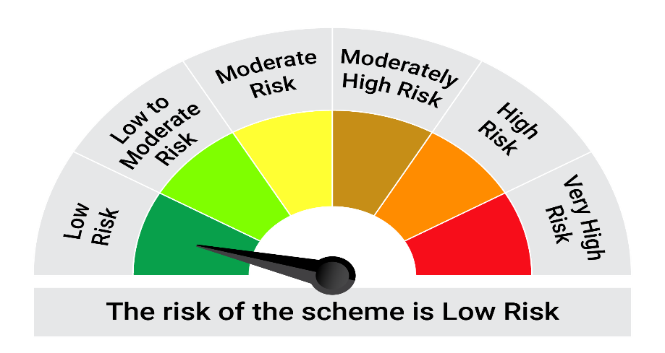
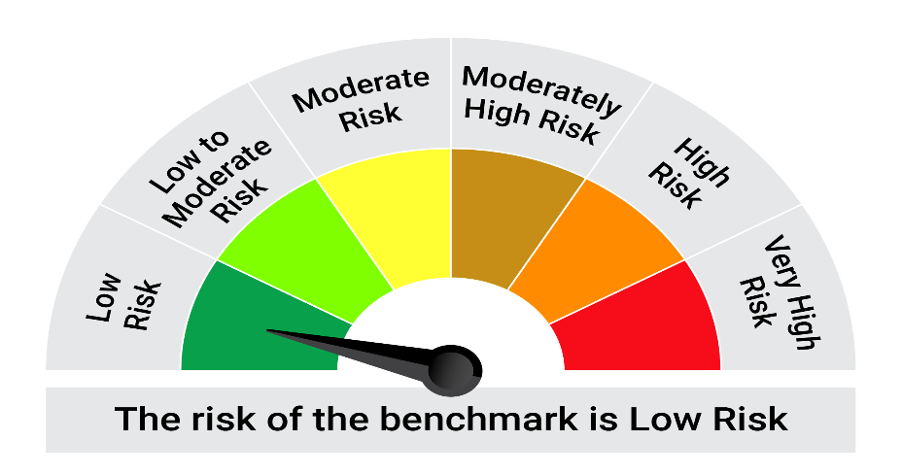
This product is suitable for investors who are seeking*:• Generation of reasonable returns over short to medium term • Investment predominantly in arbitrage opportunities in the cash and derivatives segments of the equity markets; and debt and money market instrument.

*Investors should consult their financial advisers if in doubt about whether the product is suitable for them.

Mutual fund investments are subject to market risks, read all scheme realted documents carefully. |  |  | Scheme Benchmark: Nifty 50 Arbitrage Index

Please note that the above risk-o-meter is as per the product labelling of the scheme available as on the date of this communication/ disclosure. as per SEBI circular dated May 19, 2023 on product labelling (as amended from time to time), risk-o-meters will be calculated on a monthly basis based on the risk values of the respective scheme's portfolio based on the methodology specified by SEBI in the above stated circular. The AMC shall disclose the risk-o-meters along with portfolio disclosure for all their schemes on their respective website and on AMFI website within 10 days from the close of each month. Any change in risk-o-meter shall be communicated by way of Notice cum Addendum and by way of an e-mail or SMS to unitholders of that particular Scheme.

Disclaimer


