HELABF
HSBC Mutual Fund
HSBC Arbitrage Fund
HSBC Arbitrage Fund(An open ended scheme investing in arbitrage opportunities)
Portfolio Statement as of November 30, 2024

Name of the Instrument | ISIN | Rating/Industries | Quantity | Market Value (Rs in Lacs) | Percentage to Net Assets | Yield of the Instrument (%) | YTC @ |  | Maturity Date
 |  |  |  |  |  |  | CRISIL | ICRA
Equity & Equity Related Instruments
Equity Shares
Listed / Awaiting listing on Stock Exchanges
Bank of Baroda | INE028A01039 | Banks | 7,084,350.00 | 17,455.84 | 7.13%
Reliance Industries Limited | INE002A01018 | Petroleum Products | 1,082,000.00 | 13,981.60 | 5.71%
HDFC Bank Limited | INE040A01034 | Banks | 462,000.00 | 8,297.75 | 3.39%
Laurus Labs Limited | INE947Q01028 | Pharmaceuticals & Biotechnology | 1,373,600.00 | 7,790.37 | 3.18%
Vedanta Limited | INE205A01025 | Diversified Metals | 1,450,150.00 | 6,576.43 | 2.69%
Kotak Mahindra Bank Limited | INE237A01028 | Banks | 332,000.00 | 5,860.63 | 2.39%
Bandhan Bank Limited | INE545U01014 | Banks | 3,320,800.00 | 5,614.81 | 2.29%
Tata Power Company Limited | INE245A01021 | Power | 1,250,100.00 | 5,177.29 | 2.12%
IndusInd Bank Limited | INE095A01012 | Banks | 501,500.00 | 4,994.19 | 2.04%
Punjab National Bank Limited | INE160A01022 | Banks | 4,696,000.00 | 4,926.10 | 2.01%
Bharat Heavy Electricals Limited | INE257A01026 | Electrical Equipment | 1,908,375.00 | 4,791.74 | 1.96%
Biocon Limited | INE376G01013 | Pharmaceuticals & Biotechnology | 1,212,500.00 | 4,427.44 | 1.81%
ICICI Bank Limited | INE090A01021 | Banks | 331,800.00 | 4,313.73 | 1.76%
State Bank of India | INE062A01020 | Banks | 502,500.00 | 4,215.72 | 1.72%
Canara Bank | INE476A01022 | Banks | 3,874,500.00 | 3,952.38 | 1.61%
Crompton Greaves Consumer Electricals Limited | INE299U01018 | Consumer Durables | 867,600.00 | 3,554.56 | 1.45%
Tata Motors Limited | INE155A01022 | Automobiles | 441,650.00 | 3,473.36 | 1.42%
Indian Energy Exchange Limited | INE022Q01020 | Capital Markets | 1,912,500.00 | 3,369.63 | 1.38%
Aditya Birla Fashion and Retail Limited | INE647O01011 | Retailing | 1,006,200.00 | 3,156.95 | 1.29%
Tata Communications Limited | INE151A01013 | Telecom - Services | 178,500.00 | 3,132.85 | 1.28%
Steel Authority of India Limited | INE114A01011 | Ferrous Metals | 2,600,000.00 | 3,044.86 | 1.24%
Hindustan Aeronautics Limited | INE066F01020 | Aerospace & Defense | 66,000.00 | 2,954.72 | 1.21%
Havells India Limited | INE176B01034 | Consumer Durables | 161,000.00 | 2,765.98 | 1.13%
Rec Limited | INE020B01018 | Finance | 499,000.00 | 2,657.67 | 1.09%
Axis Bank Limited | INE238A01034 | Banks | 220,625.00 | 2,506.96 | 1.02%
DLF Limited | INE271C01023 | Realty | 292,875.00 | 2,410.21 | 0.98%
City Union Bank Limited | INE491A01021 | Banks | 1,310,000.00 | 2,351.84 | 0.96%
Grasim Industries Limited | INE047A01021 | Cement & Cement Products | 88,500.00 | 2,306.53 | 0.94%
NMDC Limited | INE584A01023 | Minerals & Mining | 918,000.00 | 2,112.04 | 0.86%
Indus Towers Limited | INE121J01017 | Telecom - Services | 569,500.00 | 1,989.55 | 0.81%
Muthoot Finance Limited | INE414G01012 | Finance | 100,650.00 | 1,929.51 | 0.79%
Aditya Birla Capital Limited | INE674K01013 | Finance | 990,900.00 | 1,925.62 | 0.79%
Bajaj Finance Limited | INE296A01024 | Finance | 27,375.00 | 1,800.15 | 0.74%
Wipro Limited | INE075A01022 | IT - Software | 304,500.00 | 1,759.55 | 0.72%
Gujarat Narmada Valley Fertilizers & Chemicals Ltd | INE113A01013 | Chemicals & Petrochemicals | 270,400.00 | 1,727.32 | 0.71%
Cholamandalam Investment & Finance Company Limited | INE121A01024 | Finance | 133,125.00 | 1,642.70 | 0.67%
Atul Limited | INE100A01010 | Chemicals & Petrochemicals | 22,000.00 | 1,605.08 | 0.66%
MRF Limited | INE883A01011 | Auto Components | 1,245.00 | 1,559.38 | 0.64%
Tata Steel Limited | INE081A01020 | Ferrous Metals | 935,000.00 | 1,351.45 | 0.55%
NTPC Limited | INE733E01010 | Power | 370,500.00 | 1,347.32 | 0.55%
Petronet LNG Limited | INE347G01014 | Gas | 399,000.00 | 1,329.07 | 0.54%
Granules India Limited | INE101D01020 | Pharmaceuticals & Biotechnology | 209,000.00 | 1,221.19 | 0.50%
Chambal Fertilizers & Chemicals Limited | INE085A01013 | Fertilizers & Agrochemicals | 231,800.00 | 1,194.47 | 0.49%
Exide Industries Limited | INE302A01020 | Auto Components | 252,000.00 | 1,140.55 | 0.47%
Navin Fluorine International Limited | INE048G01026 | Chemicals & Petrochemicals | 31,150.00 | 1,092.71 | 0.45%
MphasiS Limited | INE356A01018 | IT - Software | 35,200.00 | 1,047.04 | 0.43%
Zydus Lifesciences Limited | INE010B01027 | Pharmaceuticals & Biotechnology | 102,600.00 | 991.06 | 0.40%
LTIMindtree Limited | INE214T01019 | IT - Software | 15,900.00 | 981.41 | 0.40%
HDFC Asset Management Company Limited | INE127D01025 | Capital Markets | 22,500.00 | 945.96 | 0.39%
RBL Bank Limited | INE976G01028 | Banks | 580,000.00 | 898.88 | 0.37%
Container Corporation of India Limited | INE111A01025 | Transport Services | 108,000.00 | 894.62 | 0.37%
Mahindra & Mahindra Limited | INE101A01026 | Automobiles | 27,475.00 | 814.94 | 0.33%
Dixon Technologies (India) Limited | INE935N01020 | Consumer Durables | 5,100.00 | 806.18 | 0.33%
Larsen & Toubro Limited | INE018A01030 | Construction | 21,600.00 | 804.56 | 0.33%
Lupin Limited | INE326A01037 | Pharmaceuticals & Biotechnology | 36,125.00 | 740.83 | 0.30%
Marico Limited | INE196A01026 | Agricultural Food & other Products | 109,200.00 | 704.29 | 0.29%
Indian Oil Corporation Limited | INE242A01010 | Petroleum Products | 487,500.00 | 675.82 | 0.28%
Max Financial Services Limited | INE180A01020 | Insurance | 59,200.00 | 671.30 | 0.27%
The Indian Hotels Company Limited | INE053A01029 | Leisure Services | 82,000.00 | 650.55 | 0.27%
ICICI Prudential Life Insurance Company Limited | INE726G01019 | Insurance | 91,500.00 | 640.18 | 0.26%
Power Grid Corporation of India Limited | INE752E01010 | Power | 165,600.00 | 545.49 | 0.22%
Vodafone Idea Limited | INE669E01016 | Telecom - Services | 6,520,000.00 | 545.07 | 0.22%
Godrej Properties Limited | INE484J01027 | Realty | 18,450.00 | 512.20 | 0.21%
United Spirits Limited | INE854D01024 | Beverages | 30,800.00 | 470.96 | 0.19%
Federal Bank Limited | INE171A01029 | Banks | 220,000.00 | 463.72 | 0.19%
Hindalco Industries Limited | INE038A01020 | Non - Ferrous Metals | 68,600.00 | 450.15 | 0.18%
Oil & Natural Gas Corporation Limited | INE213A01029 | Oil | 175,175.00 | 449.67 | 0.18%
Tata Consultancy Services Limited | INE467B01029 | IT - Software | 10,150.00 | 433.49 | 0.18%
Bharat Electronics Limited | INE263A01024 | Aerospace & Defense | 139,650.00 | 430.12 | 0.18%
SBI Life Insurance Company Limited | INE123W01016 | Insurance | 28,500.00 | 409.76 | 0.17%
JSW Steel Limited | INE019A01038 | Ferrous Metals | 41,175.00 | 397.75 | 0.16%
Manappuram Finance Limited | INE522D01027 | Finance | 240,000.00 | 375.02 | 0.15%
Infosys Limited | INE009A01021 | IT - Software | 19,600.00 | 364.14 | 0.15%
Shriram Finance Limited | INE721A01013 | Finance | 11,550.00 | 348.77 | 0.14%
GAIL India Limited | INE129A01019 | Gas | 173,850.00 | 346.76 | 0.14%
ITC Limited | INE154A01025 | Diversified FMCG | 65,600.00 | 312.75 | 0.13%
SRF Limited | INE647A01010 | Chemicals & Petrochemicals | 12,750.00 | 288.79 | 0.12%
TVS Motor Company Limited | INE494B01023 | Automobiles | 10,850.00 | 264.14 | 0.11%
Dr Lal Path Labs Limited | INE600L01024 | Healthcare Services | 8,400.00 | 252.24 | 0.10%
Pidilite Industries Limited | INE318A01026 | Chemicals & Petrochemicals | 7,750.00 | 237.63 | 0.10%
Hindustan Unilever Limited | INE030A01027 | Diversified FMCG | 9,000.00 | 224.65 | 0.09%
Bharti Airtel Limited | INE397D01024 | Telecom - Services | 13,775.00 | 224.14 | 0.09%
Trent Limited | INE849A01020 | Retailing | 3,000.00 | 203.86 | 0.08%
Tata Consumer Products Limited | INE192A01025 | Agricultural Food & other Products | 20,976.00 | 201.09 | 0.08%
Torrent Pharmaceuticals Limited | INE685A01028 | Pharmaceuticals & Biotechnology | 6,000.00 | 199.45 | 0.08%
Siemens Limited | INE003A01024 | Electrical Equipment | 2,475.00 | 187.13 | 0.08%
LIC Housing Finance Limited | INE115A01026 | Finance | 29,000.00 | 185.25 | 0.08%
Alkem Laboratories Limited | INE540L01014 | Pharmaceuticals & Biotechnology | 3,200.00 | 180.56 | 0.07%
Titan Company Limited | INE280A01028 | Consumer Durables | 5,425.00 | 176.26 | 0.07%
Bharat Forge Limited | INE465A01025 | Auto Components | 10,500.00 | 139.89 | 0.06%
Indraprastha Gas Limited | INE203G01027 | Gas | 42,625.00 | 139.41 | 0.06%
The Ramco Cements Limited | INE331A01037 | Cement & Cement Products | 13,600.00 | 138.01 | 0.06%
Adani Ports and Special Economic Zone Limited | INE742F01042 | Transport Infrastructure | 10,800.00 | 128.53 | 0.05%
Coal India Limited | INE522F01014 | Consumable Fuels | 28,350.00 | 118.05 | 0.05%
Coforge Limited | INE591G01017 | IT - Software | 1,350.00 | 117.26 | 0.05%
Aurobindo Pharma Limited | INE406A01037 | Pharmaceuticals & Biotechnology | 8,800.00 | 111.11 | 0.05%
Jindal Steel & Power Limited | INE749A01030 | Ferrous Metals | 11,250.00 | 101.98 | 0.04%
Eicher Motors Limited | INE066A01021 | Automobiles | 1,750.00 | 84.56 | 0.03%
Dabur India Limited | INE016A01026 | Personal Products | 15,000.00 | 79.07 | 0.03%
Hindustan Petroleum Corporation Limited | INE094A01015 | Petroleum Products | 20,250.00 | 77.58 | 0.03%
Info Edge (India) Limited | INE663F01024 | Retailing | 900.00 | 74.30 | 0.03%
ABB India Limited | INE117A01022 | Electrical Equipment | 875.00 | 64.94 | 0.03%
Abbott India Limited | INE358A01014 | Pharmaceuticals & Biotechnology | 220.00 | 60.99 | 0.02%
Coromandel International Limited | INE169A01031 | Fertilizers & Agrochemicals | 3,150.00 | 56.35 | 0.02%
Dr Reddy''s Laboratories Limited | INE089A01031 | Pharmaceuticals & Biotechnology | 3,750.00 | 45.09 | 0.02%
Mahanagar Gas Limited | INE002S01010 | Gas | 3,200.00 | 38.14 | 0.02%
Sun Pharmaceutical Industries Limited | INE044A01036 | Pharmaceuticals & Biotechnology | 2,100.00 | 37.40 | 0.02%
UPL Limited | INE628A01036 | Fertilizers & Agrochemicals | 6,775.00 | 36.92 | 0.02%
Cipla Limited | INE059A01026 | Pharmaceuticals & Biotechnology | 2,275.00 | 34.90 | 0.01%
AU Small Finance Bank Limited | INE949L01017 | Banks | 5,000.00 | 29.17 | 0.01%
HCL Technologies Limited | INE860A01027 | IT - Software | 1,400.00 | 25.87 | 0.01%
Dalmia Bharat Limited | INE00R701025 | Cement & Cement Products | 1,375.00 | 25.03 | 0.01%
Balkrishna Industries Limited | INE787D01026 | Auto Components | 900.00 | 25.02 | 0.01%
Astral Limited | INE006I01046 | Industrial Products | 1,101.00 | 19.71 | 0.01%
Divi''s Laboratories Limited | INE361B01024 | Pharmaceuticals & Biotechnology | 300.00 | 18.52 | 0.01%
ACC Limited | INE012A01025 | Cement & Cement Products | 600.00 | 13.34 | 0.01%
UltraTech Cement Limited | INE481G01011 | Cement & Cement Products | 100.00 | 11.20 | 0.00%
Bharat Petroleum Corporation Limited | INE029A01011 | Petroleum Products | 3,600.00 | 10.52 | 0.00%
Cummins India Limited | INE298A01020 | Industrial Products | 300.00 | 10.45 | 0.00%
HDFC Life Insurance Company Limited | INE795G01014 | Insurance | 1,100.00 | 7.24 | 0.00%
Indiamart Intermesh Limited | INE933S01016 | Retailing | 300.00 | 7.03 | 0.00%
Bajaj Auto Limited | INE917I01010 | Automobiles | 75.00 | 6.78 | 0.00%
PVR INOX Limited | INE191H01014 | Entertainment | 407.00 | 6.27 | 0.00%
Godrej Consumer Products Limited | INE102D01028 | Personal Products | 500.00 | 6.22 | 0.00%
LandT Technology Services Limited | INE010V01017 | IT - Services | 100.00 | 5.29 | 0.00%
Voltas Limited | INE226A01021 | Consumer Durables | 300.00 | 4.97 | 0.00%
Nestle India Limited | INE239A01024 | Food Products | 200.00 | 4.47 | 0.00%
Total |  |  |  | 190,660.01 | 77.87%
Money Market Instruments
Certificate of Deposit
Privately Placed/Unlisted
HDFC Bank Limited** | INE040A16EM3 | CRISIL A1+ | 500.00 | 2,468.93 | 1.01% | 7.18 |  |  | 3-Feb-25
Punjab National Bank Limited** | INE160A16OI6 | ICRA A1+ | 500.00 | 2,467.38 | 1.01% | 7.2 |  |  | 6-Feb-25
Total |  |  |  | 4,936.31 | 2.02%
Treasury Bills
364 DAYS T-BILL - 13FEB2025 | IN002023Z489 | SOVEREIGN | 10,000,000.00 | 9,870.92 | 4.03% | 6.45 |  |  | 13-Feb-25
364 DAYS T-BILL 05DEC24 | IN002023Z380 | SOVEREIGN | 3,500,000.00 | 3,497.48 | 1.43% | 6.57 |  |  | 5-Dec-24
364 DAYS T-BILL 02JAN25 | IN002023Z422 | SOVEREIGN | 2,500,000.00 | 2,485.99 | 1.02% | 6.43 |  |  | 2-Jan-25
364 DAYS T-BILL 06FEB25 | IN002023Z471 | SOVEREIGN | 2,500,000.00 | 2,470.75 | 1.01% | 6.45 |  |  | 6-Feb-25
Total |  |  |  | 18,325.14 | 7.49%
Mutual Fund Units
Domestic Mutual Fund Units
HSBC Liquid Fund - Direct Growth | INF336L01CC8 | Internal - Mutual Fund Units | 500,646.20 | 12,630.32 | 5.16%
HSBC Ultra Short Duration Fund - Direct Growth | INF336L01OR1 | Internal - Mutual Fund Units | 668,356.68 | 8,776.81 | 3.59%
HSBC Banking & PSU Debt Fund - Direct Growth | INF917K01HH5 | Internal - Mutual Fund Units | 31,201,764.94 | 7,567.36 | 3.09%
Total |  |  |  | 28,974.49 | 11.84%
Treps |  |  |  | 3,625.14 | 1.48% | 6.65 |  |  | 2-Dec-24
Net Current Assets (including cash & bank balances) |  |  |  | -1,764.17 | -0.70% | 6.65
Total Net Assets as on 30-November-2024 |  |  |  | 244,756.92 | 100.00%
Market Value includes accrued interest
** Securities are classified as non-traded on the basis of Traded data as on NOV 29, 2024 provided by CRISIL and ICRA.
^ Securities are classified as traded on the basis of Traded data as on NOV 29, 2024 provided by CRISIL and ICRA.

HSBC Arbitrage Fund |  | Scheme Riskometer |  | Scheme Benchmark Riskometer

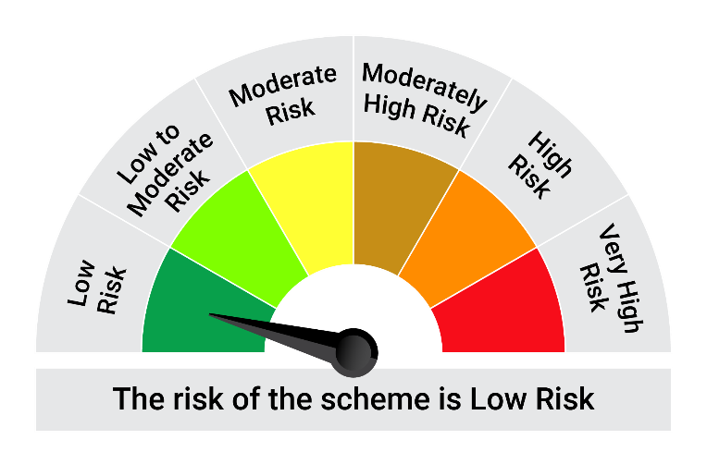
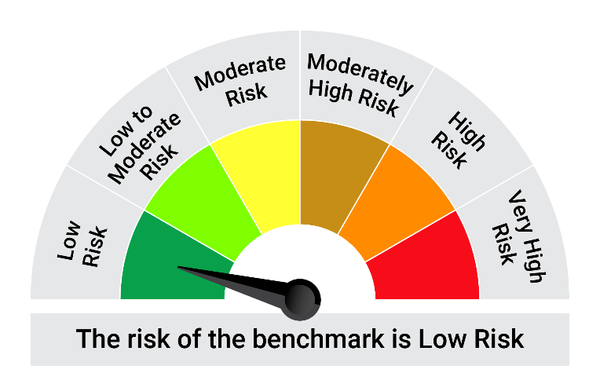
This product is suitable for investors who are seeking*:• Generation of reasonable returns over short to medium term • Investment predominantly in arbitrage opportunities in the cash and derivatives segments of the equity markets; and debt and money market instrument.

*Investors should consult their financial advisers if in doubt about whether the product is suitable for them.

Mutual fund investments are subject to market risks, read all scheme realted documents carefully. |  |  | Scheme Benchmark: Nifty 50 Arbitrage Index

Please note that the above risk-o-meter is as per the product labelling of the scheme available as on the date of this communication/ disclosure. as per SEBI circular dated May 19, 2023 on product labelling (as amended from time to time), risk-o-meters will be calculated on a monthly basis based on the risk values of the respective scheme's portfolio based on the methodology specified by SEBI in the above stated circular. The AMC shall disclose the risk-o-meters along with portfolio disclosure for all their schemes on their respective website and on AMFI website within 10 days from the close of each month. Any change in risk-o-meter shall be communicated by way of Notice cum Addendum and by way of an e-mail or SMS to unitholders of that particular Scheme.

Disclaimer


