HELABF
HSBC Mutual Fund
HSBC Arbitrage Fund
HSBC Arbitrage Fund(An open ended scheme investing in arbitrage opportunities.)
Portfolio Statement as of November 30, 2025

Name of the Instrument | ISIN | Rating/Industries | Quantity | Market Value (Rs in Lacs) | Percentage to Net Assets | Yield of the Instrument (%) | YTC @ |  | Maturity Date
 |  |  |  |  |  |  | CRISIL | ICRA
Equity & Equity Related Instruments
Equity Shares
Listed / Awaiting listing on Stock Exchanges
HDFC Bank Limited | INE040A01034 | Banks | 1,694,000.00 | 17,068.74 | 7.34%
ICICI Bank Limited | INE090A01021 | Banks | 1,017,800.00 | 14,135.21 | 6.07%
ETERNAL Limited | INE758T01015 | Retailing | 4,636,600.00 | 13,914.44 | 5.98%
Reliance Industries Limited | INE002A01018 | Petroleum Products | 642,500.00 | 10,071.19 | 4.33%
RBL Bank Limited | INE976G01028 | Banks | 3,203,575.00 | 10,007.97 | 4.30%
Axis Bank Limited | INE238A01034 | Banks | 653,125.00 | 8,358.04 | 3.59%
Sammaan Capital Limited | INE148I01020 | Finance | 5,203,000.00 | 8,000.13 | 3.44%
PNB Housing Finance Limited | INE572E01012 | Finance | 809,250.00 | 7,326.14 | 3.15%
Jio Financial Services Limited | INE758E01017 | Finance | 1,783,650.00 | 5,461.54 | 2.35%
Marico Limited | INE196A01026 | Agricultural Food & other Products | 589,200.00 | 4,226.92 | 1.82%
JSW Steel Limited | INE019A01038 | Ferrous Metals | 357,075.00 | 4,143.14 | 1.78%
Punjab National Bank Limited | INE160A01022 | Banks | 3,080,000.00 | 3,834.60 | 1.65%
ITC Limited | INE154A01025 | Diversified FMCG | 923,200.00 | 3,732.04 | 1.60%
Bank of Baroda | INE028A01039 | Banks | 1,082,250.00 | 3,136.36 | 1.35%
State Bank of India | INE062A01020 | Banks | 312,000.00 | 3,054.48 | 1.31%
Container Corporation of India Limited | INE111A01025 | Transport Services | 588,750.00 | 3,009.98 | 1.29%
Torrent Pharmaceuticals Limited | INE685A01028 | Pharmaceuticals & Biotechnology | 75,500.00 | 2,809.05 | 1.21%
NMDC Limited | INE584A01023 | Minerals & Mining | 3,219,750.00 | 2,380.04 | 1.02%
Bandhan Bank Limited | INE545U01014 | Banks | 1,522,800.00 | 2,289.68 | 0.98%
Crompton Greaves Consumer Electricals Limited | INE299U01018 | Consumer Durables | 862,200.00 | 2,287.85 | 0.98%
Central Depository Services (India) Limited | INE736A01011 | Capital Markets | 123,975.00 | 2,004.92 | 0.86%
Persistent Systems Limited | INE262H01021 | IT - Software | 28,400.00 | 1,804.25 | 0.78%
Indus Towers Limited | INE121J01017 | Telecom - Services | 443,700.00 | 1,779.46 | 0.76%
HFCL Limited | INE548A01028 | Telecom - Services | 2,438,100.00 | 1,710.81 | 0.74%
JSW Energy Limited | INE121E01018 | Power | 310,000.00 | 1,514.82 | 0.65%
Tata Power Company Limited | INE245A01021 | Power | 387,150.00 | 1,510.27 | 0.65%
Glenmark Pharmaceuticals Limited | INE935A01035 | Pharmaceuticals & Biotechnology | 76,875.00 | 1,496.14 | 0.64%
Aditya Birla Capital Limited | INE674K01013 | Finance | 415,400.00 | 1,487.34 | 0.64%
Rec Limited | INE020B01018 | Finance | 396,525.00 | 1,431.06 | 0.62%
Samvardhana Motherson International Limited | INE775A01035 | Auto Components | 1,217,700.00 | 1,416.31 | 0.61%
Exide Industries Limited | INE302A01020 | Auto Components | 347,400.00 | 1,302.06 | 0.56%
Manappuram Finance Limited | INE522D01027 | Finance | 402,000.00 | 1,145.50 | 0.49%
Laurus Labs Limited | INE947Q01028 | Pharmaceuticals & Biotechnology | 105,400.00 | 1,087.04 | 0.47%
Hindustan Zinc Limited | INE267A01025 | Non - Ferrous Metals | 220,500.00 | 1,069.87 | 0.46%
Power Finance Corporation Limited | INE134E01011 | Finance | 274,300.00 | 994.89 | 0.43%
NBCC (India) Limited | INE095N01031 | Construction | 845,000.00 | 986.03 | 0.42%
NTPC Limited | INE733E01010 | Power | 295,500.00 | 964.66 | 0.41%
Shriram Finance Limited | INE721A01047 | Finance | 96,525.00 | 822.06 | 0.35%
Yes Bank Limited | INE528G01035 | Banks | 3,514,300.00 | 805.83 | 0.35%
Indian Energy Exchange Limited | INE022Q01020 | Capital Markets | 573,750.00 | 799.18 | 0.34%
IndusInd Bank Limited | INE095A01012 | Banks | 92,400.00 | 793.30 | 0.34%
Life Insurance Corporation of India Limited | INE0J1Y01017 | Insurance | 86,800.00 | 776.38 | 0.33%
Kalyan Jewellers India Limited | INE303R01014 | Consumer Durables | 149,225.00 | 754.11 | 0.32%
IIFL Finance Limited | INE530B01024 | Finance | 118,800.00 | 687.50 | 0.30%
Hindustan Aeronautics Limited | INE066F01020 | Aerospace & Defense | 14,700.00 | 667.73 | 0.29%
Inox Wind Limited | INE066P01011 | Electrical Equipment | 494,072.00 | 664.53 | 0.29%
Trent Limited | INE849A01020 | Retailing | 15,000.00 | 637.56 | 0.27%
Info Edge (India) Limited | INE663F01032 | Retailing | 47,250.00 | 628.52 | 0.27%
Adani Ports and Special Economic Zone Limited | INE742F01042 | Transport Infrastructure | 39,900.00 | 605.24 | 0.26%
Indian Oil Corporation Limited | INE242A01010 | Petroleum Products | 355,875.00 | 575.63 | 0.25%
Kotak Mahindra Bank Limited | INE237A01028 | Banks | 26,800.00 | 569.34 | 0.24%
Tata Consumer Products Limited | INE192A01025 | Agricultural Food & other Products | 48,400.00 | 567.44 | 0.24%
HDFC Asset Management Company Limited | INE127D01025 | Capital Markets | 20,100.00 | 537.27 | 0.23%
Mankind Pharma Limited | INE634S01028 | Pharmaceuticals & Biotechnology | 23,850.00 | 536.86 | 0.23%
Tata Steel Limited | INE081A01020 | Ferrous Metals | 313,500.00 | 526.55 | 0.23%
Biocon Limited | INE376G01013 | Pharmaceuticals & Biotechnology | 127,500.00 | 507.90 | 0.22%
Hindalco Industries Limited | INE038A01020 | Non - Ferrous Metals | 58,100.00 | 469.68 | 0.20%
Petronet LNG Limited | INE347G01014 | Gas | 169,200.00 | 459.97 | 0.20%
Dixon Technologies (India) Limited | INE935N01020 | Consumer Durables | 3,050.00 | 445.33 | 0.19%
LIC Housing Finance Limited | INE115A01026 | Finance | 81,000.00 | 444.77 | 0.19%
Vedanta Limited | INE205A01025 | Diversified Metals | 75,900.00 | 399.23 | 0.17%
APL Apollo Tubes Limited | INE702C01027 | Industrial Products | 23,100.00 | 397.07 | 0.17%
Varun Beverages Limited | INE200M01039 | Beverages | 80,975.00 | 389.94 | 0.17%
ICICI Prudential Life Insurance Company Limited | INE726G01019 | Insurance | 58,275.00 | 361.16 | 0.16%
Bank of India | INE084A01016 | Banks | 244,400.00 | 359.61 | 0.15%
Bharat Electronics Limited | INE263A01024 | Aerospace & Defense | 86,925.00 | 357.91 | 0.15%
Max Financial Services Limited | INE180A01020 | Insurance | 20,800.00 | 354.04 | 0.15%
DLF Limited | INE271C01023 | Realty | 44,550.00 | 322.36 | 0.14%
Aurobindo Pharma Limited | INE406A01037 | Pharmaceuticals & Biotechnology | 23,100.00 | 283.37 | 0.12%
NCC Limited | INE868B01028 | Construction | 164,700.00 | 282.31 | 0.12%
United Spirits Limited | INE854D01024 | Beverages | 19,200.00 | 278.71 | 0.12%
Canara Bank | INE476A01022 | Banks | 182,250.00 | 276.25 | 0.12%
The Indian Hotels Company Limited | INE053A01029 | Leisure Services | 26,000.00 | 193.52 | 0.08%
Hindustan Petroleum Corporation Limited | INE094A01015 | Petroleum Products | 38,475.00 | 176.02 | 0.08%
Adani Green Energy Limited | INE364U01010 | Power | 16,200.00 | 169.81 | 0.07%
UPL Limited | INE628A01036 | Fertilizers & Agrochemicals | 20,325.00 | 154.20 | 0.07%
Coforge Limited | INE591G01025 | IT - Software | 7,875.00 | 150.31 | 0.06%
Grasim Industries Limited | INE047A01021 | Cement & Cement Products | 4,500.00 | 123.27 | 0.05%
Ambuja Cements Limited | INE079A01024 | Cement & Cement Products | 22,050.00 | 121.32 | 0.05%
Supreme Industries Limited | INE195A01028 | Industrial Products | 3,500.00 | 118.71 | 0.05%
Steel Authority of India Limited | INE114A01011 | Ferrous Metals | 84,600.00 | 114.13 | 0.05%
Cyient Limited | INE136B01020 | IT - Services | 9,775.00 | 109.83 | 0.05%
Lodha Developers Limited | INE670K01029 | Realty | 9,450.00 | 108.50 | 0.05%
Torrent Power Limited | INE813H01021 | Power | 8,250.00 | 108.45 | 0.05%
Housing & Urban Development Corporation Limited | INE031A01017 | Finance | 38,850.00 | 92.96 | 0.04%
UltraTech Cement Limited | INE481G01011 | Cement & Cement Products | 800.00 | 92.80 | 0.04%
Apollo Hospitals Enterprise Limited | INE437A01024 | Healthcare Services | 1,250.00 | 91.69 | 0.04%
Syngene International Limited | INE398R01022 | Healthcare Services | 14,000.00 | 90.76 | 0.04%
Cipla Limited | INE059A01026 | Pharmaceuticals & Biotechnology | 5,250.00 | 80.39 | 0.03%
SRF Limited | INE647A01010 | Chemicals & Petrochemicals | 2,600.00 | 76.11 | 0.03%
Jindal Steel Limited | INE749A01030 | Ferrous Metals | 6,875.00 | 71.80 | 0.03%
MphasiS Limited | INE356A01018 | IT - Software | 2,475.00 | 69.58 | 0.03%
Power Grid Corporation of India Limited | INE752E01010 | Power | 24,700.00 | 66.68 | 0.03%
Federal Bank Limited | INE171A01029 | Banks | 25,000.00 | 64.48 | 0.03%
Suzlon Energy Limited | INE040H01021 | Electrical Equipment | 112,000.00 | 60.49 | 0.03%
Godrej Properties Limited | INE484J01027 | Realty | 2,750.00 | 58.15 | 0.02%
Pidilite Industries Limited | INE318A01026 | Chemicals & Petrochemicals | 3,500.00 | 51.44 | 0.02%
Tata Motors Passenger Vehicle Limited | INE155A01022 | Automobiles | 12,800.00 | 45.67 | 0.02%
AU Small Finance Bank Limited | INE949L01017 | Banks | 4,000.00 | 38.21 | 0.02%
PG Electroplast Limited | INE457L01029 | Consumer Durables | 6,300.00 | 37.23 | 0.02%
Bajaj Finserv Limited | INE918I01026 | Finance | 1,750.00 | 36.65 | 0.02%
Zydus Lifesciences Limited | INE010B01027 | Pharmaceuticals & Biotechnology | 3,600.00 | 33.93 | 0.01%
Indian Railway Finance Corporation Limited | INE053F01010 | Finance | 21,250.00 | 24.98 | 0.01%
Coal India Limited | INE522F01014 | Consumable Fuels | 5,400.00 | 20.31 | 0.01%
Dabur India Limited | INE016A01026 | Personal Products | 3,750.00 | 19.40 | 0.01%
ICICI Lombard General Insurance Company Limited | INE765G01017 | Insurance | 975.00 | 19.21 | 0.01%
Tech Mahindra Limited | INE669C01036 | IT - Software | 1,200.00 | 18.21 | 0.01%
Larsen & Toubro Limited | INE018A01030 | Construction | 350.00 | 14.24 | 0.01%
Adani Energy Solutions Limited | INE931S01010 | Power | 1,350.00 | 13.43 | 0.01%
TVS Motor Company Limited | INE494B01023 | Automobiles | 350.00 | 12.36 | 0.01%
Tube Investments of India Limited | INE974X01010 | Auto Components | 400.00 | 11.14 | 0.00%
NHPC Limited | INE848E01016 | Power | 12,800.00 | 9.82 | 0.00%
Hero MotoCorp Limited | INE158A01026 | Automobiles | 150.00 | 9.26 | 0.00%
Prestige Estates Projects Limited | INE811K01011 | Realty | 450.00 | 7.55 | 0.00%
Britannia Industries Limited | INE216A01030 | Food Products | 125.00 | 7.31 | 0.00%
UNO Minda Limited | INE405E01023 | Auto Components | 550.00 | 7.19 | 0.00%
Nestle India Limited | INE239A01024 | Food Products | 500.00 | 6.31 | 0.00%
Phoenix Mills Limited | INE211B01039 | Realty | 350.00 | 6.08 | 0.00%
Oracle Financial Services Software Limited | INE881D01027 | IT - Software | 75.00 | 6.08 | 0.00%
HCL Technologies Limited | INE860A01027 | IT - Software | 350.00 | 5.68 | 0.00%
Patanjali Foods Limited | INE619A01035 | Agricultural Food & other Products | 900.00 | 5.11 | 0.00%
Total |  |  |  | 174,328.37 | 74.89%
Debt Instruments
Fixed rates bonds - Corporate
Listed / Awaiting listing on Stock Exchanges
LIC Housing Finance Limited** | INE115A07PN6 | CRISIL AAA | 500.00 | 4,987.50 | 2.14% | 6.68 |  |  | 30-Nov-26
Sundaram Finance Limited** | INE660A07RQ0 | CRISIL AAA | 2,500.00 | 2,545.12 | 1.09% | 6.8 |  |  | 26-Oct-26
Kotak Mahindra Prime Limited** | INE916DA7SL3 | CRISIL AAA | 2,500.00 | 2,538.88 | 1.09% | 6.85 |  |  | 9-Nov-26
Total |  |  |  | 10,071.50 | 4.32%
Money Market Instruments
Certificate of Deposit
Privately Placed/Unlisted
Indian Bank** | INE562A16OS2 | CRISIL A1+ | 500.00 | 2,435.36 | 1.05% | 6.21 |  |  | 6-May-26
Union Bank of India^ | INE692A16JQ1 | ICRA A1+ | 500.00 | 2,415.22 | 1.04% | 6.22 |  |  | 25-Jun-26
Canara Bank** | INE476A16F03 | CRISIL A1+ | 300.00 | 1,455.60 | 0.63% | 6.22 |  |  | 29-May-26
Total |  |  |  | 6,306.18 | 2.72%
Mutual Fund Units
Domestic Mutual Fund Units
HSBC Money Market Fund - Direct Growth | INF917K01FE6 | Internal - Mutual Fund Units | 96,154,365.24 | 27,370.24 | 11.76%
HSBC Ultra Short Duration Fund - Direct Growth | INF336L01OR1 | Internal - Mutual Fund Units | 609,421.88 | 8,591.42 | 3.69%
HSBC Liquid Fund - Direct Growth | INF336L01CC8 | Internal - Mutual Fund Units | 110,107.00 | 2,963.97 | 1.27%
Total |  |  |  | 38,925.63 | 16.72%
Treps |  |  |  | 3,087.70 | 1.33% | 5.39 |  |  | 1-Dec-25
Net Current Assets (including cash & bank balances) |  |  |  | -29.10 | 0.02% | 5.39
Total Net Assets as on 30-November-2025 |  |  |  | 232,690.28 | 100.00%
Market Value includes accrued interest
** Securities are classified as non-traded on the basis of Traded data as on NOV 28, 2025 provided by CRISIL and ICRA.
^ Securities are classified as traded on the basis of Traded data as on NOV 28, 2025 provided by CRISIL and ICRA.
Aggregate value of investments made by other schemes of HSBC Mutual Fund are amounting to Rs. 25500.48 Lakhs.

HSBC Arbitrage Fund |  | Scheme Riskometer |  | Scheme Benchmark Riskometer

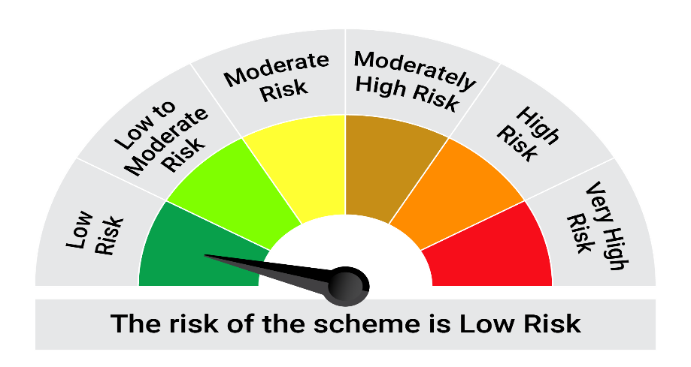
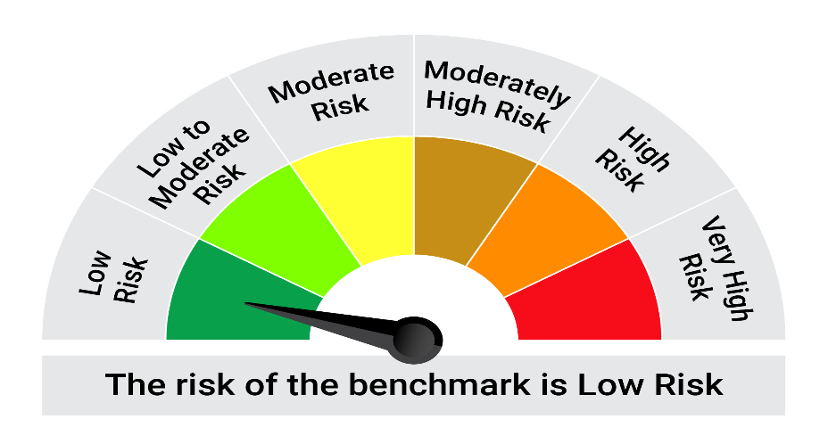
This product is suitable for investors who are seeking*:• Generation of reasonable returns over short to medium term • Investment predominantly in arbitrage opportunities in the cash and derivatives segments of the equity markets; and debt and money market instrument.

*Investors should consult their financial advisers if in doubt about whether the product is suitable for them.

Mutual fund investments are subject to market risks, read all scheme realted documents carefully. |  |  | Scheme Benchmark: Nifty 50 Arbitrage Index

Please note that the above risk-o-meter is as per the product labelling of the scheme available as on the date of this communication/ disclosure. as per SEBI circular dated May 19, 2023 on product labelling (as amended from time to time), risk-o-meters will be calculated on a monthly basis based on the risk values of the respective scheme's portfolio based on the methodology specified by SEBI in the above stated circular. The AMC shall disclose the risk-o-meters along with portfolio disclosure for all their schemes on their respective website and on AMFI website within 10 days from the close of each month. Any change in risk-o-meter shall be communicated by way of Notice cum Addendum and by way of an e-mail or SMS to unitholders of that particular Scheme.

Disclaimer


