HDCGIF
HSBC Mutual Fund
HSBC CRL IBX 50 50 Gl SDL Ap28 Indx Fund
(An open ended Target Maturity Index Fund tracking CRISIL IBX 50:50 Gilt Plus SDL Index – April 2028. A Relatively high interest rate risk and relatively low credit risk.)
Portfolio Statement as of November 30, 2025

Name of the Instrument | ISIN | Rating/Industries | Quantity | Market Value (Rs in Lacs) | Percentage to Net Assets | Yield of the Instrument (%) | YTC @ |  | Maturity Date
 |  |  |  |  |  |  | CRISIL | ICRA
Debt Instruments
Government Securities
7.06% GOI 10APR2028 | IN0020230010 | SOVEREIGN | 56,800,000.00 | 58,943.61 | 31.69% | 5.78 |  |  | 10-Apr-28
7.36% MAHARASHTRA 12APR28 SDL | IN2220230014 | SOVEREIGN | 13,140,800.00 | 13,578.98 | 7.30% | 6.28 |  |  | 12-Apr-28
8.05% GUJARAT SDL 31JAN2028 | IN1520170185 | SOVEREIGN | 11,500,000.00 | 12,213.15 | 6.57% | 6.29 |  |  | 31-Jan-28
8.05% TAMILNADU SDL 18APR2028 | IN3120180010 | SOVEREIGN | 10,800,000.00 | 11,316.24 | 6.08% | 6.29 |  |  | 18-Apr-28
7.17% GOI 08JAN2028 | IN0020170174 | SOVEREIGN | 10,000,000.00 | 10,554.81 | 5.68% | 5.78 |  |  | 8-Jan-28
7.38% GOI 20JUN2027 | IN0020220037 | SOVEREIGN | 8,900,000.00 | 9,427.81 | 5.07% | 5.58 |  |  | 20-Jun-27
6.97% KARNATAKA 26FEB2028 SDL | IN1920190189 | SOVEREIGN | 8,500,000.00 | 8,777.57 | 4.72% | 6.27 |  |  | 26-Feb-28
6.97% MAHARASHTRA 18FEB2028 SDL | IN2220190127 | SOVEREIGN | 5,500,000.00 | 5,687.40 | 3.06% | 6.27 |  |  | 18-Feb-28
8.28% GOI 21SEP2027 | IN0020070069 | SOVEREIGN | 5,000,800.00 | 5,296.35 | 2.85% | 5.73 |  |  | 21-Sep-27
7.88% MADHYA PRADESH 24JAN28 SDL | IN2120170070 | SOVEREIGN | 5,000,000.00 | 5,293.16 | 2.85% | 6.32 |  |  | 24-Jan-28
6.98% MAHARASHTRA 26FEB2028 SDL | IN2220190135 | SOVEREIGN | 5,000,000.00 | 5,164.44 | 2.78% | 6.27 |  |  | 26-Feb-28
8.26% GOI 02AUG2027 | IN0020070036 | SOVEREIGN | 3,500,000.00 | 3,736.09 | 2.01% | 5.7 |  |  | 2-Aug-27
8.20% HARYANA 31JAN28 SDL | IN1620170119 | SOVEREIGN | 2,500,000.00 | 2,661.72 | 1.43% | 6.33 |  |  | 31-Jan-28
08.23 GUJARAT SDL 21FEB2028 | IN1520170219 | SOVEREIGN | 2,500,000.00 | 2,655.38 | 1.43% | 6.3 |  |  | 21-Feb-28
7.92% UTTAR PRADESH 24JAN2028 SDL | IN3320170175 | SOVEREIGN | 2,500,000.00 | 2,648.82 | 1.42% | 6.32 |  |  | 24-Jan-28
8.28% TAMILNADU SDL 14MAR2028 | IN3120170151 | SOVEREIGN | 2,500,000.00 | 2,647.76 | 1.42% | 6.3 |  |  | 14-Mar-28
7.77% ANDHRA PRADESH SDL RED 10-JAN-2028 | IN1020170131 | SOVEREIGN | 2,500,000.00 | 2,645.96 | 1.42% | 6.33 |  |  | 10-Jan-28
8.27% UTTARPRADESH SDL14MAR2028 | IN3320170217 | SOVEREIGN | 2,500,000.00 | 2,645.71 | 1.42% | 6.33 |  |  | 14-Mar-28
8.00% SDL-KERALA M- 11-APR-2028 | IN2020180013 | SOVEREIGN | 2,500,000.00 | 2,616.61 | 1.41% | 6.35 |  |  | 11-Apr-28
8.14% HARYANA 27MAR28 SDL | IN1620170168 | SOVEREIGN | 2,145,000.00 | 2,258.37 | 1.21% | 6.33 |  |  | 27-Mar-28
8.00% KARNATAKA SDL RED 17-JAN-2028 | IN1920170157 | SOVEREIGN | 2,000,000.00 | 2,126.45 | 1.14% | 6.29 |  |  | 17-Jan-28
7.79% KARNATAKA 03Jan2028 SDL | IN1920170140 | SOVEREIGN | 2,000,000.00 | 2,121.75 | 1.14% | 6.29 |  |  | 3-Jan-28
7.75% GUJARAT 10JAN28 SDL | IN1520170169 | SOVEREIGN | 2,000,000.00 | 2,117.33 | 1.14% | 6.29 |  |  | 10-Jan-28
8.03% KARNATAKA SDL 31JAN2028 | IN1920170165 | SOVEREIGN | 1,500,000.00 | 1,592.32 | 0.86% | 6.29 |  |  | 31-Jan-28
8.14% SDL Uttarakhand 27Mar2028 | IN3620170180 | SOVEREIGN | 1,500,000.00 | 1,578.25 | 0.85% | 6.36 |  |  | 27-Mar-28
8.15% CHHATTISGARH 27MAR28 SDL | IN3520170090 | SOVEREIGN | 1,000,000.00 | 1,052.79 | 0.57% | 6.34 |  |  | 27-Mar-28
7.50% TELANGANA SDL RED 15-APR-2028 | IN4520200010 | SOVEREIGN | 1,000,000.00 | 1,034.94 | 0.56% | 6.33 |  |  | 15-Apr-28
7.59% Uttarakhand 25 Oct 2027 SDL | IN3620170081 | SOVEREIGN | 1,000,000.00 | 1,033.51 | 0.56% | 6.12 |  |  | 25-Oct-27
6.79% GOI 15MAY2027 | IN0020170026 | SOVEREIGN | 1,000,000.00 | 1,018.77 | 0.55% | 5.64 |  |  | 15-May-27
7.64% KARNATAKA SDL RED 08-NOV-2027 | IN1920170066 | SOVEREIGN | 70,000.00 | 72.33 | 0.04% | 6.06 |  |  | 8-Nov-27
Total |  |  |  | 184,518.38 | 99.23%
Treps |  |  |  | 1,588.37 | 0.85% | 5.39 |  |  | 1-Dec-25
Net Current Assets (including cash & bank balances) |  |  |  | -134.94 | -0.08% | 5.39
Total Net Assets as on 30-November-2025 |  |  |  | 185,971.81 | 100.00%
Market Value includes accrued interest
** Securities are classified as non-traded on the basis of Traded data as on NOV 28, 2025 provided by CRISIL and ICRA.
^ Securities are classified as traded on the basis of Traded data as on NOV 28, 2025 provided by CRISIL and ICRA.

Annualised Portfolio YTM ! | 6.12%
Macaulay Duration | 24.41
! in case of semi annual YTM, it will be annualised

Debt Index Replication Factor(DIRF) As on 30.11.2025 are as follows

Date | Issuer | HSBC CRL IBX 50 50 Gl SDL Ap28 Indx Fund (Portfolio weight) | CRISIL IBX 50:50 Gilt Plus SDL Index - April 2028 (Index weight) | Replication Factor
30-Nov-25 | G-Sec/T-Bills | 47.84% | 50.27% | 47.84%
30-Nov-25 | SDLs | 51.37% | 49.73% | 49.73%
30-Nov-25 | Cash and Cash Equivalents | 0.78% | 0.00% | 0.00%
Debt Index Replication Factor |  |  |  | 97.57%

HSBC CRL IBX 50 50 Gl SDL Ap28 Indx Fund |  | Scheme Riskometer |  | Scheme Benchmark Riskometer

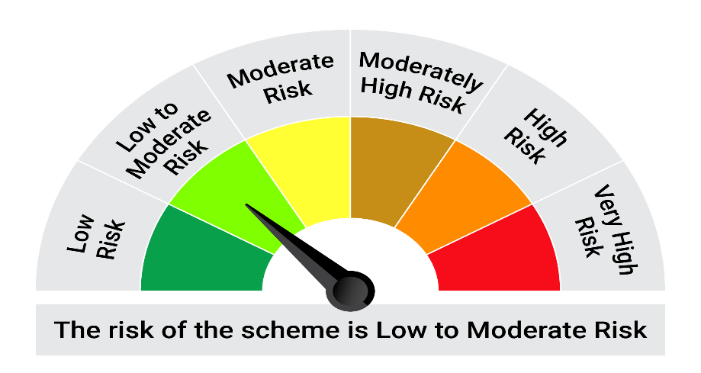

This product is suitable for investors who are seeking*:• Income over target maturity period • Investment in constituents similar to the composition of CRISIL IBX 50:50 Gilt Plus SDL Index – April 2028.

*Investors should consult their financial advisers if in doubt about whether the product is suitable for them.

Mutual fund investments are subject to market risks, read all scheme realted documents carefully. |  |  | Scheme Benchmark: CRISIL IBX 50:50 Gilt Plus SDL Index - April 2028

Please note that the above risk-o-meter is as per the product labelling of the scheme available as on the date of this communication/ disclosure. as per SEBI circular dated May 19, 2023 on product labelling (as amended from time to time), risk-o-meters will be calculated on a monthly basis based on the risk values of the respective scheme's portfolio based on the methodology specified by SEBI in the above stated circular. The AMC shall disclose the risk-o-meters along with portfolio disclosure for all their schemes on their respective website and on AMFI website within 10 days from the close of each month. Any change in risk-o-meter shall be communicated by way of Notice cum Addendum and by way of an e-mail or SMS to unitholders of that particular Scheme.

Disclaimer


