HELABF
HSBC Mutual Fund
HSBC Arbitrage Fund
HSBC Arbitrage Fund(An open ended scheme investing in arbitrage opportunities)
Portfolio Statement as of January 31, 2025

Name of the Instrument | ISIN | Rating/Industries | Quantity | Market Value (Rs in Lacs) | Percentage to Net Assets | Yield of the Instrument (%) | YTC @ |  | Maturity Date
 |  |  |  |  |  |  | CRISIL | ICRA
Equity & Equity Related Instruments
Equity Shares
Listed / Awaiting listing on Stock Exchanges
Bank of Baroda | INE028A01039 | Banks | 6,259,500.00 | 13,357.15 | 6.00%
Reliance Industries Limited | INE002A01018 | Petroleum Products | 886,500.00 | 11,215.11 | 5.04%
IndusInd Bank Limited | INE095A01012 | Banks | 1,044,000.00 | 10,348.13 | 4.65%
ICICI Bank Limited | INE090A01021 | Banks | 603,400.00 | 7,559.40 | 3.40%
State Bank of India | INE062A01020 | Banks | 931,500.00 | 7,199.56 | 3.24%
Punjab National Bank Limited | INE160A01022 | Banks | 6,792,000.00 | 6,873.50 | 3.09%
Kotak Mahindra Bank Limited | INE237A01028 | Banks | 354,800.00 | 6,745.81 | 3.03%
Axis Bank Limited | INE238A01034 | Banks | 613,125.00 | 6,046.03 | 2.72%
Tata Power Company Limited | INE245A01021 | Power | 1,526,850.00 | 5,565.37 | 2.50%
Bandhan Bank Limited | INE545U01014 | Banks | 3,197,600.00 | 4,840.53 | 2.18%
Tata Motors Limited | INE155A01022 | Automobiles | 664,950.00 | 4,761.71 | 2.14%
Laurus Labs Limited | INE947Q01028 | Pharmaceuticals & Biotechnology | 800,700.00 | 4,676.49 | 2.10%
Vedanta Limited | INE205A01025 | Diversified Metals | 915,400.00 | 4,040.58 | 1.82%
Aditya Birla Fashion and Retail Limited | INE647O01011 | Retailing | 1,268,800.00 | 3,474.61 | 1.56%
Canara Bank | INE476A01022 | Banks | 3,638,250.00 | 3,393.40 | 1.52%
Grasim Industries Limited | INE047A01021 | Cement & Cement Products | 127,000.00 | 3,186.24 | 1.43%
HDFC Bank Limited | INE040A01034 | Banks | 186,450.00 | 3,167.32 | 1.42%
Jio Financial Services Limited | INE758E01017 | Finance | 1,310,100.00 | 3,165.86 | 1.42%
Tata Communications Limited | INE151A01013 | Telecom - Services | 179,250.00 | 2,927.15 | 1.32%
Rec Limited | INE020B01018 | Finance | 648,000.00 | 2,915.03 | 1.31%
Crompton Greaves Consumer Electricals Limited | INE299U01018 | Consumer Durables | 810,000.00 | 2,781.54 | 1.25%
Biocon Limited | INE376G01013 | Pharmaceuticals & Biotechnology | 682,500.00 | 2,474.40 | 1.11%
Cholamandalam Investment & Finance Company Limited | INE121A01024 | Finance | 180,625.00 | 2,322.57 | 1.04%
City Union Bank Limited | INE491A01021 | Banks | 1,290,000.00 | 2,240.99 | 1.01%
Navin Fluorine International Limited | INE048G01026 | Chemicals & Petrochemicals | 52,675.00 | 2,185.33 | 0.98%
NMDC Limited | INE584A01023 | Minerals & Mining | 2,970,000.00 | 1,963.17 | 0.88%
Indian Energy Exchange Limited | INE022Q01020 | Capital Markets | 1,001,250.00 | 1,748.18 | 0.79%
Aditya Birla Capital Limited | INE674K01013 | Finance | 945,000.00 | 1,695.24 | 0.76%
DLF Limited | INE271C01023 | Realty | 223,575.00 | 1,665.75 | 0.75%
NTPC Limited | INE733E01010 | Power | 507,000.00 | 1,642.68 | 0.74%
JSW Steel Limited | INE019A01038 | Ferrous Metals | 170,775.00 | 1,613.82 | 0.73%
ITC Limited | INE154A01025 | Diversified FMCG | 345,600.00 | 1,546.56 | 0.70%
Atul Limited | INE100A01010 | Chemicals & Petrochemicals | 24,300.00 | 1,527.43 | 0.69%
Bajaj Finance Limited | INE296A01024 | Finance | 18,125.00 | 1,429.17 | 0.64%
Indus Towers Limited | INE121J01017 | Telecom - Services | 382,500.00 | 1,328.04 | 0.60%
Bharat Heavy Electricals Limited | INE257A01026 | Electrical Equipment | 637,875.00 | 1,327.35 | 0.60%
MRF Limited | INE883A01011 | Auto Components | 1,095.00 | 1,244.28 | 0.56%
Exide Industries Limited | INE302A01020 | Auto Components | 248,400.00 | 930.26 | 0.42%
TVS Motor Company Limited | INE494B01023 | Automobiles | 37,450.00 | 920.48 | 0.41%
Power Finance Corporation Limited | INE134E01011 | Finance | 204,100.00 | 862.32 | 0.39%
Havells India Limited | INE176B01034 | Consumer Durables | 52,500.00 | 822.26 | 0.37%
Bajaj Auto Limited | INE917I01010 | Automobiles | 9,225.00 | 816.21 | 0.37%
IDFC First Bank Limited | INE092T01019 | Banks | 1,237,500.00 | 782.60 | 0.35%
Aurobindo Pharma Limited | INE406A01037 | Pharmaceuticals & Biotechnology | 64,900.00 | 760.56 | 0.34%
Tata Consultancy Services Limited | INE467B01029 | IT - Software | 18,375.00 | 755.65 | 0.34%
The Ramco Cements Limited | INE331A01037 | Cement & Cement Products | 69,700.00 | 639.50 | 0.29%
Coromandel International Limited | INE169A01031 | Fertilizers & Agrochemicals | 35,000.00 | 633.34 | 0.28%
Indian Oil Corporation Limited | INE242A01010 | Petroleum Products | 482,625.00 | 620.12 | 0.28%
Larsen & Toubro Limited | INE018A01030 | Construction | 16,200.00 | 577.92 | 0.26%
Mahindra & Mahindra Limited | INE101A01026 | Automobiles | 19,075.00 | 570.31 | 0.26%
One 97 Communications Limited | INE982J01020 | Financial Technology (Fintech) | 72,800.00 | 564.75 | 0.25%
Granules India Limited | INE101D01020 | Pharmaceuticals & Biotechnology | 100,000.00 | 556.35 | 0.25%
ICICI Prudential Life Insurance Company Limited | INE726G01019 | Insurance | 90,000.00 | 554.40 | 0.25%
Zydus Lifesciences Limited | INE010B01027 | Pharmaceuticals & Biotechnology | 54,900.00 | 532.67 | 0.24%
Mahanagar Gas Limited | INE002S01010 | Gas | 38,400.00 | 529.86 | 0.24%
Steel Authority of India Limited | INE114A01011 | Ferrous Metals | 492,000.00 | 528.56 | 0.24%
Tata Steel Limited | INE081A01020 | Ferrous Metals | 390,500.00 | 525.69 | 0.24%
Jubilant Foodworks Limited | INE797F01020 | Leisure Services | 73,750.00 | 519.13 | 0.23%
ABB India Limited | INE117A01022 | Electrical Equipment | 8,625.00 | 506.69 | 0.23%
Hindustan Unilever Limited | INE030A01027 | Diversified FMCG | 19,500.00 | 481.42 | 0.22%
Pidilite Industries Limited | INE318A01026 | Chemicals & Petrochemicals | 16,500.00 | 473.83 | 0.21%
Dabur India Limited | INE016A01026 | Personal Products | 83,750.00 | 443.75 | 0.20%
Godrej Properties Limited | INE484J01027 | Realty | 16,650.00 | 387.85 | 0.17%
Lupin Limited | INE326A01037 | Pharmaceuticals & Biotechnology | 17,850.00 | 371.36 | 0.17%
Container Corporation of India Limited | INE111A01025 | Transport Services | 47,000.00 | 366.65 | 0.16%
GAIL India Limited | INE129A01019 | Gas | 197,400.00 | 349.63 | 0.16%
Info Edge (India) Limited | INE663F01024 | Retailing | 4,425.00 | 341.77 | 0.15%
HCL Technologies Limited | INE860A01027 | IT - Software | 19,250.00 | 332.15 | 0.15%
Bharti Airtel Limited | INE397D01024 | Telecom - Services | 18,050.00 | 293.55 | 0.13%
HDFC Asset Management Company Limited | INE127D01025 | Capital Markets | 7,350.00 | 284.44 | 0.13%
Max Healthcare Institute Limited | INE027H01010 | Healthcare Services | 26,775.00 | 284.15 | 0.13%
Oil India Limited | INE274J01014 | Oil | 66,650.00 | 280.23 | 0.13%
Gujarat Narmada Valley Fertilizers & Chemicals Ltd | INE113A01013 | Chemicals & Petrochemicals | 49,400.00 | 273.90 | 0.12%
HDFC Life Insurance Company Limited | INE795G01014 | Insurance | 42,900.00 | 273.72 | 0.12%
Coforge Limited | INE591G01017 | IT - Software | 2,400.00 | 198.33 | 0.09%
MphasiS Limited | INE356A01018 | IT - Software | 6,875.00 | 197.17 | 0.09%
Siemens Limited | INE003A01024 | Electrical Equipment | 3,225.00 | 195.87 | 0.09%
Manappuram Finance Limited | INE522D01027 | Finance | 99,000.00 | 194.07 | 0.09%
Cipla Limited | INE059A01026 | Pharmaceuticals & Biotechnology | 12,675.00 | 187.51 | 0.08%
Torrent Pharmaceuticals Limited | INE685A01028 | Pharmaceuticals & Biotechnology | 5,500.00 | 179.80 | 0.08%
Astral Limited | INE006I01046 | Industrial Products | 11,377.00 | 171.49 | 0.08%
Wipro Limited | INE075A01022 | IT - Software | 54,000.00 | 168.43 | 0.08%
JSW Energy Limited | INE121E01018 | Power | 32,250.00 | 164.02 | 0.07%
Titan Company Limited | INE280A01028 | Consumer Durables | 4,550.00 | 158.81 | 0.07%
LIC Housing Finance Limited | INE115A01026 | Finance | 25,000.00 | 149.53 | 0.07%
Avenue Supermarts Limited | INE192R01011 | Retailing | 3,000.00 | 109.94 | 0.05%
Bosch Limited | INE323A01026 | Auto Components | 375.00 | 107.73 | 0.05%
Syngene International Limited | INE398R01022 | Healthcare Services | 14,000.00 | 104.53 | 0.05%
APL Apollo Tubes Limited | INE702C01027 | Industrial Products | 6,650.00 | 100.39 | 0.05%
Eicher Motors Limited | INE066A01021 | Automobiles | 1,750.00 | 90.90 | 0.04%
Varun Beverages Limited | INE200M01039 | Beverages | 14,875.00 | 79.84 | 0.04%
Hindustan Copper Limited | INE531E01026 | Non - Ferrous Metals | 31,800.00 | 76.00 | 0.03%
CESC Limited | INE486A01021 | Power | 52,650.00 | 75.28 | 0.03%
UltraTech Cement Limited | INE481G01011 | Cement & Cement Products | 600.00 | 68.92 | 0.03%
UPL Limited | INE628A01036 | Fertilizers & Agrochemicals | 10,840.00 | 65.45 | 0.03%
Bank of India | INE084A01016 | Banks | 57,900.00 | 65.15 | 0.03%
Nestle India Limited | INE239A01024 | Food Products | 2,800.00 | 64.77 | 0.03%
Metropolis Healthcare Limited | INE112L01020 | Healthcare Services | 3,200.00 | 57.50 | 0.03%
Tube Investments of India Limited | INE974X01010 | Auto Components | 1,650.00 | 54.81 | 0.02%
Power Grid Corporation of India Limited | INE752E01010 | Power | 18,000.00 | 54.30 | 0.02%
Federal Bank Limited | INE171A01029 | Banks | 25,000.00 | 46.80 | 0.02%
Asian Paints Limited | INE021A01026 | Consumer Durables | 1,800.00 | 41.41 | 0.02%
Oil & Natural Gas Corporation Limited | INE213A01029 | Oil | 15,400.00 | 40.44 | 0.02%
Cummins India Limited | INE298A01020 | Industrial Products | 1,200.00 | 34.97 | 0.02%
Trent Limited | INE849A01020 | Retailing | 600.00 | 34.52 | 0.02%
SBI Life Insurance Company Limited | INE123W01016 | Insurance | 1,875.00 | 27.82 | 0.01%
HFCL Limited | INE548A01028 | Telecom - Services | 20,750.00 | 20.34 | 0.01%
Godrej Consumer Products Limited | INE102D01028 | Personal Products | 1,500.00 | 16.82 | 0.01%
Divi''s Laboratories Limited | INE361B01024 | Pharmaceuticals & Biotechnology | 300.00 | 16.73 | 0.01%
Hindalco Industries Limited | INE038A01020 | Non - Ferrous Metals | 2,800.00 | 16.64 | 0.01%
The Indian Hotels Company Limited | INE053A01029 | Leisure Services | 2,000.00 | 15.29 | 0.01%
Glenmark Pharmaceuticals Limited | INE935A01035 | Pharmaceuticals & Biotechnology | 975.00 | 14.17 | 0.01%
Phoenix Mills Limited | INE211B01039 | Realty | 700.00 | 11.49 | 0.01%
Yes Bank Limited | INE528G01035 | Banks | 52,000.00 | 10.00 | 0.00%
BSE Limited | INE118H01025 | Capital Markets | 125.00 | 6.63 | 0.00%
KPIT Technologies Limited | INE04I401011 | IT - Software | 400.00 | 5.64 | 0.00%
LandT Technology Services Limited | INE010V01017 | IT - Services | 100.00 | 5.45 | 0.00%
ICICI Lombard General Insurance Company Limited | INE765G01017 | Insurance | 250.00 | 4.65 | 0.00%
Aarti Industries Limited | INE769A01020 | Chemicals & Petrochemicals | 1,000.00 | 4.45 | 0.00%
Voltas Limited | INE226A01021 | Consumer Durables | 300.00 | 3.78 | 0.00%
Total |  |  |  | 169,462.09 | 76.20%
Money Market Instruments
Certificate of Deposit
Privately Placed/Unlisted
ICICI Bank Limited** | INE090AD6204 | CRISIL A1+ | 1,000.00 | 4,719.51 | 2.12% | 7.58 |  |  | 14-Nov-25
Axis Bank Limited** | INE238AD6900 | CRISIL A1+ | 500.00 | 2,391.80 | 1.07% | 7.68 |  |  | 4-Sep-25
Small Industries Development Bank of India** | INE556F16AX2 | CRISIL A1+ | 500.00 | 2,349.10 | 1.06% | 7.64 |  |  | 5-Dec-25
Total |  |  |  | 9,460.41 | 4.25%
Mutual Fund Units
Domestic Mutual Fund Units
HSBC Liquid Fund - Direct Growth | INF336L01CC8 | Internal - Mutual Fund Units | 972,947.56 | 24,838.59 | 11.16%
HSBC Ultra Short Duration Fund - Direct Growth | INF336L01OR1 | Internal - Mutual Fund Units | 668,356.68 | 8,880.89 | 3.99%
HSBC Banking and PSU Debt Fund - Direct Growth | INF917K01HH5 | Internal - Mutual Fund Units | 31,201,764.94 | 7,654.01 | 3.44%
Total |  |  |  | 41,373.49 | 18.59%
Treps |  |  |  | 5,527.92 | 2.48% | 6.57 |  |  | 3-Feb-25
Net Current Assets (including cash & bank balances) |  |  |  | -3,286.52 | -1.52% | 6.57
Total Net Assets as on 31-January-2025 |  |  |  | 222,537.39 | 100.00%
Market Value includes accrued interest
** Securities are classified as non-traded on the basis of Traded data as on JAN 31, 2025 provided by CRISIL and ICRA.
^ Securities are classified as traded on the basis of Traded data as on JAN 31, 2025 provided by CRISIL and ICRA.

HSBC Arbitrage Fund |  | Scheme Riskometer |  | Scheme Benchmark Riskometer

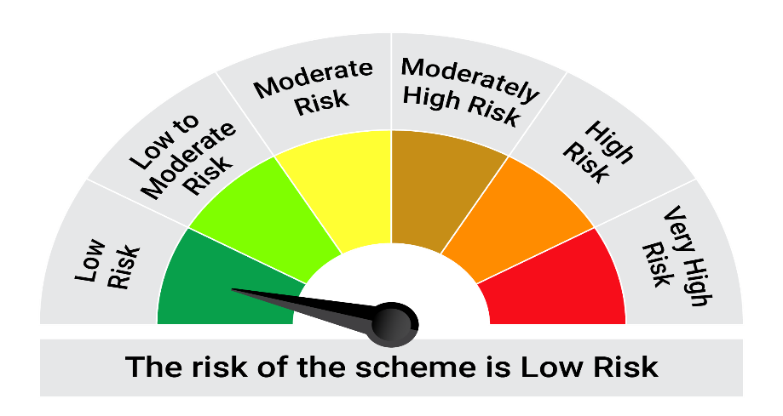
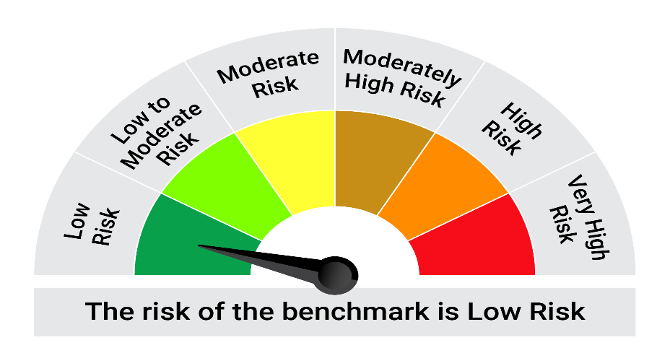
This product is suitable for investors who are seeking*:• Generation of reasonable returns over short to medium term • Investment predominantly in arbitrage opportunities in the cash and derivatives segments of the equity markets; and debt and money market instrument.

*Investors should consult their financial advisers if in doubt about whether the product is suitable for them.

Mutual fund investments are subject to market risks, read all scheme realted documents carefully. |  |  | Scheme Benchmark: Nifty 50 Arbitrage Index

Please note that the above risk-o-meter is as per the product labelling of the scheme available as on the date of this communication/ disclosure. as per SEBI circular dated May 19, 2023 on product labelling (as amended from time to time), risk-o-meters will be calculated on a monthly basis based on the risk values of the respective scheme's portfolio based on the methodology specified by SEBI in the above stated circular. The AMC shall disclose the risk-o-meters along with portfolio disclosure for all their schemes on their respective website and on AMFI website within 10 days from the close of each month. Any change in risk-o-meter shall be communicated by way of Notice cum Addendum and by way of an e-mail or SMS to unitholders of that particular Scheme.

Disclaimer


