HELSF
HSBC Mutual Fund
HSBC Equity Savings Fund
HSBC Equity Savings Fund(An open ended scheme investing in equity, arbitrage and debt)
Portfolio Statement as of January 31, 2025

Name of the Instrument | ISIN | Rating/Industries | Quantity | Market Value (Rs in Lacs) | Percentage to Net Assets | Yield of the Instrument (%) | YTC @ |  | Maturity Date
 |  |  |  |  |  |  | CRISIL | ICRA
Equity & Equity Related Instruments
Equity Shares
Listed / Awaiting listing on Stock Exchanges
BSE Limited | INE118H01025 | Capital Markets | 50,000.00 | 2,652.98 | 4.11%
IndusInd Bank Limited | INE095A01012 | Banks | 232,500.00 | 2,304.54 | 3.57%
State Bank of India | INE062A01020 | Banks | 278,250.00 | 2,150.59 | 3.33%
Transformers And Rectifiers (India) Limited | INE763I01026 | Electrical Equipment | 240,866.00 | 2,140.34 | 3.31%
Zomato Limited | INE758T01015 | Retailing | 950,000.00 | 2,093.33 | 3.24%
Persistent Systems Limited | INE262H01021 | IT - Software | 33,160.00 | 2,000.41 | 3.10%
City Union Bank Limited | INE491A01021 | Banks | 1,135,000.00 | 1,971.72 | 3.05%
Trent Limited | INE849A01020 | Retailing | 28,000.00 | 1,610.90 | 2.49%
GE Vernova T&D India Limited | INE200A01026 | Electrical Equipment | 87,743.00 | 1,568.41 | 2.43%
PB Fintech Limited | INE417T01026 | Financial Technology (Fintech) | 90,000.00 | 1,554.12 | 2.41%
Reliance Industries Limited | INE002A01018 | Petroleum Products | 114,500.00 | 1,448.54 | 2.24%
Canara Bank | INE476A01022 | Banks | 1,444,500.00 | 1,347.29 | 2.09%
Jio Financial Services Limited | INE758E01017 | Finance | 539,550.00 | 1,303.82 | 2.02%
Kotak Mahindra Bank Limited | INE237A01028 | Banks | 62,800.00 | 1,194.02 | 1.85%
Punjab National Bank Limited | INE160A01022 | Banks | 1,136,000.00 | 1,149.63 | 1.78%
Coforge Limited | INE591G01017 | IT - Software | 12,000.00 | 991.66 | 1.54%
HDFC Bank Limited | INE040A01034 | Banks | 57,750.00 | 981.03 | 1.52%
Axis Bank Limited | INE238A01034 | Banks | 98,125.00 | 967.61 | 1.50%
Tata Motors Limited | INE155A01022 | Automobiles | 124,300.00 | 890.11 | 1.38%
Indian Energy Exchange Limited | INE022Q01020 | Capital Markets | 457,500.00 | 798.80 | 1.24%
The Indian Hotels Company Limited | INE053A01029 | Leisure Services | 103,888.00 | 794.43 | 1.23%
ICICI Bank Limited | INE090A01021 | Banks | 61,600.00 | 771.72 | 1.19%
Nippon Life India Asset Management Limited | INE298J01013 | Capital Markets | 128,000.00 | 747.26 | 1.16%
LIC Housing Finance Limited | INE115A01026 | Finance | 118,000.00 | 705.76 | 1.09%
Prudent Corporate Advisory Services Limited | INE00F201020 | Capital Markets | 33,802.00 | 686.86 | 1.06%
Havells India Limited | INE176B01034 | Consumer Durables | 42,000.00 | 657.80 | 1.02%
Blue Star Limited | INE472A01039 | Consumer Durables | 36,000.00 | 654.32 | 1.01%
Kaynes Technology India Ltd | INE918Z01012 | Industrial Manufacturing | 13,000.00 | 623.01 | 0.96%
Sun Pharmaceutical Industries Limited | INE044A01036 | Pharmaceuticals & Biotechnology | 33,950.00 | 592.07 | 0.92%
Power Finance Corporation Limited | INE134E01011 | Finance | 137,800.00 | 582.21 | 0.90%
Safari Industries India Limited | INE429E01023 | Consumer Durables | 22,500.00 | 542.25 | 0.84%
Bajaj Finance Limited | INE296A01024 | Finance | 6,125.00 | 482.96 | 0.75%
Dixon Technologies (India) Limited | INE935N01020 | Consumer Durables | 3,200.00 | 479.55 | 0.74%
Torrent Pharmaceuticals Limited | INE685A01028 | Pharmaceuticals & Biotechnology | 14,500.00 | 474.02 | 0.73%
Steel Authority of India Limited | INE114A01011 | Ferrous Metals | 400,000.00 | 429.72 | 0.67%
Tata Steel Limited | INE081A01020 | Ferrous Metals | 280,500.00 | 377.61 | 0.58%
Infosys Limited | INE009A01021 | IT - Software | 16,900.00 | 317.69 | 0.49%
CG Power and Industrial Solutions Limited | INE067A01029 | Electrical Equipment | 50,000.00 | 317.43 | 0.49%
Tata Power Company Limited | INE245A01021 | Power | 82,350.00 | 300.17 | 0.46%
Manappuram Finance Limited | INE522D01027 | Finance | 153,000.00 | 299.93 | 0.46%
Bharat Electronics Limited | INE263A01024 | Aerospace & Defense | 100,000.00 | 292.65 | 0.45%
KEI Industries Limited | INE878B01027 | Industrial Products | 7,200.00 | 289.70 | 0.45%
Aditya Birla Fashion and Retail Limited | INE647O01011 | Retailing | 104,000.00 | 284.80 | 0.44%
NTPC Limited | INE733E01010 | Power | 87,000.00 | 281.88 | 0.44%
Container Corporation of India Limited | INE111A01025 | Transport Services | 35,000.00 | 273.04 | 0.42%
Bandhan Bank Limited | INE545U01014 | Banks | 179,200.00 | 271.27 | 0.42%
Jyoti CNC Automation Limited | INE980O01024 | Industrial Manufacturing | 23,930.00 | 257.44 | 0.40%
Hindustan Aeronautics Limited | INE066F01020 | Aerospace & Defense | 5,000.00 | 196.84 | 0.30%
Polycab India Limited | INE455K01017 | Industrial Products | 3,125.00 | 188.69 | 0.29%
Wipro Limited | INE075A01022 | IT - Software | 45,000.00 | 140.36 | 0.22%
Muthoot Finance Limited | INE414G01012 | Finance | 5,500.00 | 124.23 | 0.19%
Federal Bank Limited | INE171A01029 | Banks | 60,000.00 | 112.33 | 0.17%
Power Grid Corporation of India Limited | INE752E01010 | Power | 27,000.00 | 81.45 | 0.13%
Medi Assist Healthcare Services Limited | INE456Z01021 | Insurance | 11,656.00 | 67.14 | 0.10%
ABB India Limited | INE117A01022 | Electrical Equipment | 1,000.00 | 58.75 | 0.09%
Abbott India Limited | INE358A01014 | Pharmaceuticals & Biotechnology | 120.00 | 31.41 | 0.05%
Hitachi Energy India Ltd. | INE07Y701011 | Electrical Equipment | 200.00 | 25.73 | 0.04%
Sobha Limited | INE671H01015 | Realty | 1,914.00 | 25.38 | 0.04%
Aurobindo Pharma Limited | INE406A01037 | Pharmaceuticals & Biotechnology | 1,100.00 | 12.89 | 0.02%
Cholamandalam Investment & Finance Company Limited | INE121A01024 | Finance | 1,000.00 | 12.86 | 0.02%
United Spirits Limited | INE854D01024 | Beverages | 700.00 | 9.97 | 0.02%
ICICI Prudential Life Insurance Company Limited | INE726G01019 | Insurance | 1,500.00 | 9.24 | 0.01%
Larsen & Toubro Limited | INE018A01030 | Construction | 100.00 | 3.57 | 0.01%
Total |  |  |  | 45,008.24 | 69.67%
Debt Instruments
Fixed rates bonds - Corporate
Listed / Awaiting listing on Stock Exchanges
Rec Limited** | INE020B08FA2 | CRISIL AAA | 1,000.00 | 1,062.57 | 1.65% | 7.49 |  |  | 31-May-27
National Housing Bank** | INE557F08FY4 | CRISIL AAA | 1,000.00 | 1,056.43 | 1.64% | 7.34 |  |  | 14-Jul-27
Total |  |  |  | 2,119.00 | 3.29%
Government Securities
7.06% GOI 10APR28 | IN0020230010 | SOVEREIGN | 1,900,000.00 | 1,964.96 | 3.04% | 6.62 |  |  | 10-Apr-28
7.32% GOI BOND 13NOV2030 | IN0020230135 | SOVEREIGN | 1,500,000.00 | 1,569.36 | 2.43% | 6.68 |  |  | 13-Nov-30
7.04% GOVERNMENT OF INDIA 03JUN29 G-SEC | IN0020240050 | SOVEREIGN | 1,500,000.00 | 1,539.90 | 2.38% | 6.63 |  |  | 3-Jun-29
7.38% GOI 20JUN2027 | IN0020220037 | SOVEREIGN | 1,500,000.00 | 1,537.81 | 2.38% | 6.6 |  |  | 20-Jun-27
5.22% GOVERNMENT OF INDIA 15JUN25 G-SEC | IN0020200112 | SOVEREIGN | 1,499,000.00 | 1,501.56 | 2.32% | 6.63 |  |  | 15-Jun-25
7.18% GOVERNMENT ON INDIA 14AUG2033 GSEC | IN0020230085 | SOVEREIGN | 1,000,000.00 | 1,060.65 | 1.64% | 6.75 |  |  | 14-Aug-33
7.10% GOVT 08-Apr-2034 | IN0020240019 | SOVEREIGN | 1,000,000.00 | 1,046.35 | 1.62% | 6.74 |  |  | 8-Apr-34
7.37% GOI 23OCT2028 | IN0020230101 | SOVEREIGN | 500,000.00 | 522.07 | 0.81% | 6.63 |  |  | 23-Oct-28
Total |  |  |  | 10,742.66 | 16.62%
Money Market Instruments
Certificate of Deposit
Privately Placed/Unlisted
HDFC Bank Limited^ | INE040A16GA3 | CARE A1+ | 300.00 | 1,405.91 | 2.18% | 7.63 |  |  | 18-Dec-25
Axis Bank Limited** | INE238AD6942 | CRISIL A1+ | 100.00 | 474.98 | 0.74% | 7.66 |  |  | 10-Oct-25
Total |  |  |  | 1,880.89 | 2.92%
Commercial Papers
Listed / Awaiting listing on Stock Exchanges
LIC Housing Finance Limited** | INE115A14FF9 | CRISIL A1+ | 400.00 | 1,910.14 | 2.96% | 7.74 |  |  | 11-Sep-25
Total |  |  |  | 1,910.14 | 2.96%
Treps |  |  |  | 3,311.52 | 5.13% | 6.57 |  |  | 3-Feb-25
Net Current Assets (including cash & bank balances) |  |  |  | -384.97 | -0.59% | 6.57
Total Net Assets as on 31-January-2025 |  |  |  | 64,587.48 | 100.00%
Market Value includes accrued interest
** Securities are classified as non-traded on the basis of Traded data as on JAN 31, 2025 provided by CRISIL and ICRA.
^ Securities are classified as traded on the basis of Traded data as on JAN 31, 2025 provided by CRISIL and ICRA.

HSBC Equity Savings Fund |  | Scheme Riskometer |  | Scheme Benchmark Riskometer

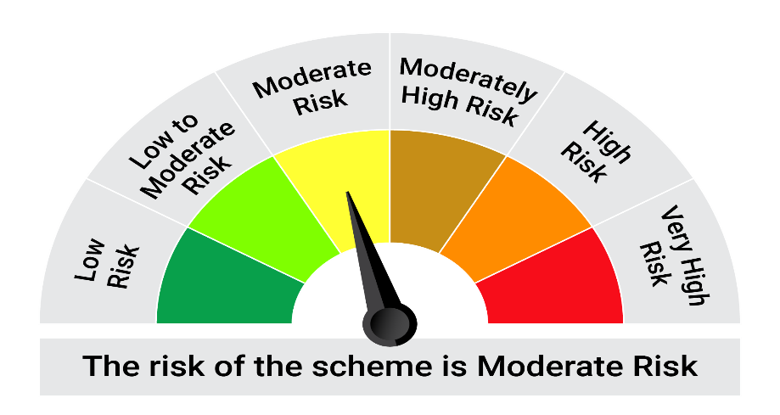

This product is suitable for investors who are seeking*:• Generation of regular income by predominantly investing in arbitrage opportunities in the cash and derivatives segment and long–term capital appreciation through unhedged exposure to equity and equity related instruments. • Investment in equity and equity related instruments, derivatives and debt and money market instruments.

*Investors should consult their financial advisers if in doubt about whether the product is suitable for them.

Mutual fund investments are subject to market risks, read all scheme realted documents carefully. |  |  | Scheme Benchmark: NIFTY Equity Savings Index

Please note that the above risk-o-meter is as per the product labelling of the scheme available as on the date of this communication/ disclosure. as per SEBI circular dated May 19, 2023 on product labelling (as amended from time to time), risk-o-meters will be calculated on a monthly basis based on the risk values of the respective scheme's portfolio based on the methodology specified by SEBI in the above stated circular. The AMC shall disclose the risk-o-meters along with portfolio disclosure for all their schemes on their respective website and on AMFI website within 10 days from the close of each month. Any change in risk-o-meter shall be communicated by way of Notice cum Addendum and by way of an e-mail or SMS to unitholders of that particular Scheme.

Disclaimer


