HELABF
HSBC Mutual Fund
HSBC Arbitrage Fund
HSBC Arbitrage Fund(An open ended scheme investing in arbitrage opportunities.)
Portfolio Statement as of January 31, 2026

Name of the Instrument | ISIN | Rating/Industries | Quantity | Market Value (Rs in Lacs) | Percentage to Net Assets | Yield of the Instrument (%) | YTC @ |  | Maturity Date
 |  |  |  |  |  |  | CRISIL | ICRA
Equity & Equity Related Instruments
Equity Shares
Listed / Awaiting listing on Stock Exchanges
HDFC Bank Limited | INE040A01034 | Banks | 1,847,450.00 | 17,167.43 | 7.10%
Eternal Limited | INE758T01015 | Retailing | 4,709,350.00 | 12,884.78 | 5.33%
ICICI Bank Limited | INE090A01021 | Banks | 731,500.00 | 9,911.83 | 4.10%
RBL Bank Limited | INE976G01028 | Banks | 3,089,275.00 | 9,229.21 | 3.81%
Mahindra & Mahindra Limited | INE101A01026 | Automobiles | 255,200.00 | 8,757.95 | 3.62%
Reliance Industries Limited | INE002A01018 | Petroleum Products | 523,000.00 | 7,297.94 | 3.02%
Jio Financial Services Limited | INE758E01017 | Finance | 2,147,900.00 | 5,466.41 | 2.26%
NMDC Limited | INE584A01023 | Minerals & Mining | 6,264,000.00 | 5,086.99 | 2.10%
JSW Steel Limited | INE019A01038 | Ferrous Metals | 400,950.00 | 4,869.14 | 2.01%
Bandhan Bank Limited | INE545U01014 | Banks | 2,995,200.00 | 4,632.08 | 1.91%
PNB Housing Finance Limited | INE572E01012 | Finance | 482,300.00 | 3,966.44 | 1.64%
Axis Bank Limited | INE238A01034 | Banks | 281,250.00 | 3,854.25 | 1.59%
Sammaan Capital Ltd. | INE148I01020 | Finance | 2,506,900.00 | 3,778.15 | 1.56%
Container Corporation of India Limited | INE111A01025 | Transport Services | 665,000.00 | 3,339.96 | 1.38%
ITC Limited | INE154A01025 | Diversified FMCG | 1,032,000.00 | 3,324.59 | 1.37%
Punjab National Bank | INE160A01022 | Banks | 2,616,000.00 | 3,274.97 | 1.35%
Havells India Limited | INE176B01034 | Consumer Durables | 229,000.00 | 2,942.65 | 1.22%
Marico Limited | INE196A01026 | Agricultural Food & other Products | 384,000.00 | 2,802.43 | 1.16%
Crompton Greaves Consumer Electrical Ltd | INE299U01018 | Consumer Durables | 1,067,400.00 | 2,363.76 | 0.98%
Yes Bank Ltd | INE528G01035 | Banks | 9,641,000.00 | 2,064.14 | 0.85%
Laurus Labs Limited | INE947Q01028 | Pharmaceuticals & Biotechnology | 202,300.00 | 1,952.20 | 0.81%
Sun Pharmaceutical Industries Limited | INE044A01036 | Pharmaceuticals & Biotechnology | 112,700.00 | 1,797.90 | 0.74%
InterGlobe Aviation Limited | INE646L01027 | Transport Services | 37,800.00 | 1,737.48 | 0.72%
Polycab India Limited | INE455K01017 | Industrial Products | 24,125.00 | 1,692.01 | 0.70%
Prestige Estates Projects Limited | INE811K01011 | Realty | 114,750.00 | 1,677.07 | 0.69%
AU Small Finance Bank Limited | INE949L01017 | Banks | 165,000.00 | 1,620.88 | 0.67%
Power Grid Corporation of India Limited | INE752E01010 | Power | 598,500.00 | 1,535.15 | 0.63%
Aditya Birla Capital Limited | INE674K01013 | Finance | 430,900.00 | 1,464.20 | 0.61%
The Tata Power Company Limited | INE245A01021 | Power | 388,600.00 | 1,423.44 | 0.59%
Max Financial Services Limited | INE180A01020 | Insurance | 86,800.00 | 1,400.60 | 0.58%
Petronet LNG Limited | INE347G01014 | Gas | 476,900.00 | 1,381.82 | 0.57%
Biocon Limited | INE376G01013 | Pharmaceuticals & Biotechnology | 375,000.00 | 1,375.50 | 0.57%
APL Apollo Tubes Limited | INE702C01027 | Industrial Products | 66,850.00 | 1,367.55 | 0.57%
Samvardhana Motherson International Ltd | INE775A01035 | Auto Components | 1,199,250.00 | 1,353.95 | 0.56%
NBCC (India) Limited | INE095N01031 | Construction | 1,358,500.00 | 1,343.01 | 0.56%
Muthoot Finance Limited | INE414G01012 | Finance | 33,825.00 | 1,295.36 | 0.54%
DLF Limited | INE271C01023 | Realty | 202,125.00 | 1,285.01 | 0.53%
Trent Limited | INE849A01020 | Retailing | 33,800.00 | 1,279.50 | 0.53%
Vodafone Idea Limited | INE669E01016 | Telecom - Services | 10,792,725.00 | 1,205.55 | 0.50%
Power Finance Corporation Limited | INE134E01011 | Finance | 295,100.00 | 1,119.46 | 0.46%
Kotak Mahindra Bank Limited | INE237A01036 | Banks | 266,000.00 | 1,085.28 | 0.45%
PERSISTENT SYSTEMS LTD | INE262H01021 | IT - Software | 17,000.00 | 1,025.95 | 0.42%
Apollo Hospitals Enterprise Limited | INE437A01024 | Healthcare Services | 13,750.00 | 957.07 | 0.40%
Inox Wind Limited | INE066P01011 | Electrical Equipment | 875,875.00 | 945.42 | 0.39%
Shriram Finance Limited | INE721A01047 | Finance | 92,400.00 | 942.48 | 0.39%
Tata Steel Limited | INE081A01020 | Ferrous Metals | 467,500.00 | 902.88 | 0.37%
Indus Towers Limited | INE121J01017 | Telecom - Services | 200,600.00 | 891.27 | 0.37%
Bharat Heavy Electricals Limited | INE257A01026 | Electrical Equipment | 333,375.00 | 875.78 | 0.36%
Steel Authority of India Limited | INE114A01011 | Ferrous Metals | 578,100.00 | 873.68 | 0.36%
Adani Port & Special Economic Zone Ltd | INE742F01042 | Transport Infrastructure | 61,275.00 | 869.98 | 0.36%
Glenmark Pharmaceuticals Limited | INE935A01035 | Pharmaceuticals & Biotechnology | 43,125.00 | 869.36 | 0.36%
Life Insurance Corporation Of India | INE0J1Y01017 | Insurance | 95,900.00 | 790.70 | 0.33%
Godrej Properties Limited | INE484J01027 | Realty | 49,775.00 | 784.85 | 0.32%
HDFC Asset Management Company Limited | INE127D01025 | Capital Markets | 30,000.00 | 754.71 | 0.31%
Exide Industries Limited | INE302A01020 | Auto Components | 226,800.00 | 729.39 | 0.30%
Indian Energy Exchange Limited | INE022Q01020 | Capital Markets | 573,750.00 | 727.46 | 0.30%
Kaynes Technology India Private Ltd | INE918Z01012 | Industrial Manufacturing | 20,300.00 | 705.51 | 0.29%
Dixon Technologies (India) Limited | INE935N01020 | Consumer Durables | 6,700.00 | 699.88 | 0.29%
Hindustan Aeronautics Limited | INE066F01020 | Aerospace & Defense | 14,250.00 | 658.26 | 0.27%
Mazagon Dock Shipbuilders Limited | INE249Z01020 | Industrial Manufacturing | 24,000.00 | 617.50 | 0.26%
NTPC Limited | INE733E01010 | Power | 172,500.00 | 614.10 | 0.25%
Bajaj Finance Limited | INE296A01032 | Finance | 65,250.00 | 606.73 | 0.25%
LTIMindtree Ltd | INE214T01019 | IT - Software | 8,700.00 | 519.78 | 0.21%
LIC Housing Finance Limited | INE115A01026 | Finance | 93,000.00 | 489.46 | 0.20%
Titan Company Limited | INE280A01028 | Consumer Durables | 11,725.00 | 466.35 | 0.19%
ICICI Prudential Life Insurance Company | INE726G01019 | Insurance | 68,450.00 | 435.92 | 0.18%
GAIL (India) Limited | INE129A01019 | Gas | 252,000.00 | 421.57 | 0.17%
Cholamandalam Invest & Finance Co Ltd | INE121A01024 | Finance | 24,375.00 | 397.70 | 0.16%
Infosys Limited | INE009A01021 | IT - Software | 24,000.00 | 393.84 | 0.16%
Bharti Airtel Limited | INE397D01024 | Telecom - Services | 19,475.00 | 383.40 | 0.16%
TUBE INVESTMENTS OF INDIA LTD | INE974X01010 | Auto Components | 15,200.00 | 354.94 | 0.15%
Aurobindo Pharma Limited | INE406A01037 | Pharmaceuticals & Biotechnology | 28,600.00 | 345.40 | 0.14%
Varun Beverages Limited | INE200M01039 | Beverages | 73,125.00 | 344.60 | 0.14%
KALYAN JEWELLERS INDIA LIMITED | INE303R01014 | Consumer Durables | 94,000.00 | 339.95 | 0.14%
Max Healthcare Institute Limited | INE027H01010 | Healthcare Services | 35,175.00 | 336.55 | 0.14%
Torrent Pharmaceuticals Limited | INE685A01028 | Pharmaceuticals & Biotechnology | 8,000.00 | 316.86 | 0.13%
The Indian Hotels Company Limited | INE053A01029 | Leisure Services | 46,000.00 | 310.11 | 0.13%
Divi''s Laboratories Limited | INE361B01024 | Pharmaceuticals & Biotechnology | 5,100.00 | 308.60 | 0.13%
UPL Limited | INE628A01036 | Fertilizers & Agrochemicals | 43,360.00 | 305.23 | 0.13%
Bank of India | INE084A01016 | Banks | 182,000.00 | 298.66 | 0.12%
Indian Oil Corporation Limited | INE242A01010 | Petroleum Products | 160,875.00 | 262.61 | 0.11%
FSN E-Commerce Ventures Limited | INE388Y01029 | Retailing | 109,375.00 | 259.77 | 0.11%
MphasiS Limited | INE356A01018 | IT - Software | 8,800.00 | 242.79 | 0.10%
Suzlon Energy Limited | INE040H01021 | Electrical Equipment | 496,375.00 | 236.62 | 0.10%
Grasim Industries Limited | INE047A01021 | Cement & Cement Products | 8,000.00 | 225.52 | 0.09%
Dabur India Limited | INE016A01026 | Personal Products | 43,750.00 | 221.64 | 0.09%
Tech Mahindra Limited | INE669C01036 | IT - Software | 11,400.00 | 198.71 | 0.08%
CG Power And Industrial Solutions Ltd | INE067A01029 | Electrical Equipment | 34,000.00 | 198.58 | 0.08%
Manappuram Finance Limited | INE522D01027 | Finance | 69,000.00 | 196.41 | 0.08%
Bank of Baroda | INE028A01039 | Banks | 58,500.00 | 175.15 | 0.07%
Colgate Palmolive (India) Limited | INE259A01022 | Personal Products | 7,875.00 | 166.49 | 0.07%
SBI Life Insurance Company Limited | INE123W01016 | Insurance | 7,875.00 | 157.38 | 0.07%
Hindustan Zinc Limited | INE267A01025 | Non - Ferrous Metals | 24,500.00 | 153.98 | 0.06%
Union Bank of India | INE692A01016 | Banks | 84,075.00 | 151.97 | 0.06%
Hindustan Petroleum Corporation Limited | INE094A01015 | Petroleum Products | 32,400.00 | 138.35 | 0.06%
Adani Energy Solutions Limited | INE931S01010 | Power | 14,175.00 | 126.84 | 0.05%
Maruti Suzuki India Limited | INE585B01010 | Automobiles | 850.00 | 124.09 | 0.05%
Dalmia Bharat Limited | INE00R701025 | Cement & Cement Products | 5,525.00 | 114.12 | 0.05%
The Phoenix Mills Limited | INE211B01039 | Realty | 6,650.00 | 111.10 | 0.05%
Info Edge (India) Limited | INE663F01032 | Retailing | 8,250.00 | 103.08 | 0.04%
Canara Bank | INE476A01022 | Banks | 67,500.00 | 99.51 | 0.04%
Ambuja Cements Limited | INE079A01024 | Cement & Cement Products | 18,900.00 | 96.42 | 0.04%
JSW Energy Limited | INE121E01018 | Power | 18,000.00 | 82.76 | 0.03%
Larsen & Toubro Limited | INE018A01030 | Construction | 2,100.00 | 82.58 | 0.03%
Britannia Industries Limited | INE216A01030 | Food Products | 1,375.00 | 80.58 | 0.03%
Tata Consumer Products Limited | INE192A01025 | Agricultural Food & other Products | 6,050.00 | 68.60 | 0.03%
REC Limited | INE020B01018 | Finance | 18,200.00 | 66.27 | 0.03%
Cipla Limited | INE059A01026 | Pharmaceuticals & Biotechnology | 4,875.00 | 64.55 | 0.03%
Bharat Electronics Limited | INE263A01024 | Aerospace & Defense | 14,250.00 | 63.98 | 0.03%
Indian Bank | INE562A01011 | Banks | 7,000.00 | 63.82 | 0.03%
Tata Motors Passenger Vehicles Limited | INE155A01022 | Automobiles | 16,000.00 | 56.01 | 0.02%
Bharat Forge Limited | INE465A01025 | Auto Components | 3,500.00 | 50.45 | 0.02%
Pidilite Industries Limited | INE318A01026 | Chemicals & Petrochemicals | 3,500.00 | 50.09 | 0.02%
Jindal Steel & Power Limited | INE749A01030 | Ferrous Metals | 3,125.00 | 35.38 | 0.01%
IDFC First Bank Limited | INE092T01019 | Banks | 37,100.00 | 31.01 | 0.01%
TVS Motor Company Limited | INE494B01023 | Automobiles | 700.00 | 25.74 | 0.01%
Zydus Lifesciences Limited | INE010B01027 | Pharmaceuticals & Biotechnology | 2,700.00 | 23.90 | 0.01%
Amber Enterprises India Limited | INE371P01015 | Consumer Durables | 400.00 | 22.86 | 0.01%
Nuvama Wealth Management Limited | INE531F01023 | Capital Markets | 1,500.00 | 20.18 | 0.01%
Syngene International Limited | INE398R01022 | Healthcare Services | 2,000.00 | 9.47 | 0.00%
Dr. Reddy''s Laboratories Limited | INE089A01031 | Pharmaceuticals & Biotechnology | 625.00 | 7.61 | 0.00%
Tata Technologies Limited | INE142M01025 | IT - Services | 800.00 | 5.17 | 0.00%
Total |  |  |  | 175,692.04 | 72.58%
Debt Instruments
Fixed rates bonds - Corporate
Listed / Awaiting listing on Stock Exchanges
LIC Housing Finance Limited** | INE115A07PN6 | CRISIL AAA | 5,000,000.00 | 5,010.14 | 2.07% | 7.48 |  |  | 30-Nov-26
NABARD^ | INE261F08DX0 | CRISIL AAA | 2,500,000.00 | 2,594.65 | 1.07% | 7.41 |  |  | 31-Jul-26
Sundaram Finance Limited** | INE660A07RQ0 | CRISIL AAA | 2,500,000.00 | 2,555.12 | 1.06% | 7.8 |  |  | 26-Oct-26
Kotak Mahindra Prime Limited** | INE916DA7SL3 | CRISIL AAA | 2,500,000.00 | 2,554.97 | 1.06% | 7.49 |  |  | 9-Nov-26
Total |  |  |  | 12,714.88 | 5.26%
Money Market Instruments
Certificate of Deposit
Privately Placed/Unlisted
Indian Bank** | INE562A16OS2 | CRISIL A1+ | 2,500,000.00 | 2,454.20 | 1.01% | 7.25 |  |  | 6-May-26
Axis Bank Limited** | INE238AD6BD9 | CRISIL A1+ | 2,500,000.00 | 2,408.97 | 1.00% | 7.22 |  |  | 11-Aug-26
SIDBI** | INE556F16BO9 | CRISIL A1+ | 2,500,000.00 | 2,372.53 | 0.98% | 7.29 |  |  | 28-Oct-26
SIDBI** | INE556F16BQ4 | CARE A1+ | 2,500,000.00 | 2,368.92 | 0.98% | 7.26 |  |  | 6-Nov-26
Canara Bank** | INE476A16F03 | CRISIL A1+ | 1,500,000.00 | 1,466.10 | 0.61% | 7.21 |  |  | 29-May-26
Total |  |  |  | 11,070.72 | 4.58%
Mutual Fund Units
Domestic Mutual Fund Units
HSBC Money Market Fund - Direct Growth | INF917K01FE6 | Internal - Mutual Fund Units | 96,154,365.24 | 27,591.69 | 11.40%
HSBC Ultra Short Duration Fund - Direct Growth | INF336L01OR1 | Internal - Mutual Fund Units | 609,421.88 | 8,657.75 | 3.58%
HSBC Liquid Fund - Direct Growth | INF336L01CC8 | Internal - Mutual Fund Units | 110,107.00 | 2,992.16 | 1.24%
Total |  |  |  | 39,241.60 | 16.22%
Treps |  |  |  | 2,806.37 | 1.16% | 5.2 |  |  | 2-Feb-26
Net Current Assets (including cash & bank balances) |  |  |  | 403.14 | 0.20% | 5.2
Total Net Assets as on 31-January-2026 |  |  |  | 241,928.75 | 100.00%
Market Value includes accrued interest
** Securities are classified as non-traded on the basis of Traded data as on JAN 30, 2026 provided by CRISIL and ICRA.
^ Securities are classified as traded on the basis of Traded data as on JAN 30, 2026 provided by CRISIL and ICRA.
Aggregate value of investments made by other schemes of HSBC Mutual Fund are amounting to Rs. 22700.31 Lakhs.

HSBC Arbitrage Fund |  | Scheme Riskometer |  | Scheme Benchmark Riskometer

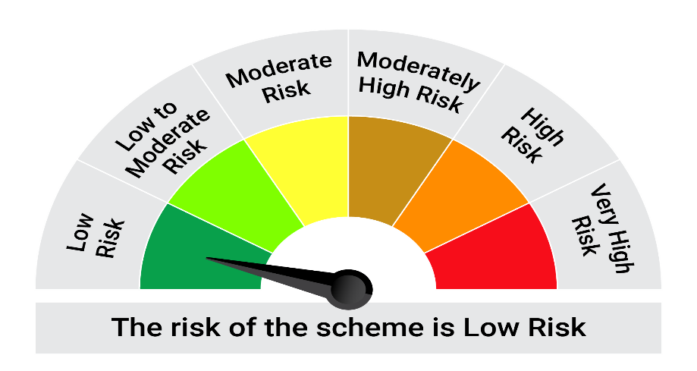
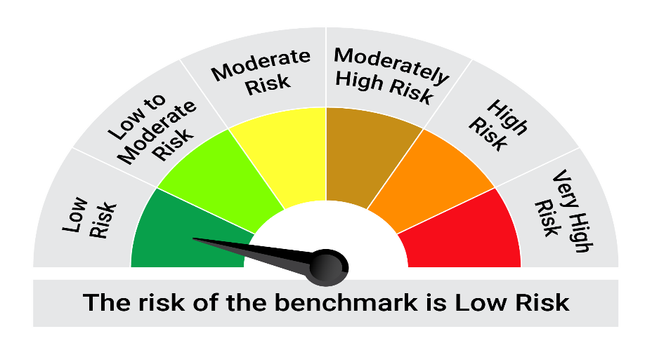
This product is suitable for investors who are seeking*:• Generation of reasonable returns over short to medium term • Investment predominantly in arbitrage opportunities in the cash and derivatives segments of the equity markets; and debt and money market instrument.

*Investors should consult their financial advisers if in doubt about whether the product is suitable for them.

Mutual fund investments are subject to market risks, read all scheme realted documents carefully. |  |  | Scheme Benchmark: Nifty 50 Arbitrage Index

Please note that the above risk-o-meter is as per the product labelling of the scheme available as on the date of this communication/ disclosure. as per SEBI circular dated May 19, 2023 on product labelling (as amended from time to time), risk-o-meters will be calculated on a monthly basis based on the risk values of the respective scheme's portfolio based on the methodology specified by SEBI in the above stated circular. The AMC shall disclose the risk-o-meters along with portfolio disclosure for all their schemes on their respective website and on AMFI website within 10 days from the close of each month. Any change in risk-o-meter shall be communicated by way of Notice cum Addendum and by way of an e-mail or SMS to unitholders of that particular Scheme.

Disclaimer


