HDCGIF
HSBC Mutual Fund
HSBC CRL IBX 50 50 Gl SDL Ap28 Indx Fund
(An open ended Target Maturity Index Fund tracking CRISIL IBX 50:50 Gilt Plus SDL Index – April 2028. A Relatively high interest rate risk and relatively low credit risk.)
Portfolio Statement as of January 31, 2026

Name of the Instrument | ISIN | Rating/Industries | Quantity | Market Value (Rs in Lacs) | Percentage to Net Assets | Yield of the Instrument (%) | YTC @ |  | Maturity Date
 |  |  |  |  |  |  | CRISIL | ICRA
Debt Instruments
Government Securities
7.06% GOI - 10-Apr-2028 | IN0020230010 | SOVEREIGN | 56,800,000.00 | 59,458.03 | 30.28% | 5.91 |  |  | 10-Apr-28
7.17% GOI - 08-Jan-2028 | IN0020170174 | SOVEREIGN | 19,500,000.00 | 20,064.15 | 10.22% | 5.9 |  |  | 8-Jan-28
7.36% MAHARASHTRA SDL 12-Apr-2028 | IN2220230014 | SOVEREIGN | 13,140,800.00 | 13,670.50 | 6.96% | 6.56 |  |  | 12-Apr-28
8.05% GUJARAT SDL 31-Jan-2028 | IN1520170185 | SOVEREIGN | 11,500,000.00 | 11,844.40 | 6.03% | 6.54 |  |  | 31-Jan-28
8.05% Tamilnadu SDL - 18-Apr-2028 | IN3120180010 | SOVEREIGN | 10,800,000.00 | 11,393.83 | 5.80% | 6.57 |  |  | 18-Apr-28
7.38% GOI MAT 20-Jun-2027 | IN0020220037 | SOVEREIGN | 8,800,000.00 | 9,067.48 | 4.62% | 5.78 |  |  | 20-Jun-27
6.97% KARNATAKA SDL 26-Feb-2028 | IN1920190189 | SOVEREIGN | 8,500,000.00 | 8,841.33 | 4.50% | 6.54 |  |  | 26-Feb-28
6.97% MAHARASHTRA SDL 18-Feb-2028 | IN2220190127 | SOVEREIGN | 5,500,000.00 | 5,728.92 | 2.92% | 6.54 |  |  | 18-Feb-28
8.28% GOI - 21-Sep-2027 | IN0020070069 | SOVEREIGN | 5,000,800.00 | 5,343.83 | 2.72% | 5.85 |  |  | 21-Sep-27
6.98% MAHARASHTRA SDL 26-Feb-2028 | IN2220190135 | SOVEREIGN | 5,000,000.00 | 5,201.95 | 2.65% | 6.54 |  |  | 26-Feb-28
7.88% MADHYA PRADESH SDL 24-Jan-2028 | IN2120170070 | SOVEREIGN | 5,000,000.00 | 5,132.88 | 2.61% | 6.62 |  |  | 24-Jan-28
8.26% GOI - 02-Aug-2027 | IN0020070036 | SOVEREIGN | 3,500,000.00 | 3,767.16 | 1.92% | 5.86 |  |  | 2-Aug-27
8.23% GUJARAT SDL 21-Feb-2028 | IN1520170219 | SOVEREIGN | 2,500,000.00 | 2,675.44 | 1.36% | 6.56 |  |  | 21-Feb-28
8.28% TAMIL NADU SDL 14-Mar-2028 | IN3120170151 | SOVEREIGN | 2,500,000.00 | 2,667.52 | 1.36% | 6.56 |  |  | 14-Mar-28
8.27% UTTAR PRADESH SDL 14-Mar-2028 | IN3320170217 | SOVEREIGN | 2,500,000.00 | 2,665.58 | 1.36% | 6.59 |  |  | 14-Mar-28
8% Kerala SDL - 11-Apr-2028 | IN2020180013 | SOVEREIGN | 2,500,000.00 | 2,633.42 | 1.34% | 6.66 |  |  | 11-Apr-28
8.2% HARYANA SDL 31-Jan-2028 | IN1620170119 | SOVEREIGN | 2,500,000.00 | 2,578.04 | 1.31% | 6.63 |  |  | 31-Jan-28
7.92% UTTAR PRADESH SDL 24-Jan-2028 | IN3320170175 | SOVEREIGN | 2,500,000.00 | 2,570.08 | 1.31% | 6.58 |  |  | 24-Jan-28
7.77% ANDHRA PRADESH SDL 10-Jan-2028 | IN1020170131 | SOVEREIGN | 2,500,000.00 | 2,568.00 | 1.31% | 6.61 |  |  | 10-Jan-28
8.14% HARYANA SDL 27-Mar-2028 | IN1620170168 | SOVEREIGN | 2,145,000.00 | 2,273.68 | 1.16% | 6.63 |  |  | 27-Mar-28
8% KARNATAKA SDL 17-Jan-2028 | IN1920170157 | SOVEREIGN | 2,000,000.00 | 2,062.58 | 1.05% | 6.55 |  |  | 17-Jan-28
7.79% KARNATAKA SDL 03-Jan-2028 | IN1920170140 | SOVEREIGN | 2,000,000.00 | 2,059.87 | 1.05% | 6.55 |  |  | 3-Jan-28
7.75% GUJARAT SDL 10-Jan-2028 | IN1520170169 | SOVEREIGN | 2,000,000.00 | 2,055.85 | 1.05% | 6.55 |  |  | 10-Jan-28
8.14% UTTARAKHAND SDL 27-Mar-2028 | IN3620170180 | SOVEREIGN | 1,500,000.00 | 1,588.62 | 0.81% | 6.67 |  |  | 27-Mar-28
8.03% KARNATAKA SDL 31-Jan-2028 | IN1920170165 | SOVEREIGN | 1,500,000.00 | 1,543.94 | 0.79% | 6.56 |  |  | 31-Jan-28
8.15% CHATTISGARH SDL 27-Mar-2028 | IN3520170090 | SOVEREIGN | 1,000,000.00 | 1,060.22 | 0.54% | 6.63 |  |  | 27-Mar-28
7.5% TELANGANA SDL 15-Apr-2028 | IN4520200010 | SOVEREIGN | 1,000,000.00 | 1,042.01 | 0.53% | 6.61 |  |  | 15-Apr-28
7.59% UTTARAKHAND SDL 25-Oct-2027 | IN3620170081 | SOVEREIGN | 1,000,000.00 | 1,040.56 | 0.53% | 6.42 |  |  | 25-Oct-27
6.79% GOI 15-May-2027 | IN0020170026 | SOVEREIGN | 900,000.00 | 924.86 | 0.47% | 5.78 |  |  | 15-May-27
7.02% GOI 27-May-2027 | IN0020240043 | SOVEREIGN | 500,000.00 | 514.46 | 0.26% | 5.78 |  |  | 27-May-27
7.64% KARNATAKA SDL 08-Nov-2027 | IN1920170066 | SOVEREIGN | 70,000.00 | 72.87 | 0.04% | 6.31 |  |  | 8-Nov-27
Total |  |  |  | 194,112.06 | 98.86%
Treps |  |  |  | 1,719.17 | 0.88% | 5.2 |  |  | 2-Feb-26
Net Current Assets (including cash & bank balances) |  |  |  | 549.68 | 0.26% | 5.2
Total Net Assets as on 31-January-2026 |  |  |  | 196,380.91 | 100.00%
Market Value includes accrued interest
** Securities are classified as non-traded on the basis of Traded data as on JAN 30, 2026 provided by CRISIL and ICRA.
^ Securities are classified as traded on the basis of Traded data as on JAN 30, 2026 provided by CRISIL and ICRA.

Annualised Portfolio YTM ! | 6.21%
Macaulay Duration | 22.51
! in case of semi annual YTM, it will be annualised

Debt Index Replication Factor(DIRF) As on 31.01.2026 are as follows

Date | Issuer | HSBC CRL IBX 50 50 Gl SDL Ap28 Indx Fund (Portfolio weight) | CRISIL IBX 50:50 Gilt Plus SDL Index - April 2028 (Index weight) | Replication Factor
31-Jan-26 | G-Sec/T-Bills | 50.48% | 49.93% | 49.93%
31-Jan-26 | SDLs | 48.36% | 50.07% | 48.36%
31-Jan-26 | Cash and Cash Equivalents | 1.16% | 0.00% | 0.00%
Debt Index Replication Factor |  |  |  | 98.29%

HSBC CRL IBX 50 50 Gl SDL Ap28 Indx Fund |  | Scheme Riskometer |  | Scheme Benchmark Riskometer

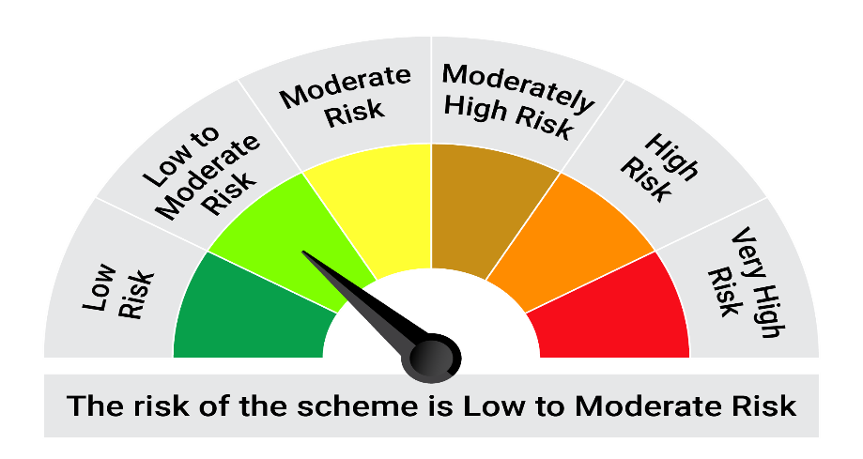

This product is suitable for investors who are seeking*:• Income over target maturity period • Investment in constituents similar to the composition of CRISIL IBX 50:50 Gilt Plus SDL Index – April 2028.

*Investors should consult their financial advisers if in doubt about whether the product is suitable for them.

Mutual fund investments are subject to market risks, read all scheme realted documents carefully. |  |  | Scheme Benchmark: CRISIL IBX 50:50 Gilt Plus SDL Index - April 2028

Please note that the above risk-o-meter is as per the product labelling of the scheme available as on the date of this communication/ disclosure. as per SEBI circular dated May 19, 2023 on product labelling (as amended from time to time), risk-o-meters will be calculated on a monthly basis based on the risk values of the respective scheme's portfolio based on the methodology specified by SEBI in the above stated circular. The AMC shall disclose the risk-o-meters along with portfolio disclosure for all their schemes on their respective website and on AMFI website within 10 days from the close of each month. Any change in risk-o-meter shall be communicated by way of Notice cum Addendum and by way of an e-mail or SMS to unitholders of that particular Scheme.

Disclaimer


