HDCGIF2
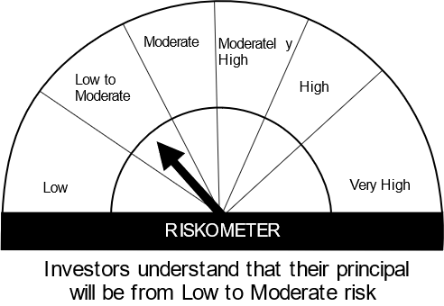

HSBC Mutual Fund
HSBC CRISIL IBX Gilt June 2027 IndexFund
(An open-ended Target Maturity Index Fund tracking CRISIL-IBX Gilt Index - June 2027. Relatively high interest rate risk and relatively low credit risk.)
Portfolio Statement as of March 31, 2024

Name of the Instrument | ISIN | Rating/Industries | Quantity | Market Value (Rs in Lacs) | Percentage to Net Assets | Yield of the Instrument (%) | YTC @ |  | Maturity Date
 |  |  |  |  |  |  | CRISIL | ICRA
Debt Instruments
Government Securities
7.38% GOI 20JUN2027 | IN0020220037 | SOVEREIGN | 17,500,000.00 | 18,021.61 | 78.37% | 7.05 |  |  | 20-Jun-27
GOI 08.24% 15FEB27 | IN0020060078 | SOVEREIGN | 2,500,000.00 | 2,601.64 | 11.31% | 7.06 |  |  | 15-Feb-27
GOI 06.79% 15MAY2027 | IN0020170026 | SOVEREIGN | 2,000,000.00 | 2,036.46 | 8.86% | 7.06 |  |  | 15-May-27
Total |  |  |  | 22,659.71 | 98.54%
Treps |  |  |  | 378.30 | 1.65% | 6.97 |  |  | 2-Apr-24
Net Current Assets (including cash & bank balances) |  |  |  | -43.59 | -0.19% | 6.97
Total Net Assets as on 31-MARCH-2024 |  |  |  | 22,994.42 | 100.00%
Market Value includes accrued interest
** Securities are classified as non-traded on the basis of Traded data as on MAR 28, 2024 provided by CRISIL and ICRA.
^ Securities are classified as traded on the basis of Traded data as on MAR 28, 2024 provided by CRISIL and ICRA.

Annualised Portfolio YTM ! | 7.18%
Macaulay Duration | 33.51
! in case of semi annual YTM, it will be annualised

Disclaimer


