HOMSCS


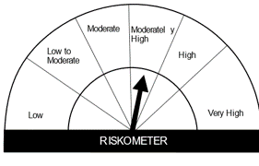
HSBC Mutual Fund
HSBC Managed Solution India-Conservative
HSBC Managed Solution India-Conservative (An open ended Fund of Funds Scheme investing in a basket of equity, debt, Gold and other Exchange Traded Funds.)
Portfolio Statement as of March 31, 2024

Name of the Instrument | ISIN | Rating/Industries | Quantity | Market Value (Rs in Lacs) | Percentage to Net Assets | Yield of the Instrument (%) | YTC @
 |  |  |  |  |  |  | CRISIL | ICRA
Mutual Fund Units
Domestic Mutual Fund Units
HSBC Short Duration Fund - Direct Growth | INF917K01IQ4 | Internal - Mutual Fund Units | 4,409,412.15 | 1,112.56 | 40.64%
HSBC Medium To Long Duration Fund - Direct Growth | INF336L01DE2 | Internal - Mutual Fund Units | 1,624,523.10 | 686.57 | 25.08%
HSBC Dynamic Bond Fund - Direct Growth | INF917K01HA0 | Internal - Mutual Fund Units | 2,309,804.62 | 664.87 | 24.29%
HSBC Large Cap Fund- Direct Growth | INF336L01CM7 | Internal - Mutual Fund Units | 56,225.34 | 260.30 | 9.51%
Total |  |  |  | 2,724.30 | 99.52%
Treps |  |  |  | 33.25 | 1.21% | 6.97
Net Current Assets (including cash & bank balances) |  |  |  | -20.04 | -0.73% | 6.97
Total Net Assets as on 31-MARCH-2024 |  |  |  | 2,737.51 | 100.00%

Disclaimer


