HOMSMS
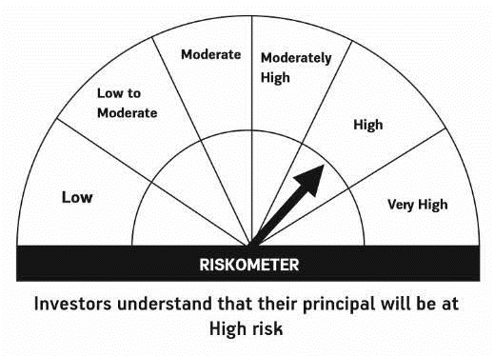

HSBC Mutual Fund
HSBC Managed Solutions India - Moderate
HSBC Managed Solutions India-Moderate (An open ended Fund of Funds Scheme investing in a basket of equity, debt, Gold and other Exchange Traded Funds.)
Portfolio Statement as of March 31, 2024

Name of the Instrument | ISIN | Rating/Industries | Quantity | Market Value (Rs in Lacs) | Percentage to Net Assets | Yield of the Instrument (%) | YTC @
 |  |  |  |  |  |  | CRISIL | ICRA
Mutual Fund Units
Domestic Mutual Fund Units
HSBC Large Cap Fund- Direct Growth | INF336L01CM7 | Internal - Mutual Fund Units | 592,570.20 | 2,743.39 | 47.85%
HSBC Short Duration Fund - Direct Growth | INF917K01IQ4 | Internal - Mutual Fund Units | 3,644,166.40 | 919.47 | 16.04%
HSBC Small Cap Fund - Direct Growth | INF917K01QA1 | Internal - Mutual Fund Units | 1,180,053.00 | 899.86 | 15.69%
HSBC Medium To Long Duration Fund - Direct Growth | INF336L01DE2 | Internal - Mutual Fund Units | 1,659,086.18 | 701.17 | 12.23%
HSBC Dynamic Bond Fund - Direct Growth | INF917K01HA0 | Internal - Mutual Fund Units | 1,480,519.01 | 426.16 | 7.43%
Total |  |  |  | 5,690.07 | 99.24%
Treps |  |  |  | 84.34 | 1.47% | 6.97
Net Current Assets (including cash & bank balances) |  |  |  | -40.51 | -0.71% | 6.97
Total Net Assets as on 31-MARCH-2024 |  |  |  | 5,733.89 | 100.00%

Disclaimer


