HELABF
HSBC Mutual Fund
HSBC Arbitrage Fund
HSBC Arbitrage Fund(An open ended scheme investing in arbitrage opportunities.)
Portfolio Statement as of March 31, 2026

Name of the Instrument | ISIN | Rating/Industries | Quantity | Market Value (Rs in Lacs) | Percentage to Net Assets | Yield of the Instrument (%) | YTC @ |  | Maturity Date
 |  |  |  |  |  |  | CRISIL | ICRA
Equity & Equity Related Instruments
Equity Shares
Listed / Awaiting listing on Stock Exchanges
ICICI Bank Limited | INE090A01021 | Banks | 1,319,500.00 | 15,911.85 | 6.30%
HDFC Bank Limited | INE040A01034 | Banks | 2,030,050.00 | 14,850.83 | 5.88%
RBL Bank Limited | INE976G01028 | Banks | 2,600,325.00 | 7,534.44 | 2.98%
Eternal Limited | INE758T01015 | Retailing | 2,808,150.00 | 6,430.10 | 2.55%
Godrej Properties Limited | INE484J01027 | Realty | 399,850.00 | 5,882.99 | 2.33%
HDFC Asset Management Company Limited | INE127D01025 | Capital Markets | 240,600.00 | 5,332.66 | 2.11%
NMDC Limited | INE584A01023 | Minerals & Mining | 6,588,000.00 | 5,024.67 | 1.99%
Reliance Industries Limited | INE002A01018 | Petroleum Products | 364,500.00 | 4,898.52 | 1.94%
Jio Financial Services Limited | INE758E01017 | Finance | 2,100,900.00 | 4,708.12 | 1.86%
ITC Limited | INE154A01025 | Diversified FMCG | 1,465,600.00 | 4,216.53 | 1.67%
Sammaan Capital Ltd. | INE148I01020 | Finance | 2,764,900.00 | 4,134.08 | 1.64%
JSW Steel Limited | INE019A01038 | Ferrous Metals | 367,875.00 | 4,129.40 | 1.63%
Bandhan Bank Limited | INE545U01014 | Banks | 2,509,200.00 | 3,546.75 | 1.40%
Mahindra & Mahindra Limited | INE101A01026 | Automobiles | 108,000.00 | 3,191.08 | 1.26%
Steel Authority of India Limited | INE114A01011 | Ferrous Metals | 1,894,100.00 | 2,868.05 | 1.14%
Adani Port & Special Economic Zone Ltd | INE742F01042 | Transport Infrastructure | 218,500.00 | 2,868.03 | 1.14%
State Bank of India | INE062A01020 | Banks | 289,500.00 | 2,835.36 | 1.12%
Glenmark Pharmaceuticals Limited | INE935A01035 | Pharmaceuticals & Biotechnology | 132,375.00 | 2,821.84 | 1.12%
Yes Bank Ltd | INE528G01035 | Banks | 16,016,500.00 | 2,762.85 | 1.09%
LIC Housing Finance Limited | INE115A01026 | Finance | 543,000.00 | 2,689.21 | 1.06%
Kotak Mahindra Bank Limited | INE237A01036 | Banks | 740,000.00 | 2,615.16 | 1.04%
Axis Bank Limited | INE238A01034 | Banks | 223,125.00 | 2,591.15 | 1.03%
Punjab National Bank | INE160A01022 | Banks | 2,576,000.00 | 2,590.43 | 1.03%
Crompton Greaves Consumer Electrical Ltd | INE299U01018 | Consumer Durables | 1,108,800.00 | 2,479.28 | 0.98%
Container Corporation of India Limited | INE111A01025 | Transport Services | 580,000.00 | 2,466.74 | 0.98%
DLF Limited | INE271C01023 | Realty | 457,875.00 | 2,308.15 | 0.91%
Laurus Labs Limited | INE947Q01028 | Pharmaceuticals & Biotechnology | 221,000.00 | 2,193.87 | 0.87%
Bajaj Finance Limited | INE296A01032 | Finance | 272,250.00 | 2,182.22 | 0.86%
Lodha Developers Limited | INE670K01029 | Realty | 257,400.00 | 1,742.60 | 0.69%
Ambuja Cements Limited | INE079A01024 | Cement & Cement Products | 427,350.00 | 1,714.74 | 0.68%
TVS Motor Company Limited | INE494B01023 | Automobiles | 47,600.00 | 1,601.17 | 0.63%
HDFC Life Insurance Company Limited | INE795G01014 | Insurance | 266,200.00 | 1,572.18 | 0.62%
Biocon Limited | INE376G01013 | Pharmaceuticals & Biotechnology | 395,000.00 | 1,425.56 | 0.56%
IDFC First Bank Limited | INE092T01019 | Banks | 2,365,125.00 | 1,391.88 | 0.55%
Bharat Heavy Electricals Limited | INE257A01026 | Electrical Equipment | 561,750.00 | 1,379.10 | 0.55%
Max Financial Services Limited | INE180A01020 | Insurance | 90,800.00 | 1,353.56 | 0.54%
AU Small Finance Bank Limited | INE949L01017 | Banks | 157,000.00 | 1,323.04 | 0.52%
Apollo Hospitals Enterprise Limited | INE437A01024 | Healthcare Services | 17,500.00 | 1,298.33 | 0.51%
The Federal Bank Limited | INE171A01029 | Banks | 465,000.00 | 1,206.21 | 0.48%
PNB Housing Finance Limited | INE572E01012 | Finance | 150,800.00 | 1,138.62 | 0.45%
Aurobindo Pharma Limited | INE406A01037 | Pharmaceuticals & Biotechnology | 78,100.00 | 1,018.74 | 0.40%
Godrej Consumer Products Limited | INE102D01028 | Personal Products | 102,000.00 | 1,004.50 | 0.40%
Bharti Airtel Limited | INE397D01024 | Telecom - Services | 55,575.00 | 990.57 | 0.39%
Hindustan Zinc Limited | INE267A01025 | Non - Ferrous Metals | 192,325.00 | 965.76 | 0.38%
NBCC (India) Limited | INE095N01031 | Construction | 1,209,000.00 | 937.22 | 0.37%
Inox Wind Limited | INE066P01011 | Electrical Equipment | 1,140,425.00 | 860.91 | 0.34%
The Tata Power Company Limited | INE245A01021 | Power | 221,850.00 | 840.26 | 0.33%
Power Finance Corporation Limited | INE134E01011 | Finance | 215,800.00 | 818.96 | 0.32%
Manappuram Finance Limited | INE522D01027 | Finance | 321,000.00 | 806.03 | 0.32%
PB Fintech Limited | INE417T01026 | Financial Technology (Fintech) | 50,050.00 | 714.61 | 0.28%
CG Power And Industrial Solutions Ltd | INE067A01029 | Electrical Equipment | 101,150.00 | 662.58 | 0.26%
Hero MotoCorp Limited | INE158A01026 | Automobiles | 12,300.00 | 622.75 | 0.25%
Havells India Limited | INE176B01034 | Consumer Durables | 51,000.00 | 607.21 | 0.24%
MphasiS Limited | INE356A01018 | IT - Software | 29,425.00 | 604.10 | 0.24%
Indian Energy Exchange Limited | INE022Q01020 | Capital Markets | 498,750.00 | 572.32 | 0.23%
Bank of Baroda | INE028A01039 | Banks | 222,300.00 | 550.41 | 0.22%
National Aluminium Company Limited | INE139A01034 | Non - Ferrous Metals | 142,500.00 | 550.19 | 0.22%
Asian Paints Limited | INE021A01026 | Consumer Durables | 25,250.00 | 546.71 | 0.22%
GAIL (India) Limited | INE129A01019 | Gas | 387,450.00 | 533.56 | 0.21%
Marico Limited | INE196A01026 | Agricultural Food & other Products | 72,000.00 | 529.88 | 0.21%
Exide Industries Limited | INE302A01020 | Auto Components | 178,200.00 | 513.04 | 0.20%
Varun Beverages Limited | INE200M01039 | Beverages | 132,750.00 | 509.89 | 0.20%
Bharat Petroleum Corporation Limited | INE029A01011 | Petroleum Products | 179,725.00 | 505.03 | 0.20%
ICICI Prudential Life Insurance Company | INE726G01019 | Insurance | 93,425.00 | 476.05 | 0.19%
Cholamandalam Invest & Finance Co Ltd | INE121A01024 | Finance | 34,375.00 | 465.68 | 0.18%
Larsen & Toubro Limited | INE018A01030 | Construction | 12,250.00 | 429.25 | 0.17%
SBI Life Insurance Company Limited | INE123W01016 | Insurance | 23,625.00 | 419.89 | 0.17%
Hindustan Aeronautics Limited | INE066F01020 | Aerospace & Defense | 11,550.00 | 402.77 | 0.16%
Eicher Motors Limited | INE066A01021 | Automobiles | 6,100.00 | 401.75 | 0.16%
Prestige Estates Projects Limited | INE811K01011 | Realty | 35,100.00 | 395.40 | 0.16%
Suzlon Energy Limited | INE040H01021 | Electrical Equipment | 974,700.00 | 385.59 | 0.15%
Dabur India Limited | INE016A01026 | Personal Products | 92,500.00 | 379.67 | 0.15%
Tata Technologies Limited | INE142M01025 | IT - Services | 65,600.00 | 334.04 | 0.13%
Indian Oil Corporation Limited | INE242A01010 | Petroleum Products | 238,875.00 | 323.44 | 0.13%
Tata Steel Limited | INE081A01020 | Ferrous Metals | 159,500.00 | 306.02 | 0.12%
Vodafone Idea Limited | INE669E01016 | Telecom - Services | 3,073,425.00 | 262.16 | 0.10%
Divi''s Laboratories Limited | INE361B01024 | Pharmaceuticals & Biotechnology | 4,300.00 | 255.72 | 0.10%
Adani Green Energy Limited | INE364U01010 | Power | 30,000.00 | 242.07 | 0.10%
Shriram Finance Limited | INE721A01047 | Finance | 26,400.00 | 230.23 | 0.09%
Adani Energy Solutions Limited | INE931S01010 | Power | 23,625.00 | 220.87 | 0.09%
Canara Bank | INE476A01022 | Banks | 175,500.00 | 216.65 | 0.09%
Tata Consumer Products Limited | INE192A01025 | Agricultural Food & other Products | 20,900.00 | 212.09 | 0.08%
One 97 Communications Limited | INE982J01020 | Financial Technology (Fintech) | 21,025.00 | 201.63 | 0.08%
NTPC Limited | INE733E01010 | Power | 52,500.00 | 194.59 | 0.08%
Oil & Natural Gas Corporation Limited | INE213A01029 | Oil | 67,500.00 | 192.14 | 0.08%
Bank of India | INE084A01016 | Banks | 135,200.00 | 185.21 | 0.07%
Sun Pharmaceutical Industries Limited | INE044A01036 | Pharmaceuticals & Biotechnology | 9,800.00 | 172.21 | 0.07%
Housing and Urban Development Corp. Ltd. | INE031A01017 | Finance | 97,125.00 | 154.99 | 0.06%
Tata Consultancy Services Limited | INE467B01029 | IT - Software | 5,950.00 | 140.35 | 0.06%
InterGlobe Aviation Limited | INE646L01027 | Transport Services | 3,150.00 | 124.22 | 0.05%
Power Grid Corporation of India Limited | INE752E01010 | Power | 39,900.00 | 118.14 | 0.05%
Petronet LNG Limited | INE347G01014 | Gas | 47,500.00 | 118.01 | 0.05%
Coforge Limited | INE591G01025 | IT - Software | 10,500.00 | 117.04 | 0.05%
Maruti Suzuki India Limited | INE585B01010 | Automobiles | 950.00 | 116.91 | 0.05%
The Phoenix Mills Limited | INE211B01039 | Realty | 7,700.00 | 115.99 | 0.05%
Fortis Healthcare Limited | INE061F01013 | Healthcare Services | 13,175.00 | 104.74 | 0.04%
The Indian Hotels Company Limited | INE053A01029 | Leisure Services | 18,000.00 | 102.77 | 0.04%
Zydus Lifesciences Limited | INE010B01027 | Pharmaceuticals & Biotechnology | 9,900.00 | 86.25 | 0.03%
United Spirits Limited | INE854D01024 | Beverages | 6,800.00 | 82.88 | 0.03%
Kaynes Technology India Private Ltd | INE918Z01012 | Industrial Manufacturing | 2,400.00 | 82.31 | 0.03%
Cummins India Limited | INE298A01020 | Industrial Products | 1,800.00 | 81.00 | 0.03%
Indus Towers Limited | INE121J01017 | Telecom - Services | 18,700.00 | 78.19 | 0.03%
UNO Minda Limited | INE405E01023 | Auto Components | 6,600.00 | 68.09 | 0.03%
Tata Motors Passenger Vehicles Limited | INE155A01022 | Automobiles | 20,800.00 | 61.61 | 0.02%
ICICI Lombard General Insurance Company | INE765G01017 | Insurance | 3,250.00 | 55.59 | 0.02%
REC Limited | INE020B01018 | Finance | 18,200.00 | 55.53 | 0.02%
BSE Ltd | INE118H01025 | Capital Markets | 1,875.00 | 50.32 | 0.02%
UltraTech Cement Limited | INE481G01011 | Cement & Cement Products | 450.00 | 48.35 | 0.02%
IndusInd Bank Limited | INE095A01012 | Banks | 6,300.00 | 47.40 | 0.02%
Bharat Electronics Limited | INE263A01024 | Aerospace & Defense | 11,400.00 | 45.67 | 0.02%
Hindustan Unilever Limited | INE030A01027 | Diversified FMCG | 2,100.00 | 43.16 | 0.02%
Nestle India Limited | INE239A01024 | Food Products | 3,500.00 | 41.12 | 0.02%
Dalmia Bharat Limited | INE00R701025 | Cement & Cement Products | 1,950.00 | 34.69 | 0.01%
APL Apollo Tubes Limited | INE702C01027 | Industrial Products | 1,750.00 | 33.90 | 0.01%
Max Healthcare Institute Limited | INE027H01010 | Healthcare Services | 3,150.00 | 30.31 | 0.01%
Colgate Palmolive (India) Limited | INE259A01022 | Personal Products | 1,575.00 | 28.17 | 0.01%
Jindal Steel Limited | INE749A01030 | Ferrous Metals | 2,500.00 | 27.83 | 0.01%
Trent Limited | INE849A01020 | Retailing | 700.00 | 23.07 | 0.01%
FSN E-Commerce Ventures Limited | INE388Y01029 | Retailing | 9,375.00 | 22.03 | 0.01%
Titan Company Limited | INE280A01028 | Consumer Durables | 525.00 | 20.74 | 0.01%
Hindalco Industries Limited | INE038A01020 | Non - Ferrous Metals | 2,100.00 | 18.57 | 0.01%
Bajaj Holdings & Investment.Ltd | INE118A01012 | Finance | 200.00 | 17.49 | 0.01%
Dr. Reddy''s Laboratories Limited | INE089A01031 | Pharmaceuticals & Biotechnology | 1,250.00 | 15.69 | 0.01%
Britannia Industries Limited | INE216A01030 | Food Products | 250.00 | 13.56 | 0.01%
Lupin Limited | INE326A01037 | Pharmaceuticals & Biotechnology | 425.00 | 9.83 | 0.00%
Aditya Birla Capital Limited | INE674K01013 | Finance | 3,100.00 | 9.06 | 0.00%
UPL Limited | INE628A01036 | Fertilizers & Agrochemicals | 1,355.00 | 7.70 | 0.00%
Union Bank of India | INE692A01016 | Banks | 4,425.00 | 7.27 | 0.00%
Bajaj Finserv Limited | INE918I01026 | Finance | 250.00 | 4.08 | 0.00%
SWIGGY LIMITED | INE00H001014 | Retailing | 1,300.00 | 3.38 | 0.00%
Total |  |  |  | 169,249.70 | 67.00%
Debt Instruments
Fixed rates bonds - Corporate
Listed / Awaiting listing on Stock Exchanges
Kotak Mahindra Prime Limited** | INE916DA7SL3 | CRISIL AAA | 2,500,000.00 | 2,580.78 | 1.02% | 7.74 |  |  | 9-Nov-26
Total |  |  |  | 2,580.78 | 1.02%
Money Market Instruments
Certificate of Deposit
Privately Placed/Unlisted
Indian Bank** | INE562A16QE7 | CRISIL A1+ | 10,000,000.00 | 9,458.95 | 3.74% | 7.3 |  |  | 12-Jan-27
Union Bank of India** | INE692A16KH8 | ICRA A1+ | 2,500,000.00 | 2,469.54 | 0.98% | 7.38 |  |  | 1-Jun-26
Axis Bank Limited** | INE238AD6BD9 | CRISIL A1+ | 2,500,000.00 | 2,435.27 | 0.96% | 7.35 |  |  | 11-Aug-26
SIDBI** | INE556F16BQ4 | CARE A1+ | 2,500,000.00 | 2,395.78 | 0.95% | 7.25 |  |  | 6-Nov-26
Canara Bank** | INE476A16F03 | CRISIL A1+ | 1,500,000.00 | 1,481.40 | 0.59% | 7.9 |  |  | 29-May-26
Total |  |  |  | 18,240.94 | 7.22%
Treasury Bills
364 Days Treasury Bill 28-Jan-2027 | IN002025Z435 | SOVEREIGN | 2,500,000.00 | 2,387.41 | 0.95% | 5.7 |  |  | 28-Jan-27
364 Days Treasury Bill 19-Feb-2027 | IN002025Z468 | SOVEREIGN | 2,500,000.00 | 2,380.61 | 0.94% | 5.65 |  |  | 19-Feb-27
Total |  |  |  | 4,768.02 | 1.89%
Mutual Fund Units
Domestic Mutual Fund Units
HSBC Money Market Fund - Direct Growth | INF917K01FE6 | Internal - Mutual Fund Units | 130,920,844.19 | 37,906.04 | 15.01%
HSBC Ultra Short Duration Fund - Direct Growth | INF336L01OR1 | Internal - Mutual Fund Units | 609,421.88 | 8,744.86 | 3.46%
HSBC Liquid Fund - Direct Growth | INF336L01CC8 | Internal - Mutual Fund Units | 110,107.00 | 3,022.41 | 1.20%
Total |  |  |  | 49,673.31 | 19.67%
Treps |  |  |  | 2,726.28 | 1.08% | 6.06 |  |  | 2-Apr-26
Net Current Assets (including cash & bank balances) |  |  |  | 5,340.49 | 2.12% | 6.06
Total Net Assets as on 31-March-2026 |  |  |  | 252,579.52 | 100.00%
Market Value includes accrued interest
** Securities are classified as non-traded on the basis of Traded data as on MAR 30, 2026 provided by CRISIL and ICRA.
^ Securities are classified as traded on the basis of Traded data as on MAR 30, 2026 provided by CRISIL and ICRA.
Aggregate value of investments made by other schemes of HSBC Mutual Fund are amounting to Rs. 19927.59 Lakhs.

HSBC Arbitrage Fund |  | Scheme Riskometer |  | Scheme Benchmark Riskometer

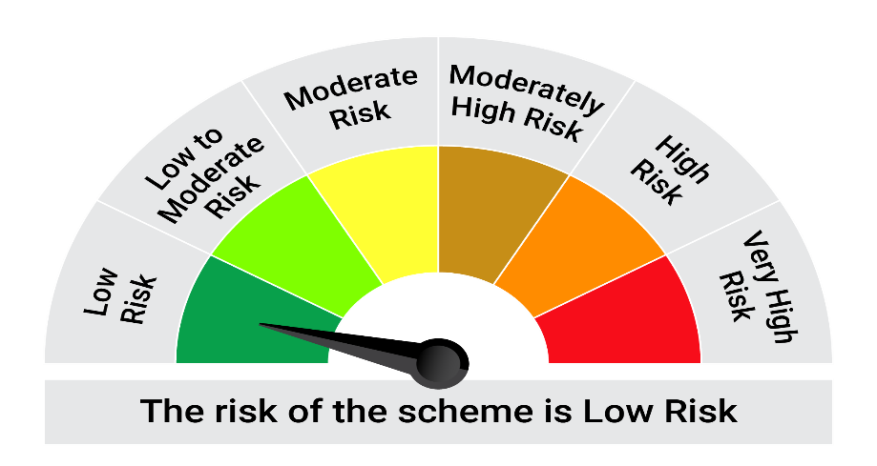
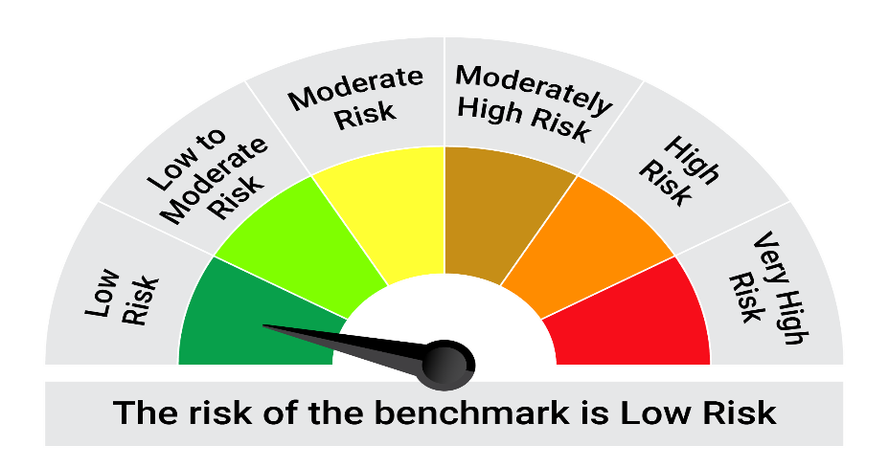
This product is suitable for investors who are seeking*:• Generation of reasonable returns over short to medium term • Investment predominantly in arbitrage opportunities in the cash and derivatives segments of the equity markets; and debt and money market instrument.

*Investors should consult their financial advisers if in doubt about whether the product is suitable for them.

Mutual fund investments are subject to market risks, read all scheme realted documents carefully. |  |  | Scheme Benchmark: Nifty 50 Arbitrage Index

Please note that the above risk-o-meter is as per the product labelling of the scheme available as on the date of this communication/ disclosure. as per SEBI circular dated May 19, 2023 on product labelling (as amended from time to time), risk-o-meters will be calculated on a monthly basis based on the risk values of the respective scheme's portfolio based on the methodology specified by SEBI in the above stated circular. The AMC shall disclose the risk-o-meters along with portfolio disclosure for all their schemes on their respective website and on AMFI website within 10 days from the close of each month. Any change in risk-o-meter shall be communicated by way of Notice cum Addendum and by way of an e-mail or SMS to unitholders of that particular Scheme.

Disclaimer


