HELBAF
HSBC Mutual Fund
HSBC Balanced Advantage Fund
HSBC Balanced Advantage Fund(An open ended dynamic asset allocation fund.)
Portfolio Statement as of March 31, 2026

Name of the Instrument | ISIN | Rating/Industries | Quantity | Market Value (Rs in Lacs) | Percentage to Net Assets | Yield of the Instrument (%) | YTC @ |  | Maturity Date
 |  |  |  |  |  |  | CRISIL | ICRA
Equity & Equity Related Instruments
Equity Shares
Listed / Awaiting listing on Stock Exchanges
Axis Bank Limited | INE238A01034 | Banks | 647,500.00 | 7,519.42 | 5.19%
HDFC Bank Limited | INE040A01034 | Banks | 1,003,150.00 | 7,338.54 | 5.07%
ICICI Bank Limited | INE090A01021 | Banks | 412,700.00 | 4,976.75 | 3.44%
Aurobindo Pharma Limited | INE406A01037 | Pharmaceuticals & Biotechnology | 372,900.00 | 4,864.11 | 3.36%
Kotak Mahindra Bank Limited | INE237A01036 | Banks | 1,335,000.00 | 4,717.89 | 3.26%
Reliance Industries Limited | INE002A01018 | Petroleum Products | 350,000.00 | 4,703.65 | 3.25%
Eternal Limited | INE758T01015 | Retailing | 1,695,750.00 | 3,882.93 | 2.68%
DLF Limited | INE271C01023 | Realty | 683,100.00 | 3,443.51 | 2.38%
The Tata Power Company Limited | INE245A01021 | Power | 809,100.00 | 3,064.47 | 2.12%
Shriram Finance Limited | INE721A01047 | Finance | 350,000.00 | 3,052.35 | 2.11%
Larsen & Toubro Limited | INE018A01030 | Construction | 80,000.00 | 2,803.28 | 1.94%
Bharat Electronics Limited | INE263A01024 | Aerospace & Defense | 627,000.00 | 2,512.08 | 1.74%
Infosys Limited | INE009A01021 | IT - Software | 200,000.00 | 2,501.20 | 1.73%
Sun Pharmaceutical Industries Limited | INE044A01036 | Pharmaceuticals & Biotechnology | 106,850.00 | 1,877.57 | 1.30%
State Bank of India | INE062A01020 | Banks | 185,250.00 | 1,814.34 | 1.25%
Polycab India Limited | INE455K01017 | Industrial Products | 25,000.00 | 1,710.88 | 1.18%
GE Vernova T&D India Limited | INE200A01026 | Electrical Equipment | 40,000.00 | 1,456.16 | 1.01%
RBL Bank Limited | INE976G01028 | Banks | 500,000.00 | 1,448.75 | 1.00%
Max Healthcare Institute Limited | INE027H01010 | Healthcare Services | 150,000.00 | 1,443.45 | 1.00%
LG Electronics India Limited | INE324D01010 | Consumer Durables | 100,000.00 | 1,441.00 | 1.00%
Mahindra & Mahindra Limited | INE101A01026 | Automobiles | 48,000.00 | 1,418.26 | 0.98%
United Spirits Limited | INE854D01024 | Beverages | 114,800.00 | 1,399.18 | 0.97%
Aditya Vision Ltd | INE679V01027 | Retailing | 275,000.00 | 1,314.78 | 0.91%
Radico Khaitan Limited | INE944F01028 | Beverages | 50,000.00 | 1,314.65 | 0.91%
SWIGGY LIMITED | INE00H001014 | Retailing | 500,000.00 | 1,300.25 | 0.90%
Abbott India Limited | INE358A01014 | Pharmaceuticals & Biotechnology | 5,000.00 | 1,295.75 | 0.90%
Time Technoplast Limited | INE508G01029 | Industrial Products | 800,000.00 | 1,267.36 | 0.88%
Neuland Laboratories Ltd | INE794A01010 | Pharmaceuticals & Biotechnology | 10,000.00 | 1,202.70 | 0.83%
Britannia Industries Limited | INE216A01030 | Food Products | 20,000.00 | 1,084.60 | 0.75%
Sri Lotus Developers And Realty Limited | INE0V9Q01010 | Realty | 1,000,000.00 | 1,028.40 | 0.71%
Eicher Motors Limited | INE066A01021 | Automobiles | 15,000.00 | 987.90 | 0.68%
Varun Beverages Limited | INE200M01039 | Beverages | 250,000.00 | 960.25 | 0.66%
UTI ASSET MANAGEMENT COMPANY LTD | INE094J01016 | Capital Markets | 100,000.00 | 937.35 | 0.65%
Hindalco Industries Limited | INE038A01020 | Non - Ferrous Metals | 105,000.00 | 928.67 | 0.64%
NTPC Limited | INE733E01010 | Power | 250,000.00 | 926.63 | 0.64%
Tech Mahindra Limited | INE669C01036 | IT - Software | 60,000.00 | 830.40 | 0.57%
ITC Limited | INE154A01025 | Diversified FMCG | 284,800.00 | 819.37 | 0.57%
Tata Motors Commercial Vehicles Limited | INE1TAE01010 | Agricultural, Commercial & Construction Vehicles | 200,000.00 | 789.60 | 0.55%
BIKAJI FOODS INTERNATIONAL LIMITED | INE00E101023 | Food Products | 125,000.00 | 777.44 | 0.54%
PNB Housing Finance Limited | INE572E01012 | Finance | 100,000.00 | 755.05 | 0.52%
Oil India Limited | INE274J01014 | Oil | 150,000.00 | 713.18 | 0.49%
PG Electroplast Limited | INE457L01029 | Consumer Durables | 150,000.00 | 704.85 | 0.49%
Ashok Leyland Limited | INE208A01029 | Agricultural, Commercial & Construction Vehicles | 450,000.00 | 693.59 | 0.48%
Vinati Organics Limited | INE410B01037 | Chemicals & Petrochemicals | 50,000.00 | 662.15 | 0.46%
SBI Cards and Payment Services Limited | INE018E01016 | Finance | 100,000.00 | 635.45 | 0.44%
IIFL Capital Services Limited | INE489L01022 | Capital Markets | 250,000.00 | 610.38 | 0.42%
Bharti Airtel Limited | INE397D01024 | Telecom - Services | 33,000.00 | 588.19 | 0.41%
UltraTech Cement Limited | INE481G01011 | Cement & Cement Products | 5,200.00 | 558.74 | 0.39%
Canara Robeco Mutual Fund | INE218I01013 | Capital Markets | 250,000.00 | 543.13 | 0.38%
Bharat Bijlee Ltd. | INE464A01036 | Electrical Equipment | 25,000.00 | 517.23 | 0.36%
Devyani International Limited | INE872J01023 | Leisure Services | 500,000.00 | 472.95 | 0.33%
SAFARI INDUSTRIES (INDIA) LIMITED | INE429E01023 | Consumer Durables | 30,000.00 | 429.30 | 0.30%
FIRSTSOURCE SOLUTIONS LTD | INE684F01012 | Commercial Services & Supplies | 200,000.00 | 408.78 | 0.28%
Coforge Limited | INE591G01025 | IT - Software | 30,000.00 | 334.41 | 0.23%
Exide Industries Limited | INE302A01020 | Auto Components | 70,200.00 | 202.11 | 0.14%
Total |  |  |  | 95,985.36 | 66.37%
Debt Instruments
Fixed rates bonds - Corporate
Listed / Awaiting listing on Stock Exchanges
REC Limited** | INE020B08FR6 | CRISIL AAA | 3,200,000.00 | 3,218.59 | 2.22% | 7.48 |  |  | 29-Feb-28
NABARD^ | INE261F08EH1 | CRISIL AAA | 2,500,000.00 | 2,674.17 | 1.85% | 7.55 |  |  | 10-May-29
National Housing Bank** | INE557F08FY4 | CRISIL AAA | 2,500,000.00 | 2,663.85 | 1.84% | 7.42 |  |  | 14-Jul-27
SIDBI^ | INE556F08KX8 | CRISIL AAA | 2,500,000.00 | 2,646.32 | 1.83% | 7.54 |  |  | 11-Jun-29
REC Limited** | INE020B08FG9 | ICRA AAA | 2,500,000.00 | 2,575.12 | 1.78% | 7.64 |  |  | 31-Aug-35
Power Finance Corporation Limited** | INE134E08II2 | CRISIL AAA | 2,000,000.00 | 2,092.57 | 1.45% | 7.54 |  |  | 14-Aug-26
SIDBI** | INE556F08KL3 | CRISIL AAA | 1,000,000.00 | 1,032.94 | 0.71% | 7.57 |  |  | 24-Nov-28
Total |  |  |  | 16,903.56 | 11.68%
Securitised Debt
Listed / Awaiting listing on Stock Exchanges
India Universal Trust AL2** | INE1CBK15037 | IND AAA(SO) | 2,701,324.03 | 2,531.94 | 1.75% | 8.48 |  |  | 21-Nov-30
Siddhivinayak Securitisation Trust** | INE2I7F15012 | CRISIL AAA(SO) | 2,500,000.00 | 2,461.01 | 1.70% | 7.89 |  |  | 28-Sep-30
Total |  |  |  | 4,992.95 | 3.45%
Government Securities
7.06% GOI - 10-Apr-2028 | IN0020230010 | SOVEREIGN | 4,800,000.00 | 5,019.61 | 3.47% | 6.51 |  |  | 10-Apr-28
7.37% GOI 23OCT2028 | IN0020230101 | SOVEREIGN | 4,000,000.00 | 4,228.60 | 2.92% | 6.4 |  |  | 23-Oct-28
7.18% GOI - 14-Aug-2033 | IN0020230085 | SOVEREIGN | 2,500,000.00 | 2,535.95 | 1.75% | 7.22 |  |  | 14-Aug-33
6.48% GOI 06Oct2035 | IN0020250091 | SOVEREIGN | 2,250,000.00 | 2,237.60 | 1.55% | 7.14 |  |  | 6-Oct-35
7.75% Tamil Nadu SDL - 10-Aug-2032 | IN3120220113 | SOVEREIGN | 1,500,000.00 | 1,540.62 | 1.06% | 7.56 |  |  | 10-Aug-32
7.38% GOI MAT 20-Jun-2027 | IN0020220037 | SOVEREIGN | 1,000,000.00 | 1,038.73 | 0.72% | 5.9 |  |  | 20-Jun-27
7.61% Tamil Nadu SDL - 28-Aug-2032 | IN3120220147 | SOVEREIGN | 1,000,000.00 | 1,016.19 | 0.70% | 7.56 |  |  | 30-Aug-32
7.32% GOI - 13-Nov-2030 | IN0020230135 | SOVEREIGN | 500,000.00 | 522.16 | 0.36% | 7.02 |  |  | 13-Nov-30
Total |  |  |  | 18,139.46 | 12.53%
Money Market Instruments
Certificate of Deposit
Privately Placed/Unlisted
ICICI Bank Limited** | INE090AD6287 | ICRA A1+ | 500,000.00 | 470.57 | 0.33% | 7.2 |  |  | 12-Feb-27
Total |  |  |  | 470.57 | 0.33%
Treps |  |  |  | 4,484.72 | 3.10% | 6.06 |  |  | 2-Apr-26
Net Current Assets (including cash & bank balances) |  |  |  | 3,792.71 | 2.54% | 6.06
Total Net Assets as on 31-March-2026 |  |  |  | 144,769.33 | 100.00%
Market Value includes accrued interest
** Securities are classified as non-traded on the basis of Traded data as on MAR 30, 2026 provided by CRISIL and ICRA.
^ Securities are classified as traded on the basis of Traded data as on MAR 30, 2026 provided by CRISIL and ICRA.

HSBC Balanced Advantage Fund |  | Scheme Riskometer |  | Scheme Benchmark Riskometer

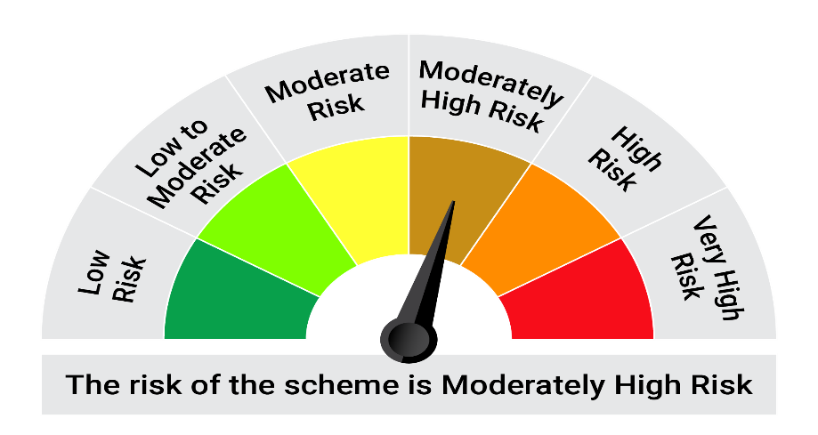

This product is suitable for investors who are seeking*: • Long term capital appreciation and generation of reasonable returns • Investment in equity and equity related instruments, derivatives and debt and money market instruments.

*Investors should consult their financial advisers if in doubt about whether the product is suitable for them.

Mutual fund investments are subject to market risks, read all scheme realted documents carefully. |  |  | Scheme Benchmark: Nifty 50 Hybrid composite debt 50:50 Index

Please note that the above risk-o-meter is as per the product labelling of the scheme available as on the date of this communication/ disclosure. as per SEBI circular dated May 19, 2023 on product labelling (as amended from time to time), risk-o-meters will be calculated on a monthly basis based on the risk values of the respective scheme's portfolio based on the methodology specified by SEBI in the above stated circular. The AMC shall disclose the risk-o-meters along with portfolio disclosure for all their schemes on their respective website and on AMFI website within 10 days from the close of each month. Any change in risk-o-meter shall be communicated by way of Notice cum Addendum and by way of an e-mail or SMS to unitholders of that particular Scheme.

Disclaimer


