HDLBPDF
HSBC Mutual Fund
HSBC Banking and PSU Debt Fund
(An open ended debt scheme primarily investing in debt instruments of banks, public sector undertakings, public financial institutions and municipal bonds. A relatively high interest rate risk and relatively low credit risk)
Portfolio Statement as of March 31, 2026

Name of the Instrument | ISIN | Rating/Industries | Quantity | Market Value (Rs in Lacs) | Percentage to Net Assets | Yield of the Instrument (%) | YTC @ |  | Maturity Date
 |  |  |  |  |  |  | CRISIL | ICRA
Debt Instruments
Fixed rates bonds - Corporate
Listed / Awaiting listing on Stock Exchanges
Indian Oil Corporation Limited** | INE242A08551 | CRISIL AAA | 15,000,000.00 | 15,802.99 | 3.98% | 7.3 |  |  | 16-Jul-29
EXIM Bank** | INE514E08GE8 | CRISIL AAA | 15,000,000.00 | 15,175.90 | 3.82% | 7.42 |  |  | 27-Jul-28
Indian Railway Finance Corporation Ltd** | INE053F07BD9 | CRISIL AAA | 10,000,000.00 | 10,587.03 | 2.67% | 7.5 |  |  | 25-Mar-29
Power Finance Corporation Limited** | INE134E08NL6 | CRISIL AAA | 10,500,000.00 | 10,575.96 | 2.66% | 7.47 |  |  | 15-Apr-28
Housing and Urban Development Corp. Ltd.** | INE031A08988 | ICRA AAA | 10,000,000.00 | 10,358.24 | 2.61% | 7.4 |  |  | 6-Jun-28
SIDBI** | INE556F08KU4 | CRISIL AAA | 10,000,000.00 | 10,257.60 | 2.58% | 7.51 |  |  | 12-Jun-28
Bharti Telecom Limited^ | INE403D08298 | CRISIL AAA | 10,000,000.00 | 9,956.47 | 2.51% | 8.05 |  |  | 1-Feb-29
SIDBI** | INE556F08KY6 | CRISIL AAA | 9,000,000.00 | 8,968.39 | 2.26% | 7.56 |  |  | 21-Mar-30
National Housing Bank** | INE557F08GC8 | IND AAA | 8,500,000.00 | 8,528.57 | 2.15% | 7.52 |  |  | 4-Jul-31
Housing and Urban Development Corp. Ltd.** | INE031A08996 | ICRA AAA | 7,500,000.00 | 7,727.47 | 1.95% | 7.43 |  |  | 17-Jul-28
Bajaj Finance Limited^ | INE296A07TF2 | CRISIL AAA | 7,500,000.00 | 7,668.42 | 1.93% | 7.85 |  |  | 10-Dec-27
NABARD** | INE261F08EK5 | CRISIL AAA | 7,500,000.00 | 7,543.31 | 1.90% | 7.52 |  |  | 24-Feb-28
EXIM Bank** | INE514E08GC2 | CRISIL AAA | 7,500,000.00 | 7,529.78 | 1.90% | 7.4 |  |  | 14-Mar-29
Power Finance Corporation Limited^ | INE134E08NP7 | CRISIL AAA | 7,500,000.00 | 7,524.78 | 1.89% | 7.46 |  |  | 15-Jul-28
Indian Railway Finance Corporation Ltd** | INE053F07AZ4 | CRISIL AAA | 6,500,000.00 | 6,890.99 | 1.73% | 7.5 |  |  | 8-Jan-29
SIDBI^ | INE556F08KR0 | CRISIL AAA | 6,000,000.00 | 6,235.61 | 1.57% | 7.56 |  |  | 5-Sep-29
Indian Railway Finance Corporation Ltd** | INE053F08320 | CRISIL AAA | 5,000,000.00 | 5,359.39 | 1.35% | 7.46 |  |  | 13-Oct-28
REC Limited** | INE020B08FA2 | CRISIL AAA | 5,000,000.00 | 5,321.69 | 1.34% | 7.47 |  |  | 31-May-27
REC Limited** | INE020B08FD6 | ICRA AAA | 5,000,000.00 | 5,319.56 | 1.34% | 7.54 |  |  | 31-May-29
NABARD** | INE261F08EL3 | CRISIL AAA | 5,000,000.00 | 5,298.24 | 1.33% | 7.65 |  |  | 29-Apr-30
HDFC Bank Limited** | INE040A08393 | CRISIL AAA | 5,000,000.00 | 5,205.37 | 1.31% | 7.61 |  |  | 28-Dec-28
Indian Railway Finance Corporation Ltd** | INE053F08353 | CRISIL AAA | 5,000,000.00 | 5,181.47 | 1.30% | 7.51 |  |  | 18-Apr-29
SIDBI** | INE556F08KT6 | CRISIL AAA | 5,000,000.00 | 5,155.62 | 1.30% | 7.51 |  |  | 10-Apr-28
REC Limited** | INE020B08FR6 | CRISIL AAA | 5,000,000.00 | 5,029.05 | 1.27% | 7.48 |  |  | 29-Feb-28
Bajaj Housing Finance Ltd** | INE377Y07557 | CRISIL AAA | 5,000,000.00 | 5,013.51 | 1.26% | 7.56 |  |  | 26-Feb-27
National Housing Bank** | INE557F08GA2 | CRISIL AAA | 5,000,000.00 | 4,976.23 | 1.25% | 7.63 |  |  | 17-Nov-34
REC Limited** | INE020B08FW6 | ICRA AAA | 5,000,000.00 | 4,972.40 | 1.25% | 7.48 |  |  | 31-Jan-28
Embassy Office Parks REIT** | INE041007175 | CRISIL AAA | 5,000,000.00 | 4,955.35 | 1.25% | 7.91 |  |  | 16-May-28
NABARD^ | INE261F08EO7 | CRISIL AAA | 4,000,000.00 | 4,154.40 | 1.05% | 7.54 |  |  | 15-Sep-28
Indian Railway Finance Corporation Ltd** | INE053F07CQ9 | CRISIL AAA | 4,000,000.00 | 4,013.83 | 1.01% | 7.68 |  |  | 6-Jul-35
Indian Railway Finance Corporation Ltd** | INE053F07BU3 | CRISIL AAA | 3,000,000.00 | 3,213.86 | 0.81% | 7.52 |  |  | 13-Aug-29
Power Grid Corporation of India Limited** | INE752E08601 | CRISIL AAA | 3,000,000.00 | 3,104.88 | 0.78% | 7.38 |  |  | 25-Oct-29
Indian Railway Finance Corporation Ltd** | INE053F07BA5 | CRISIL AAA | 2,500,000.00 | 2,663.97 | 0.67% | 7.5 |  |  | 21-Feb-29
Power Finance Corporation Limited** | INE134E08NO0 | CRISIL AAA | 2,500,000.00 | 2,506.09 | 0.63% | 7.55 |  |  | 15-Jan-30
Power Finance Corporation Limited^ | INE134E08KL2 | CRISIL AAA | 2,500,000.00 | 2,505.72 | 0.63% | 7.55 |  |  | 25-Feb-30
NABARD^ | INE261F08EM1 | ICRA AAA | 2,500,000.00 | 2,503.54 | 0.63% | 7.54 |  |  | 24-Mar-28
Embassy Office Parks REIT** | INE041007167 | CRISIL AAA | 2,500,000.00 | 2,480.02 | 0.62% | 7.88 |  |  | 17-Mar-28
SIDBI** | INE556F08KL3 | CRISIL AAA | 2,000,000.00 | 2,065.87 | 0.52% | 7.57 |  |  | 24-Nov-28
NABARD^ | INE261F08EJ7 | ICRA AAA | 2,000,000.00 | 2,053.20 | 0.52% | 7.55 |  |  | 6-Dec-29
NABARD** | INE261F08BX4 | ICRA AAA | 2,000,000.00 | 2,018.95 | 0.51% | 7.65 |  |  | 31-Jan-30
Embassy Office Parks REIT** | INE041007183 | CRISIL AAA | 1,800,000.00 | 1,786.02 | 0.45% | 8.06 |  |  | 19-Mar-27
Power Grid Corporation of India Limited** | INE752E07LC0 | CRISIL AAA | 1,000,000.00 | 1,089.26 | 0.27% | 7.33 |  |  | 15-Jul-28
Kotak Mahindra Bank Limited** | INE237A08940 | CRISIL AAA | 500,000.00 | 500.67 | 0.13% | 7.66 |  |  | 28-Apr-26
Total |  |  |  | 249,779.67 | 62.89%
Securitised Debt
Listed / Awaiting listing on Stock Exchanges
Shivshakti Securitisation Trust** | INE2I7G15010 | CRISIL AAA(SO) | 8,500,000.00 | 8,361.92 | 2.11% | 7.8 |  |  | 28-Sep-29
Siddhivinayak Securitisation Trust** | INE2I7F15012 | CRISIL AAA(SO) | 4,000,000.00 | 3,937.61 | 0.99% | 7.89 |  |  | 28-Sep-30
Total |  |  |  | 12,299.53 | 3.10%
Government Securities
7.04% GOI - 03-Jun-2029 | IN0020240050 | SOVEREIGN | 9,500,000.00 | 9,852.73 | 2.48% | 6.64 |  |  | 3-Jun-29
7.49% Maharashtra SDL - 12-Apr-2030 | IN2220230022 | SOVEREIGN | 5,500,000.00 | 5,753.90 | 1.45% | 7.3 |  |  | 12-Apr-30
7.26% GOI MAT 06-Feb-2033 | IN0020220151 | SOVEREIGN | 5,000,000.00 | 5,137.24 | 1.29% | 7.07 |  |  | 6-Feb-33
7.61% Gujarat SDL - 03-Aug-2032 | IN1520220071 | SOVEREIGN | 5,000,000.00 | 5,106.70 | 1.29% | 7.56 |  |  | 3-Aug-32
7.07% Gujarat SDL - 15-Oct-2034 | IN1520250169 | SOVEREIGN | 5,000,000.00 | 5,006.21 | 1.26% | 7.72 |  |  | 15-Oct-34
6.78% Maharashtra SDL - 25-May-2031 | IN2220210073 | SOVEREIGN | 5,000,000.00 | 5,000.73 | 1.26% | 7.47 |  |  | 25-May-31
6.48% GOI 06Oct2035 | IN0020250091 | SOVEREIGN | 5,013,000.00 | 4,985.37 | 1.26% | 7.14 |  |  | 6-Oct-35
7.67% Karnataka SDL - 16-Nov-2032 | IN1920220028 | SOVEREIGN | 2,500,000.00 | 2,603.20 | 0.66% | 7.56 |  |  | 16-Nov-32
7.49% Karnataka SDL - 04-Feb-2035 | IN1920250165 | SOVEREIGN | 2,500,000.00 | 2,508.64 | 0.63% | 7.77 |  |  | 4-Feb-35
7.50% Tamil Nadu SDL - 28-Jan-2036 | IN3120250664 | SOVEREIGN | 2,500,000.00 | 2,503.46 | 0.63% | 7.82 |  |  | 28-Jan-36
7.09% Karnataka SDL - 16-Oct-2035 | IN1920240075 | SOVEREIGN | 2,500,000.00 | 2,492.42 | 0.63% | 7.77 |  |  | 16-Oct-35
7.09% Gujarat SDL - 23-Feb-2032 | IN1520210205 | SOVEREIGN | 2,500,000.00 | 2,479.25 | 0.62% | 7.56 |  |  | 23-Feb-32
7.40% Gujarat SDL - 25-Feb-2036 | IN1520250318 | SOVEREIGN | 2,500,000.00 | 2,472.00 | 0.62% | 7.82 |  |  | 25-Feb-36
7.40% Gujarat SDL - 04-Mar-2036 | IN1520250334 | SOVEREIGN | 2,500,000.00 | 2,467.35 | 0.62% | 7.82 |  |  | 4-Mar-36
6.01% GOI 21Jul2030 | IN0020250067 | SOVEREIGN | 2,500,000.00 | 2,459.28 | 0.62% | 6.88 |  |  | 21-Jul-30
6.64% Tamil Nadu SDL - 11-Mar-2029 | IN3120250797 | SOVEREIGN | 1,472,200.00 | 1,468.85 | 0.37% | 6.98 |  |  | 11-Mar-29
7.47% Karnataka SDL - 25-Aug-2036 | IN1920250256 | SOVEREIGN | 1,000,000.00 | 993.20 | 0.25% | 7.82 |  |  | 25-Aug-36
7.47% Gujarat SDL - 28-Jan-2036 | IN1520250268 | SOVEREIGN | 569,000.00 | 568.59 | 0.14% | 7.82 |  |  | 28-Jan-36
Total |  |  |  | 63,859.12 | 16.08%
Money Market Instruments
Certificate of Deposit
Privately Placed/Unlisted
HDFC Bank Limited^ | INE040A16IZ6 | CARE A1+ | 13,500,000.00 | 12,626.39 | 3.18% | 7.32 |  |  | 12-Mar-27
Canara Bank** | INE476A16H01 | CRISIL A1+ | 7,500,000.00 | 7,054.29 | 1.78% | 7.28 |  |  | 12-Feb-27
ICICI Bank Limited** | INE090AD6287 | ICRA A1+ | 6,500,000.00 | 6,117.47 | 1.54% | 7.2 |  |  | 12-Feb-27
Axis Bank Limited** | INE238AD6BW9 | CRISIL A1+ | 5,000,000.00 | 4,729.19 | 1.19% | 7.26 |  |  | 14-Jan-27
Union Bank of India** | INE692A16KU1 | IND A1+ | 5,000,000.00 | 4,723.22 | 1.19% | 7.3 |  |  | 19-Jan-27
Canara Bank** | INE476A16G28 | CRISIL A1+ | 5,000,000.00 | 4,718.89 | 1.19% | 7.2 |  |  | 28-Jan-27
NABARD** | INE261F16AH2 | CRISIL A1+ | 5,000,000.00 | 4,717.04 | 1.19% | 7.25 |  |  | 28-Jan-27
Punjab National Bank** | INE160A16UC6 | CRISIL A1+ | 5,000,000.00 | 4,715.84 | 1.19% | 7.28 |  |  | 28-Jan-27
Canara Bank** | INE476A16H35 | CRISIL A1+ | 5,000,000.00 | 4,687.05 | 1.18% | 7.28 |  |  | 2-Mar-27
Axis Bank Limited** | INE238AD6BD9 | CRISIL A1+ | 1,000,000.00 | 974.11 | 0.25% | 7.35 |  |  | 11-Aug-26
Total |  |  |  | 55,063.49 | 13.88%
Commercial Papers
Listed / Awaiting listing on Stock Exchanges
EXIM Bank** | INE514E16CP6 | CRISIL A1+ | 10,000,000.00 | 9,375.06 | 2.36% | 7.28 |  |  | 1-Mar-27
Total |  |  |  | 9,375.06 | 2.36%
Alternative Investment Funds(AIF)
Corp Debt Mkt Devlop Fund (SBI AIF Fund) | INF0RQ622028 | AIF | 11,695.55 | 1,367.53 | 0.34% | 5.72
Total |  |  |  | 1,367.53 | 0.34%
Treps |  |  |  | 5,617.23 | 1.41% | 6.06 |  |  | 2-Apr-26
Net Current Assets (including cash & bank balances) |  |  |  | -172.60 | -0.06% | 6.06
Total Net Assets as on 31-March-2026 |  |  |  | 397,189.03 | 100.00%
Market Value includes accrued interest
** Securities are classified as non-traded on the basis of Traded data as on MAR 30, 2026 provided by CRISIL and ICRA.
^ Securities are classified as traded on the basis of Traded data as on MAR 30, 2026 provided by CRISIL and ICRA.
Aggregate value of investments made by other schemes of HSBC Mutual Fund are amounting to Rs. 7231.53 Lakhs.

Annualised Portfolio YTM ! | 7.45%
Macaulay Duration | 32.20
! in case of semi annual YTM, it will be annualised

HSBC Banking and PSU Debt Fund |  | Scheme Riskometer |  | Scheme Benchmark Riskometer

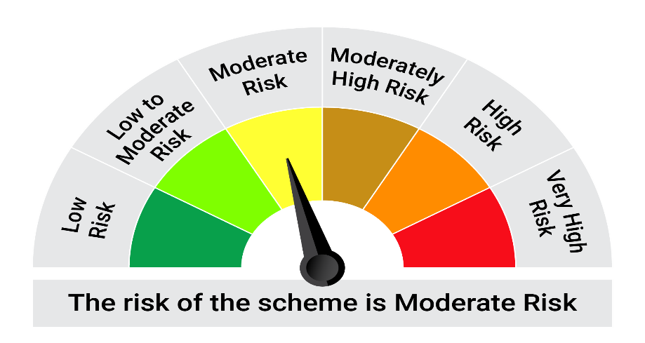
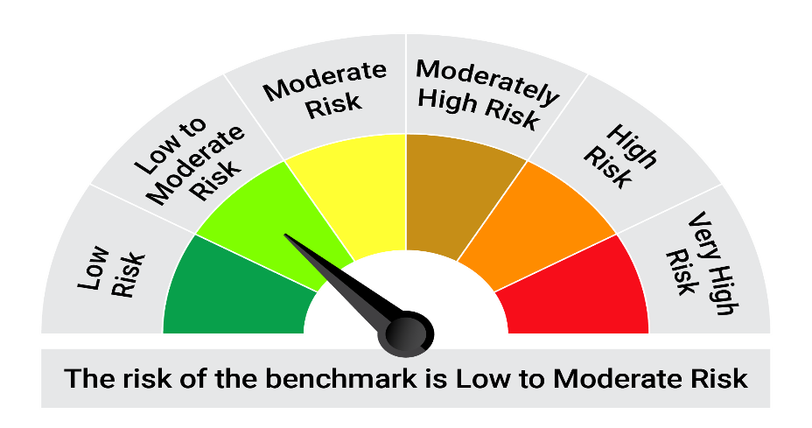
This product is suitable for investors who are seeking*: • Generation of reasonable returns and liquidity over short term. • Investment predominantly in securities issued by Banks, Public Sector Undertakings and Public Financial Institutions and municipal corporations in India.

*Investors should consult their financial advisers if in doubt about whether the product is suitable for them.

Mutual fund investments are subject to market risks, read all scheme realted documents carefully. |  |  | Scheme Benchmark: Nifty Banking and PSU Debt Index A-II

Please note that the above risk-o-meter is as per the product labelling of the scheme available as on the date of this communication/ disclosure. as per SEBI circular dated May 19, 2023 on product labelling (as amended from time to time), risk-o-meters will be calculated on a monthly basis based on the risk values of the respective scheme's portfolio based on the methodology specified by SEBI in the above stated circular. The AMC shall disclose the risk-o-meters along with portfolio disclosure for all their schemes on their respective website and on AMFI website within 10 days from the close of each month. Any change in risk-o-meter shall be communicated by way of Notice cum Addendum and by way of an e-mail or SMS to unitholders of that particular Scheme.

Disclaimer


