HDMIPS
HSBC Mutual Fund
HSBC Conservative Hybrid Fund
HSBC Conservative Hybrid Fund(An open ended hybrid scheme investing predominantly in debt instruments.)
Portfolio Statement as of March 31, 2026

Name of the Instrument | ISIN | Rating/Industries | Quantity | Market Value (Rs in Lacs) | Percentage to Net Assets | Yield of the Instrument (%) | YTC @ |  | Maturity Date
 |  |  |  |  |  |  | CRISIL | ICRA
Equity & Equity Related Instruments
Equity Shares
Listed / Awaiting listing on Stock Exchanges
GE Vernova T&D India Limited | INE200A01026 | Electrical Equipment | 14,000.00 | 509.66 | 3.80%
Billionbrains Garage Ventures Ltd. | INE0HOQ01053 | Capital Markets | 200,000.00 | 300.24 | 2.24%
The Federal Bank Limited | INE171A01029 | Banks | 90,000.00 | 233.46 | 1.74%
KEI Industries Limited | INE878B01027 | Industrial Products | 3,132.00 | 126.47 | 0.94%
Bharat Electronics Limited | INE263A01024 | Aerospace & Defense | 30,000.00 | 120.20 | 0.90%
CG Power And Industrial Solutions Ltd | INE067A01029 | Electrical Equipment | 15,000.00 | 98.26 | 0.73%
PERSISTENT SYSTEMS LTD | INE262H01021 | IT - Software | 2,000.00 | 97.54 | 0.73%
Larsen & Toubro Limited | INE018A01030 | Construction | 2,500.00 | 87.60 | 0.65%
ICICI Bank Limited | INE090A01021 | Banks | 7,000.00 | 84.41 | 0.63%
Cholamandalam Invest & Finance Co Ltd | INE121A01024 | Finance | 5,800.00 | 78.57 | 0.59%
Siemens Limited | INE003A01024 | Electrical Equipment | 2,500.00 | 73.38 | 0.55%
Kaynes Technology India Private Ltd | INE918Z01012 | Industrial Manufacturing | 2,000.00 | 68.59 | 0.51%
Siemens Energy India Limited | INE1NPP01017 | Electrical Equipment | 2,500.00 | 64.14 | 0.48%
SAFARI INDUSTRIES (INDIA) LIMITED | INE429E01023 | Consumer Durables | 4,400.00 | 62.96 | 0.47%
Aditya Vision Ltd | INE679V01027 | Retailing | 7,500.00 | 35.86 | 0.27%
KPIT Technologies Limited | INE04I401011 | IT - Software | 3,000.00 | 19.04 | 0.14%
Infosys Limited | INE009A01021 | IT - Software | 1,230.00 | 15.38 | 0.11%
Trent Limited | INE849A01020 | Retailing | 400.00 | 13.18 | 0.10%
Sundaram Finance Limited | INE660A01013 | Finance | 282.00 | 12.34 | 0.09%
Suzlon Energy Limited | INE040H01021 | Electrical Equipment | 15,000.00 | 5.93 | 0.04%
HDFC Bank Limited | INE040A01034 | Banks | 672.00 | 4.92 | 0.04%
TD Power Systems Limited | INE419M01027 | Electrical Equipment | 348.00 | 2.96 | 0.02%
ABB India Limited | INE117A01022 | Electrical Equipment | 44.00 | 2.61 | 0.02%
Medi Assist Healthcare Services Limited | INE456Z01021 | Insurance | 456.00 | 1.35 | 0.01%
Total |  |  |  | 2,119.05 | 15.80%
Debt Instruments
Fixed rates bonds - Corporate
Listed / Awaiting listing on Stock Exchanges
NABARD^ | INE261F08EO7 | CRISIL AAA | 1,000,000.00 | 1,038.60 | 7.74% | 7.54 |  |  | 15-Sep-28
REC Limited** | INE020B08FR6 | CRISIL AAA | 1,000,000.00 | 1,005.81 | 7.49% | 7.48 |  |  | 29-Feb-28
SIDBI^ | INE556F08KR0 | CRISIL AAA | 500,000.00 | 519.63 | 3.87% | 7.56 |  |  | 5-Sep-29
Power Finance Corporation Limited** | INE134E08NL6 | CRISIL AAA | 500,000.00 | 503.62 | 3.75% | 7.47 |  |  | 15-Apr-28
Total |  |  |  | 3,067.66 | 22.85%
Government Securities
7.75% Tamil Nadu SDL - 10-Aug-2032 | IN3120220113 | SOVEREIGN | 1,000,000.00 | 1,027.08 | 7.65% | 7.56 |  |  | 10-Aug-32
7.58% Tamil Nadu SDL - 11-Feb-2037 | IN3120250714 | SOVEREIGN | 1,000,000.00 | 999.29 | 7.44% | 7.88 |  |  | 11-Feb-37
7.12% Gujarat SDL - 02-Mar-2032 | IN1520210213 | SOVEREIGN | 1,000,000.00 | 991.33 | 7.38% | 7.56 |  |  | 2-Mar-32
7.10% GOI - 18-Apr-2029 | IN0020220011 | SOVEREIGN | 500,000.00 | 524.33 | 3.91% | 6.6 |  |  | 18-Apr-29
7.32% GOI - 13-Nov-2030 | IN0020230135 | SOVEREIGN | 500,000.00 | 522.16 | 3.89% | 7.02 |  |  | 13-Nov-30
7.61% Tamil Nadu SDL - 28-Aug-2032 | IN3120220147 | SOVEREIGN | 500,000.00 | 508.09 | 3.78% | 7.56 |  |  | 30-Aug-32
6.79% GOI - 07-Oct-2034 | IN0020240126 | SOVEREIGN | 500,000.00 | 507.75 | 3.78% | 7.19 |  |  | 7-Oct-34
7.44% Karnataka SDL - 25-Feb-2036 | IN1920250249 | SOVEREIGN | 500,000.00 | 495.79 | 3.69% | 7.82 |  |  | 25-Feb-36
7.48% Karnataka SDL - 09-Sep-2037 | IN1920250280 | SOVEREIGN | 500,000.00 | 493.28 | 3.67% | 7.88 |  |  | 4-Sep-37
6.01% GOI 21Jul2030 | IN0020250067 | SOVEREIGN | 400,000.00 | 393.48 | 2.93% | 6.88 |  |  | 21-Jul-30
6.48% GOI 06Oct2035 | IN0020250091 | SOVEREIGN | 300,000.00 | 298.35 | 2.22% | 7.14 |  |  | 6-Oct-35
7.48% Maharashtra SDL - 25-Feb-2037 | IN2220250483 | SOVEREIGN | 131,000.00 | 129.55 | 0.96% | 7.88 |  |  | 25-Feb-37
7.09% GOI 25-Nov-2074 | IN0020240142 | SOVEREIGN | 9,900.00 | 9.24 | 0.07% | 7.97 |  |  | 25-Nov-74
Total |  |  |  | 6,899.72 | 51.37%
Money Market Instruments
Certificate of Deposit
Privately Placed/Unlisted
HDFC Bank Limited^ | INE040A16IZ6 | CARE A1+ | 500,000.00 | 467.64 | 3.48% | 7.32 |  |  | 12-Mar-27
Total |  |  |  | 467.64 | 3.48%
Alternative Investment Funds(AIF)
Corp Debt Mkt Devlop Fund (SBI AIF Fund) | INF0RQ622028 | AIF | 398.95 | 46.65 | 0.35% | 5.72
Total |  |  |  | 46.65 | 0.35%
Treps |  |  |  | 851.19 | 6.34% | 6.06 |  |  | 2-Apr-26
Net Current Assets (including cash & bank balances) |  |  |  | -26.57 | -0.19% | 6.06
Total Net Assets as on 31-March-2026 |  |  |  | 13,425.34 | 100.00%
Market Value includes accrued interest
** Securities are classified as non-traded on the basis of Traded data as on MAR 30, 2026 provided by CRISIL and ICRA.
^ Securities are classified as traded on the basis of Traded data as on MAR 30, 2026 provided by CRISIL and ICRA.

Annualised Portfolio YTM ! | 7.46%
Macaulay Duration | 53.04
! in case of semi annual YTM, it will be annualised

HSBC Conservative Hybrid Fund |  | Scheme Riskometer |  | Scheme Benchmark Riskometer

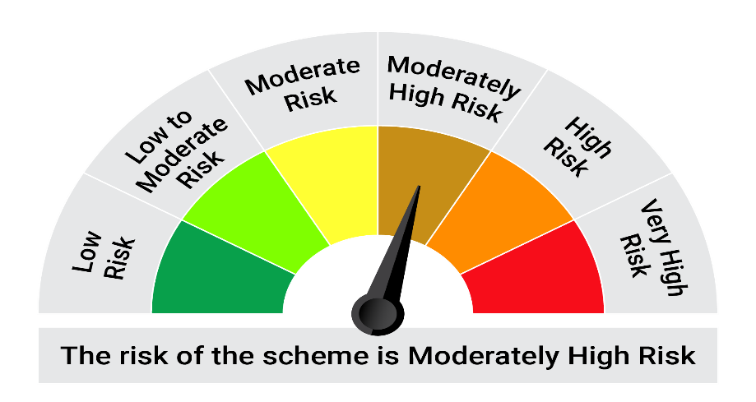
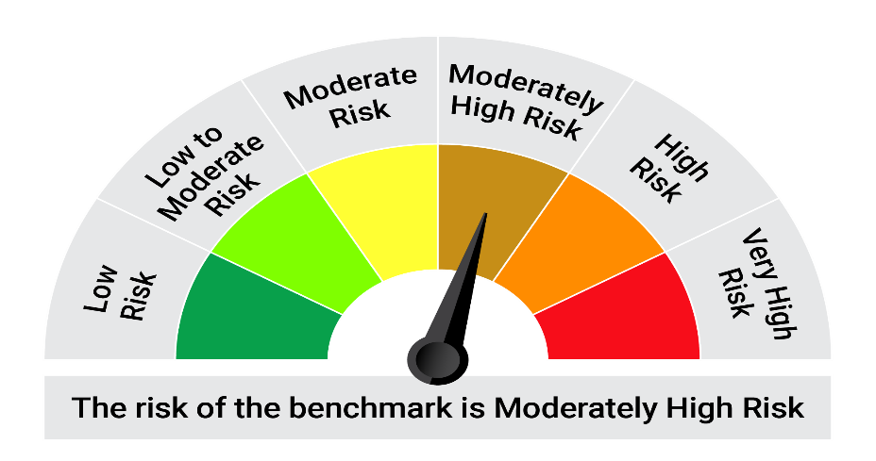
This product is suitable for investors who are seeking*:• Capital appreciation over medium to long term. •Investment in fixed income (debt and money market instruments) as well as equity and equity related securities.

*Investors should consult their financial advisers if in doubt about whether the product is suitable for them.

Mutual fund investments are subject to market risks, read all scheme realted documents carefully. |  |  | Scheme Benchmark: NIFTY 50 Hybrid Composite Debt 15:85 Index

Please note that the above risk-o-meter is as per the product labelling of the scheme available as on the date of this communication/ disclosure. as per SEBI circular dated May 19, 2023 on product labelling (as amended from time to time), risk-o-meters will be calculated on a monthly basis based on the risk values of the respective scheme's portfolio based on the methodology specified by SEBI in the above stated circular. The AMC shall disclose the risk-o-meters along with portfolio disclosure for all their schemes on their respective website and on AMFI website within 10 days from the close of each month. Any change in risk-o-meter shall be communicated by way of Notice cum Addendum and by way of an e-mail or SMS to unitholders of that particular Scheme.

Disclaimer


