HDLMDF
HSBC Mutual Fund
HSBC Medium Duration Fund
(An open ended medium term debt scheme investing in instruments such that the Macaulay duration of the portfolio is between 3 years to 4 years. A relatively high interest rate risk and moderate credit risk.)
Portfolio Statement as of March 31, 2026

Name of the Instrument | ISIN | Rating/Industries | Quantity | Market Value (Rs in Lacs) | Percentage to Net Assets | Yield of the Instrument (%) | YTC @ |  | Maturity Date
 |  |  |  |  |  |  | CRISIL | ICRA
Debt Instruments
Fixed rates bonds - Corporate
Listed / Awaiting listing on Stock Exchanges
LIC Housing Finance Limited^ | INE115A07QZ8 | CRISIL AAA | 4,000,000.00 | 4,141.15 | 5.62% | 7.61 |  |  | 22-Oct-27
Delhi International Airport Limited** | INE657H08035 | ICRA AA | 3,000,000.00 | 3,055.30 | 4.14% | 9.14 |  |  | 22-Aug-30
360 ONE Prime Limited** | INE248U07FW5 | ICRA AA | 2,500,000.00 | 2,682.31 | 3.64% | 8.93 |  |  | 4-Jun-27
Indian Railway Finance Corporation Ltd** | INE053F08320 | CRISIL AAA | 2,500,000.00 | 2,679.70 | 3.64% | 7.46 |  |  | 13-Oct-28
REC Limited** | INE020B08FD6 | ICRA AAA | 2,500,000.00 | 2,659.78 | 3.61% | 7.54 |  |  | 31-May-29
SIDBI** | INE556F08KQ2 | CRISIL AAA | 2,500,000.00 | 2,651.49 | 3.60% | 7.55 |  |  | 10-Sep-27
Aditya Birla Renewables Limited** | INE01QP08016 | CRISIL AA | 2,500,000.00 | 2,615.87 | 3.55% | 8.4 |  |  | 24-Sep-27
Aditya Birla Digital Fashion Venture Ltd** | INE0M8D08016 | CRISIL AA- | 2,500,000.00 | 2,615.05 | 3.55% | 9.24 |  |  | 26-Aug-27
NABARD^ | INE261F08EO7 | CRISIL AAA | 2,500,000.00 | 2,596.50 | 3.52% | 7.54 |  |  | 15-Sep-28
Housing and Urban Development Corp. Ltd.** | INE031A08988 | ICRA AAA | 2,500,000.00 | 2,589.56 | 3.51% | 7.4 |  |  | 6-Jun-28
SIDBI** | INE556F08KL3 | CRISIL AAA | 2,500,000.00 | 2,582.34 | 3.50% | 7.57 |  |  | 24-Nov-28
Vedanta Limited** | INE205A08020 | ICRA AA | 2,500,000.00 | 2,543.89 | 3.45% | 8.97 |  |  | 20-Aug-27
Bajaj Housing Finance Ltd** | INE377Y07557 | CRISIL AAA | 2,500,000.00 | 2,506.76 | 3.40% | 7.56 |  |  | 26-Feb-27
Piramal Finance Ltd** | INE516Y07519 | ICRA AA+ | 2,300,000.00 | 2,355.33 | 3.20% | 8.74 |  |  | 7-Jan-27
MAS Financial Services Limited** | INE348L07324 | CARE AA- | 2,000,000.00 | 2,132.17 | 2.89% | 9.64 |  |  | 15-Jun-27
Motilal Oswal Finvest Ltd.** | INE01WN07128 | CRISIL AA | 2,000,000.00 | 2,110.41 | 2.86% | 8.26 |  |  | 10-Sep-27
NABARD** | INE261F08EI9 | CRISIL AAA | 2,000,000.00 | 2,081.16 | 2.82% | 7.5 |  |  | 30-Sep-27
Jamnagar Utilities & Power Pvt Ltd** | INE936D07182 | CRISIL AAA | 1,800,000.00 | 1,899.16 | 2.58% | 7.66 |  |  | 10-Aug-28
SIDBI** | INE556F08KU4 | CRISIL AAA | 1,500,000.00 | 1,538.64 | 2.09% | 7.51 |  |  | 12-Jun-28
Cube Highway Trust** | INE0NR607058 | ICRA AAA | 1,000,000.00 | 994.47 | 1.35% | 7.77 |  |  | 25-Apr-28
Embassy Office Parks REIT** | INE041007183 | CRISIL AAA | 600,000.00 | 595.34 | 0.81% | 8.06 |  |  | 19-Mar-27
Indostar Capital Finance Limited** | INE896L07AL4 | CARE AA- | 500,000.00 | 537.77 | 0.73% | 9.16 |  |  | 18-Jun-27
Total |  |  |  | 50,164.15 | 68.06%
Zero Coupon Bonds – Corporate
Listed / Awaiting listing on Stock Exchanges
JTPM Metal Traders** | INE02PE08036 | CRISIL AA | 2,500,000.00 | 2,594.80 | 3.52% | 8.67 |  |  | 29-Sep-28
JSW Kalinga Steel Ltd** | INE2QI808033 | CRISIL AA | 2,500,000.00 | 2,507.98 | 3.40% | 8.73 |  |  | 23-Mar-29
Total |  |  |  | 5,102.78 | 6.92%
Securitised Debt
Listed / Awaiting listing on Stock Exchanges
Siddhivinayak Securitisation Trust** | INE2I7F15012 | CRISIL AAA(SO) | 2,500,000.00 | 2,461.01 | 3.34% | 7.89 |  |  | 28-Sep-30
Dhruva XXIV** | INE1AC715019 | ICRA AAA(SO) | 2,700,000.00 | 1,521.40 | 2.06% | 10.05 |  |  | 16-Jan-29
Vajra 011 Trust** | INE116015012 | ICRA AAA(SO) | 2,800,000.00 | 911.52 | 1.24% | 10.08 |  |  | 20-Jul-27
Sansar Trust IX** | INE0REK15015 | ICRA AAA(SO) | 4,600,000.00 | 35.32 | 0.05% | 9.15 |  |  | 18-Jul-26
Total |  |  |  | 4,929.25 | 6.69%
Government Securities
7.58% Tamil Nadu SDL - 11-Feb-2037 | IN3120250714 | SOVEREIGN | 3,000,000.00 | 2,997.86 | 4.07% | 7.88 |  |  | 11-Feb-37
7.75% Tamil Nadu SDL - 10-Aug-2032 | IN3120220113 | SOVEREIGN | 2,500,000.00 | 2,567.71 | 3.48% | 7.56 |  |  | 10-Aug-32
7.49% Karnataka SDL - 04-Feb-2035 | IN1920250165 | SOVEREIGN | 2,500,000.00 | 2,508.64 | 3.40% | 7.77 |  |  | 4-Feb-35
6.01% GOI 21Jul2030 | IN0020250067 | SOVEREIGN | 1,000,000.00 | 983.71 | 1.33% | 6.88 |  |  | 21-Jul-30
6.48% GOI 06Oct2035 | IN0020250091 | SOVEREIGN | 750,000.00 | 745.87 | 1.01% | 7.14 |  |  | 6-Oct-35
7.50% Tamil Nadu SDL - 28-Jan-2036 | IN3120250664 | SOVEREIGN | 500,000.00 | 500.69 | 0.68% | 7.82 |  |  | 28-Jan-36
7.47% Gujarat SDL - 28-Jan-2036 | IN1520250268 | SOVEREIGN | 170,400.00 | 170.28 | 0.23% | 7.82 |  |  | 28-Jan-36
Total |  |  |  | 10,474.76 | 14.20%
Money Market Instruments
Commercial Papers
Listed / Awaiting listing on Stock Exchanges
MUTHOOT FINCORP LTD** | INE549K14CJ7 | CRISIL A1+ | 2,500,000.00 | 2,328.03 | 3.16% | 9.14 |  |  | 21-Jan-27
Total |  |  |  | 2,328.03 | 3.16%
Alternative Investment Funds(AIF)
Corp Debt Mkt Devlop Fund (SBI AIF Fund) | INF0RQ622028 | AIF | 2,006.87 | 234.66 | 0.32% | 5.72
Total |  |  |  | 234.66 | 0.32%
Treps |  |  |  | 479.18 | 0.65% | 6.06 |  |  | 2-Apr-26
Net Current Assets (including cash & bank balances) |  |  |  | 7.20 | 0.00% | 6.06
Total Net Assets as on 31-March-2026 |  |  |  | 73,720.01 | 100.00%
Market Value includes accrued interest
** Securities are classified as non-traded on the basis of Traded data as on MAR 30, 2026 provided by CRISIL and ICRA.
^ Securities are classified as traded on the basis of Traded data as on MAR 30, 2026 provided by CRISIL and ICRA.

Annualised Portfolio YTM ! | 8.16%
Macaulay Duration | 29.42
! in case of semi annual YTM, it will be annualised

HSBC Medium Duration Fund |  | Scheme Riskometer |  | Scheme Benchmark Riskometer

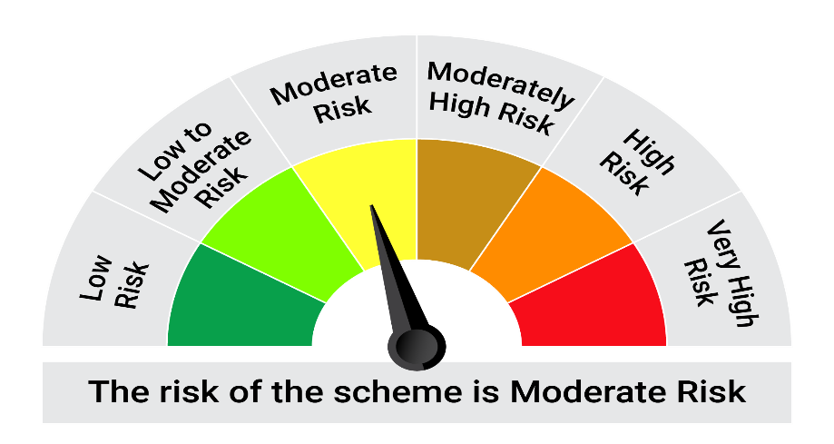

This product is suitable for investors who are seeking*:• Generation of income over medium term • Investment primarily in debt and money market securities

*Investors should consult their financial advisers if in doubt about whether the product is suitable for them.

Mutual fund investments are subject to market risks, read all scheme realted documents carefully. |  |  | Scheme Benchmark: NIFTY Medium Duration Debt Index A-III

Please note that the above risk-o-meter is as per the product labelling of the scheme available as on the date of this communication/ disclosure. as per SEBI circular dated May 19, 2023 on product labelling (as amended from time to time), risk-o-meters will be calculated on a monthly basis based on the risk values of the respective scheme's portfolio based on the methodology specified by SEBI in the above stated circular. The AMC shall disclose the risk-o-meters along with portfolio disclosure for all their schemes on their respective website and on AMFI website within 10 days from the close of each month. Any change in risk-o-meter shall be communicated by way of Notice cum Addendum and by way of an e-mail or SMS to unitholders of that particular Scheme.

Disclaimer


