HDINCF
HSBC Mutual Fund
HSBC Medium to Long Duration Fund
(An open-ended medium to long term debt scheme investing in instruments such that the Macaulay duration of the portfolio is between 4 years to 7 years. A relatively high interest rate risk and relatively Low credit risk.)
Portfolio Statement as of March 31, 2026

Name of the Instrument | ISIN | Rating/Industries | Quantity | Market Value (Rs in Lacs) | Percentage to Net Assets | Yield of the Instrument (%) | YTC @ |  | Maturity Date
 |  |  |  |  |  |  | CRISIL | ICRA
Debt Instruments
Fixed rates bonds - Corporate
Listed / Awaiting listing on Stock Exchanges
Power Finance Corporation Limited** | INE134E08NL6 | CRISIL AAA | 400,000.00 | 402.89 | 8.28% | 7.47 |  |  | 15-Apr-28
REC Limited** | INE020B08FR6 | CRISIL AAA | 300,000.00 | 301.74 | 6.20% | 7.48 |  |  | 29-Feb-28
National Highways Authority of India** | INE906B07GN5 | CRISIL AAA | 250,000.00 | 260.04 | 5.34% | 7.37 |  |  | 21-Jan-29
Indian Railway Finance Corporation Ltd** | INE053F07CQ9 | CRISIL AAA | 250,000.00 | 250.86 | 5.15% | 7.68 |  |  | 6-Jul-35
National Housing Bank** | INE557F08FY4 | CRISIL AAA | 200,000.00 | 213.11 | 4.38% | 7.42 |  |  | 14-Jul-27
NABARD^ | INE261F08EJ7 | ICRA AAA | 200,000.00 | 205.32 | 4.22% | 7.55 |  |  | 6-Dec-29
Bharti Telecom Limited^ | INE403D08280 | CRISIL AAA | 200,000.00 | 201.43 | 4.14% | 8.05 |  |  | 15-Dec-28
NABARD** | INE261F08EI9 | CRISIL AAA | 100,000.00 | 104.06 | 2.14% | 7.5 |  |  | 30-Sep-27
Total |  |  |  | 1,939.45 | 39.85%
Government Securities
7.24% GOI 18-Aug-2055 | IN0020250075 | SOVEREIGN | 500,000.00 | 475.03 | 9.76% | 7.9 |  |  | 18-Aug-55
7.12% Maharashtra SDL - 05-Feb-2036 | IN2220240401 | SOVEREIGN | 300,000.00 | 292.02 | 6.00% | 7.82 |  |  | 5-Feb-36
6.9% GOI 15-Apr-2065 | IN0020250018 | SOVEREIGN | 300,000.00 | 276.58 | 5.68% | 7.95 |  |  | 15-Apr-65
7.49% Maharashtra SDL - 12-Apr-2030 | IN2220230022 | SOVEREIGN | 200,000.00 | 209.23 | 4.30% | 7.3 |  |  | 12-Apr-30
7.49% Karnataka SDL - 04-Feb-2035 | IN1920250165 | SOVEREIGN | 200,000.00 | 200.69 | 4.12% | 7.77 |  |  | 4-Feb-35
7.50% Tamil Nadu SDL - 28-Jan-2036 | IN3120250664 | SOVEREIGN | 200,000.00 | 200.28 | 4.11% | 7.82 |  |  | 28-Jan-36
7.58% Tamil Nadu SDL - 11-Feb-2037 | IN3120250714 | SOVEREIGN | 200,000.00 | 199.86 | 4.11% | 7.88 |  |  | 11-Feb-37
7.44% Karnataka SDL - 25-Feb-2036 | IN1920250249 | SOVEREIGN | 200,000.00 | 198.32 | 4.07% | 7.82 |  |  | 25-Feb-36
7.12% Gujarat SDL - 02-Mar-2032 | IN1520210213 | SOVEREIGN | 200,000.00 | 198.27 | 4.07% | 7.56 |  |  | 2-Mar-32
7.48% Karnataka SDL - 09-Sep-2037 | IN1920250280 | SOVEREIGN | 200,000.00 | 197.31 | 4.05% | 7.88 |  |  | 4-Sep-37
7.47% Gujarat SDL - 28-Jan-2036 | IN1520250268 | SOVEREIGN | 23,000.00 | 22.98 | 0.47% | 7.82 |  |  | 28-Jan-36
7.48% Maharashtra SDL - 25-Feb-2037 | IN2220250483 | SOVEREIGN | 17,500.00 | 17.31 | 0.36% | 7.88 |  |  | 25-Feb-37
Total |  |  |  | 2,487.88 | 51.10%
Money Market Instruments
Certificate of Deposit
Privately Placed/Unlisted
SIDBI** | INE556F16CD0 | CARE A1+ | 300,000.00 | 280.21 | 5.76% | 7.2 |  |  | 25-Mar-27
Total |  |  |  | 280.21 | 5.76%
Alternative Investment Funds(AIF)
Corp Debt Mkt Devlop Fund (SBI AIF Fund) | INF0RQ622028 | AIF | 122.45 | 14.32 | 0.29% | 5.72
Total |  |  |  | 14.32 | 0.29%
Treps |  |  |  | 146.57 | 3.01% | 6.06 |  |  | 2-Apr-26
Net Current Assets (including cash & bank balances) |  |  |  | -1.29 | -0.01% | 6.06
Total Net Assets as on 31-March-2026 |  |  |  | 4,867.14 | 100.00%
Market Value includes accrued interest
** Securities are classified as non-traded on the basis of Traded data as on MAR 30, 2026 provided by CRISIL and ICRA.
^ Securities are classified as traded on the basis of Traded data as on MAR 30, 2026 provided by CRISIL and ICRA.
Aggregate value of investments made by other schemes of HSBC Mutual Fund are amounting to Rs. 1240.55 Lakhs.

Annualised Portfolio YTM ! | 7.60%
Macaulay Duration | 63.80
! in case of semi annual YTM, it will be annualised

HSBC Medium to Long Duration Fund |  | Scheme Riskometer |  | Scheme Benchmark Riskometer

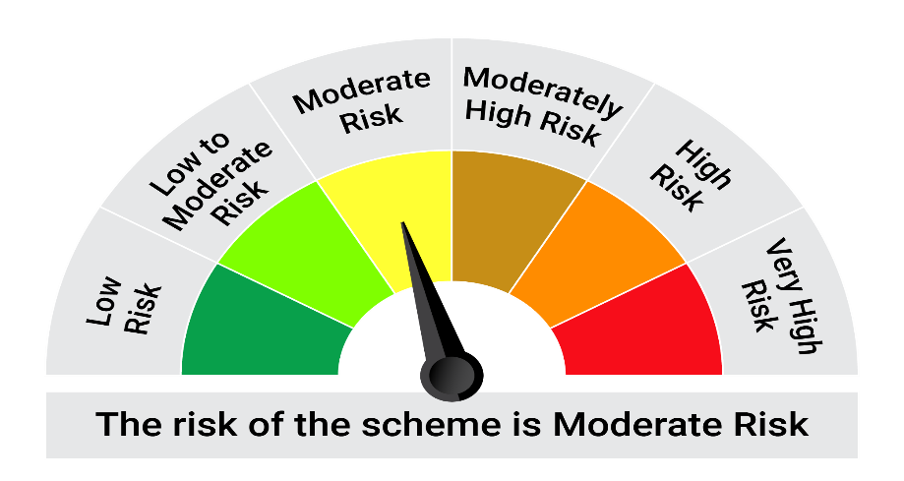

This product is suitable for investors who are seeking*:• Regular income over medium to long term • Investment in diversified portfolio of fixed income securities such that the Macaulay^ duration of the portfolio is between 4 year to 7 years

*Investors should consult their financial advisers if in doubt about whether the product is suitable for them.

Mutual fund investments are subject to market risks, read all scheme realted documents carefully. |  |  | Scheme Benchmark: NIFTY Medium to Long Duration Debt Index A-III

Please note that the above risk-o-meter is as per the product labelling of the scheme available as on the date of this communication/ disclosure. as per SEBI circular dated May 19, 2023 on product labelling (as amended from time to time), risk-o-meters will be calculated on a monthly basis based on the risk values of the respective scheme's portfolio based on the methodology specified by SEBI in the above stated circular. The AMC shall disclose the risk-o-meters along with portfolio disclosure for all their schemes on their respective website and on AMFI website within 10 days from the close of each month. Any change in risk-o-meter shall be communicated by way of Notice cum Addendum and by way of an e-mail or SMS to unitholders of that particular Scheme.

Disclaimer


