HELABF
HSBC Mutual Fund
HSBC Arbitrage Fund
HSBC Arbitrage Fund(An open ended scheme investing in arbitrage opportunities)
Portfolio Statement as of May 31, 2025

Name of the Instrument | ISIN | Rating/Industries | Quantity | Market Value (Rs in Lacs) | Percentage to Net Assets | Yield of the Instrument (%) | YTC @ |  | Maturity Date
 |  |  |  |  |  |  | CRISIL | ICRA
Equity & Equity Related Instruments
Equity Shares
Listed / Awaiting listing on Stock Exchanges
ICICI Bank Limited | INE090A01021 | Banks | 996,100.00 | 14,401.61 | 6.34%
State Bank of India | INE062A01020 | Banks | 1,687,500.00 | 13,707.56 | 6.03%
HDFC Bank Limited | INE040A01034 | Banks | 595,650.00 | 11,584.80 | 5.10%
IDFC First Bank Limited | INE092T01019 | Banks | 12,652,500.00 | 8,599.90 | 3.79%
Axis Bank Limited | INE238A01034 | Banks | 718,750.00 | 8,568.94 | 3.77%
Bank of Baroda | INE028A01039 | Banks | 2,963,025.00 | 7,394.23 | 3.25%
Reliance Industries Limited | INE002A01018 | Petroleum Products | 424,000.00 | 6,024.62 | 2.65%
Tata Power Company Limited | INE245A01021 | Power | 1,314,900.00 | 5,164.93 | 2.27%
Laurus Labs Limited | INE947Q01028 | Pharmaceuticals & Biotechnology | 788,800.00 | 4,808.52 | 2.12%
RBL Bank Limited | INE976G01028 | Banks | 2,135,000.00 | 4,549.04 | 2.00%
Bandhan Bank Limited | INE545U01014 | Banks | 2,329,600.00 | 3,964.75 | 1.74%
Tata Consumer Products Limited | INE192A01025 | Agricultural Food & other Products | 335,160.00 | 3,707.88 | 1.63%
Tata Motors Limited | INE155A01022 | Automobiles | 448,250.00 | 3,225.16 | 1.42%
Infosys Limited | INE009A01021 | IT - Software | 201,600.00 | 3,150.40 | 1.39%
Rec Limited | INE020B01018 | Finance | 741,000.00 | 2,981.04 | 1.31%
Manappuram Finance Limited | INE522D01027 | Finance | 1,248,000.00 | 2,978.48 | 1.31%
Crompton Greaves Consumer Electricals Limited | INE299U01018 | Consumer Durables | 824,400.00 | 2,909.31 | 1.28%
Tata Communications Limited | INE151A01013 | Telecom - Services | 168,350.00 | 2,821.88 | 1.24%
Canara Bank | INE476A01022 | Banks | 2,187,000.00 | 2,509.80 | 1.10%
CG Power and Industrial Solutions Limited | INE067A01029 | Electrical Equipment | 324,075.00 | 2,225.42 | 0.98%
Indian Energy Exchange Limited | INE022Q01020 | Capital Markets | 1,098,750.00 | 2,203.54 | 0.97%
Shriram Finance Limited | INE721A01047 | Finance | 322,500.00 | 2,061.90 | 0.91%
Bajaj Finance Limited | INE296A01024 | Finance | 19,125.00 | 1,755.77 | 0.77%
Coforge Limited | INE591G01017 | IT - Software | 20,100.00 | 1,718.65 | 0.76%
JSW Steel Limited | INE019A01038 | Ferrous Metals | 154,575.00 | 1,535.70 | 0.68%
NMDC Limited | INE584A01023 | Minerals & Mining | 2,079,000.00 | 1,479.62 | 0.65%
ITC Limited | INE154A01025 | Diversified FMCG | 348,800.00 | 1,458.16 | 0.64%
Punjab National Bank Limited | INE160A01022 | Banks | 1,344,000.00 | 1,422.22 | 0.63%
DLF Limited | INE271C01023 | Realty | 174,075.00 | 1,388.86 | 0.61%
Larsen & Toubro Limited | INE018A01030 | Construction | 36,900.00 | 1,356.11 | 0.60%
Aditya Birla Capital Limited | INE674K01013 | Finance | 513,000.00 | 1,141.48 | 0.50%
One 97 Communications Limited | INE982J01020 | Financial Technology (Fintech) | 121,550.00 | 1,082.34 | 0.48%
Grasim Industries Limited | INE047A01021 | Cement & Cement Products | 42,500.00 | 1,081.97 | 0.48%
IndusInd Bank Limited | INE095A01012 | Banks | 123,000.00 | 1,004.85 | 0.44%
Pidilite Industries Limited | INE318A01026 | Chemicals & Petrochemicals | 29,500.00 | 916.62 | 0.40%
ICICI Lombard General Insurance Company Limited | INE765G01017 | Insurance | 44,250.00 | 829.86 | 0.37%
Tata Consultancy Services Limited | INE467B01029 | IT - Software | 22,925.00 | 793.98 | 0.35%
Jio Financial Services Limited | INE758E01017 | Finance | 267,300.00 | 766.22 | 0.34%
NCC Limited | INE868B01028 | Construction | 330,150.00 | 763.27 | 0.34%
Vedanta Limited | INE205A01025 | Diversified Metals | 174,800.00 | 761.34 | 0.34%
Power Finance Corporation Limited | INE134E01011 | Finance | 185,900.00 | 754.66 | 0.33%
Bharat Heavy Electricals Limited | INE257A01026 | Electrical Equipment | 273,000.00 | 709.34 | 0.31%
Syngene International Limited | INE398R01022 | Healthcare Services | 105,000.00 | 678.88 | 0.30%
Steel Authority of India Limited | INE114A01011 | Ferrous Metals | 520,000.00 | 671.74 | 0.30%
LIC Housing Finance Limited | INE115A01026 | Finance | 112,000.00 | 668.02 | 0.29%
Power Grid Corporation of India Limited | INE752E01010 | Power | 223,200.00 | 646.72 | 0.28%
Max Healthcare Institute Limited | INE027H01010 | Healthcare Services | 56,700.00 | 637.99 | 0.28%
Chambal Fertilizers & Chemicals Limited | INE085A01013 | Fertilizers & Agrochemicals | 113,050.00 | 622.91 | 0.27%
NTPC Limited | INE733E01010 | Power | 186,000.00 | 621.05 | 0.27%
Indian Oil Corporation Limited | INE242A01010 | Petroleum Products | 429,000.00 | 609.05 | 0.27%
Divi''s Laboratories Limited | INE361B01024 | Pharmaceuticals & Biotechnology | 9,100.00 | 601.69 | 0.26%
Aurobindo Pharma Limited | INE406A01037 | Pharmaceuticals & Biotechnology | 49,500.00 | 568.16 | 0.25%
Cyient Limited | INE136B01020 | IT - Services | 38,100.00 | 513.13 | 0.23%
Torrent Pharmaceuticals Limited | INE685A01028 | Pharmaceuticals & Biotechnology | 16,000.00 | 507.95 | 0.22%
Dalmia Bharat Limited | INE00R701025 | Cement & Cement Products | 24,475.00 | 493.51 | 0.22%
PB Fintech Limited | INE417T01026 | Financial Technology (Fintech) | 27,625.00 | 486.64 | 0.21%
Biocon Limited | INE376G01013 | Pharmaceuticals & Biotechnology | 142,500.00 | 478.59 | 0.21%
Bosch Limited | INE323A01026 | Auto Components | 1,425.00 | 447.66 | 0.20%
Varun Beverages Limited | INE200M01039 | Beverages | 93,625.00 | 445.61 | 0.20%
Exide Industries Limited | INE302A01020 | Auto Components | 109,800.00 | 424.76 | 0.19%
JSW Energy Limited | INE121E01018 | Power | 78,750.00 | 384.26 | 0.17%
Bajaj Auto Limited | INE917I01010 | Automobiles | 4,425.00 | 380.86 | 0.17%
Jubilant Foodworks Limited | INE797F01020 | Leisure Services | 57,500.00 | 376.94 | 0.17%
Glenmark Pharmaceuticals Limited | INE935A01035 | Pharmaceuticals & Biotechnology | 25,675.00 | 374.11 | 0.16%
MphasiS Limited | INE356A01018 | IT - Software | 14,300.00 | 365.91 | 0.16%
Granules India Limited | INE101D01020 | Pharmaceuticals & Biotechnology | 68,000.00 | 360.77 | 0.16%
SRF Limited | INE647A01010 | Chemicals & Petrochemicals | 12,000.00 | 343.32 | 0.15%
ETERNAL Limited | INE758T01015 | Retailing | 142,000.00 | 338.40 | 0.15%
Persistent Systems Limited | INE262H01021 | IT - Software | 6,000.00 | 338.28 | 0.15%
Computer Age Management Services Limited | INE596I01012 | Capital Markets | 8,500.00 | 336.69 | 0.15%
Max Financial Services Limited | INE180A01020 | Insurance | 22,400.00 | 336.60 | 0.15%
Lupin Limited | INE326A01037 | Pharmaceuticals & Biotechnology | 13,600.00 | 266.25 | 0.12%
UltraTech Cement Limited | INE481G01011 | Cement & Cement Products | 2,100.00 | 235.41 | 0.10%
PNB Housing Finance Limited | INE572E01012 | Finance | 20,800.00 | 217.34 | 0.10%
Mahindra & Mahindra Financial Services Limited | INE774D01024 | Finance | 78,128.00 | 203.99 | 0.09%
Hindustan Copper Limited | INE531E01026 | Non - Ferrous Metals | 82,150.00 | 203.33 | 0.09%
Bank of India | INE084A01016 | Banks | 159,225.00 | 194.16 | 0.09%
Coal India Limited | INE522F01014 | Consumable Fuels | 44,100.00 | 175.21 | 0.08%
TVS Motor Company Limited | INE494B01023 | Automobiles | 5,950.00 | 165.46 | 0.07%
Mahindra & Mahindra Limited | INE101A01026 | Automobiles | 4,900.00 | 145.86 | 0.06%
Tata Chemicals Limited | INE092A01019 | Chemicals & Petrochemicals | 15,950.00 | 141.50 | 0.06%
Bharat Electronics Limited | INE263A01024 | Aerospace & Defense | 34,200.00 | 131.53 | 0.06%
Godrej Properties Limited | INE484J01027 | Realty | 5,625.00 | 126.21 | 0.06%
National Aluminium Company Limited | INE139A01034 | Non - Ferrous Metals | 67,500.00 | 121.74 | 0.05%
Polycab India Limited | INE455K01017 | Industrial Products | 2,000.00 | 119.82 | 0.05%
Indus Towers Limited | INE121J01017 | Telecom - Services | 30,600.00 | 117.55 | 0.05%
Patanjali Foods Limited | INE619A01035 | Agricultural Food & other Products | 6,600.00 | 110.31 | 0.05%
Container Corporation of India Limited | INE111A01025 | Transport Services | 14,000.00 | 109.82 | 0.05%
Voltas Limited | INE226A01021 | Consumer Durables | 8,400.00 | 106.08 | 0.05%
HFCL Limited | INE548A01028 | Telecom - Services | 103,750.00 | 90.87 | 0.04%
Astral Limited | INE006I01046 | Industrial Products | 5,872.00 | 87.97 | 0.04%
Hindustan Unilever Limited | INE030A01027 | Diversified FMCG | 3,000.00 | 70.45 | 0.03%
ICICI Prudential Life Insurance Company Limited | INE726G01019 | Insurance | 10,500.00 | 69.55 | 0.03%
Zydus Lifesciences Limited | INE010B01027 | Pharmaceuticals & Biotechnology | 7,200.00 | 66.96 | 0.03%
Yes Bank Limited | INE528G01035 | Banks | 286,000.00 | 61.43 | 0.03%
LTIMindtree Limited | INE214T01019 | IT - Software | 1,200.00 | 60.83 | 0.03%
Info Edge (India) Limited | INE663F01032 | Retailing | 3,000.00 | 42.83 | 0.02%
UPL Limited | INE628A01036 | Fertilizers & Agrochemicals | 6,775.00 | 42.54 | 0.02%
Aarti Industries Limited | INE769A01020 | Chemicals & Petrochemicals | 9,000.00 | 42.23 | 0.02%
Page Industries Limited | INE761H01022 | Textiles & Apparels | 90.00 | 41.74 | 0.02%
Supreme Industries Limited | INE195A01028 | Industrial Products | 1,000.00 | 41.46 | 0.02%
CESC Limited | INE486A01021 | Power | 20,475.00 | 33.25 | 0.01%
Piramal Enterprises Limited | INE140A01024 | Finance | 3,000.00 | 33.25 | 0.01%
Hindustan Aeronautics Limited | INE066F01020 | Aerospace & Defense | 600.00 | 29.84 | 0.01%
Bharat Petroleum Corporation Limited | INE029A01011 | Petroleum Products | 9,000.00 | 28.66 | 0.01%
Birlasoft Limited | INE836A01035 | IT - Software | 7,000.00 | 28.04 | 0.01%
Tata Technologies Limited | INE142M01025 | IT - Services | 3,500.00 | 27.08 | 0.01%
GAIL India Limited | INE129A01019 | Gas | 11,750.00 | 22.30 | 0.01%
Apollo Hospitals Enterprise Limited | INE437A01024 | Healthcare Services | 250.00 | 17.20 | 0.01%
The Indian Hotels Company Limited | INE053A01029 | Leisure Services | 2,000.00 | 15.40 | 0.01%
Oil India Limited | INE274J01014 | Oil | 3,225.00 | 13.76 | 0.01%
Britannia Industries Limited | INE216A01030 | Food Products | 200.00 | 11.02 | 0.00%
Samvardhana Motherson International Limited | INE775A01035 | Auto Components | 7,100.00 | 10.87 | 0.00%
Marico Limited | INE196A01026 | Agricultural Food & other Products | 1,200.00 | 8.60 | 0.00%
ABB India Limited | INE117A01022 | Electrical Equipment | 125.00 | 7.46 | 0.00%
Jindal Steel & Power Limited | INE749A01030 | Ferrous Metals | 625.00 | 5.93 | 0.00%
Trent Limited | INE849A01020 | Retailing | 100.00 | 5.64 | 0.00%
Hindustan Zinc Limited | INE267A01025 | Non - Ferrous Metals | 1,225.00 | 5.61 | 0.00%
NHPC Limited | INE848E01016 | Power | 6,400.00 | 5.59 | 0.00%
Life Insurance Corporation of India | INE0J1Y01017 | Insurance | 575.00 | 5.49 | 0.00%
Total |  |  |  | 160,250.35 | 70.52%
Money Market Instruments
Certificate of Deposit
Privately Placed/Unlisted
ICICI Bank Limited^ | INE090AD6204 | CRISIL A1+ | 1,000.00 | 4,858.58 | 2.14% | 6.4 |  |  | 14-Nov-25
Kotak Mahindra Bank Limited** | INE237A167Y4 | CRISIL A1+ | 500.00 | 2,423.48 | 1.07% | 6.4 |  |  | 28-Nov-25
HDFC Bank Limited** | INE040A16GW7 | CARE A1+ | 500.00 | 2,352.00 | 1.04% | 6.52 |  |  | 19-May-26
Total |  |  |  | 9,634.06 | 4.25%
Mutual Fund Units
Domestic Mutual Fund Units
HSBC Liquid Fund - Direct Growth | INF336L01CC8 | Internal - Mutual Fund Units | 1,031,678.09 | 26,972.10 | 11.87%
HSBC Ultra Short Duration Fund - Direct Growth | INF336L01OR1 | Internal - Mutual Fund Units | 979,561.30 | 13,382.15 | 5.89%
HSBC Money Market Fund - Direct Growth | INF917K01FE6 | Internal - Mutual Fund Units | 45,538,924.67 | 12,557.31 | 5.53%
Total |  |  |  | 52,911.56 | 23.29%
Treps |  |  |  | 4,672.52 | 2.06% | 5.84 |  |  | 2-Jun-25
Net Current Assets (including cash & bank balances) |  |  |  | -262.20 | -0.12% | 5.84
Total Net Assets as on 31-May-2025 |  |  |  | 227,206.29 | 100.00%
Market Value includes accrued interest
** Securities are classified as non-traded on the basis of Traded data as on MAY 30, 2025 provided by CRISIL and ICRA.
^ Securities are classified as traded on the basis of Traded data as on MAY 30, 2025 provided by CRISIL and ICRA.
Aggregate value of investments made by other schemes of HSBC Mutual Fund are amounting to Rs. 12602.11 Lakhs.

HSBC Arbitrage Fund |  | Scheme Riskometer |  | Scheme Benchmark Riskometer

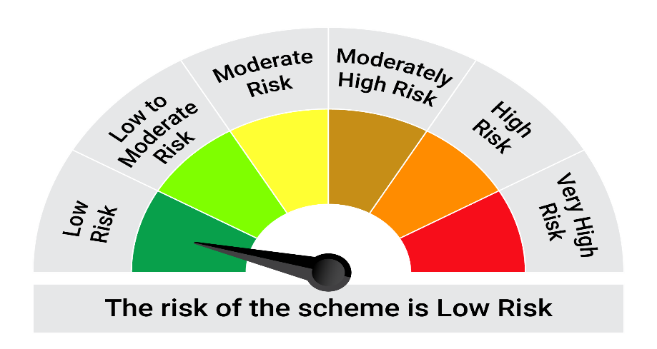
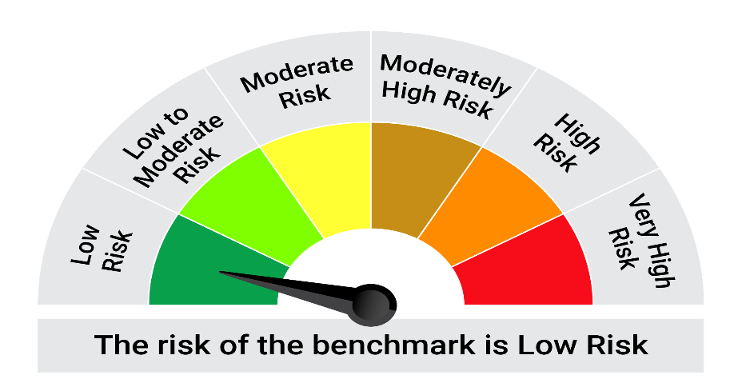
This product is suitable for investors who are seeking*:• Generation of reasonable returns over short to medium term • Investment predominantly in arbitrage opportunities in the cash and derivatives segments of the equity markets; and debt and money market instrument.

*Investors should consult their financial advisers if in doubt about whether the product is suitable for them.

Mutual fund investments are subject to market risks, read all scheme realted documents carefully. |  |  | Scheme Benchmark: Nifty 50 Arbitrage Index

Please note that the above risk-o-meter is as per the product labelling of the scheme available as on the date of this communication/ disclosure. as per SEBI circular dated May 19, 2023 on product labelling (as amended from time to time), risk-o-meters will be calculated on a monthly basis based on the risk values of the respective scheme's portfolio based on the methodology specified by SEBI in the above stated circular. The AMC shall disclose the risk-o-meters along with portfolio disclosure for all their schemes on their respective website and on AMFI website within 10 days from the close of each month. Any change in risk-o-meter shall be communicated by way of Notice cum Addendum and by way of an e-mail or SMS to unitholders of that particular Scheme.

Disclaimer


