HDMIPS
HSBC Mutual Fund
HSBC Conservative Hybrid Fund
HSBC Conservative Hybrid Fund(An open ended hybrid scheme investing predominantly in debt instruments.)
Portfolio Statement as of May 31, 2025

Name of the Instrument | ISIN | Rating/Industries | Quantity | Market Value (Rs in Lacs) | Percentage to Net Assets | Yield of the Instrument (%) | YTC @ |  | Maturity Date
 |  |  |  |  |  |  | CRISIL | ICRA
Equity & Equity Related Instruments
Equity Shares
Listed / Awaiting listing on Stock Exchanges
ETERNAL Limited | INE758T01015 | Retailing | 200,000.00 | 476.62 | 2.98%
GE Vernova T&D India Limited | INE200A01026 | Electrical Equipment | 14,000.00 | 313.80 | 1.96%
Transformers And Rectifiers (India) Limited | INE763I01026 | Electrical Equipment | 60,000.00 | 312.96 | 1.96%
Trent Limited | INE849A01020 | Retailing | 5,400.00 | 304.75 | 1.90%
Paradeep Phosphates Limited | INE088F01024 | Fertilizers & Agrochemicals | 85,300.00 | 146.95 | 0.92%
Kaynes Technology India Ltd | INE918Z01012 | Industrial Manufacturing | 2,000.00 | 119.60 | 0.75%
Bharat Electronics Limited | INE263A01024 | Aerospace & Defense | 30,000.00 | 115.38 | 0.72%
KEI Industries Limited | INE878B01027 | Industrial Products | 3,132.00 | 113.07 | 0.71%
Persistent Systems Limited | INE262H01021 | IT - Software | 2,000.00 | 112.76 | 0.70%
CG Power and Industrial Solutions Limited | INE067A01029 | Electrical Equipment | 15,000.00 | 103.01 | 0.64%
Safari Industries India Limited | INE429E01023 | Consumer Durables | 4,400.00 | 101.54 | 0.63%
ICICI Bank Limited | INE090A01021 | Banks | 7,000.00 | 101.21 | 0.63%
The Indian Hotels Company Limited | INE053A01029 | Leisure Services | 12,696.00 | 97.74 | 0.61%
Cholamandalam Investment & Finance Company Limited | INE121A01024 | Finance | 5,800.00 | 92.86 | 0.58%
Larsen & Toubro Limited | INE018A01030 | Construction | 2,500.00 | 91.88 | 0.57%
Siemens Limited | INE003A01024 | Electrical Equipment | 2,500.00 | 81.64 | 0.51%
Sobha Limited | INE671H01015 | Realty | 5,638.00 | 80.79 | 0.50%
Power Mech Projects Limited | INE211R01019 | Construction | 2,500.00 | 77.68 | 0.49%
Triveni Turbine Limited | INE152M01016 | Electrical Equipment | 10,000.00 | 58.13 | 0.36%
Godrej Properties Limited | INE484J01027 | Realty | 2,500.00 | 56.10 | 0.35%
Siemens Energy India Limited | INE1NPP01017 | Electrical Equipment | 2,500.00 | 55.76 | 0.35%
KPIT Technologies Limited | INE04I401011 | IT - Software | 3,000.00 | 40.13 | 0.25%
Aditya Vision Limited | INE679V01027 | Retailing | 7,500.00 | 30.62 | 0.19%
Infosys Limited | INE009A01021 | IT - Software | 1,230.00 | 19.22 | 0.12%
Sundaram Finance Limited | INE660A01013 | Finance | 282.00 | 14.48 | 0.09%
Suzlon Energy Limited | INE040H01021 | Electrical Equipment | 15,000.00 | 10.72 | 0.07%
HDFC Bank Limited | INE040A01034 | Banks | 336.00 | 6.53 | 0.04%
ABB India Limited | INE117A01022 | Electrical Equipment | 44.00 | 2.63 | 0.02%
Medi Assist Healthcare Services Limited | INE456Z01021 | Insurance | 456.00 | 2.26 | 0.01%
TD Power Systems Limited | INE419M01027 | Electrical Equipment | 348.00 | 1.81 | 0.01%
Total |  |  |  | 3,142.63 | 19.62%
Debt Instruments
Fixed rates bonds - Corporate
Listed / Awaiting listing on Stock Exchanges
Power Finance Corporation Limited^ | INE134E08NM4 | CRISIL AAA | 500.00 | 527.86 | 3.30% | 6.7 |  |  | 15-Jan-32
Bajaj Finance Limited^ | INE296A07TL0 | CRISIL AAA | 500.00 | 507.33 | 3.17% | 7.18 |  |  | 28-Jun-30
National Housing Bank^ | INE557F08GE4 | CARE AAA | 500.00 | 506.64 | 3.17% | 6.68 |  |  | 2-Apr-32
Total |  |  |  | 1,541.83 | 9.64%
Government Securities
7.18% GOI 24-Jul-2037 | IN0020230077 | SOVEREIGN | 2,000,000.00 | 2,180.73 | 13.63% | 6.4 |  |  | 24-Jul-37
7.09% GOI 05AUG2054 | IN0020240118 | SOVEREIGN | 1,500,000.00 | 1,584.24 | 9.90% | 6.82 |  |  | 5-Aug-54
6.79% INDIA GOV BOND 07OCT2034 GSEC | IN0020240126 | SOVEREIGN | 1,500,000.00 | 1,568.98 | 9.80% | 6.27 |  |  | 7-Oct-34
7.34% INDIA GOVERNMENT BOND 22APR2064 | IN0020240035 | SOVEREIGN | 1,000,000.00 | 1,072.39 | 6.70% | 6.86 |  |  | 22-Apr-64
7.10% GOVT 08-Apr-2034 | IN0020240019 | SOVEREIGN | 1,000,000.00 | 1,064.63 | 6.65% | 6.29 |  |  | 8-Apr-34
6.33% INDIA GOVT BOND 05MAY2035 GSEC | IN0020250026 | SOVEREIGN | 1,000,000.00 | 1,013.03 | 6.33% | 6.22 |  |  | 5-May-35
6.92% INDIA GOVT BOND 18NOV2039 GSEC | IN0020240134 | SOVEREIGN | 650,000.00 | 682.22 | 4.26% | 6.42 |  |  | 18-Nov-39
7.32% GOI BOND 13NOV2030 | IN0020230135 | SOVEREIGN | 500,000.00 | 533.50 | 3.33% | 5.94 |  |  | 13-Nov-30
7.10% GOVERNMENT OF INDIA 18APR29 | IN0020220011 | SOVEREIGN | 500,000.00 | 526.10 | 3.29% | 5.82 |  |  | 18-Apr-29
GOI 07.17% 08JAN28 | IN0020170174 | SOVEREIGN | 50,000.00 | 53.13 | 0.33% | 5.74 |  |  | 8-Jan-28
7.09% GOVERNMENT OF INDIA 25NOV74 G-SEC | IN0020240142 | SOVEREIGN | 9,900.00 | 10.21 | 0.06% | 6.88 |  |  | 25-Nov-74
Total |  |  |  | 10,289.16 | 64.28%
Alternative Investment Funds(AIF)
CDMDF CLASS A2 | INF0RQ622028 | AIF | 364.42 | 40.78 | 0.25% | 5.71
Total |  |  |  | 40.78 | 0.25%
Treps |  |  |  | 905.00 | 5.65% | 5.84 |  |  | 2-Jun-25
Net Current Assets (including cash & bank balances) |  |  |  | 85.50 | 0.56% | 5.84
Total Net Assets as on 31-May-2025 |  |  |  | 16,004.90 | 100.00%
Market Value includes accrued interest
** Securities are classified as non-traded on the basis of Traded data as on MAY 30, 2025 provided by CRISIL and ICRA.
^ Securities are classified as traded on the basis of Traded data as on MAY 30, 2025 provided by CRISIL and ICRA.

Annualised Portfolio YTM ! | 6.55%
Macaulay Duration | 97.59
! in case of semi annual YTM, it will be annualised

HSBC Conservative Hybrid Fund |  | Scheme Riskometer |  | Scheme Benchmark Riskometer

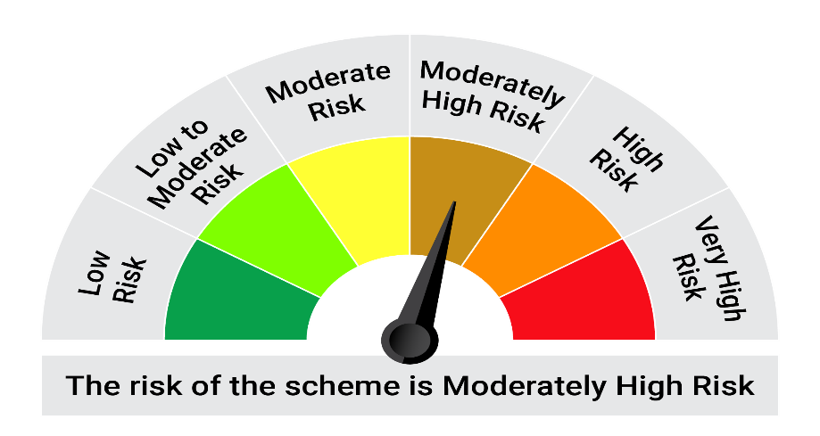
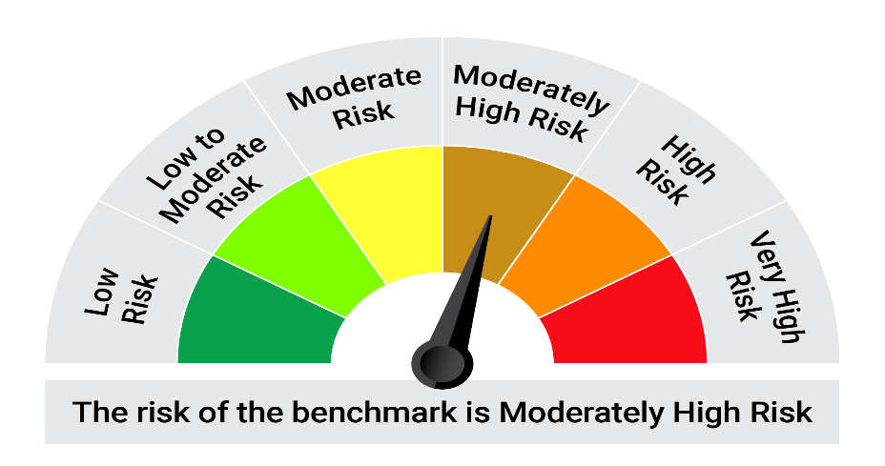
This product is suitable for investors who are seeking*:•Investment in fixed income (debt and money market instruments) as well as equity and equity related securities. • Capital appreciation over medium to long term.

*Investors should consult their financial advisers if in doubt about whether the product is suitable for them.

Mutual fund investments are subject to market risks, read all scheme realted documents carefully. |  |  | Scheme Benchmark: NIFTY 50 Hybrid Composite Debt 15:85 Index

Please note that the above risk-o-meter is as per the product labelling of the scheme available as on the date of this communication/ disclosure. as per SEBI circular dated May 19, 2023 on product labelling (as amended from time to time), risk-o-meters will be calculated on a monthly basis based on the risk values of the respective scheme's portfolio based on the methodology specified by SEBI in the above stated circular. The AMC shall disclose the risk-o-meters along with portfolio disclosure for all their schemes on their respective website and on AMFI website within 10 days from the close of each month. Any change in risk-o-meter shall be communicated by way of Notice cum Addendum and by way of an e-mail or SMS to unitholders of that particular Scheme.

Disclaimer


