HDLGF
HSBC Mutual Fund
HSBC Gilt Fund
(An open-ended debt scheme investing in government securities across maturity. A relatively high interest rate risk and relatively low credit risk.)
Portfolio Statement as of May 31, 2025

Name of the Instrument | ISIN | Rating/Industries | Quantity | Market Value (Rs in Lacs) | Percentage to Net Assets | Yield of the Instrument (%) | YTC @ |  | Maturity Date
 |  |  |  |  |  |  | CRISIL | ICRA
Debt Instruments
Government Securities
7.34% INDIA GOVERNMENT BOND 22APR2064 | IN0020240035 | SOVEREIGN | 6,048,200.00 | 6,486.00 | 21.95% | 6.86 |  |  | 22-Apr-64
7.09% GOI 05AUG2054 | IN0020240118 | SOVEREIGN | 4,500,000.00 | 4,752.71 | 16.09% | 6.82 |  |  | 5-Aug-54
6.92% INDIA GOVT BOND 18NOV2039 GSEC | IN0020240134 | SOVEREIGN | 3,200,000.00 | 3,358.60 | 11.37% | 6.42 |  |  | 18-Nov-39
7.30% GOI 19JUN53 | IN0020230051 | SOVEREIGN | 3,000,000.00 | 3,279.45 | 11.10% | 6.81 |  |  | 19-Jun-53
7.18% GOI 24-Jul-2037 | IN0020230077 | SOVEREIGN | 2,500,000.00 | 2,725.91 | 9.23% | 6.4 |  |  | 24-Jul-37
7.26% GOVERNMENT OF INDIA 06FEB33 | IN0020220151 | SOVEREIGN | 2,000,000.00 | 2,172.75 | 7.35% | 6.21 |  |  | 6-Feb-33
6.33% INDIA GOVT BOND 05MAY2035 GSEC | IN0020250026 | SOVEREIGN | 2,000,000.00 | 2,025.88 | 6.86% | 6.22 |  |  | 5-May-35
6.90% GOI 15-Apr-2065 | IN0020250018 | SOVEREIGN | 1,500,000.00 | 1,523.32 | 5.16% | 6.85 |  |  | 15-Apr-65
7.10% GOVT 08-Apr-2034 | IN0020240019 | SOVEREIGN | 1,000,000.00 | 1,064.63 | 3.60% | 6.29 |  |  | 8-Apr-34
6.64% INDIA GOVT BOND 16JUN2035 | IN0020210020 | SOVEREIGN | 1,000,000.00 | 1,056.44 | 3.58% | 6.29 |  |  | 16-Jun-35
7.22% Gujarat SDL 15Jan2035 | IN1520240145 | SOVEREIGN | 500,000.00 | 533.78 | 1.81% | 6.64 |  |  | 15-Jan-35
6.79% INDIA GOV BOND 07OCT2034 GSEC | IN0020240126 | SOVEREIGN | 100,000.00 | 104.42 | 0.35% | 6.27 |  |  | 7-Oct-34
7.09% GOVERNMENT OF INDIA 25NOV74 G-SEC | IN0020240142 | SOVEREIGN | 19,800.00 | 20.42 | 0.07% | 6.88 |  |  | 25-Nov-74
Total |  |  |  | 29,104.31 | 98.52%
Treps |  |  |  | 389.47 | 1.32% | 5.84 |  |  | 2-Jun-25
Net Current Assets (including cash & bank balances) |  |  |  | 49.84 | 0.16% | 5.84
Total Net Assets as on 31-May-2025 |  |  |  | 29,543.62 | 100.00%
Market Value includes accrued interest
** Securities are classified as non-traded on the basis of Traded data as on MAY 30, 2025 provided by CRISIL and ICRA.
^ Securities are classified as traded on the basis of Traded data as on MAY 30, 2025 provided by CRISIL and ICRA.
Aggregate value of investments made by other schemes of HSBC Mutual Fund are amounting to Rs. 3005.26 Lakhs.

Annualised Portfolio YTM ! | 6.71%
Macaulay Duration | 127.22
! in case of semi annual YTM, it will be annualised

HSBC Gilt Fund |  | Scheme Riskometer |  | Scheme Benchmark Riskometer

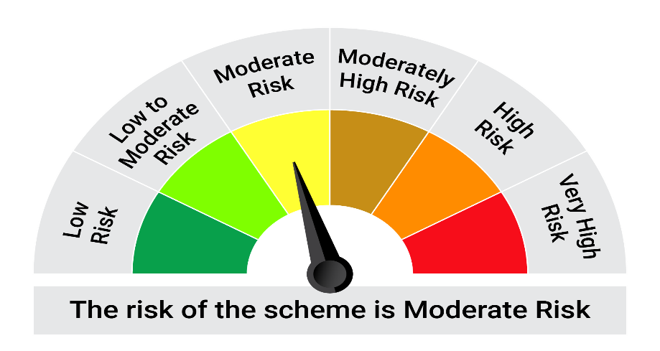

This product is suitable for investors who are seeking*:• Generation of returns over medium to long term • The Scheme as per the asset allocation pattern has to invest a minimum of 80% in Government Securities and Treasury bills. (Benchmark: NIFTY All Duration G-Sec Index)

*Investors should consult their financial advisers if in doubt about whether the product is suitable for them.

Mutual fund investments are subject to market risks, read all scheme realted documents carefully. |  |  | Scheme Benchmark: NIFTY All Duration G-Sec Index

Please note that the above risk-o-meter is as per the product labelling of the scheme available as on the date of this communication/ disclosure. as per SEBI circular dated May 19, 2023 on product labelling (as amended from time to time), risk-o-meters will be calculated on a monthly basis based on the risk values of the respective scheme's portfolio based on the methodology specified by SEBI in the above stated circular. The AMC shall disclose the risk-o-meters along with portfolio disclosure for all their schemes on their respective website and on AMFI website within 10 days from the close of each month. Any change in risk-o-meter shall be communicated by way of Notice cum Addendum and by way of an e-mail or SMS to unitholders of that particular Scheme.

Disclaimer


