HOMSCS
HSBC Mutual Fund
HSBC Income Plus Arbitrage Active FOF
(An open ended fund of fund scheme investing in a basket of equity, debt, Gold and other Exchange Traded Funds)
Portfolio Statement as of May 31, 2025

Name of the Instrument | ISIN | Rating/Industries | Quantity | Market Value (Rs in Lacs) | Percentage to Net Assets | Yield of the Instrument (%) | YTC @ |  | Maturity Date
 |  |  |  |  |  |  | CRISIL | ICRA
Mutual Fund Units
Domestic Mutual Fund Units
HSBC Arbitrage Fund - Direct Growth | INF917K01QR5 | Domestic Mutual Fund Domestic Mutual Fund | 62,399,024.28 | 12,602.11 | 35.77%
HSBC Short Duration Fund - Direct Growth | INF917K01IQ4 | Domestic Mutual Fund Domestic Mutual Fund | 23,869,003.16 | 6,705.90 | 19.03%
HSBC Banking and PSU Debt Fund - Direct Growth | INF917K01HH5 | Domestic Mutual Fund Domestic Mutual Fund | 19,655,782.78 | 5,030.27 | 14.28%
HSBC Corporate Bond Fund - Direct Growth | INF917K01HN3 | Domestic Mutual Fund Domestic Mutual Fund | 4,467,344.10 | 3,485.42 | 9.89%
HSBC Dynamic Bond Fund - Direct Growth | INF917K01HA0 | Domestic Mutual Fund Domestic Mutual Fund | 9,279,330.72 | 3,010.20 | 8.54%
HSBC Gilt Fund - Direct Growth | INF917K01FI7 | Domestic Mutual Fund Domestic Mutual Fund | 3,913,353.74 | 3,005.26 | 8.53%
Total |  |  |  | 33,839.16 | 96.04%
Treps |  |  |  | 1,462.13 | 4.15% | 5.84 |  |  | 2-Jun-25
Net Current Assets (including cash & bank balances) |  |  |  | -69.38 | -0.19% | 5.84
Total Net Assets as on 31-May-2025 |  |  |  | 35,231.91 | 100.00%
Market Value includes accrued interest
** Securities are classified as non-traded on the basis of Traded data as on MAY 30, 2025 provided by CRISIL and ICRA.
^ Securities are classified as traded on the basis of Traded data as on MAY 30, 2025 provided by CRISIL and ICRA.

Annualised Portfolio YTM ! | 6.56%
Macaulay Duration | 54.53
! in case of semi annual YTM, it will be annualised

HSBC Income Plus Arbitrage Active FOF |  | Scheme Riskometer |  | Scheme Benchmark Riskometer

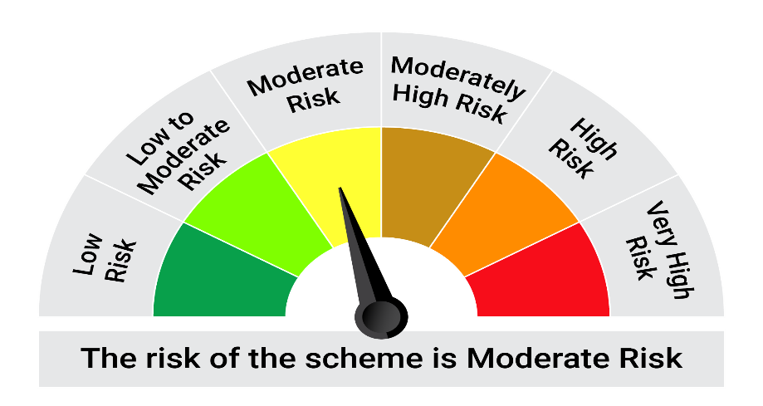
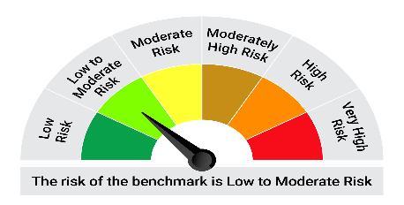
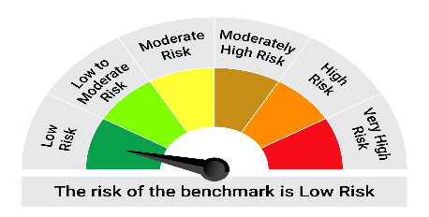
65% NIFTY Short Duration Debt Index
35% NIFTY 50 Arbitrage Index
This product is suitable for investors who are seeking*:•To provide income over the long-term. • Investing predominantly in units of debt mutual funds as well as in a basket of equity mutual funds, gold & other exchange traded funds and money market instruments.

*Investors should consult their financial advisers if in doubt about whether the product is suitable for them.

Mutual fund investments are subject to market risks, read all scheme realted documents carefully. |  |  | Scheme Benchmark: 65% NIFTY Short Duration Debt Index + 35% NIFTY 50 Arbitrage Index

Please note that the above risk-o-meter is as per the product labelling of the scheme available as on the date of this communication/ disclosure. as per SEBI circular dated May 19, 2023 on product labelling (as amended from time to time), risk-o-meters will be calculated on a monthly basis based on the risk values of the respective scheme's portfolio based on the methodology specified by SEBI in the above stated circular. The AMC shall disclose the risk-o-meters along with portfolio disclosure for all their schemes on their respective website and on AMFI website within 10 days from the close of each month. Any change in risk-o-meter shall be communicated by way of Notice cum Addendum and by way of an e-mail or SMS to unitholders of that particular Scheme.

Disclaimer


