HOMSMS
HSBC Mutual Fund
HSBC Multi Asset Active FOF
HSBC Multi Asset Active FOF(An open-ended multi asset Fund of Fund scheme investing in equity, debt, commodity-based schemes (including Gold and Silver ETFs))
Portfolio Statement as of May 31, 2026

Name of the Instrument | ISIN | Rating/Industries | Quantity | Market Value (Rs in Lacs) | Percentage to Net Assets | Yield of the Instrument (%) | YTC @ CRISIL | YTC @ ICRA
Mutual Fund Units
Domestic Mutual Fund Units
HSBC Large & Mid Cap Fund - Direct Growth | INF336L01NV5 | Internal - Mutual Fund Units | 4,221,227.30 | 1,342.15 | 13.69%
HSBC Flexi Cap Fund - Direct Growth | INF336L01DH5 | Internal - Mutual Fund Units | 525,648.84 | 1,314.26 | 13.40%
HSBC Multi Cap Fund - Direct Growth | INF336L01QN5 | Internal - Mutual Fund Units | 6,588,930.66 | 1,312.01 | 13.38%
HSBC Focused Fund - Direct Growth | INF336L01PB2 | Internal - Mutual Fund Units | 4,699,037.81 | 1,290.32 | 13.16%
HSBC Value Fund - Direct Growth | INF917K01HD4 | Internal - Mutual Fund Units | 1,031,816.65 | 1,288.87 | 13.14%
HSBC Medium To Long Duration Fund - Direct Growth | INF336L01DE2 | Internal - Mutual Fund Units | 1,635,571.83 | 780.54 | 7.96%
HSBC Corporate Bond Fund - Direct Growth | INF917K01HN3 | Internal - Mutual Fund Units | 657,455.38 | 533.91 | 5.44%
HSBC Dynamic Bond Fund - Direct Growth | INF917K01HA0 | Internal - Mutual Fund Units | 1,197,526.34 | 391.43 | 3.99%
Total |  |  |  | 8,253.49 | 84.16%
Exchange Traded Fund
Listed / Awaiting listing on Stock Exchanges
NIPPON INDIA MUTUALFUND | INF204KC1402 | Exchange Traded Funds | 238,023.00 | 593.56 | 6.05%
NIPPON INDIA MUTUALFUND | INF204KB17I5 | Exchange Traded Funds | 411,000.00 | 528.75 | 5.39%
Total |  |  |  | 1,122.31 | 11.44%
Treps |  |  |  | 459.85 | 4.69% | 5.33
Net Current Assets (including cash & bank balances) |  |  |  | -28.44 | -0.29% | 5.33
Total Net Assets as on 31-May-2026 |  |  |  | 9,807.21 | 100.00%

BSE 200 TRI (65%)
NIFTY Short Duration Debt Index (20%)
Domestic Price of Gold (10%)
Domestic Price of Silver (5%)
HSBC Multi Asset Active FOF | Scheme Riskometer | Scheme Benchmark Riskometer
This product is suitable for investors who are seeking*: • To create wealth and provide income over the long-term • Investments in a basket of debt mutual funds, equity mutual funds, gold, silver and exchange traded funds and money market instruments *Investors should consult their financial advisers if in doubt about whether the product is suitable for them. |  | 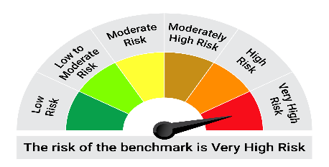 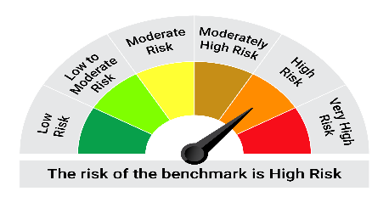
Mutual fund investments are subject to market risks, read all scheme realted documents carefully. |  | Scheme Benchmark: BSE 200 TRI (65%) + NIFTY Short Duration Debt Index (20%) +Domestic Price of Gold (10%) +Domestic Price of Silver (5%)
Please note that the above risk-o-meter is as per the product labelling of the scheme available as on the date of this communication/ disclosure. as per SEBI circular dated May 19, 2023 on product labelling (as amended from time to time), risk-o-meters will be calculated on a monthly basis based on the risk values of the respective scheme's portfolio based on the methodology specified by SEBI in the above stated circular. The AMC shall disclose the risk-o-meters along with portfolio disclosure for all their schemes on their respective website and on AMFI website within 10 days from the close of each month. Any change in risk-o-meter shall be communicated by way of Notice cum Addendum and by way of an e-mail or SMS to unitholders of that particular Scheme.

Unit holders can submit a request for a physical or electronic copy of the statement of scheme portfolio by any of the following modes:

(i) call on our toll-free number(s): a. Within India: 1800 4190 200 / 1800 200 2434 ; b. From abroad: +91 44 39923900 or
(ii) email us at investor.line@mutualfunds.hsbc.co.in or
Submit a letter at any of our Investor Service Centers, details of which are available on the website viz. www.assetmanagement.hsbc.co.in

Document remediated as per WCAG 2.2 Level AA standards.
END OF DOCUMENT

Disclaimer
Disclaimer
This document is for information purposes only and does not constitute investment research, investment advice or a recommendation to any reader of this content to buy or sell investment product. Investors should seek financial advice regarding the appropriateness of investing in any securities or investment strategies that may have been discussed in this report and should understand that the views regarding future prospects may or may not be realised. Past performance is not indicative of future performance. Expressions of opinion are those of HSBC only and are subject to change without any prior intimation or notice. It does not have regard to specific investment objectives, financial situation and the particular needs of any specific person who may receive this document. Investors should seek financial advice regarding the appropriateness of investing in any securities or investment strategies that may have been discussed or recommended in this report and should understand that the views regarding future prospects may or may not be realised. Neither this document nor the units of HSBC Mutual Fund have been registered in any jurisdiction. The distribution of this document in certain jurisdictions may be restricted or totally prohibited and accordingly, persons who come into possession of this document are required to inform themselves about, and to observe, any such restrictions.
Mutual Fund investments are subject to market risks, read all scheme related documents carefully.
HSBC Asset Management (India) Private Limited, 9-11 Floors, NESCO IT Park, Building no. 3, Western Express Highway, Goregaon (East), Mumbai – 400 063, Email: investor.line@mutualfunds.hsbc.co.in

Document remediated as per WCAG 2.2 Level AA standards.
END OF DOCUMENT

