HDCGIF2

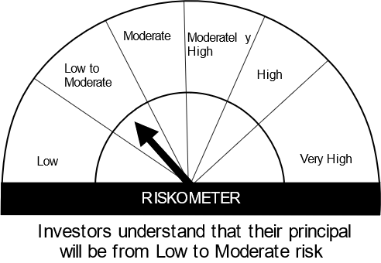
HSBC Mutual Fund
HSBC CRISIL IBX Gilt June 2027 IndexFund
(An open-ended Target Maturity Index Fund tracking CRISIL-IBX Gilt Index - June 2027. Relatively high interest rate risk and relatively low credit risk.)
Portfolio Statement as of July 31, 2024

Name of the Instrument | ISIN | Rating/Industries | Quantity | Market Value (Rs in Lacs) | Percentage to Net Assets | Yield of the Instrument (%) | YTC @ |  | Maturity Date
 |  |  |  |  |  |  | CRISIL | ICRA
Debt Instruments
Government Securities
7.38% GOI 20JUN2027 | IN0020220037 | SOVEREIGN | 15,400,000.00 | 15,747.18 | 78.07% | 6.83 |  |  | 20-Jun-27
GOI 08.24% 15FEB27 | IN0020060078 | SOVEREIGN | 2,000,000.00 | 2,140.02 | 10.61% | 6.84 |  |  | 15-Feb-27
GOI 06.79% 15MAY2027 | IN0020170026 | SOVEREIGN | 2,000,000.00 | 2,025.07 | 10.04% | 6.86 |  |  | 15-May-27
Total |  |  |  | 19,912.27 | 98.72%
Treps |  |  |  | 267.74 | 1.33% | 6.48 |  |  | 1-Aug-24
Net Current Assets (including cash & bank balances) |  |  |  | -8.76 | -0.05% | 6.48
Total Net Assets as on 31-JULY-2024 |  |  |  | 20,171.26 | 100.00%
Market Value includes accrued interest
** Securities are classified as non-traded on the basis of Traded data as on JUL 31, 2024 provided by CRISIL and ICRA.
^ Securities are classified as traded on the basis of Traded data as on JUL 31, 2024 provided by CRISIL and ICRA.

Annualised Portfolio YTM ! | 6.94%
Macaulay Duration | 30.66
! in case of semi annual YTM, it will be annualised

Disclaimer


