HOMSMS
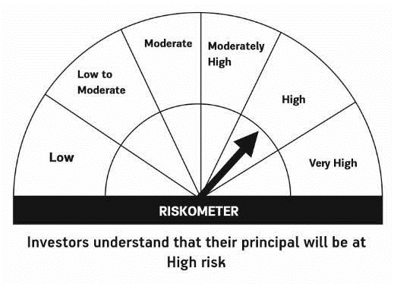

HSBC Mutual Fund
HSBC Managed Solutions India - Moderate
HSBC Managed Solutions India-Moderate (An open ended Fund of Funds Scheme investing in a basket of equity, debt, Gold and other Exchange Traded Funds.)
Portfolio Statement as of July 31, 2024

Name of the Instrument | ISIN | Rating/Industries | Quantity | Market Value (Rs in Lacs) | Percentage to Net Assets | Yield of the Instrument (%) | YTC @
 |  |  |  |  |  |  | CRISIL | ICRA
Mutual Fund Units
Domestic Mutual Fund Units
HSBC Large Cap Fund- Direct Growth | INF336L01CM7 | Internal - Mutual Fund Units | 531,896.78 | 2,815.85 | 47.01%
HSBC Short Duration Fund - Direct Growth | INF917K01IQ4 | Internal - Mutual Fund Units | 3,701,800.87 | 959.29 | 16.02%
HSBC Small Cap Fund - Direct Growth | INF917K01QA1 | Internal - Mutual Fund Units | 978,890.61 | 942.38 | 15.73%
HSBC Medium To Long Duration Fund - Direct Growth | INF336L01DE2 | Internal - Mutual Fund Units | 1,635,524.89 | 711.08 | 11.87%
HSBC Dynamic Bond Fund - Direct Growth | INF917K01HA0 | Internal - Mutual Fund Units | 1,548,626.84 | 459.10 | 7.66%
Total |  |  |  | 5,887.70 | 98.29%
Treps |  |  |  | 119.00 | 1.99% | 6.48
Net Current Assets (including cash & bank balances) |  |  |  | -16.98 | -0.28% | 6.48
Total Net Assets as on 31-JULY-2024 |  |  |  | 5,989.73 | 100.00%

Disclaimer


