HELABF
HSBC Mutual Fund
HSBC Arbitrage Fund
HSBC Arbitrage Fund(An open ended scheme investing in arbitrage opportunities.)
Portfolio Statement as of July 31, 2025

Name of the Instrument | ISIN | Rating/Industries | Quantity | Market Value (Rs in Lacs) | Percentage to Net Assets | Yield of the Instrument (%) | YTC @ |  | Maturity Date
 |  |  |  |  |  |  | CRISIL | ICRA
Equity & Equity Related Instruments
Equity Shares
Listed / Awaiting listing on Stock Exchanges
State Bank of India | INE062A01020 | Banks | 2,301,000.00 | 18,328.62 | 7.30%
ICICI Bank Limited | INE090A01021 | Banks | 1,227,100.00 | 18,178.26 | 7.24%
HDFC Bank Limited | INE040A01034 | Banks | 661,650.00 | 13,353.42 | 5.32%
Axis Bank Limited | INE238A01034 | Banks | 927,500.00 | 9,909.41 | 3.95%
Reliance Industries Limited | INE002A01018 | Petroleum Products | 647,000.00 | 8,994.59 | 3.58%
IDFC First Bank Limited | INE092T01019 | Banks | 10,211,775.00 | 7,021.62 | 2.80%
RBL Bank Limited | INE976G01028 | Banks | 1,939,925.00 | 5,176.30 | 2.06%
Tata Power Company Limited | INE245A01021 | Power | 1,212,200.00 | 4,821.53 | 1.92%
Laurus Labs Limited | INE947Q01028 | Pharmaceuticals & Biotechnology | 435,200.00 | 3,805.17 | 1.52%
Rec Limited | INE020B01018 | Finance | 881,025.00 | 3,481.81 | 1.39%
ITC Limited | INE154A01025 | Diversified FMCG | 782,400.00 | 3,223.10 | 1.28%
Bank of Baroda | INE028A01039 | Banks | 1,263,600.00 | 3,005.73 | 1.20%
Tata Consumer Products Limited | INE192A01025 | Agricultural Food & other Products | 273,900.00 | 2,939.49 | 1.17%
Tata Motors Limited | INE155A01022 | Automobiles | 436,000.00 | 2,903.54 | 1.16%
JSW Steel Limited | INE019A01038 | Ferrous Metals | 260,550.00 | 2,731.35 | 1.09%
Bandhan Bank Limited | INE545U01014 | Banks | 1,612,800.00 | 2,710.79 | 1.08%
Tata Consultancy Services Limited | INE467B01029 | IT - Software | 88,200.00 | 2,678.46 | 1.07%
Crompton Greaves Consumer Electricals Limited | INE299U01018 | Consumer Durables | 792,000.00 | 2,558.16 | 1.02%
JSW Energy Limited | INE121E01018 | Power | 485,000.00 | 2,497.99 | 0.99%
Punjab National Bank Limited | INE160A01022 | Banks | 2,360,000.00 | 2,486.97 | 0.99%
One 97 Communications Limited | INE982J01020 | Financial Technology (Fintech) | 221,850.00 | 2,416.72 | 0.96%
CG Power and Industrial Solutions Limited | INE067A01029 | Electrical Equipment | 283,900.00 | 1,878.57 | 0.75%
Marico Limited | INE196A01026 | Agricultural Food & other Products | 262,800.00 | 1,865.35 | 0.74%
Kalyan Jewellers India Limited | INE303R01014 | Consumer Durables | 284,350.00 | 1,691.03 | 0.67%
Aditya Birla Capital Limited | INE674K01013 | Finance | 654,100.00 | 1,678.75 | 0.67%
Aditya Birla Fashion and Retail Limited | INE647O01011 | Retailing | 1,983,800.00 | 1,445.60 | 0.58%
Shriram Finance Limited | INE721A01047 | Finance | 216,975.00 | 1,368.79 | 0.55%
Larsen & Toubro Limited | INE018A01030 | Construction | 37,625.00 | 1,368.23 | 0.54%
Persistent Systems Limited | INE262H01021 | IT - Software | 26,200.00 | 1,352.05 | 0.54%
Oracle Financial Services Software Limited | INE881D01027 | IT - Software | 15,000.00 | 1,271.25 | 0.51%
Canara Bank | INE476A01022 | Banks | 1,161,000.00 | 1,245.17 | 0.50%
Mahindra & Mahindra Limited | INE101A01026 | Automobiles | 38,200.00 | 1,223.58 | 0.49%
Polycab India Limited | INE455K01017 | Industrial Products | 17,500.00 | 1,193.68 | 0.48%
Macrotech Developers Limited | INE670K01029 | Realty | 87,300.00 | 1,075.19 | 0.43%
Grasim Industries Limited | INE047A01021 | Cement & Cement Products | 38,250.00 | 1,050.50 | 0.42%
Granules India Limited | INE101D01020 | Pharmaceuticals & Biotechnology | 220,375.00 | 1,046.56 | 0.42%
Hindustan Zinc Limited | INE267A01025 | Non - Ferrous Metals | 238,875.00 | 1,012.95 | 0.40%
Aurobindo Pharma Limited | INE406A01037 | Pharmaceuticals & Biotechnology | 85,800.00 | 977.95 | 0.39%
Hindustan Aeronautics Limited | INE066F01020 | Aerospace & Defense | 21,450.00 | 972.52 | 0.39%
Power Finance Corporation Limited | INE134E01011 | Finance | 232,700.00 | 953.95 | 0.38%
Patanjali Foods Limited | INE619A01035 | Agricultural Food & other Products | 50,100.00 | 938.72 | 0.37%
IIFL Finance Limited | INE530B01024 | Finance | 176,550.00 | 843.82 | 0.34%
Syngene International Limited | INE398R01022 | Healthcare Services | 113,000.00 | 806.82 | 0.32%
Bajaj Finserv Limited | INE918I01026 | Finance | 41,000.00 | 798.68 | 0.32%
Jindal Steel & Power Limited | INE749A01030 | Ferrous Metals | 81,875.00 | 790.09 | 0.31%
Bharat Electronics Limited | INE263A01024 | Aerospace & Defense | 182,400.00 | 698.77 | 0.28%
Bajaj Finance Limited | INE296A01032 | Finance | 77,250.00 | 680.73 | 0.27%
Jio Financial Services Limited | INE758E01017 | Finance | 204,450.00 | 673.15 | 0.27%
Kfin Technologies Limited | INE138Y01010 | Capital Markets | 61,650.00 | 667.61 | 0.27%
Divi''s Laboratories Limited | INE361B01024 | Pharmaceuticals & Biotechnology | 9,900.00 | 652.95 | 0.26%
NMDC Limited | INE584A01023 | Minerals & Mining | 918,000.00 | 649.85 | 0.26%
Torrent Pharmaceuticals Limited | INE685A01028 | Pharmaceuticals & Biotechnology | 17,000.00 | 636.12 | 0.25%
DLF Limited | INE271C01023 | Realty | 80,025.00 | 627.60 | 0.25%
Lupin Limited | INE326A01037 | Pharmaceuticals & Biotechnology | 29,750.00 | 573.91 | 0.23%
Info Edge (India) Limited | INE663F01032 | Retailing | 38,625.00 | 537.78 | 0.21%
Computer Age Management Services Limited | INE596I01012 | Capital Markets | 13,950.00 | 521.28 | 0.21%
NBCC (India) Limited | INE095N01031 | Construction | 474,500.00 | 513.31 | 0.20%
Manappuram Finance Limited | INE522D01027 | Finance | 198,000.00 | 501.04 | 0.20%
PNB Housing Finance Limited | INE572E01012 | Finance | 50,700.00 | 500.00 | 0.20%
PG Electroplast Limited | INE457L01029 | Consumer Durables | 60,900.00 | 494.29 | 0.20%
National Aluminium Company Limited | INE139A01034 | Non - Ferrous Metals | 262,500.00 | 485.78 | 0.19%
Adani Green Energy Limited | INE364U01010 | Power | 47,400.00 | 466.75 | 0.19%
Tata Chemicals Limited | INE092A01019 | Chemicals & Petrochemicals | 46,150.00 | 453.45 | 0.18%
Adani Enterprises Limited | INE423A01024 | Metals & Minerals Trading | 18,000.00 | 437.53 | 0.17%
Jubilant Foodworks Limited | INE797F01020 | Leisure Services | 62,500.00 | 409.69 | 0.16%
Bosch Limited | INE323A01026 | Auto Components | 1,000.00 | 403.85 | 0.16%
NCC Limited | INE868B01028 | Construction | 183,600.00 | 399.72 | 0.16%
Power Grid Corporation of India Limited | INE752E01010 | Power | 123,500.00 | 359.39 | 0.14%
Varun Beverages Limited | INE200M01039 | Beverages | 66,625.00 | 348.18 | 0.14%
HFCL Limited | INE548A01028 | Telecom - Services | 457,950.00 | 346.07 | 0.14%
Exide Industries Limited | INE302A01020 | Auto Components | 86,400.00 | 332.04 | 0.13%
United Spirits Limited | INE854D01024 | Beverages | 23,600.00 | 316.29 | 0.13%
Max Financial Services Limited | INE180A01020 | Insurance | 20,800.00 | 312.29 | 0.12%
Petronet LNG Limited | INE347G01014 | Gas | 108,000.00 | 311.26 | 0.12%
Biocon Limited | INE376G01013 | Pharmaceuticals & Biotechnology | 72,500.00 | 283.77 | 0.11%
Housing & Urban Development Corporation Limited | INE031A01017 | Finance | 124,875.00 | 265.07 | 0.11%
Yes Bank Limited | INE528G01035 | Banks | 1,399,500.00 | 264.79 | 0.11%
Indian Energy Exchange Limited | INE022Q01020 | Capital Markets | 187,500.00 | 253.69 | 0.10%
UNO Minda Limited | INE405E01023 | Auto Components | 22,000.00 | 229.11 | 0.09%
Bank of India | INE084A01016 | Banks | 197,600.00 | 220.09 | 0.09%
The Indian Hotels Company Limited | INE053A01029 | Leisure Services | 29,000.00 | 214.82 | 0.09%
Tata Steel Limited | INE081A01020 | Ferrous Metals | 132,000.00 | 208.48 | 0.08%
Alkem Laboratories Limited | INE540L01014 | Pharmaceuticals & Biotechnology | 3,875.00 | 194.96 | 0.08%
Vedanta Limited | INE205A01025 | Diversified Metals | 44,850.00 | 190.90 | 0.08%
Apollo Hospitals Enterprise Limited | INE437A01024 | Healthcare Services | 2,500.00 | 187.45 | 0.07%
ETERNAL Limited | INE758T01015 | Retailing | 60,625.00 | 186.60 | 0.07%
Dalmia Bharat Limited | INE00R701025 | Cement & Cement Products | 8,125.00 | 181.63 | 0.07%
Cyient Limited | INE136B01020 | IT - Services | 13,175.00 | 158.84 | 0.06%
Kotak Mahindra Bank Limited | INE237A01028 | Banks | 7,200.00 | 142.46 | 0.06%
HDFC Life Insurance Company Limited | INE795G01014 | Insurance | 18,700.00 | 141.28 | 0.06%
IndusInd Bank Limited | INE095A01012 | Banks | 17,500.00 | 139.81 | 0.06%
AU Small Finance Bank Limited | INE949L01017 | Banks | 18,000.00 | 133.47 | 0.05%
Phoenix Mills Limited | INE211B01039 | Realty | 7,350.00 | 109.07 | 0.04%
Sun Pharmaceutical Industries Limited | INE044A01036 | Pharmaceuticals & Biotechnology | 6,300.00 | 107.52 | 0.04%
IRB Infrastructure Developers Limited | INE821I01022 | Construction | 210,150.00 | 94.71 | 0.04%
Coforge Limited | INE591G01025 | IT - Software | 5,250.00 | 91.78 | 0.04%
Federal Bank Limited | INE171A01029 | Banks | 45,000.00 | 91.09 | 0.04%
Supreme Industries Limited | INE195A01028 | Industrial Products | 1,925.00 | 82.91 | 0.03%
Adani Energy Solutions Limited | INE931S01010 | Power | 9,450.00 | 76.39 | 0.03%
Coal India Limited | INE522F01014 | Consumable Fuels | 18,900.00 | 71.13 | 0.03%
Life Insurance Corporation of India | INE0J1Y01017 | Insurance | 7,700.00 | 68.92 | 0.03%
Britannia Industries Limited | INE216A01030 | Food Products | 1,125.00 | 64.92 | 0.03%
Zydus Lifesciences Limited | INE010B01027 | Pharmaceuticals & Biotechnology | 6,300.00 | 61.10 | 0.02%
Dabur India Limited | INE016A01026 | Personal Products | 10,000.00 | 52.90 | 0.02%
Siemens Limited | INE003A01024 | Electrical Equipment | 1,625.00 | 49.29 | 0.02%
Hindalco Industries Limited | INE038A01020 | Non - Ferrous Metals | 7,000.00 | 47.81 | 0.02%
HCL Technologies Limited | INE860A01027 | IT - Software | 3,150.00 | 46.24 | 0.02%
Bharat Petroleum Corporation Limited | INE029A01011 | Petroleum Products | 13,825.00 | 45.53 | 0.02%
ICICI Prudential Life Insurance Company Limited | INE726G01019 | Insurance | 4,625.00 | 28.49 | 0.01%
APL Apollo Tubes Limited | INE702C01027 | Industrial Products | 1,750.00 | 28.02 | 0.01%
CESC Limited | INE486A01021 | Power | 14,500.00 | 24.58 | 0.01%
Glenmark Pharmaceuticals Limited | INE935A01035 | Pharmaceuticals & Biotechnology | 1,125.00 | 24.01 | 0.01%
Havells India Limited | INE176B01034 | Consumer Durables | 1,500.00 | 22.51 | 0.01%
ABB India Limited | INE117A01022 | Electrical Equipment | 375.00 | 20.66 | 0.01%
Titagarh Rail Systems Limited | INE615H01020 | Industrial Manufacturing | 2,175.00 | 18.71 | 0.01%
SRF Limited | INE647A01010 | Chemicals & Petrochemicals | 600.00 | 18.24 | 0.01%
Ashok Leyland Limited | INE208A01029 | Agricultural Commercial & Construction Vehicles | 15,000.00 | 18.16 | 0.01%
Hindustan Petroleum Corporation Limited | INE094A01015 | Petroleum Products | 4,050.00 | 16.95 | 0.01%
Pidilite Industries Limited | INE318A01026 | Chemicals & Petrochemicals | 500.00 | 14.35 | 0.01%
Max Healthcare Institute Limited | INE027H01010 | Healthcare Services | 1,050.00 | 13.08 | 0.01%
PB Fintech Limited | INE417T01026 | Financial Technology (Fintech) | 700.00 | 12.68 | 0.00%
Maruti Suzuki India Limited | INE585B01010 | Automobiles | 100.00 | 12.61 | 0.00%
Indian Bank | INE562A01011 | Banks | 2,000.00 | 12.43 | 0.00%
Torrent Power Limited | INE813H01021 | Power | 750.00 | 9.83 | 0.00%
Bharti Airtel Limited | INE397D01024 | Telecom - Services | 475.00 | 9.09 | 0.00%
Tech Mahindra Limited | INE669C01036 | IT - Software | 600.00 | 8.78 | 0.00%
KEI Industries Limited | INE878B01027 | Industrial Products | 175.00 | 6.73 | 0.00%
Kaynes Technology India Ltd | INE918Z01012 | Industrial Manufacturing | 100.00 | 6.17 | 0.00%
Oberoi Realty Limited | INE093I01010 | Realty | 350.00 | 5.71 | 0.00%
Tube Investments of India Limited | INE974X01010 | Auto Components | 200.00 | 5.68 | 0.00%
Piramal Pharma Limited | INE0DK501011 | Pharmaceuticals & Biotechnology | 2,500.00 | 4.93 | 0.00%
Total |  |  |  | 171,484.44 | 68.32%
Debt Instruments
Fixed rates bonds - Corporate
Listed / Awaiting listing on Stock Exchanges
National Bank for Agriculture & Rural Development^ | INE261F08DX0 | CRISIL AAA | 7,500.00 | 7,576.61 | 3.02% | 6.51 |  |  | 31-Jul-26
LIC Housing Finance Limited** | INE115A07PN6 | CRISIL AAA | 500.00 | 5,196.18 | 2.07% | 6.65 |  |  | 30-Nov-26
Sundaram Finance Limited** | INE660A07RQ0 | CRISIL AAA | 2,500.00 | 2,687.31 | 1.07% | 6.82 |  |  | 26-Oct-26
Kotak Mahindra Prime Limited** | INE916DA7SL3 | CRISIL AAA | 2,500.00 | 2,683.79 | 1.07% | 6.8 |  |  | 9-Nov-26
Small Industries Development Bank of India** | INE556F08KF5 | ICRA AAA | 250.00 | 2,636.97 | 1.05% | 6.35 |  |  | 12-Jan-26
Total |  |  |  | 20,780.86 | 8.28%
Money Market Instruments
Certificate of Deposit
Privately Placed/Unlisted
Union Bank of India** | INE692A16JQ1 | ICRA A1+ | 1,000.00 | 4,734.72 | 1.89% | 6.24 |  |  | 25-Jun-26
HDFC Bank Limited** | INE040A16GW7 | CARE A1+ | 500.00 | 2,381.16 | 0.95% | 6.26 |  |  | 19-May-26
HDFC Bank Limited** | INE040A16HB9 | CARE A1+ | 400.00 | 1,893.79 | 0.75% | 6.26 |  |  | 24-Jun-26
Total |  |  |  | 9,009.67 | 3.59%
Mutual Fund Units
Domestic Mutual Fund Units
HSBC Money Market Fund - Direct Growth | INF917K01FE6 | Internal - Mutual Fund Units | 96,154,365.24 | 26,831.30 | 10.69%
HSBC Ultra Short Duration Fund - Direct Growth | INF336L01OR1 | Internal - Mutual Fund Units | 609,421.88 | 8,421.26 | 3.35%
HSBC Liquid Fund - Direct Growth | INF336L01CC8 | Internal - Mutual Fund Units | 270,178.09 | 7,135.35 | 2.84%
Total |  |  |  | 42,387.91 | 16.88%
Treps |  |  |  | 4,671.53 | 1.86% | 5.4 |  |  | 1-Aug-25
Net Current Assets (including cash & bank balances) |  |  |  | 2,764.98 | 1.07% | 5.4
Total Net Assets as on 31-July-2025 |  |  |  | 251,099.39 | 100.00%
Market Value includes accrued interest
** Securities are classified as non-traded on the basis of Traded data as on JUL 31, 2025 provided by CRISIL and ICRA.
^ Securities are classified as traded on the basis of Traded data as on JUL 31, 2025 provided by CRISIL and ICRA.
Aggregate value of investments made by other schemes of HSBC Mutual Fund are amounting to Rs. 20830.69 Lakhs.

HSBC Arbitrage Fund |  | Scheme Riskometer |  | Scheme Benchmark Riskometer

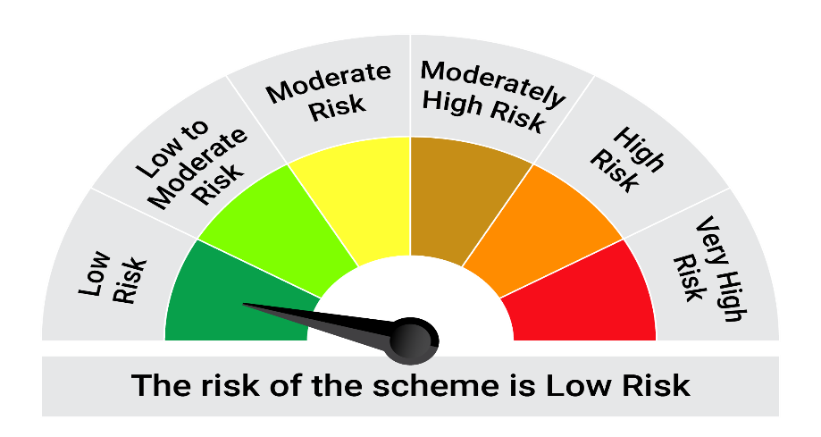
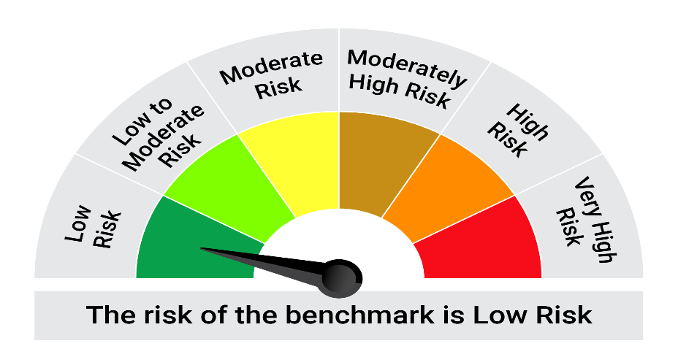
This product is suitable for investors who are seeking*:• Generation of reasonable returns over short to medium term • Investment predominantly in arbitrage opportunities in the cash and derivatives segments of the equity markets; and debt and money market instrument.

*Investors should consult their financial advisers if in doubt about whether the product is suitable for them.

Mutual fund investments are subject to market risks, read all scheme realted documents carefully. |  |  | Scheme Benchmark: Nifty 50 Arbitrage Index

Please note that the above risk-o-meter is as per the product labelling of the scheme available as on the date of this communication/ disclosure. as per SEBI circular dated May 19, 2023 on product labelling (as amended from time to time), risk-o-meters will be calculated on a monthly basis based on the risk values of the respective scheme's portfolio based on the methodology specified by SEBI in the above stated circular. The AMC shall disclose the risk-o-meters along with portfolio disclosure for all their schemes on their respective website and on AMFI website within 10 days from the close of each month. Any change in risk-o-meter shall be communicated by way of Notice cum Addendum and by way of an e-mail or SMS to unitholders of that particular Scheme.

Disclaimer


