HOMSMS
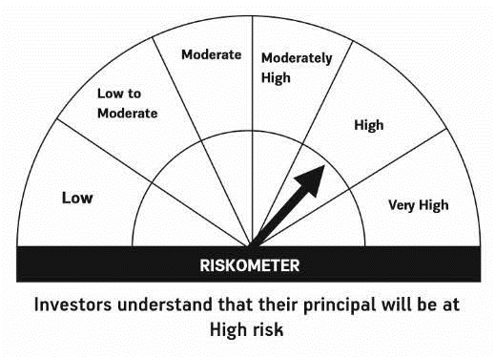

HSBC Mutual Fund
HSBC Managed Solutions India - Moderate
HSBC Managed Solutions India-Moderate (An open ended Fund of Funds Scheme investing in a basket of equity, debt, Gold and other Exchange Traded Funds.)
Portfolio Statement as of August 31, 2024

Name of the Instrument | ISIN | Rating/Industries | Quantity | Market Value (Rs in Lacs) | Percentage to Net Assets | Yield of the Instrument (%) | YTC @
 |  |  |  |  |  |  | CRISIL | ICRA
Mutual Fund Units
Domestic Mutual Fund Units
HSBC Large Cap Fund- Direct Growth | INF336L01CM7 | Internal - Mutual Fund Units | 527,965.44 | 2,862.48 | 47.20%
HSBC Short Duration Fund - Direct Growth | INF917K01IQ4 | Internal - Mutual Fund Units | 3,701,800.87 | 966.05 | 15.93%
HSBC Small Cap Fund - Direct Growth | INF917K01QA1 | Internal - Mutual Fund Units | 978,890.61 | 946.48 | 15.61%
HSBC Medium To Long Duration Fund - Direct Growth | INF336L01DE2 | Internal - Mutual Fund Units | 1,635,524.89 | 717.70 | 11.83%
HSBC Dynamic Bond Fund - Direct Growth | INF917K01HA0 | Internal - Mutual Fund Units | 1,548,626.84 | 463.54 | 7.64%
Total |  |  |  | 5,956.25 | 98.21%
Treps |  |  |  | 129.86 | 2.14% | 6.54
Net Current Assets (including cash & bank balances) |  |  |  | -21.22 | -0.35% | 6.54
Total Net Assets as on 31-AUGUST-2024 |  |  |  | 6,064.89 | 100.00%

Disclaimer


