HELABF
HSBC Mutual Fund
HSBC Arbitrage Fund
HSBC Arbitrage Fund(An open ended scheme investing in arbitrage opportunities.)
Portfolio Statement as of August 31, 2025

Name of the Instrument | ISIN | Rating/Industries | Quantity | Market Value (Rs in Lacs) | Percentage to Net Assets | Yield of the Instrument (%) | YTC @ |  | Maturity Date
 |  |  |  |  |  |  | CRISIL | ICRA
Equity & Equity Related Instruments
Equity Shares
Listed / Awaiting listing on Stock Exchanges
ICICI Bank Limited | INE090A01021 | Banks | 1,217,300.00 | 17,015.42 | 7.17%
State Bank of India | INE062A01020 | Banks | 2,111,250.00 | 16,942.78 | 7.14%
HDFC Bank Limited | INE040A01034 | Banks | 1,584,000.00 | 15,073.34 | 6.35%
Axis Bank Limited | INE238A01034 | Banks | 1,195,625.00 | 12,496.67 | 5.26%
Reliance Industries Limited | INE002A01018 | Petroleum Products | 658,500.00 | 8,937.16 | 3.76%
PNB Housing Finance Limited | INE572E01012 | Finance | 891,800.00 | 6,720.60 | 2.83%
IDFC First Bank Limited | INE092T01019 | Banks | 9,766,575.00 | 6,640.29 | 2.80%
Tata Power Company Limited | INE245A01021 | Power | 851,150.00 | 3,184.58 | 1.34%
Laurus Labs Limited | INE947Q01028 | Pharmaceuticals & Biotechnology | 367,200.00 | 3,146.54 | 1.33%
Info Edge (India) Limited | INE663F01032 | Retailing | 228,000.00 | 3,096.47 | 1.30%
Rec Limited | INE020B01018 | Finance | 870,825.00 | 3,047.89 | 1.28%
JSW Steel Limited | INE019A01038 | Ferrous Metals | 287,550.00 | 2,951.99 | 1.24%
Bandhan Bank Limited | INE545U01014 | Banks | 1,810,800.00 | 2,929.87 | 1.23%
Tata Motors Limited | INE155A01022 | Automobiles | 432,000.00 | 2,890.08 | 1.22%
Bank of Baroda | INE028A01039 | Banks | 1,231,425.00 | 2,867.13 | 1.21%
Marico Limited | INE196A01026 | Agricultural Food & other Products | 386,400.00 | 2,804.68 | 1.18%
Crompton Greaves Consumer Electricals Limited | INE299U01018 | Consumer Durables | 837,000.00 | 2,762.10 | 1.16%
ETERNAL Limited | INE758T01015 | Retailing | 875,425.00 | 2,748.40 | 1.16%
Tata Consumer Products Limited | INE192A01025 | Agricultural Food & other Products | 247,500.00 | 2,636.87 | 1.11%
Kotak Mahindra Bank Limited | INE237A01028 | Banks | 132,400.00 | 2,595.44 | 1.09%
NMDC Limited | INE584A01023 | Minerals & Mining | 3,402,000.00 | 2,340.58 | 0.99%
Steel Authority of India Limited | INE114A01011 | Ferrous Metals | 1,927,000.00 | 2,286.58 | 0.96%
ITC Limited | INE154A01025 | Diversified FMCG | 553,600.00 | 2,268.38 | 0.96%
Punjab National Bank Limited | INE160A01022 | Banks | 2,048,000.00 | 2,066.02 | 0.87%
One 97 Communications Limited | INE982J01020 | Financial Technology (Fintech) | 164,575.00 | 1,986.42 | 0.84%
JSW Energy Limited | INE121E01018 | Power | 380,000.00 | 1,856.11 | 0.78%
Hindustan Aeronautics Limited | INE066F01020 | Aerospace & Defense | 37,650.00 | 1,631.22 | 0.69%
Shriram Finance Limited | INE721A01047 | Finance | 272,250.00 | 1,579.73 | 0.67%
Canara Bank | INE476A01022 | Banks | 1,309,500.00 | 1,359.65 | 0.57%
Federal Bank Limited | INE171A01029 | Banks | 695,000.00 | 1,332.38 | 0.56%
Exide Industries Limited | INE302A01020 | Auto Components | 333,000.00 | 1,319.51 | 0.56%
Aditya Birla Capital Limited | INE674K01013 | Finance | 446,400.00 | 1,240.32 | 0.52%
CG Power and Industrial Solutions Limited | INE067A01029 | Electrical Equipment | 176,800.00 | 1,227.52 | 0.52%
Macrotech Developers Limited | INE670K01029 | Realty | 83,700.00 | 997.96 | 0.42%
Coal India Limited | INE522F01014 | Consumable Fuels | 251,100.00 | 941.12 | 0.40%
Power Finance Corporation Limited | INE134E01011 | Finance | 232,700.00 | 883.56 | 0.37%
Patanjali Foods Limited | INE619A01035 | Agricultural Food & other Products | 46,500.00 | 826.58 | 0.35%
Eicher Motors Limited | INE066A01021 | Automobiles | 12,425.00 | 758.30 | 0.32%
Samvardhana Motherson International Limited | INE775A01035 | Auto Components | 787,200.00 | 730.13 | 0.31%
Bajaj Finserv Limited | INE918I01026 | Finance | 36,000.00 | 688.86 | 0.29%
Hindustan Zinc Limited | INE267A01025 | Non - Ferrous Metals | 161,700.00 | 677.93 | 0.29%
Grasim Industries Limited | INE047A01021 | Cement & Cement Products | 24,000.00 | 666.14 | 0.28%
Sammaan Capital Limited | INE148I01020 | Finance | 520,300.00 | 644.96 | 0.27%
Syngene International Limited | INE398R01022 | Healthcare Services | 91,000.00 | 569.57 | 0.24%
Jubilant Foodworks Limited | INE797F01020 | Leisure Services | 88,750.00 | 557.13 | 0.23%
Tata Consultancy Services Limited | INE467B01029 | IT - Software | 17,500.00 | 539.82 | 0.23%
Manappuram Finance Limited | INE522D01027 | Finance | 198,000.00 | 517.67 | 0.22%
IIFL Finance Limited | INE530B01024 | Finance | 117,150.00 | 500.93 | 0.21%
Biocon Limited | INE376G01013 | Pharmaceuticals & Biotechnology | 142,500.00 | 496.40 | 0.21%
Indus Towers Limited | INE121J01017 | Telecom - Services | 146,200.00 | 495.03 | 0.21%
Jio Financial Services Limited | INE758E01017 | Finance | 157,450.00 | 490.77 | 0.21%
National Aluminium Company Limited | INE139A01034 | Non - Ferrous Metals | 262,500.00 | 488.72 | 0.21%
HFCL Limited | INE548A01028 | Telecom - Services | 677,250.00 | 475.63 | 0.20%
NBCC (India) Limited | INE095N01031 | Construction | 474,500.00 | 466.24 | 0.20%
Petronet LNG Limited | INE347G01014 | Gas | 169,200.00 | 455.99 | 0.19%
Torrent Pharmaceuticals Limited | INE685A01028 | Pharmaceuticals & Biotechnology | 12,000.00 | 427.18 | 0.18%
Adani Green Energy Limited | INE364U01010 | Power | 40,800.00 | 372.71 | 0.16%
Lupin Limited | INE326A01037 | Pharmaceuticals & Biotechnology | 18,275.00 | 346.29 | 0.15%
Power Grid Corporation of India Limited | INE752E01010 | Power | 125,400.00 | 345.16 | 0.15%
RBL Bank Limited | INE976G01028 | Banks | 130,175.00 | 339.82 | 0.14%
Alkem Laboratories Limited | INE540L01014 | Pharmaceuticals & Biotechnology | 6,375.00 | 338.10 | 0.14%
Ashok Leyland Limited | INE208A01029 | Agricultural Commercial & Construction Vehicles | 260,000.00 | 330.15 | 0.14%
Union Bank of India | INE692A01016 | Banks | 261,075.00 | 325.87 | 0.14%
Computer Age Management Services Limited | INE596I01012 | Capital Markets | 8,700.00 | 322.35 | 0.14%
Max Financial Services Limited | INE180A01020 | Insurance | 20,000.00 | 320.44 | 0.14%
NCC Limited | INE868B01028 | Construction | 156,600.00 | 320.25 | 0.13%
Bharat Electronics Limited | INE263A01024 | Aerospace & Defense | 85,500.00 | 315.84 | 0.13%
IndusInd Bank Limited | INE095A01012 | Banks | 42,000.00 | 310.59 | 0.13%
Tata Chemicals Limited | INE092A01019 | Chemicals & Petrochemicals | 32,500.00 | 299.23 | 0.13%
Bajaj Finance Limited | INE296A01032 | Finance | 32,250.00 | 283.11 | 0.12%
Aurobindo Pharma Limited | INE406A01037 | Pharmaceuticals & Biotechnology | 24,750.00 | 254.41 | 0.11%
United Spirits Limited | INE854D01024 | Beverages | 18,000.00 | 235.98 | 0.10%
Yes Bank Limited | INE528G01035 | Banks | 1,212,900.00 | 231.66 | 0.10%
Polycab India Limited | INE455K01017 | Industrial Products | 3,250.00 | 230.46 | 0.10%
Bank of India | INE084A01016 | Banks | 197,600.00 | 217.93 | 0.09%
Tata Steel Limited | INE081A01020 | Ferrous Metals | 104,500.00 | 161.43 | 0.07%
Inox Wind Limited | INE066P01011 | Electrical Equipment | 104,704.00 | 144.62 | 0.06%
Asian Paints Limited | INE021A01026 | Consumer Durables | 5,500.00 | 138.52 | 0.06%
LIC Housing Finance Limited | INE115A01026 | Finance | 23,000.00 | 127.70 | 0.05%
DLF Limited | INE271C01023 | Realty | 15,675.00 | 115.85 | 0.05%
Adani Energy Solutions Limited | INE931S01010 | Power | 12,825.00 | 98.00 | 0.04%
Supreme Industries Limited | INE195A01028 | Industrial Products | 2,100.00 | 93.90 | 0.04%
Persistent Systems Limited | INE262H01021 | IT - Software | 1,700.00 | 90.19 | 0.04%
Shree Cement Limited | INE070A01015 | Cement & Cement Products | 275.00 | 80.51 | 0.03%
The Indian Hotels Company Limited | INE053A01029 | Leisure Services | 10,000.00 | 75.85 | 0.03%
PB Fintech Limited | INE417T01026 | Financial Technology (Fintech) | 4,200.00 | 74.37 | 0.03%
Sona BLW Precision Forgings Limited | INE073K01018 | Auto Components | 13,650.00 | 60.48 | 0.03%
Apollo Hospitals Enterprise Limited | INE437A01024 | Healthcare Services | 750.00 | 57.08 | 0.02%
360 One Wam Limited | INE466L01038 | Capital Markets | 5,500.00 | 56.00 | 0.02%
Kaynes Technology India Ltd | INE918Z01012 | Industrial Manufacturing | 900.00 | 55.11 | 0.02%
KEI Industries Limited | INE878B01027 | Industrial Products | 1,400.00 | 53.35 | 0.02%
APL Apollo Tubes Limited | INE702C01027 | Industrial Products | 3,150.00 | 50.55 | 0.02%
Kalyan Jewellers India Limited | INE303R01014 | Consumer Durables | 9,400.00 | 47.39 | 0.02%
Muthoot Finance Limited | INE414G01012 | Finance | 1,650.00 | 43.52 | 0.02%
Bosch Limited | INE323A01026 | Auto Components | 100.00 | 39.96 | 0.02%
Kfin Technologies Limited | INE138Y01010 | Capital Markets | 3,600.00 | 36.76 | 0.02%
UNO Minda Limited | INE405E01023 | Auto Components | 2,750.00 | 35.17 | 0.01%
Nestle India Limited | INE239A01024 | Food Products | 3,000.00 | 34.69 | 0.01%
Dalmia Bharat Limited | INE00R701025 | Cement & Cement Products | 1,300.00 | 31.22 | 0.01%
AU Small Finance Bank Limited | INE949L01017 | Banks | 4,000.00 | 28.72 | 0.01%
SRF Limited | INE647A01010 | Chemicals & Petrochemicals | 1,000.00 | 28.36 | 0.01%
ICICI Prudential Life Insurance Company Limited | INE726G01019 | Insurance | 4,625.00 | 27.74 | 0.01%
Indian Oil Corporation Limited | INE242A01010 | Petroleum Products | 19,500.00 | 26.64 | 0.01%
Amber Enterprises India Limited | INE371P01015 | Consumer Durables | 300.00 | 21.80 | 0.01%
Indian Energy Exchange Limited | INE022Q01020 | Capital Markets | 15,000.00 | 20.97 | 0.01%
Cyient Limited | INE136B01020 | IT - Services | 1,700.00 | 19.86 | 0.01%
Oberoi Realty Limited | INE093I01010 | Realty | 1,050.00 | 16.91 | 0.01%
Godrej Properties Limited | INE484J01027 | Realty | 825.00 | 16.07 | 0.01%
Britannia Industries Limited | INE216A01030 | Food Products | 250.00 | 14.56 | 0.01%
Adani Enterprises Limited | INE423A01024 | Metals & Minerals Trading | 600.00 | 13.47 | 0.01%
Bharat Petroleum Corporation Limited | INE029A01011 | Petroleum Products | 3,950.00 | 12.17 | 0.01%
Trent Limited | INE849A01020 | Retailing | 200.00 | 10.60 | 0.00%
Torrent Power Limited | INE813H01021 | Power | 750.00 | 9.20 | 0.00%
Bharti Airtel Limited | INE397D01024 | Telecom - Services | 475.00 | 8.97 | 0.00%
Hindustan Petroleum Corporation Limited | INE094A01015 | Petroleum Products | 2,025.00 | 7.61 | 0.00%
UltraTech Cement Limited | INE481G01011 | Cement & Cement Products | 50.00 | 6.32 | 0.00%
JINDAL STEEL LTD | INE749A01030 | Ferrous Metals | 625.00 | 5.91 | 0.00%
Infosys Limited | INE009A01021 | IT - Software | 400.00 | 5.88 | 0.00%
Bharat Forge Limited | INE465A01025 | Auto Components | 500.00 | 5.53 | 0.00%
Varun Beverages Limited | INE200M01039 | Beverages | 1,025.00 | 4.99 | 0.00%
Mazagon Dock Shipbuilders Limited | INE249Z01020 | Industrial Manufacturing | 175.00 | 4.56 | 0.00%
Suzlon Energy Limited | INE040H01021 | Electrical Equipment | 8,000.00 | 4.51 | 0.00%
Total |  |  |  | 166,143.26 | 69.99%
Debt Instruments
Fixed rates bonds - Corporate
Listed / Awaiting listing on Stock Exchanges
LIC Housing Finance Limited^ | INE115A07PN6 | CRISIL AAA | 500.00 | 5,217.13 | 2.20% | 6.78 |  |  | 30-Nov-26
National Bank for Agriculture & Rural Development^ | INE261F08DX0 | CRISIL AAA | 5,000.00 | 5,071.76 | 2.14% | 6.64 |  |  | 31-Jul-26
Sundaram Finance Limited** | INE660A07RQ0 | CRISIL AAA | 2,500.00 | 2,699.69 | 1.14% | 6.92 |  |  | 26-Oct-26
Kotak Mahindra Prime Limited** | INE916DA7SL3 | CRISIL AAA | 2,500.00 | 2,695.16 | 1.14% | 6.92 |  |  | 9-Nov-26
Small Industries Development Bank of India** | INE556F08KG3 | CRISIL AAA | 2,500.00 | 2,628.62 | 1.11% | 6.44 |  |  | 10-Feb-26
Total |  |  |  | 18,312.36 | 7.73%
Money Market Instruments
Certificate of Deposit
Privately Placed/Unlisted
Union Bank of India** | INE692A16JQ1 | ICRA A1+ | 1,000.00 | 4,756.00 | 2.00% | 6.3 |  |  | 25-Jun-26
Indian Bank** | INE562A16OS2 | CRISIL A1+ | 500.00 | 2,397.93 | 1.01% | 6.29 |  |  | 6-May-26
HDFC Bank Limited** | INE040A16GW7 | CARE A1+ | 500.00 | 2,392.22 | 1.01% | 6.33 |  |  | 19-May-26
HDFC Bank Limited** | INE040A16HB9 | CARE A1+ | 400.00 | 1,902.42 | 0.80% | 6.32 |  |  | 24-Jun-26
Total |  |  |  | 11,448.57 | 4.82%
Mutual Fund Units
Domestic Mutual Fund Units
HSBC Money Market Fund - Direct Growth | INF917K01FE6 | Internal - Mutual Fund Units | 96,154,365.24 | 26,956.68 | 11.35%
HSBC Ultra Short Duration Fund - Direct Growth | INF336L01OR1 | Internal - Mutual Fund Units | 609,421.88 | 8,460.25 | 3.56%
HSBC Liquid Fund - Direct Growth | INF336L01CC8 | Internal - Mutual Fund Units | 110,107.00 | 2,921.71 | 1.23%
Total |  |  |  | 38,338.64 | 16.14%
Treps |  |  |  | 4,582.23 | 1.93% | 5.4 |  |  | 1-Sep-25
Net Current Assets (including cash & bank balances) |  |  |  | -1,381.53 | -0.61% | 5.4
Total Net Assets as on 31-August-2025 |  |  |  | 237,443.53 | 100.00%
Market Value includes accrued interest
** Securities are classified as non-traded on the basis of Traded data as on AUG 29, 2025 provided by CRISIL and ICRA.
^ Securities are classified as traded on the basis of Traded data as on AUG 29, 2025 provided by CRISIL and ICRA.
Aggregate value of investments made by other schemes of HSBC Mutual Fund are amounting to Rs. 21477.75 Lakhs.

HSBC Arbitrage Fund |  | Scheme Riskometer |  | Scheme Benchmark Riskometer

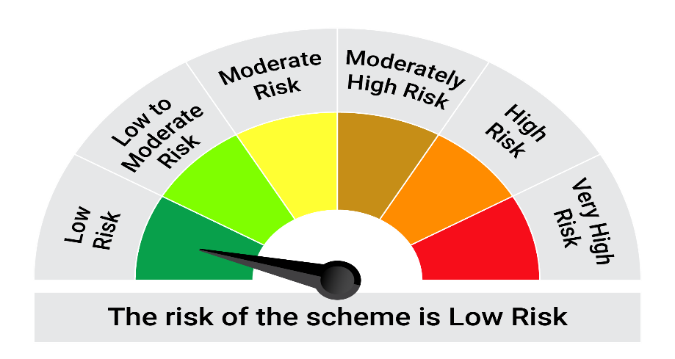
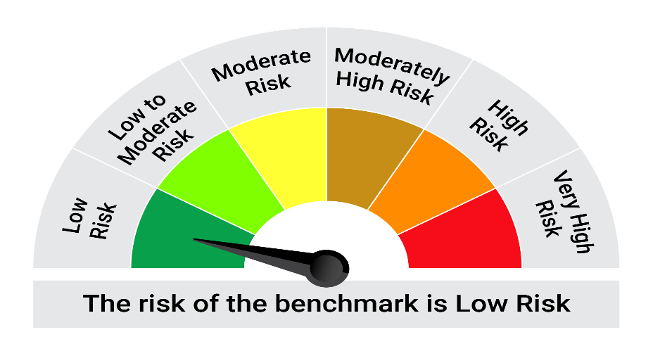
This product is suitable for investors who are seeking*:• Generation of reasonable returns over short to medium term • Investment predominantly in arbitrage opportunities in the cash and derivatives segments of the equity markets; and debt and money market instrument.

*Investors should consult their financial advisers if in doubt about whether the product is suitable for them.

Mutual fund investments are subject to market risks, read all scheme related documents carefully. |  |  | Scheme Benchmark: Nifty 50 Arbitrage Index

Please note that the above risk-o-meter is as per the product labelling of the scheme available as on the date of this communication/ disclosure. as per SEBI circular dated May 19, 2023 on product labelling (as amended from time to time), risk-o-meters will be calculated on a monthly basis based on the risk values of the respective scheme's portfolio based on the methodology specified by SEBI in the above stated circular. The AMC shall disclose the risk-o-meters along with portfolio disclosure for all their schemes on their respective website and on AMFI website within 10 days from the close of each month. Any change in risk-o-meter shall be communicated by way of Notice cum Addendum and by way of an e-mail or SMS to unitholders of that particular Scheme.

Disclaimer


