HOMSMS
HSBC Mutual Fund
HSBC Multi Asset Active FOF
HSBC Multi Asset Active FOF(An open-ended multi asset Fund of Fund scheme investing in equity, debt, commodity-based schemes (including Gold and Silver ETFs))
Portfolio Statement as of August 31, 2025

Name of the Instrument | ISIN | Rating/Industries | Quantity | Market Value (Rs in Lacs) | Percentage to Net Assets | Yield of the Instrument (%) | YTC @
 |  |  |  |  |  |  | CRISIL | ICRA
Mutual Fund Units
Domestic Mutual Fund Units
HSBC Large & Mid Cap Fund - Direct Growth | INF336L01NV5 | Internal - Mutual Fund Units | 2,922,747.12 | 841.90 | 13.58%
HSBC Multi Cap Fund - Direct Growth | INF336L01QN5 | Internal - Mutual Fund Units | 4,447,921.55 | 839.43 | 13.54%
HSBC Value Fund - Direct Growth | INF917K01HD4 | Internal - Mutual Fund Units | 694,247.25 | 833.93 | 13.45%
HSBC Focused Fund - Direct Growth | INF336L01PB2 | Internal - Mutual Fund Units | 3,155,718.08 | 832.28 | 13.43%
HSBC Flexi Cap Fund - Direct Growth | INF336L01DH5 | Internal - Mutual Fund Units | 348,717.59 | 831.47 | 13.42%
HSBC Medium To Long Duration Fund - Direct Growth | INF336L01DE2 | Internal - Mutual Fund Units | 1,320,927.10 | 619.03 | 9.99%
HSBC Corporate Bond Fund - Direct Growth | INF917K01HN3 | Internal - Mutual Fund Units | 428,992.23 | 337.63 | 5.45%
HSBC Dynamic Bond Fund - Direct Growth | INF917K01HA0 | Internal - Mutual Fund Units | 753,824.94 | 240.53 | 3.88%
Total |  |  |  | 5,376.20 | 86.74%
Exchange Traded Fund
Listed / Awaiting listing on Stock Exchanges
Nippon Life India Asset Management Limited | INF204KC1402 | Exchange Traded Funds | 350,549.00 | 398.15 | 6.42%
Nippon Life India Asset Management Limited | INF204KB17I5 | Exchange Traded Funds | 411,000.00 | 350.75 | 5.66%
Total |  |  |  | 748.90 | 12.08%
Treps |  |  |  | 149.29 | 2.41% | 5.4
Net Current Assets (including cash & bank balances) |  |  |  | -76.38 | -1.23% | 5.4
Total Net Assets as on 31-August-2025 |  |  |  | 6,198.01 | 100.00%

HSBC Multi Asset Active FOF |  | Scheme Riskometer |  | Scheme Benchmark Riskometer


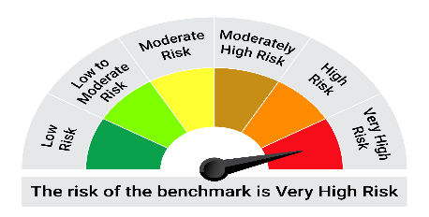
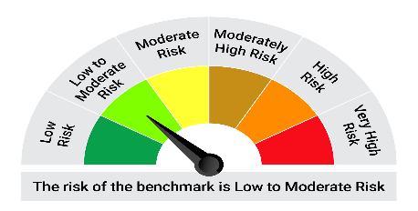
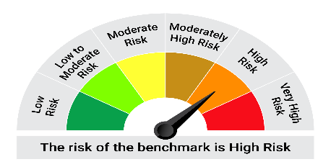
BSE 200 TRI (65%)
NIFTY Short Duration Debt Index (20%)
Domestic Price of Gold (10%)
Domestic Price of Silver (5%)
This product is suitable for investors who are seeking*:• To create wealth and provide income over the long-term • Investments in a basket of debt mutual funds, equity mutual funds, gold, silver and exchange traded funds and money market instruments

*Investors should consult their financial advisers if in doubt about whether the product is suitable for them.

Mutual fund investments are subject to market risks, read all scheme realted documents carefully. |  |  | Scheme Benchmark: BSE 200 TRI (65%) + NIFTY Short Duration Debt Index (20%) +Domestic Price of Gold (10%) +Domestic Price of Silver (5%)

Please note that the above risk-o-meter is as per the product labelling of the scheme available as on the date of this communication/ disclosure. as per SEBI circular dated May 19, 2023 on product labelling (as amended from time to time), risk-o-meters will be calculated on a monthly basis based on the risk values of the respective scheme's portfolio based on the methodology specified by SEBI in the above stated circular. The AMC shall disclose the risk-o-meters along with portfolio disclosure for all their schemes on their respective website and on AMFI website within 10 days from the close of each month. Any change in risk-o-meter shall be communicated by way of Notice cum Addendum and by way of an e-mail or SMS to unitholders of that particular Scheme.

Disclaimer


