HELABF
HSBC Mutual Fund
HSBC Arbitrage Fund
HSBC Arbitrage Fund(An open ended scheme investing in arbitrage opportunities)
Portfolio Statement as of October 31, 2024

Name of the Instrument | ISIN | Rating/Industries | Quantity | Market Value (Rs in Lacs) | Percentage to Net Assets | Yield of the Instrument (%) | YTC @ |  | Maturity Date
 |  |  |  |  |  |  | CRISIL | ICRA
Equity & Equity Related Instruments
Equity Shares
Listed / Awaiting listing on Stock Exchanges
Bank of Baroda | INE028A01039 | Banks | 7,139,925.00 | 17,918.36 | 7.34%
Reliance Industries Limited | INE002A01018 | Petroleum Products | 1,082,000.00 | 14,412.78 | 5.90%
HDFC Bank Limited | INE040A01034 | Banks | 646,800.00 | 11,226.51 | 4.60%
Laurus Labs Limited | INE947Q01028 | Pharmaceuticals & Biotechnology | 1,468,800.00 | 7,215.48 | 2.96%
Vedanta Limited | INE205A01025 | Diversified Metals | 1,430,600.00 | 6,638.70 | 2.72%
Bandhan Bank Limited | INE545U01014 | Banks | 3,388,000.00 | 6,173.27 | 2.53%
Tata Power Company Limited | INE245A01021 | Power | 1,247,400.00 | 5,489.18 | 2.25%
Kotak Mahindra Bank Limited | INE237A01028 | Banks | 274,800.00 | 4,757.06 | 1.95%
Bharat Heavy Electricals Limited | INE257A01026 | Electrical Equipment | 1,955,625.00 | 4,673.94 | 1.91%
Hindustan Aeronautics Limited | INE066F01020 | Aerospace & Defense | 103,500.00 | 4,395.33 | 1.80%
IndusInd Bank Limited | INE095A01012 | Banks | 410,000.00 | 4,327.96 | 1.77%
Biocon Limited | INE376G01013 | Pharmaceuticals & Biotechnology | 1,202,500.00 | 3,801.10 | 1.56%
Steel Authority of India Limited | INE114A01011 | Ferrous Metals | 3,008,000.00 | 3,481.76 | 1.43%
Indian Energy Exchange Limited | INE022Q01020 | Capital Markets | 1,931,250.00 | 3,432.99 | 1.41%
Canara Bank | INE476A01022 | Banks | 3,287,250.00 | 3,374.36 | 1.38%
Crompton Greaves Consumer Electricals Limited | INE299U01018 | Consumer Durables | 811,800.00 | 3,174.14 | 1.30%
Tata Communications Limited | INE151A01013 | Telecom - Services | 177,000.00 | 3,141.13 | 1.29%
Aditya Birla Fashion and Retail Limited | INE647O01011 | Retailing | 1,011,400.00 | 3,116.63 | 1.28%
City Union Bank Limited | INE491A01021 | Banks | 1,520,000.00 | 2,671.25 | 1.09%
Rec Limited | INE020B01018 | Finance | 500,000.00 | 2,613.00 | 1.07%
Havells India Limited | INE176B01034 | Consumer Durables | 145,000.00 | 2,375.68 | 0.97%
Grasim Industries Limited | INE047A01021 | Cement & Cement Products | 83,000.00 | 2,237.56 | 0.92%
Indus Towers Limited | INE121J01017 | Telecom - Services | 656,200.00 | 2,234.69 | 0.92%
Aditya Birla Capital Limited | INE674K01013 | Finance | 1,015,200.00 | 2,063.19 | 0.85%
DLF Limited | INE271C01023 | Realty | 246,675.00 | 2,022.36 | 0.83%
Gujarat Narmada Valley Fertilizers & Chemicals Ltd | INE113A01013 | Chemicals & Petrochemicals | 317,200.00 | 1,982.98 | 0.81%
Muthoot Finance Limited | INE414G01012 | Finance | 99,550.00 | 1,921.76 | 0.79%
Bajaj Finance Limited | INE296A01024 | Finance | 27,000.00 | 1,860.23 | 0.76%
LTIMindtree Limited | INE214T01019 | IT - Software | 31,800.00 | 1,816.05 | 0.74%
NMDC Limited | INE584A01023 | Minerals & Mining | 814,500.00 | 1,807.13 | 0.74%
Oberoi Realty Limited | INE093I01010 | Realty | 88,200.00 | 1,734.72 | 0.71%
Atul Limited | INE100A01010 | Chemicals & Petrochemicals | 22,000.00 | 1,725.22 | 0.71%
State Bank of India | INE062A01020 | Banks | 210,000.00 | 1,722.42 | 0.71%
Wipro Limited | INE075A01022 | IT - Software | 303,000.00 | 1,671.95 | 0.68%
Cholamandalam Investment & Finance Company Limited | INE121A01024 | Finance | 127,500.00 | 1,622.76 | 0.66%
MRF Limited | INE883A01011 | Auto Components | 1,270.00 | 1,556.06 | 0.64%
Petronet LNG Limited | INE347G01014 | Gas | 444,000.00 | 1,478.52 | 0.61%
Tata Motors Limited | INE155A01022 | Automobiles | 171,050.00 | 1,426.64 | 0.58%
Power Grid Corporation of India Limited | INE752E01010 | Power | 442,800.00 | 1,420.50 | 0.58%
Vodafone Idea Limited | INE669E01016 | Telecom - Services | 17,480,000.00 | 1,419.38 | 0.58%
Granules India Limited | INE101D01020 | Pharmaceuticals & Biotechnology | 232,000.00 | 1,321.47 | 0.54%
Tata Steel Limited | INE081A01020 | Ferrous Metals | 874,500.00 | 1,299.16 | 0.53%
Chambal Fertilizers & Chemicals Limited | INE085A01013 | Fertilizers & Agrochemicals | 266,000.00 | 1,286.38 | 0.53%
Dixon Technologies (India) Limited | INE935N01020 | Consumer Durables | 8,600.00 | 1,209.30 | 0.50%
RBL Bank Limited | INE976G01028 | Banks | 640,000.00 | 1,086.40 | 0.44%
MphasiS Limited | INE356A01018 | IT - Software | 37,675.00 | 1,084.87 | 0.44%
Exide Industries Limited | INE302A01020 | Auto Components | 235,800.00 | 1,073.95 | 0.44%
Navin Fluorine International Limited | INE048G01026 | Chemicals & Petrochemicals | 31,150.00 | 1,037.25 | 0.42%
Zydus Lifesciences Limited | INE010B01027 | Pharmaceuticals & Biotechnology | 102,600.00 | 1,027.28 | 0.42%
PI Industries Litmited | INE603J01030 | Fertilizers & Agrochemicals | 22,750.00 | 1,021.13 | 0.42%
Max Financial Services Limited | INE180A01020 | Insurance | 77,600.00 | 995.61 | 0.41%
Alkem Laboratories Limited | INE540L01014 | Pharmaceuticals & Biotechnology | 16,400.00 | 947.80 | 0.39%
Manappuram Finance Limited | INE522D01027 | Finance | 597,000.00 | 937.59 | 0.38%
Container Corporation of India Limited | INE111A01025 | Transport Services | 106,000.00 | 897.93 | 0.37%
HDFC Asset Management Company Limited | INE127D01025 | Capital Markets | 19,500.00 | 838.39 | 0.34%
Larsen & Toubro Limited | INE018A01030 | Construction | 23,100.00 | 836.75 | 0.34%
Lupin Limited | INE326A01037 | Pharmaceuticals & Biotechnology | 34,850.00 | 762.15 | 0.31%
ICICI Prudential Life Insurance Company Limited | INE726G01019 | Insurance | 99,000.00 | 733.59 | 0.30%
Nestle India Limited | INE239A01024 | Food Products | 32,400.00 | 733.20 | 0.30%
Indian Oil Corporation Limited | INE242A01010 | Petroleum Products | 448,500.00 | 639.65 | 0.26%
Hindalco Industries Limited | INE038A01020 | Non - Ferrous Metals | 86,800.00 | 595.49 | 0.24%
Axis Bank Limited | INE238A01034 | Banks | 47,500.00 | 550.79 | 0.23%
Godrej Properties Limited | INE484J01027 | Realty | 18,450.00 | 530.57 | 0.22%
Marico Limited | INE196A01026 | Agricultural Food & other Products | 78,000.00 | 499.20 | 0.20%
The Indian Hotels Company Limited | INE053A01029 | Leisure Services | 71,000.00 | 480.46 | 0.20%
Mahindra & Mahindra Limited | INE101A01026 | Automobiles | 17,500.00 | 477.50 | 0.20%
NTPC Limited | INE733E01010 | Power | 114,000.00 | 465.29 | 0.19%
United Spirits Limited | INE854D01024 | Beverages | 30,800.00 | 446.32 | 0.18%
HDFC Life Insurance Company Limited | INE795G01014 | Insurance | 60,500.00 | 435.69 | 0.18%
Federal Bank Limited | INE171A01029 | Banks | 210,000.00 | 428.21 | 0.18%
Infosys Limited | INE009A01021 | IT - Software | 22,800.00 | 400.65 | 0.16%
Shriram Finance Limited | INE721A01013 | Finance | 12,000.00 | 376.67 | 0.15%
InterGlobe Aviation Limited | INE646L01027 | Transport Services | 9,000.00 | 364.73 | 0.15%
Hindustan Petroleum Corporation Limited | INE094A01015 | Petroleum Products | 85,050.00 | 323.96 | 0.13%
Punjab National Bank Limited | INE160A01022 | Banks | 320,000.00 | 313.28 | 0.13%
Bharat Forge Limited | INE465A01025 | Auto Components | 20,000.00 | 282.03 | 0.12%
Tata Consultancy Services Limited | INE467B01029 | IT - Software | 7,000.00 | 277.79 | 0.11%
SRF Limited | INE647A01010 | Chemicals & Petrochemicals | 12,375.00 | 277.59 | 0.11%
Coforge Limited | INE591G01017 | IT - Software | 3,300.00 | 251.60 | 0.10%
Pidilite Industries Limited | INE318A01026 | Chemicals & Petrochemicals | 7,750.00 | 243.80 | 0.10%
UPL Limited | INE628A01036 | Fertilizers & Agrochemicals | 42,900.00 | 237.52 | 0.10%
Hindustan Unilever Limited | INE030A01027 | Diversified FMCG | 8,700.00 | 219.96 | 0.09%
LIC Housing Finance Limited | INE115A01026 | Finance | 32,000.00 | 201.94 | 0.08%
Titan Company Limited | INE280A01028 | Consumer Durables | 6,125.00 | 200.11 | 0.08%
Info Edge (India) Limited | INE663F01024 | Retailing | 2,250.00 | 167.42 | 0.07%
Berger Paints India Limited | INE463A01038 | Consumer Durables | 30,360.00 | 162.97 | 0.07%
Bharti Airtel Limited | INE397D01024 | Telecom - Services | 9,500.00 | 153.20 | 0.06%
Cummins India Limited | INE298A01020 | Industrial Products | 4,200.00 | 147.03 | 0.06%
Aurobindo Pharma Limited | INE406A01037 | Pharmaceuticals & Biotechnology | 8,800.00 | 122.89 | 0.05%
Siemens Limited | INE003A01024 | Electrical Equipment | 1,650.00 | 115.11 | 0.05%
Coal India Limited | INE522F01014 | Consumable Fuels | 25,200.00 | 113.92 | 0.05%
Bajaj Finserv Limited | INE918I01026 | Finance | 6,500.00 | 113.80 | 0.05%
Bharat Electronics Limited | INE263A01024 | Aerospace & Defense | 39,900.00 | 113.68 | 0.05%
Escorts Kubota Limited | INE042A01014 | Agricultural Commercial & Construction Vehicles | 3,025.00 | 113.29 | 0.05%
Torrent Pharmaceuticals Limited | INE685A01028 | Pharmaceuticals & Biotechnology | 3,500.00 | 112.09 | 0.05%
GAIL India Limited | INE129A01019 | Gas | 54,900.00 | 109.79 | 0.04%
United Breweries Limited | INE686F01025 | Beverages | 5,600.00 | 107.61 | 0.04%
Eicher Motors Limited | INE066A01021 | Automobiles | 1,750.00 | 85.66 | 0.04%
Abbott India Limited | INE358A01014 | Pharmaceuticals & Biotechnology | 280.00 | 81.14 | 0.03%
TVS Motor Company Limited | INE494B01023 | Automobiles | 2,800.00 | 69.82 | 0.03%
Bharat Petroleum Corporation Limited | INE029A01011 | Petroleum Products | 21,600.00 | 67.12 | 0.03%
Coromandel International Limited | INE169A01031 | Fertilizers & Agrochemicals | 3,500.00 | 58.40 | 0.02%
SBI Life Insurance Company Limited | INE123W01016 | Insurance | 3,375.00 | 54.75 | 0.02%
Dabur India Limited | INE016A01026 | Personal Products | 10,000.00 | 54.00 | 0.02%
Maruti Suzuki India Limited | INE585B01010 | Automobiles | 400.00 | 44.31 | 0.02%
Cipla Limited | INE059A01026 | Pharmaceuticals & Biotechnology | 2,600.00 | 40.35 | 0.02%
Dr Reddy''s Laboratories Limited | INE089A01031 | Pharmaceuticals & Biotechnology | 3,125.00 | 39.82 | 0.02%
JSW Steel Limited | INE019A01038 | Ferrous Metals | 3,375.00 | 32.52 | 0.01%
Persistent Systems Limited | INE262H01021 | IT - Software | 600.00 | 32.24 | 0.01%
Trent Limited | INE849A01020 | Retailing | 400.00 | 28.51 | 0.01%
Tata Consumer Products Limited | INE192A01025 | Agricultural Food & other Products | 2,736.00 | 27.43 | 0.01%
Piramal Enterprises Limited | INE140A01024 | Finance | 2,250.00 | 23.88 | 0.01%
IPCA Laboratories Limited | INE571A01038 | Pharmaceuticals & Biotechnology | 1,300.00 | 20.65 | 0.01%
Gujarat Gas Limited | INE844O01030 | Gas | 3,750.00 | 19.47 | 0.01%
Dr Lal Path Labs Limited | INE600L01024 | Healthcare Services | 600.00 | 18.68 | 0.01%
Astral Limited | INE006I01046 | Industrial Products | 734.00 | 12.99 | 0.01%
Ambuja Cements Limited | INE079A01024 | Cement & Cement Products | 1,800.00 | 10.45 | 0.00%
Tech Mahindra Limited | INE669C01036 | IT - Software | 600.00 | 9.65 | 0.00%
ITC Limited | INE154A01025 | Diversified FMCG | 1,600.00 | 7.82 | 0.00%
Sun Pharmaceutical Industries Limited | INE044A01036 | Pharmaceuticals & Biotechnology | 350.00 | 6.47 | 0.00%
PVR INOX Limited | INE191H01014 | Entertainment | 407.00 | 6.39 | 0.00%
Adani Ports and Special Economic Zone Limited | INE742F01042 | Transport Infrastructure | 400.00 | 5.50 | 0.00%
Total |  |  |  | 183,296.55 | 75.07%
Money Market Instruments
Certificate of Deposit
Privately Placed/Unlisted
HDFC Bank Limited** | INE040A16EM3 | CRISIL A1+ | 500.00 | 2,454.40 | 1.01% | 7.21 |  |  | 3-Feb-25
Punjab National Bank Limited** | INE160A16OI6 | ICRA A1+ | 500.00 | 2,452.74 | 1.00% | 7.25 |  |  | 6-Feb-25
Total |  |  |  | 4,907.14 | 2.01%
Treasury Bills
364 DAYS T-BILL - 13FEB2025 | IN002023Z489 | SOVEREIGN | 10,000,000.00 | 9,816.51 | 4.02% | 6.56 |  |  | 13-Feb-25
364 DAYS T-BILL 14NOV24 | IN002023Z356 | SOVEREIGN | 5,000,000.00 | 4,988.54 | 2.04% | 6.45 |  |  | 14-Nov-24
364 DAYS T-BILL 05DEC24 | IN002023Z380 | SOVEREIGN | 3,500,000.00 | 3,479.10 | 1.43% | 6.45 |  |  | 5-Dec-24
364 DAYS T-BILL 02JAN25 | IN002023Z422 | SOVEREIGN | 2,500,000.00 | 2,472.72 | 1.01% | 6.5 |  |  | 2-Jan-25
364 DAYS T-BILL 06FEB25 | IN002023Z471 | SOVEREIGN | 2,500,000.00 | 2,457.26 | 1.01% | 6.55 |  |  | 6-Feb-25
Total |  |  |  | 23,214.13 | 9.51%
Mutual Fund Units
Domestic Mutual Fund Units
HSBC Liquid Fund - Direct Growth | INF336L01CC8 | Internal - Mutual Fund Units | 500,646.20 | 12,558.76 | 5.14%
HSBC Ultra Short Duration Fund - Direct Growth | INF336L01OR1 | Internal - Mutual Fund Units | 668,356.68 | 8,727.46 | 3.58%
HSBC Banking & PSU Debt Fund - Direct Growth | INF917K01HH5 | Internal - Mutual Fund Units | 31,201,764.94 | 7,528.02 | 3.08%
Total |  |  |  | 28,814.24 | 11.80%
Treps |  |  |  | 2,733.45 | 1.12% | 6.28 |  |  | 4-Nov-24
Net Current Assets (including cash & bank balances) |  |  |  | 1,162.54 | 0.49% | 6.28
Total Net Assets as on 31-October-2024 |  |  |  | 244,128.05 | 100.00%
Market Value includes accrued interest
** Securities are classified as non-traded on the basis of Traded data as on OCT 31, 2024 provided by CRISIL and ICRA.
^ Securities are classified as traded on the basis of Traded data as on OCT 31, 2024 provided by CRISIL and ICRA.

HSBC Arbitrage Fund |  | Scheme Riskometer |  | Scheme Benchmark Riskometer

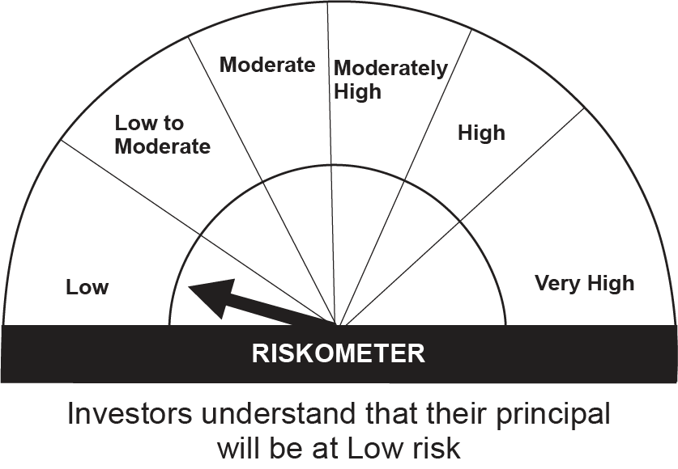
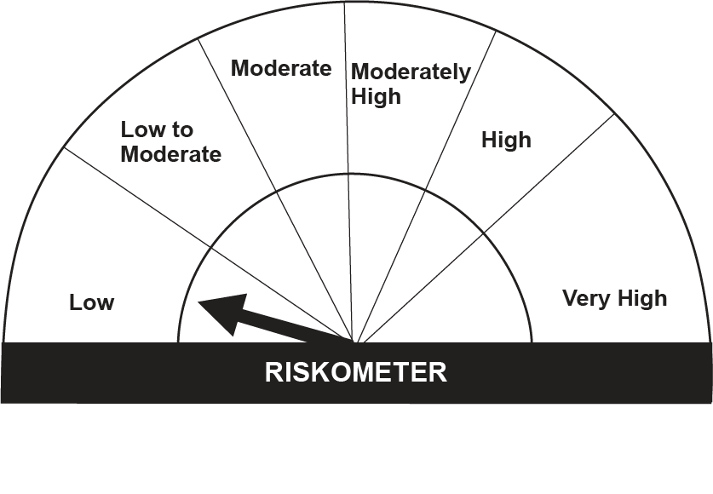
This product is suitable for investors who are seeking*:• Generation of reasonable returns over short to medium term • Investment predominantly in arbitrage opportunities in the cash and derivatives segments of the equity markets; and debt and money market instrument.

*Investors should consult their financial advisers if in doubt about whether the product is suitable for them.

Mutual fund investments are subject to market risks, read all scheme realted documents carefully. |  |  | Scheme Benchmark: Nifty 50 Arbitrage Index

Please note that the above risk-o-meter is as per the product labelling of the scheme available as on the date of this communication/ disclosure. as per SEBI circular dated May 19, 2023 on product labelling (as amended from time to time), risk-o-meters will be calculated on a monthly basis based on the risk values of the respective scheme's portfolio based on the methodology specified by SEBI in the above stated circular. The AMC shall disclose the risk-o-meters along with portfolio disclosure for all their schemes on their respective website and on AMFI website within 10 days from the close of each month. Any change in risk-o-meter shall be communicated by way of Notice cum Addendum and by way of an e-mail or SMS to unitholders of that particular Scheme.

Disclaimer


