HELBAF
HSBC Mutual Fund
HSBC Balanced Advantage Fund
HSBC Balanced Advantage Fund(An open ended dynamic asset allocation fund)
Portfolio Statement as of October 31, 2024

Name of the Instrument | ISIN | Rating/Industries | Quantity | Market Value (Rs in Lacs) | Percentage to Net Assets | Yield of the Instrument (%) | YTC @ |  | Maturity Date
 |  |  |  |  |  |  | CRISIL | ICRA
Equity & Equity Related Instruments
Equity Shares
Listed / Awaiting listing on Stock Exchanges
ICICI Bank Limited | INE090A01021 | Banks | 425,000.00 | 5,492.06 | 3.65%
Aurobindo Pharma Limited | INE406A01037 | Pharmaceuticals & Biotechnology | 345,400.00 | 4,823.51 | 3.21%
Tata Power Company Limited | INE245A01021 | Power | 1,074,600.00 | 4,728.78 | 3.14%
Dixon Technologies (India) Limited | INE935N01020 | Consumer Durables | 25,500.00 | 3,585.71 | 2.38%
Reliance Industries Limited | INE002A01018 | Petroleum Products | 250,000.00 | 3,330.13 | 2.21%
Multi Commodity Exchange of India Limited | INE745G01035 | Capital Markets | 45,000.00 | 2,932.16 | 1.95%
Ambuja Cements Limited | INE079A01024 | Cement & Cement Products | 504,000.00 | 2,925.97 | 1.95%
Adani Ports and Special Economic Zone Limited | INE742F01042 | Transport Infrastructure | 200,800.00 | 2,762.91 | 1.84%
Axis Bank Limited | INE238A01034 | Banks | 233,750.00 | 2,710.45 | 1.80%
Polycab India Limited | INE455K01017 | Industrial Products | 41,625.00 | 2,697.47 | 1.79%
Kotak Mahindra Bank Limited | INE237A01028 | Banks | 154,400.00 | 2,672.82 | 1.78%
Infosys Limited | INE009A01021 | IT - Software | 150,000.00 | 2,635.88 | 1.75%
Larsen & Toubro Limited | INE018A01030 | Construction | 70,000.00 | 2,535.61 | 1.69%
Manappuram Finance Limited | INE522D01027 | Finance | 1,530,000.00 | 2,402.87 | 1.60%
Bajaj Finance Limited | INE296A01024 | Finance | 34,000.00 | 2,342.52 | 1.56%
Sun Pharmaceutical Industries Limited | INE044A01036 | Pharmaceuticals & Biotechnology | 125,000.00 | 2,311.13 | 1.54%
PB Fintech Limited | INE417T01026 | Financial Technology (Fintech) | 125,000.00 | 2,126.44 | 1.41%
DLF Limited | INE271C01023 | Realty | 250,800.00 | 2,056.18 | 1.37%
PNB Housing Finance Limited | INE572E01012 | Finance | 200,000.00 | 1,934.10 | 1.29%
Maruti Suzuki India Limited | INE585B01010 | Automobiles | 16,650.00 | 1,844.23 | 1.23%
Paradeep Phosphates Limited | INE088F01024 | Fertilizers & Agrochemicals | 1,600,000.00 | 1,671.52 | 1.11%
Prudent Corporate Advisory Services Limited | INE00F201020 | Capital Markets | 50,000.00 | 1,556.35 | 1.03%
Max Healthcare Institute Limited | INE027H01010 | Healthcare Services | 150,000.00 | 1,526.40 | 1.01%
Varun Beverages Limited | INE200M01039 | Beverages | 250,000.00 | 1,494.38 | 0.99%
Time Technoplast Limited | INE508G01029 | Industrial Products | 350,000.00 | 1,481.20 | 0.98%
Federal Bank Limited | INE171A01029 | Banks | 700,000.00 | 1,427.37 | 0.95%
Amara Raja Energy & Mobility Limited | INE885A01032 | Auto Components | 100,000.00 | 1,390.60 | 0.92%
Zensar Technologies Limited | INE520A01027 | IT - Software | 190,000.00 | 1,337.22 | 0.89%
HCL Technologies Limited | INE860A01027 | IT - Software | 75,000.00 | 1,324.54 | 0.88%
HDFC Bank Limited | INE040A01034 | Banks | 75,850.00 | 1,316.53 | 0.88%
Kalyan Jewellers India Limited | INE303R01014 | Consumer Durables | 200,000.00 | 1,314.30 | 0.87%
Suven Pharmaceuticals Limited | INE03QK01018 | Pharmaceuticals & Biotechnology | 100,000.00 | 1,313.40 | 0.87%
Titan Company Limited | INE280A01028 | Consumer Durables | 38,850.00 | 1,269.25 | 0.84%
Shriram Finance Limited | INE721A01013 | Finance | 40,000.00 | 1,255.56 | 0.83%
Aditya Birla Real Estate Limited | INE055A01016 | Paper Forest & Jute Products | 45,000.00 | 1,234.26 | 0.82%
NTPC Limited | INE733E01010 | Power | 300,000.00 | 1,224.45 | 0.81%
Phoenix Mills Limited | INE211B01039 | Realty | 80,000.00 | 1,217.72 | 0.81%
Zomato Limited | INE758T01015 | Retailing | 500,000.00 | 1,208.75 | 0.80%
Sonata Software Limited | INE269A01021 | IT - Software | 190,000.00 | 1,162.80 | 0.77%
Jubilant Foodworks Limited | INE797F01020 | Leisure Services | 200,000.00 | 1,152.00 | 0.77%
Aditya Vision Limited | INE679V01027 | Retailing | 250,000.00 | 1,134.38 | 0.75%
Hindalco Industries Limited | INE038A01020 | Non - Ferrous Metals | 165,200.00 | 1,133.35 | 0.75%
Safari Industries India Limited | INE429E01023 | Consumer Durables | 50,000.00 | 1,103.70 | 0.73%
Lupin Limited | INE326A01037 | Pharmaceuticals & Biotechnology | 50,000.00 | 1,093.48 | 0.73%
GE TandD India Limited | INE200A01026 | Electrical Equipment | 60,000.00 | 1,071.54 | 0.71%
United Spirits Limited | INE854D01024 | Beverages | 70,000.00 | 1,014.37 | 0.67%
Abbott India Limited | INE358A01014 | Pharmaceuticals & Biotechnology | 3,500.00 | 1,014.25 | 0.67%
Vinati Organics Limited | INE410B01037 | Chemicals & Petrochemicals | 50,000.00 | 986.75 | 0.66%
Oberoi Realty Limited | INE093I01010 | Realty | 50,000.00 | 983.40 | 0.65%
Vedanta Limited | INE205A01025 | Diversified Metals | 181,700.00 | 843.18 | 0.56%
IIFL Securities Limited | INE489L01022 | Capital Markets | 200,000.00 | 761.60 | 0.51%
Lemon Tree Hotels Limited | INE970X01018 | Leisure Services | 600,000.00 | 706.50 | 0.47%
Bharat Bijlee Limited | INE464A01036 | Electrical Equipment | 15,000.00 | 695.82 | 0.46%
TD Power Systems Limited | INE419M01027 | Electrical Equipment | 150,000.00 | 619.13 | 0.41%
Power Mech Projects Limited | INE211R01019 | Construction | 20,000.00 | 590.89 | 0.39%
Kirloskar Pneumatic Co Limited | INE811A01020 | Industrial Products | 35,000.00 | 581.72 | 0.39%
Kirloskar Oil Eng Limited | INE146L01010 | Industrial Products | 50,000.00 | 573.48 | 0.38%
PNC Infratech Limited | INE195J01029 | Construction | 150,000.00 | 477.23 | 0.32%
Godrej Consumer Products Limited | INE102D01028 | Personal Products | 20,000.00 | 256.63 | 0.17%
UltraTech Cement Limited | INE481G01011 | Cement & Cement Products | 1,400.00 | 154.92 | 0.10%
Total |  |  |  | 101,525.85 | 67.45%
Debt Instruments
Fixed rates bonds - Corporate
Listed / Awaiting listing on Stock Exchanges
Kotak Mahindra Prime Limited** | INE916DA7SA6 | CRISIL AAA | 250.00 | 2,672.65 | 1.78% | 7.78 |  |  | 12-Dec-25
Small Industries Development Bank of India** | INE556F08KF5 | ICRA AAA | 250.00 | 2,670.13 | 1.78% | 7.63 |  |  | 12-Jan-26
Bajaj Finance Limited** | INE296A07SJ6 | CRISIL AAA | 250.00 | 2,640.54 | 1.76% | 7.78 |  |  | 27-Feb-26
National Bank for Agriculture & Rural Development** | INE261F08EF5 | ICRA AAA | 2,500.00 | 2,637.50 | 1.75% | 7.5 |  |  | 15-Mar-27
LIC Housing Finance Limited** | INE115A07QG8 | CRISIL AAA | 250.00 | 2,635.11 | 1.75% | 7.72 |  |  | 25-Mar-26
National Bank for Agriculture & Rural Development** | INE261F08EH1 | CRISIL AAA | 2,500.00 | 2,608.26 | 1.73% | 7.42 |  |  | 10-May-29
National Housing Bank** | INE557F08FY4 | CRISIL AAA | 2,500.00 | 2,596.14 | 1.73% | 7.31 |  |  | 14-Jul-27
Rec Limited^ | INE020B08ED9 | CRISIL AAA | 2,500.00 | 2,567.98 | 1.71% | 7.42 |  |  | 30-Jun-26
Power Finance Corporation Limited** | INE134E08IT9 | CRISIL AAA | 250.00 | 2,553.03 | 1.70% | 7.44 |  |  | 20-Feb-27
Bajaj Finance Limited** | INE296A07SR9 | CRISIL AAA | 1,500.00 | 1,611.66 | 1.07% | 7.78 |  |  | 8-Jan-27
Kotak Mahindra Prime Limited** | INE916DA7SN9 | CRISIL AAA | 1,350.00 | 1,449.62 | 0.96% | 7.78 |  |  | 11-Jan-27
Total |  |  |  | 26,642.62 | 17.72%
Government Securities
7.18% GOVERNMENT ON INDIA 14AUG2033 GSEC | IN0020230085 | SOVEREIGN | 5,600,000.00 | 5,803.45 | 3.86% | 6.86 |  |  | 14-Aug-33
7.06% GOI 10APR28 | IN0020230010 | SOVEREIGN | 4,800,000.00 | 4,863.95 | 3.23% | 6.75 |  |  | 10-Apr-28
7.37% GOI 23OCT2028 | IN0020230101 | SOVEREIGN | 4,000,000.00 | 4,089.43 | 2.72% | 6.77 |  |  | 23-Oct-28
7.10% GOVT 08-Apr-2034 | IN0020240019 | SOVEREIGN | 2,000,000.00 | 2,044.58 | 1.36% | 6.84 |  |  | 8-Apr-34
7.38% GOI 20JUN2027 | IN0020220037 | SOVEREIGN | 1,000,000.00 | 1,041.90 | 0.69% | 6.74 |  |  | 20-Jun-27
7.32% GOI BOND 13NOV2030 | IN0020230135 | SOVEREIGN | 500,000.00 | 529.59 | 0.35% | 6.81 |  |  | 13-Nov-30
Total |  |  |  | 18,372.90 | 12.21%
Money Market Instruments
Certificate of Deposit
Privately Placed/Unlisted
Axis Bank Limited** | INE238AD6942 | CRISIL A1+ | 300.00 | 1,400.69 | 0.93% | 7.54 |  |  | 10-Oct-25
Total |  |  |  | 1,400.69 | 0.93%
Treps |  |  |  | 3,098.93 | 2.06% | 6.28 |  |  | 4-Nov-24
Net Current Assets (including cash & bank balances) |  |  |  | -646.63 | -0.37% | 6.28
Total Net Assets as on 31-October-2024 |  |  |  | 150,394.36 | 100.00%
Market Value includes accrued interest
** Securities are classified as non-traded on the basis of Traded data as on OCT 31, 2024 provided by CRISIL and ICRA.
^ Securities are classified as traded on the basis of Traded data as on OCT 31, 2024 provided by CRISIL and ICRA.

HSBC Balanced Advantage Fund |  | Scheme Riskometer |  | Scheme Benchmark Riskometer

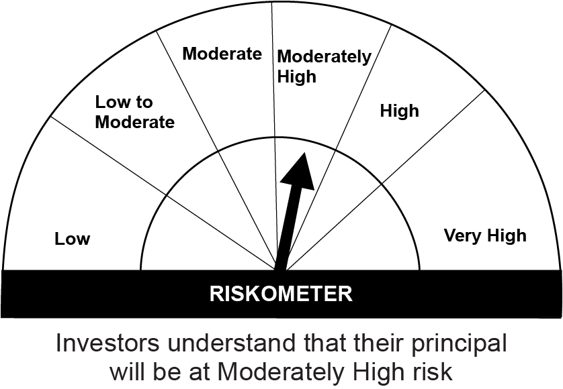
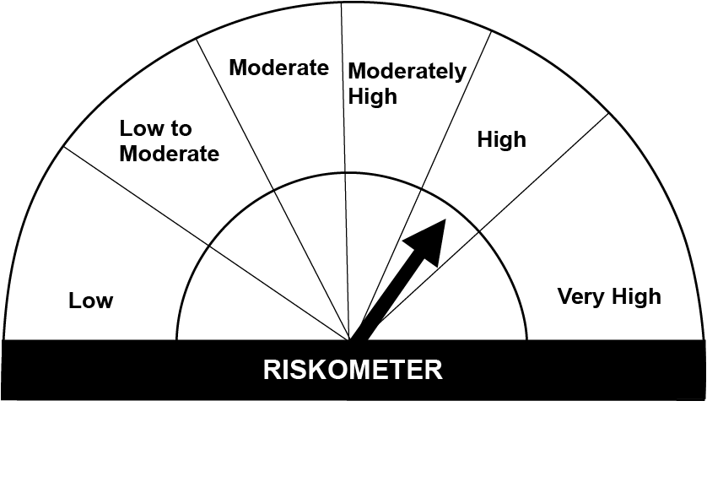
This product is suitable for investors who are seeking*: • Long term capital appreciation and generation of reasonable returns • Investment in equity and equity related instruments, derivatives and debt and money market instruments.

*Investors should consult their financial advisers if in doubt about whether the product is suitable for them.

Mutual fund investments are subject to market risks, read all scheme realted documents carefully. |  |  | Scheme Benchmark: Nifty 50 Hybrid composite debt 50:50 Index

Please note that the above risk-o-meter is as per the product labelling of the scheme available as on the date of this communication/ disclosure. as per SEBI circular dated May 19, 2023 on product labelling (as amended from time to time), risk-o-meters will be calculated on a monthly basis based on the risk values of the respective scheme's portfolio based on the methodology specified by SEBI in the above stated circular. The AMC shall disclose the risk-o-meters along with portfolio disclosure for all their schemes on their respective website and on AMFI website within 10 days from the close of each month. Any change in risk-o-meter shall be communicated by way of Notice cum Addendum and by way of an e-mail or SMS to unitholders of that particular Scheme.

Disclaimer


