HELSF
HSBC Mutual Fund
HSBC Equity Savings Fund
HSBC Equity Savings Fund(An open ended scheme investing in equity, arbitrage and debt)
Portfolio Statement as of October 31, 2024

Name of the Instrument | ISIN | Rating/Industries | Quantity | Market Value (Rs in Lacs) | Percentage to Net Assets | Yield of the Instrument (%) | YTC @ |  | Maturity Date
 |  |  |  |  |  |  | CRISIL | ICRA
Equity & Equity Related Instruments
Equity Shares
Listed / Awaiting listing on Stock Exchanges
HDFC Bank Limited | INE040A01034 | Banks | 140,800.00 | 2,443.87 | 4.46%
Transformers And Rectifiers (India) Limited | INE763I01026 | Electrical Equipment | 240,866.00 | 2,230.78 | 4.07%
City Union Bank Limited | INE491A01021 | Banks | 1,135,000.00 | 1,994.65 | 3.64%
Trent Limited | INE849A01020 | Retailing | 24,000.00 | 1,710.80 | 3.12%
State Bank of India | INE062A01020 | Banks | 197,250.00 | 1,617.84 | 2.95%
Zomato Limited | INE758T01015 | Retailing | 650,000.00 | 1,571.38 | 2.86%
Reliance Industries Limited | INE002A01018 | Petroleum Products | 114,500.00 | 1,525.20 | 2.78%
Canara Bank | INE476A01022 | Banks | 1,444,500.00 | 1,482.78 | 2.70%
CG Power and Industrial Solutions Limited | INE067A01029 | Electrical Equipment | 200,000.00 | 1,408.80 | 2.57%
Suzlon Energy Limited | INE040H01021 | Electrical Equipment | 2,000,000.00 | 1,339.00 | 2.44%
IndusInd Bank Limited | INE095A01012 | Banks | 126,000.00 | 1,330.06 | 2.42%
Dixon Technologies (India) Limited | INE935N01020 | Consumer Durables | 9,200.00 | 1,293.67 | 2.36%
Steel Authority of India Limited | INE114A01011 | Ferrous Metals | 1,100,000.00 | 1,273.25 | 2.32%
Sobha Limited | INE671H01015 | Realty | 65,000.00 | 1,032.46 | 1.88%
GE TandD India Limited | INE200A01026 | Electrical Equipment | 57,743.00 | 1,031.23 | 1.88%
Dr Reddy''s Laboratories Limited | INE089A01031 | Pharmaceuticals & Biotechnology | 72,500.00 | 923.80 | 1.68%
Indian Energy Exchange Limited | INE022Q01020 | Capital Markets | 461,250.00 | 819.92 | 1.49%
Kotak Mahindra Bank Limited | INE237A01028 | Banks | 47,200.00 | 817.08 | 1.49%
Polycab India Limited | INE455K01017 | Industrial Products | 11,625.00 | 753.35 | 1.37%
LIC Housing Finance Limited | INE115A01026 | Finance | 118,000.00 | 744.64 | 1.36%
Hindustan Aeronautics Limited | INE066F01020 | Aerospace & Defense | 17,000.00 | 721.94 | 1.32%
Blue Star Limited | INE472A01039 | Consumer Durables | 36,000.00 | 673.58 | 1.23%
Jyoti CNC Automation Limited | INE980O01024 | Industrial Manufacturing | 63,930.00 | 670.21 | 1.22%
Havells India Limited | INE176B01034 | Consumer Durables | 37,500.00 | 614.40 | 1.12%
PB Fintech Limited | INE417T01026 | Financial Technology (Fintech) | 35,000.00 | 595.40 | 1.09%
Hitachi Energy India Ltd. | INE07Y701011 | Electrical Equipment | 4,000.00 | 552.76 | 1.01%
ABB India Limited | INE117A01022 | Electrical Equipment | 7,000.00 | 520.06 | 0.95%
Safari Industries India Limited | INE429E01023 | Consumer Durables | 22,500.00 | 496.67 | 0.91%
Bharat Heavy Electricals Limited | INE257A01026 | Electrical Equipment | 200,000.00 | 478.00 | 0.87%
Torrent Pharmaceuticals Limited | INE685A01028 | Pharmaceuticals & Biotechnology | 14,500.00 | 464.38 | 0.85%
Prestige Estates Projects Limited | INE811K01011 | Realty | 27,917.00 | 456.85 | 0.83%
BSE Limited | INE118H01025 | Capital Markets | 10,000.00 | 446.56 | 0.81%
Nippon Life India Asset Management Limited | INE298J01013 | Capital Markets | 63,000.00 | 446.17 | 0.81%
TARC Limited | INE0EK901012 | Realty | 150,000.00 | 357.98 | 0.65%
Kaynes Technology India Ltd | INE918Z01012 | Industrial Manufacturing | 6,000.00 | 326.40 | 0.60%
Aditya Birla Fashion and Retail Limited | INE647O01011 | Retailing | 104,000.00 | 320.48 | 0.58%
Siemens Limited | INE003A01024 | Electrical Equipment | 4,500.00 | 313.93 | 0.57%
Prudent Corporate Advisory Services Limited | INE00F201020 | Capital Markets | 10,000.00 | 311.27 | 0.57%
Hindustan Petroleum Corporation Limited | INE094A01015 | Petroleum Products | 81,000.00 | 308.53 | 0.56%
Container Corporation of India Limited | INE111A01025 | Transport Services | 35,000.00 | 296.49 | 0.54%
KEI Industries Limited | INE878B01027 | Industrial Products | 7,200.00 | 291.73 | 0.53%
Godrej Properties Limited | INE484J01027 | Realty | 10,000.00 | 287.57 | 0.52%
Bharat Electronics Limited | INE263A01024 | Aerospace & Defense | 100,000.00 | 284.90 | 0.52%
Manappuram Finance Limited | INE522D01027 | Finance | 171,000.00 | 268.56 | 0.49%
Bajaj Finance Limited | INE296A01024 | Finance | 3,625.00 | 249.75 | 0.46%
Techno Electric & Engineering Company Limited | INE285K01026 | Construction | 15,000.00 | 234.67 | 0.43%
Tata Power Company Limited | INE245A01021 | Power | 52,650.00 | 231.69 | 0.42%
TD Power Systems Limited | INE419M01027 | Electrical Equipment | 50,000.00 | 206.38 | 0.38%
Persistent Systems Limited | INE262H01021 | IT - Software | 3,160.00 | 169.77 | 0.31%
Bandhan Bank Limited | INE545U01014 | Banks | 78,400.00 | 142.85 | 0.26%
Wipro Limited | INE075A01022 | IT - Software | 22,500.00 | 124.16 | 0.23%
Federal Bank Limited | INE171A01029 | Banks | 60,000.00 | 122.35 | 0.22%
Divi''s Laboratories Limited | INE361B01024 | Pharmaceuticals & Biotechnology | 2,000.00 | 117.79 | 0.21%
Muthoot Finance Limited | INE414G01012 | Finance | 5,500.00 | 106.17 | 0.19%
Medi Assist Healthcare Services Limited | INE456Z01021 | Insurance | 11,656.00 | 71.97 | 0.13%
Abbott India Limited | INE358A01014 | Pharmaceuticals & Biotechnology | 120.00 | 34.77 | 0.06%
Maruti Suzuki India Limited | INE585B01010 | Automobiles | 250.00 | 27.69 | 0.05%
The Indian Hotels Company Limited | INE053A01029 | Leisure Services | 3,888.00 | 26.31 | 0.05%
Infosys Limited | INE009A01021 | IT - Software | 1,300.00 | 22.84 | 0.04%
Aurobindo Pharma Limited | INE406A01037 | Pharmaceuticals & Biotechnology | 1,100.00 | 15.36 | 0.03%
SOBHA LTD - PARTLY PAID | IN9671H01013 | Realty | 1,914.00 | 14.38 | 0.03%
Cholamandalam Investment & Finance Company Limited | INE121A01024 | Finance | 1,000.00 | 12.73 | 0.02%
ICICI Prudential Life Insurance Company Limited | INE726G01019 | Insurance | 1,500.00 | 11.12 | 0.02%
United Spirits Limited | INE854D01024 | Beverages | 700.00 | 10.14 | 0.02%
Ambuja Cements Limited | INE079A01024 | Cement & Cement Products | 900.00 | 5.22 | 0.01%
Larsen & Toubro Limited | INE018A01030 | Construction | 100.00 | 3.62 | 0.01%
Total |  |  |  | 39,811.11 | 72.57%
Debt Instruments
Fixed rates bonds - Corporate
Listed / Awaiting listing on Stock Exchanges
Rec Limited** | INE020B08880 | CARE AAA | 108.00 | 1,124.48 | 2.05% | 7.26 |  |  | 21-Dec-24
Rec Limited^ | INE020B08FA2 | CRISIL AAA | 1,000.00 | 1,045.46 | 1.91% | 7.4 |  |  | 31-May-27
National Housing Bank** | INE557F08FY4 | CRISIL AAA | 1,000.00 | 1,038.46 | 1.89% | 7.31 |  |  | 14-Jul-27
Total |  |  |  | 3,208.40 | 5.85%
Government Securities
7.38% GOI 20JUN2027 | IN0020220037 | SOVEREIGN | 1,500,000.00 | 1,562.84 | 2.85% | 6.74 |  |  | 20-Jun-27
7.04% GOVERNMENT OF INDIA 03JUN29 G-SEC | IN0020240050 | SOVEREIGN | 1,500,000.00 | 1,558.79 | 2.84% | 6.77 |  |  | 3-Jun-29
5.22% GOVERNMENT OF INDIA 15JUN25 G-SEC | IN0020200112 | SOVEREIGN | 1,499,000.00 | 1,515.76 | 2.76% | 6.63 |  |  | 15-Jun-25
7.18% GOVERNMENT ON INDIA 14AUG2033 GSEC | IN0020230085 | SOVEREIGN | 1,000,000.00 | 1,036.33 | 1.89% | 6.86 |  |  | 14-Aug-33
7.10% GOVT 08-Apr-2034 | IN0020240019 | SOVEREIGN | 1,000,000.00 | 1,022.29 | 1.86% | 6.84 |  |  | 8-Apr-34
7.32% GOI BOND 13NOV2030 | IN0020230135 | SOVEREIGN | 500,000.00 | 529.59 | 0.97% | 6.81 |  |  | 13-Nov-30
7.37% GOI 23OCT2028 | IN0020230101 | SOVEREIGN | 500,000.00 | 511.18 | 0.93% | 6.77 |  |  | 23-Oct-28
7.06% GOI 10APR28 | IN0020230010 | SOVEREIGN | 400,000.00 | 405.33 | 0.74% | 6.75 |  |  | 10-Apr-28
Total |  |  |  | 8,142.11 | 14.84%
Money Market Instruments
Certificate of Deposit
Privately Placed/Unlisted
HDFC Bank Limited^ | INE040A16FM0 | CARE A1+ | 300.00 | 1,407.15 | 2.57% | 7.48 |  |  | 19-Sep-25
ICICI Bank Limited** | INE090AD6147 | ICRA A1+ | 100.00 | 486.80 | 0.89% | 7.28 |  |  | 17-Mar-25
Axis Bank Limited** | INE238AD6942 | CRISIL A1+ | 100.00 | 466.90 | 0.85% | 7.54 |  |  | 10-Oct-25
Total |  |  |  | 2,360.85 | 4.31%
Treps |  |  |  | 963.92 | 1.76% | 6.28 |  |  | 4-Nov-24
Net Current Assets (including cash & bank balances) |  |  |  | 362.16 | 0.67% | 6.28
Total Net Assets as on 31-October-2024 |  |  |  | 54,848.55 | 100.00%
Market Value includes accrued interest
** Securities are classified as non-traded on the basis of Traded data as on OCT 31, 2024 provided by CRISIL and ICRA.
^ Securities are classified as traded on the basis of Traded data as on OCT 31, 2024 provided by CRISIL and ICRA.

HSBC Equity Savings Fund |  | Scheme Riskometer |  | Scheme Benchmark Riskometer

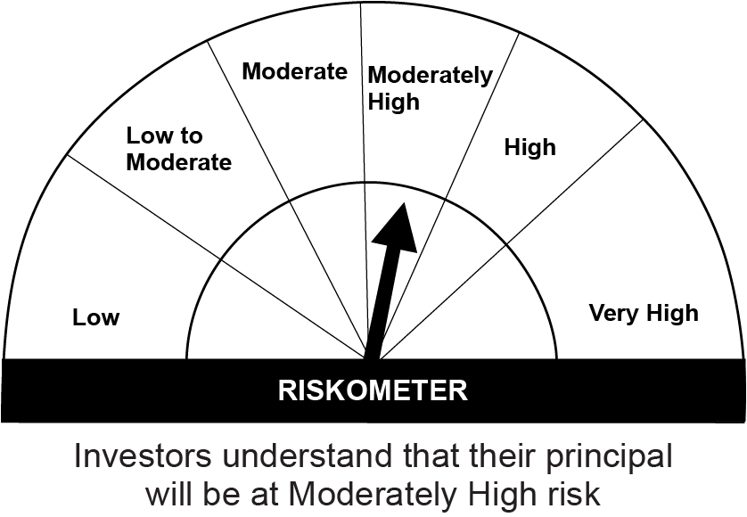
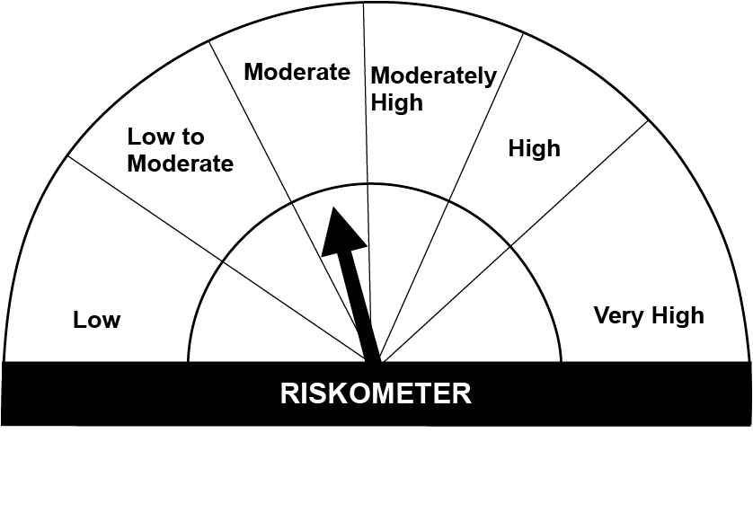
This product is suitable for investors who are seeking*:• Generation of regular income by predominantly investing in arbitrage opportunities in the cash and derivatives segment and long–term capital appreciation through unhedged exposure to equity and equity related instruments. • Investment in equity and equity related instruments, derivatives and debt and money market instruments.

*Investors should consult their financial advisers if in doubt about whether the product is suitable for them.

Mutual fund investments are subject to market risks, read all scheme realted documents carefully. |  |  | Scheme Benchmark: NIFTY Equity Savings Index

Please note that the above risk-o-meter is as per the product labelling of the scheme available as on the date of this communication/ disclosure. as per SEBI circular dated May 19, 2023 on product labelling (as amended from time to time), risk-o-meters will be calculated on a monthly basis based on the risk values of the respective scheme's portfolio based on the methodology specified by SEBI in the above stated circular. The AMC shall disclose the risk-o-meters along with portfolio disclosure for all their schemes on their respective website and on AMFI website within 10 days from the close of each month. Any change in risk-o-meter shall be communicated by way of Notice cum Addendum and by way of an e-mail or SMS to unitholders of that particular Scheme.

Disclaimer


