HLCASH
HSBC Mutual Fund
HSBC Liquid Fund
(An open-ended liquid scheme. A relatively low interest rate risk and moderate credit risk.)
Portfolio Statement as of October 31, 2024

Name of the Instrument | ISIN | Rating/Industries | Quantity | Market Value (Rs in Lacs) | Percentage to Net Assets | Yield of the Instrument (%) | YTC @ |  | Maturity Date
 |  |  |  |  |  |  | CRISIL | ICRA
Debt Instruments
Fixed rates bonds - Corporate
Listed / Awaiting listing on Stock Exchanges
Power Finance Corporation Limited^ | INE134E08KH0 | CRISIL AAA | 2,455.00 | 26,276.67 | 1.46% | 7.35 |  |  | 19-Nov-24
LIC Housing Finance Limited** | INE115A07OW0 | CRISIL AAA | 1,250.00 | 13,210.81 | 0.73% | 7.27 |  |  | 25-Nov-24
Rec Limited** | INE020B08CF8 | CRISIL AAA | 1,000.00 | 10,687.36 | 0.59% | 7.21 |  |  | 26-Nov-24
Total |  |  |  | 50,174.84 | 2.78%
Money Market Instruments
Certificate of Deposit
Privately Placed/Unlisted
State Bank of India** | INE062A16549 | CARE A1+ | 10,000.00 | 49,469.50 | 2.75% | 6.99 |  |  | 27-Dec-24
State Bank of India** | INE062A16556 | CRISIL A1+ | 10,000.00 | 49,441.35 | 2.74% | 6.99 |  |  | 30-Dec-24
Axis Bank Limited** | INE238AD6926 | CRISIL A1+ | 9,500.00 | 47,015.98 | 2.61% | 7.09 |  |  | 24-Dec-24
Small Industries Development Bank of India** | INE556F16AM5 | CARE A1+ | 9,000.00 | 44,653.55 | 2.48% | 7.08 |  |  | 11-Dec-24
Bank of India** | INE084A16CP8 | CRISIL A1+ | 8,000.00 | 39,707.32 | 2.20% | 7.08 |  |  | 9-Dec-24
Punjab National Bank Limited** | INE160A16QA8 | CARE A1+ | 8,000.00 | 39,525.24 | 2.19% | 7.19 |  |  | 1-Jan-25
Canara Bank** | INE476A16ZJ0 | CRISIL A1+ | 7,500.00 | 37,105.80 | 2.06% | 7.05 |  |  | 26-Dec-24
Bank of Baroda** | INE028A16GI1 | IND A1+ | 7,000.00 | 34,772.61 | 1.93% | 7.02 |  |  | 5-Dec-24
HDFC Bank Limited** | INE040A16EH3 | IND A1+ | 6,000.00 | 29,797.71 | 1.65% | 7.08 |  |  | 6-Dec-24
Canara Bank** | INE476A16ZE1 | CRISIL A1+ | 6,000.00 | 29,769.99 | 1.65% | 7.05 |  |  | 11-Dec-24
State Bank of India** | INE062A16523 | CRISIL A1+ | 6,000.00 | 29,766.27 | 1.65% | 6.99 |  |  | 12-Dec-24
Indian Bank** | INE562A16NK1 | CRISIL A1+ | 6,000.00 | 29,644.05 | 1.65% | 7.19 |  |  | 1-Jan-25
Union Bank of India** | INE692A16GQ7 | CRISIL A1+ | 4,500.00 | 22,164.30 | 1.23% | 7.18 |  |  | 17-Jan-25
National Bank for Agriculture & Rural Development^ | INE261F16769 | CRISIL A1+ | 4,000.00 | 19,701.58 | 1.09% | 7.18 |  |  | 17-Jan-25
Bank of Baroda** | INE028A16GN1 | IND A1+ | 3,000.00 | 14,842.44 | 0.82% | 7.04 |  |  | 26-Dec-24
HDFC Bank Limited** | INE040A16FL2 | CARE A1+ | 2,500.00 | 12,401.38 | 0.69% | 7.08 |  |  | 12-Dec-24
State Bank of India** | INE062A16515 | CRISIL A1+ | 2,000.00 | 9,937.20 | 0.55% | 6.99 |  |  | 4-Dec-24
Punjab National Bank Limited** | INE160A16PY0 | ICRA A1+ | 2,000.00 | 9,900.42 | 0.55% | 7.06 |  |  | 23-Dec-24
Bank of Maharashtra** | INE457A16LZ6 | CRISIL A1+ | 2,000.00 | 9,897.89 | 0.55% | 7.1 |  |  | 24-Dec-24
Small Industries Development Bank of India** | INE556F16AP8 | CRISIL A1+ | 2,000.00 | 9,852.70 | 0.55% | 7.18 |  |  | 16-Jan-25
Canara Bank** | INE476A16YT2 | CRISIL A1+ | 500.00 | 2,483.21 | 0.14% | 7.05 |  |  | 6-Dec-24
Small Industries Development Bank of India** | INE556F16AN3 | CRISIL A1+ | 500.00 | 2,477.42 | 0.14% | 7.08 |  |  | 18-Dec-24
Total |  |  |  | 574,327.91 | 31.87%
Commercial Papers
Listed / Awaiting listing on Stock Exchanges
National Bank for Agriculture & Rural Development** | INE261F14MH2 | ICRA A1+ | 10,000.00 | 49,691.55 | 2.76% | 7.08 |  |  | 3-Dec-24
PNB Housing Finance Limited** | INE572E14JO7 | CRISIL A1+ | 10,000.00 | 49,167.25 | 2.73% | 7.36 |  |  | 24-Jan-25
Reliance Retail Ventures Limited** | INE929O14CK1 | CRISIL A1+ | 8,000.00 | 39,806.16 | 2.21% | 7.11 |  |  | 26-Nov-24
HDFC Securities Limited** | INE700G14LR8 | CARE A1+ | 8,000.00 | 39,682.00 | 2.20% | 7.5 |  |  | 10-Dec-24
Export Import Bank of India** | INE514E14SC5 | CRISIL A1+ | 6,000.00 | 29,844.81 | 1.66% | 7.03 |  |  | 28-Nov-24
Kotak Securities Limited** | INE028E14OZ6 | CRISIL A1+ | 6,000.00 | 29,837.34 | 1.66% | 7.37 |  |  | 28-Nov-24
ICICI Securities Limited** | INE763G14VR5 | CRISIL A1+ | 6,000.00 | 29,805.33 | 1.65% | 7.45 |  |  | 3-Dec-24
Reliance Jio Infocomm Limited** | INE110L14SL8 | CRISIL A1+ | 6,000.00 | 29,777.73 | 1.65% | 7.17 |  |  | 9-Dec-24
ICICI Home Finance Company Limited** | INE071G14GA0 | ICRA A1+ | 6,000.00 | 29,524.02 | 1.64% | 7.26 |  |  | 21-Jan-25
Bajaj Financial Securities Limited** | INE01C314AN8 | IND A1+ | 6,000.00 | 29,499.93 | 1.64% | 7.64 |  |  | 21-Jan-25
Aditya Birla Housing Finance Limited** | INE831R14EC5 | ICRA A1+ | 5,500.00 | 27,273.90 | 1.51% | 7.2 |  |  | 13-Dec-24
Reliance Retail Ventures Limited^ | INE929O14CE4 | CRISIL A1+ | 5,000.00 | 24,946.63 | 1.38% | 7.1 |  |  | 12-Nov-24
ICICI Securities Primary Dealership Limited** | INE849D14HR8 | CRISIL A1+ | 5,000.00 | 24,939.73 | 1.38% | 7.35 |  |  | 13-Nov-24
Tata Communications Limited** | INE151A14099 | CRISIL A1+ | 5,000.00 | 24,761.83 | 1.37% | 7.17 |  |  | 20-Dec-24
Sikka Ports & Terminals Limited** | INE941D14600 | CRISIL A1+ | 4,000.00 | 19,926.10 | 1.11% | 7.13 |  |  | 20-Nov-24
ICICI Securities Limited** | INE763G14VO2 | CRISIL A1+ | 4,000.00 | 19,915.78 | 1.11% | 7.35 |  |  | 22-Nov-24
HDFC Securities Limited** | INE700G14LK3 | ICRA A1+ | 4,000.00 | 19,915.22 | 1.11% | 7.4 |  |  | 22-Nov-24
SBICAP Securities Limited** | INE212K14924 | ICRA A1+ | 4,000.00 | 19,840.22 | 1.10% | 7.54 |  |  | 10-Dec-24
ONGC Petro Additions Limited** | INE163N14469 | CRISIL A1+ | 4,000.00 | 19,706.66 | 1.09% | 7.44 |  |  | 13-Jan-25
Ultratech Cement Limited** | INE481G14EU4 | CRISIL A1+ | 4,000.00 | 19,676.72 | 1.09% | 7.23 |  |  | 23-Jan-25
SBICAP Securities Limited** | INE212K14AA5 | ICRA A1+ | 4,000.00 | 19,657.96 | 1.09% | 7.74 |  |  | 22-Jan-25
ICICI Securities Limited** | INE763G14VX3 | CRISIL A1+ | 4,000.00 | 19,657.00 | 1.09% | 7.58 |  |  | 24-Jan-25
Birla Group Holdings Private Limited** | INE09OL14FV6 | ICRA A1+ | 3,000.00 | 14,871.33 | 0.83% | 7.52 |  |  | 13-Dec-24
Network 18 Media & Investments Limited** | INE870H14TN9 | IND A1+ | 2,500.00 | 12,414.30 | 0.69% | 7.2 |  |  | 6-Dec-24
Network 18 Media & Investments Limited** | INE870H14TM1 | IND A1+ | 2,500.00 | 12,407.01 | 0.69% | 7.2 |  |  | 9-Dec-24
Aditya Birla Housing Finance Limited** | INE831R14EI2 | ICRA A1+ | 2,500.00 | 12,284.54 | 0.68% | 7.28 |  |  | 28-Jan-25
Godrej Housing Finance Limited** | INE02JD14518 | ICRA A1+ | 2,000.00 | 9,988.25 | 0.55% | 7.16 |  |  | 7-Nov-24
Birla Group Holdings Private Limited** | INE09OL14FR4 | ICRA A1+ | 2,000.00 | 9,957.13 | 0.55% | 7.48 |  |  | 22-Nov-24
Aditya Birla Housing Finance Limited** | INE831R14EB7 | ICRA A1+ | 2,000.00 | 9,945.23 | 0.55% | 7.18 |  |  | 29-Nov-24
Mahindra & Mahindra Financial Services Limited** | INE774D14SP9 | CRISIL A1+ | 2,000.00 | 9,923.34 | 0.55% | 7.42 |  |  | 9-Dec-24
ICICI Home Finance Company Limited** | INE071G14FX4 | ICRA A1+ | 2,000.00 | 9,921.56 | 0.55% | 7.21 |  |  | 11-Dec-24
Axis Securities Limited** | INE110O14EA5 | ICRA A1+ | 2,000.00 | 9,919.02 | 0.55% | 7.45 |  |  | 11-Dec-24
Tata Power Renewable Energy Limited** | INE607M14BL7 | CRISIL A1+ | 2,000.00 | 9,918.22 | 0.55% | 7.34 |  |  | 12-Dec-24
TV18 Broadcast Limited** | INE886H14JW7 | IND A1+ | 2,000.00 | 9,917.85 | 0.55% | 7.2 |  |  | 13-Dec-24
Panatone Finvest Limited** | INE116F14174 | CRISIL A1+ | 2,000.00 | 9,842.41 | 0.55% | 7.69 |  |  | 16-Jan-25
ICICI Home Finance Company Limited** | INE071G14GB8 | ICRA A1+ | 2,000.00 | 9,835.56 | 0.55% | 7.26 |  |  | 24-Jan-25
Pilani Investment and Industries Corporation Ltd** | INE417C14777 | CARE A1+ | 1,500.00 | 7,448.86 | 0.41% | 7.59 |  |  | 4-Dec-24
Hero Fincorp Limited** | INE957N14HS6 | CRISIL A1+ | 1,500.00 | 7,435.87 | 0.41% | 7.5 |  |  | 13-Dec-24
Pilani Investment and Industries Corporation Ltd** | INE417C14793 | CARE A1+ | 1,500.00 | 7,435.03 | 0.41% | 7.59 |  |  | 13-Dec-24
Network 18 Media & Investments Limited** | INE870H14TO7 | IND A1+ | 1,000.00 | 4,958.93 | 0.28% | 7.2 |  |  | 13-Dec-24
Total |  |  |  | 795,278.31 | 44.13%
Treasury Bills
91 DAYS T-BILL 05DEC24 | IN002024X243 | SOVEREIGN | 90,000,000.00 | 89,462.52 | 4.97% | 6.45 |  |  | 5-Dec-24
91 DAYS T-BILL 21NOV24 | IN002024X227 | SOVEREIGN | 75,000,000.00 | 74,735.85 | 4.15% | 6.45 |  |  | 21-Nov-24
91 DAYS T-BILL - 12DEC2024 | IN002024X250 | SOVEREIGN | 60,000,000.00 | 59,568.24 | 3.31% | 6.45 |  |  | 12-Dec-24
91 DAYS T-BILL 23JAN25 | IN002024X292 | SOVEREIGN | 60,000,000.00 | 59,126.16 | 3.28% | 6.5 |  |  | 23-Jan-25
91 DAYS T-BILL 15NOV24 | IN002024X219 | SOVEREIGN | 14,485,600.00 | 14,450.12 | 0.80% | 6.4 |  |  | 15-Nov-24
364 DAYS T-BILL 21NOV24 | IN002023Z364 | SOVEREIGN | 2,000,000.00 | 1,992.96 | 0.11% | 6.45 |  |  | 21-Nov-24
Total |  |  |  | 299,335.85 | 16.62%
Alternative Investment Funds(AIF)
CDMDF CLASS A2 | INF0RQ622028 | AIF | 36,608.10 | 3,819.68 | 0.21% | 6.67
Total |  |  |  | 3,819.68 | 0.21%
Treps |  |  |  | 78,890.47 | 4.38% | 6.28 |  |  | 4-Nov-24
Net Current Assets (including cash & bank balances) |  |  |  | -62.51 | 0.01% | 6.28
Total Net Assets as on 31-October-2024 |  |  |  | 1,801,764.55 | 100.00%
Market Value includes accrued interest
** Securities are classified as non-traded on the basis of Traded data as on OCT 31, 2024 provided by CRISIL and ICRA.
^ Securities are classified as traded on the basis of Traded data as on OCT 31, 2024 provided by CRISIL and ICRA.

Annualised Portfolio YTM ! | 7.05%
Macaulay Duration | 1.46
! in case of semi annual YTM, it will be annualised

HSBC Liquid Fund |  | Scheme Riskometer |  | Scheme Benchmark Riskometer

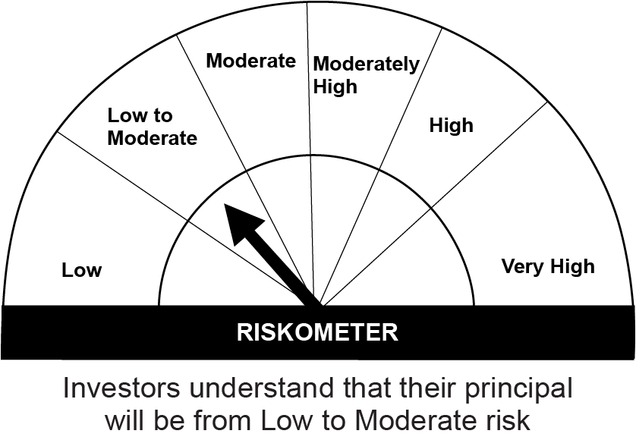
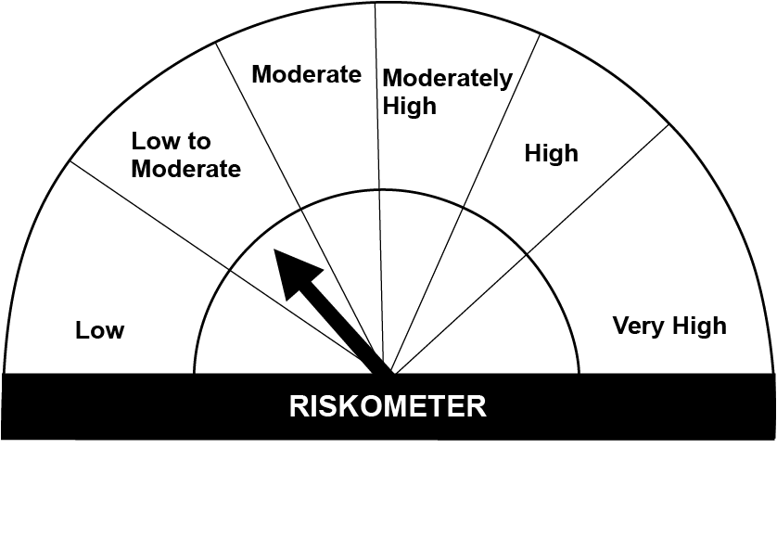
This product is suitable for investors who are seeking*:• Overnight liquidity over short term • This scheme invests in money market and debt securities with low risk and high level of liquidity.

*Investors should consult their financial advisers if in doubt about whether the product is suitable for them.

Mutual fund investments are subject to market risks, read all scheme realted documents carefully. |  |  | Scheme Benchmark: Nifty Liquid Index A-I

Please note that the above risk-o-meter is as per the product labelling of the scheme available as on the date of this communication/ disclosure. as per SEBI circular dated May 19, 2023 on product labelling (as amended from time to time), risk-o-meters will be calculated on a monthly basis based on the risk values of the respective scheme's portfolio based on the methodology specified by SEBI in the above stated circular. The AMC shall disclose the risk-o-meters along with portfolio disclosure for all their schemes on their respective website and on AMFI website within 10 days from the close of each month. Any change in risk-o-meter shall be communicated by way of Notice cum Addendum and by way of an e-mail or SMS to unitholders of that particular Scheme.

Disclaimer


