HELABF
HSBC Mutual Fund
HSBC Arbitrage Fund
HSBC Arbitrage Fund(An open ended scheme investing in arbitrage opportunities.)
Portfolio Statement as of October 31, 2025

Name of the Instrument | ISIN | Rating/Industries | Quantity | Market Value (Rs in Lacs) | Percentage to Net Assets | Yield of the Instrument (%) | YTC @ |  | Maturity Date
 |  |  |  |  |  |  | CRISIL | ICRA
Equity & Equity Related Instruments
Equity Shares
Listed / Awaiting listing on Stock Exchanges
ICICI Bank Limited | INE090A01021 | Banks | 1,348,200.00 | 18,137.33 | 7.55%
HDFC Bank Limited | INE040A01034 | Banks | 1,719,300.00 | 16,974.65 | 7.07%
State Bank of India | INE062A01020 | Banks | 1,315,500.00 | 12,326.24 | 5.13%
Reliance Industries Limited | INE002A01018 | Petroleum Products | 759,500.00 | 11,289.21 | 4.70%
Axis Bank Limited | INE238A01034 | Banks | 826,875.00 | 10,193.72 | 4.24%
PNB Housing Finance Limited | INE572E01012 | Finance | 826,800.00 | 7,678.49 | 3.20%
ETERNAL Limited | INE758T01015 | Retailing | 2,313,450.00 | 7,350.99 | 3.06%
Sammaan Capital Limited | INE148I01020 | Finance | 3,667,900.00 | 6,917.29 | 2.88%
RBL Bank Limited | INE976G01028 | Banks | 1,755,775.00 | 5,729.97 | 2.38%
Bank of Baroda | INE028A01039 | Banks | 1,509,300.00 | 4,201.89 | 1.75%
Marico Limited | INE196A01026 | Agricultural Food & other Products | 580,800.00 | 4,181.47 | 1.74%
JSW Steel Limited | INE019A01038 | Ferrous Metals | 338,850.00 | 4,086.53 | 1.70%
Punjab National Bank Limited | INE160A01022 | Banks | 3,088,000.00 | 3,794.84 | 1.58%
Laurus Labs Limited | INE947Q01028 | Pharmaceuticals & Biotechnology | 336,600.00 | 3,209.99 | 1.34%
Jio Financial Services Limited | INE758E01017 | Finance | 1,010,500.00 | 3,100.21 | 1.29%
NMDC Limited | INE584A01023 | Minerals & Mining | 3,820,500.00 | 2,895.56 | 1.21%
Tata Power Company Limited | INE245A01021 | Power | 697,450.00 | 2,823.98 | 1.18%
ITC Limited | INE154A01025 | Diversified FMCG | 644,800.00 | 2,710.42 | 1.13%
Info Edge (India) Limited | INE663F01032 | Retailing | 184,875.00 | 2,548.13 | 1.06%
Crompton Greaves Consumer Electricals Limited | INE299U01018 | Consumer Durables | 860,400.00 | 2,432.35 | 1.01%
Persistent Systems Limited | INE262H01021 | IT - Software | 36,700.00 | 2,171.39 | 0.90%
Indus Towers Limited | INE121J01017 | Telecom - Services | 595,000.00 | 2,163.42 | 0.90%
Canara Bank | INE476A01022 | Banks | 1,498,500.00 | 2,052.80 | 0.85%
Bandhan Bank Limited | INE545U01014 | Banks | 1,303,200.00 | 2,040.29 | 0.85%
JSW Energy Limited | INE121E01018 | Power | 381,000.00 | 2,009.58 | 0.84%
Tata Consumer Products Limited | INE192A01025 | Agricultural Food & other Products | 163,900.00 | 1,909.44 | 0.79%
IndusInd Bank Limited | INE095A01012 | Banks | 223,300.00 | 1,774.79 | 0.74%
Shriram Finance Limited | INE721A01047 | Finance | 226,050.00 | 1,692.89 | 0.70%
Rec Limited | INE020B01018 | Finance | 404,175.00 | 1,515.05 | 0.63%
Aditya Birla Capital Limited | INE674K01013 | Finance | 434,000.00 | 1,407.03 | 0.59%
Hindustan Aeronautics Limited | INE066F01020 | Aerospace & Defense | 28,950.00 | 1,354.80 | 0.56%
Exide Industries Limited | INE302A01020 | Auto Components | 340,200.00 | 1,299.22 | 0.54%
Federal Bank Limited | INE171A01029 | Banks | 495,000.00 | 1,171.22 | 0.49%
Steel Authority of India Limited | INE114A01011 | Ferrous Metals | 813,100.00 | 1,112.73 | 0.46%
Hindustan Zinc Limited | INE267A01025 | Non - Ferrous Metals | 222,950.00 | 1,062.36 | 0.44%
NTPC Limited | INE733E01010 | Power | 312,000.00 | 1,051.28 | 0.44%
HFCL Limited | INE548A01028 | Telecom - Services | 1,406,100.00 | 1,033.62 | 0.43%
Bajaj Finserv Limited | INE918I01026 | Finance | 46,000.00 | 960.62 | 0.40%
Power Finance Corporation Limited | INE134E01011 | Finance | 234,000.00 | 943.61 | 0.39%
Yes Bank Limited | INE528G01035 | Banks | 4,074,100.00 | 926.45 | 0.39%
Coforge Limited | INE591G01025 | IT - Software | 51,750.00 | 920.17 | 0.38%
Torrent Power Limited | INE813H01021 | Power | 62,250.00 | 819.52 | 0.34%
NBCC (India) Limited | INE095N01031 | Construction | 676,000.00 | 793.69 | 0.33%
Indian Energy Exchange Limited | INE022Q01020 | Capital Markets | 540,000.00 | 750.92 | 0.31%
Aurobindo Pharma Limited | INE406A01037 | Pharmaceuticals & Biotechnology | 65,450.00 | 745.41 | 0.31%
Inox Wind Limited | INE066P01011 | Electrical Equipment | 454,808.00 | 705.54 | 0.29%
Trent Limited | INE849A01020 | Retailing | 14,000.00 | 657.20 | 0.27%
IIFL Finance Limited | INE530B01024 | Finance | 120,450.00 | 643.93 | 0.27%
Indian Oil Corporation Limited | INE242A01010 | Petroleum Products | 355,875.00 | 590.40 | 0.25%
Samvardhana Motherson International Limited | INE775A01035 | Auto Components | 522,750.00 | 550.93 | 0.23%
Bharat Electronics Limited | INE263A01024 | Aerospace & Defense | 128,250.00 | 546.47 | 0.23%
Manappuram Finance Limited | INE522D01027 | Finance | 201,000.00 | 541.70 | 0.23%
Kalyan Jewellers India Limited | INE303R01014 | Consumer Durables | 97,525.00 | 497.08 | 0.21%
Adani Ports and Special Economic Zone Limited | INE742F01042 | Transport Infrastructure | 33,725.00 | 489.52 | 0.20%
APL Apollo Tubes Limited | INE702C01027 | Industrial Products | 27,300.00 | 489.08 | 0.20%
Petronet LNG Limited | INE347G01014 | Gas | 169,200.00 | 475.88 | 0.20%
NCC Limited | INE868B01028 | Construction | 207,900.00 | 441.52 | 0.18%
LIC Housing Finance Limited | INE115A01026 | Finance | 77,000.00 | 439.63 | 0.18%
Biocon Limited | INE376G01013 | Pharmaceuticals & Biotechnology | 117,500.00 | 437.22 | 0.18%
Bank of India | INE084A01016 | Banks | 312,000.00 | 436.43 | 0.18%
Polycab India Limited | INE455K01017 | Industrial Products | 5,500.00 | 423.72 | 0.18%
One 97 Communications Limited | INE982J01020 | Financial Technology (Fintech) | 29,725.00 | 387.38 | 0.16%
Varun Beverages Limited | INE200M01039 | Beverages | 80,975.00 | 380.30 | 0.16%
Vedanta Limited | INE205A01025 | Diversified Metals | 75,900.00 | 374.60 | 0.16%
Lodha Developers Limited | INE670K01029 | Realty | 28,350.00 | 339.60 | 0.14%
ICICI Prudential Life Insurance Company Limited | INE726G01019 | Insurance | 55,500.00 | 328.09 | 0.14%
Max Financial Services Limited | INE180A01020 | Insurance | 20,800.00 | 321.67 | 0.13%
Titagarh Rail Systems Limited | INE615H01020 | Industrial Manufacturing | 34,800.00 | 307.82 | 0.13%
Hindalco Industries Limited | INE038A01020 | Non - Ferrous Metals | 35,000.00 | 296.75 | 0.12%
Kotak Mahindra Bank Limited | INE237A01028 | Banks | 14,000.00 | 294.31 | 0.12%
Grasim Industries Limited | INE047A01021 | Cement & Cement Products | 9,750.00 | 281.94 | 0.12%
United Spirits Limited | INE854D01024 | Beverages | 19,200.00 | 274.83 | 0.11%
Jubilant Foodworks Limited | INE797F01020 | Leisure Services | 42,500.00 | 254.09 | 0.11%
Syngene International Limited | INE398R01022 | Healthcare Services | 39,000.00 | 253.54 | 0.11%
Adani Green Energy Limited | INE364U01010 | Power | 19,800.00 | 225.72 | 0.09%
TVS Motor Company Limited | INE494B01023 | Automobiles | 6,300.00 | 221.05 | 0.09%
Glenmark Pharmaceuticals Limited | INE935A01035 | Pharmaceuticals & Biotechnology | 11,625.00 | 219.85 | 0.09%
AU Small Finance Bank Limited | INE949L01017 | Banks | 24,000.00 | 210.68 | 0.09%
Lupin Limited | INE326A01037 | Pharmaceuticals & Biotechnology | 10,625.00 | 208.62 | 0.09%
Tata Consultancy Services Limited | INE467B01029 | IT - Software | 6,475.00 | 198.01 | 0.08%
DLF Limited | INE271C01023 | Realty | 19,800.00 | 149.74 | 0.06%
Dixon Technologies (India) Limited | INE935N01020 | Consumer Durables | 950.00 | 147.19 | 0.06%
Suzlon Energy Limited | INE040H01021 | Electrical Equipment | 248,000.00 | 147.06 | 0.06%
Container Corporation of India Limited | INE111A01025 | Transport Services | 26,250.00 | 143.13 | 0.06%
Mazagon Dock Shipbuilders Limited | INE249Z01020 | Industrial Manufacturing | 5,075.00 | 138.50 | 0.06%
Cyient Limited | INE136B01020 | IT - Services | 11,475.00 | 133.40 | 0.06%
The Indian Hotels Company Limited | INE053A01029 | Leisure Services | 17,000.00 | 126.11 | 0.05%
Mahindra & Mahindra Limited | INE101A01026 | Automobiles | 3,200.00 | 111.59 | 0.05%
Pidilite Industries Limited | INE318A01026 | Chemicals & Petrochemicals | 7,500.00 | 108.35 | 0.05%
Central Depository Services (India) Limited | INE736A01011 | Capital Markets | 6,650.00 | 105.55 | 0.04%
UltraTech Cement Limited | INE481G01011 | Cement & Cement Products | 800.00 | 95.58 | 0.04%
Ambuja Cements Limited | INE079A01024 | Cement & Cement Products | 16,800.00 | 94.99 | 0.04%
Titan Company Limited | INE280A01028 | Consumer Durables | 2,275.00 | 85.24 | 0.04%
Supreme Industries Limited | INE195A01028 | Industrial Products | 2,100.00 | 80.06 | 0.03%
Apollo Hospitals Enterprise Limited | INE437A01024 | Healthcare Services | 1,000.00 | 76.81 | 0.03%
Housing & Urban Development Corporation Limited | INE031A01017 | Finance | 30,525.00 | 72.34 | 0.03%
Jindal Steel Limited | INE749A01030 | Ferrous Metals | 5,625.00 | 60.01 | 0.02%
Union Bank of India | INE692A01016 | Banks | 39,825.00 | 59.21 | 0.02%
Indraprastha Gas Limited | INE203G01027 | Gas | 27,500.00 | 58.28 | 0.02%
Tata Steel Limited | INE081A01020 | Ferrous Metals | 27,500.00 | 50.28 | 0.02%
Power Grid Corporation of India Limited | INE752E01010 | Power | 15,200.00 | 43.80 | 0.02%
NHPC Limited | INE848E01016 | Power | 38,400.00 | 32.58 | 0.01%
ABB India Limited | INE117A01022 | Electrical Equipment | 500.00 | 26.10 | 0.01%
SRF Limited | INE647A01010 | Chemicals & Petrochemicals | 800.00 | 23.44 | 0.01%
ICICI Lombard General Insurance Company Limited | INE765G01017 | Insurance | 975.00 | 19.44 | 0.01%
Adani Enterprises Limited | INE423A01024 | Metals & Minerals Trading | 600.00 | 14.89 | 0.01%
Bharat Heavy Electricals Limited | INE257A01026 | Electrical Equipment | 5,250.00 | 13.94 | 0.01%
Adani Energy Solutions Limited | INE931S01010 | Power | 1,350.00 | 13.31 | 0.01%
Godrej Properties Limited | INE484J01027 | Realty | 550.00 | 12.58 | 0.01%
Life Insurance Corporation of India | INE0J1Y01017 | Insurance | 1,400.00 | 12.53 | 0.01%
Cipla Limited | INE059A01026 | Pharmaceuticals & Biotechnology | 750.00 | 11.26 | 0.00%
Sona BLW Precision Forgings Limited | INE073K01018 | Auto Components | 2,100.00 | 9.93 | 0.00%
Zydus Lifesciences Limited | INE010B01027 | Pharmaceuticals & Biotechnology | 900.00 | 8.77 | 0.00%
Prestige Estates Projects Limited | INE811K01011 | Realty | 450.00 | 7.85 | 0.00%
MphasiS Limited | INE356A01018 | IT - Software | 275.00 | 7.60 | 0.00%
Havells India Limited | INE176B01034 | Consumer Durables | 500.00 | 7.47 | 0.00%
Britannia Industries Limited | INE216A01030 | Food Products | 125.00 | 7.30 | 0.00%
Max Healthcare Institute Limited | INE027H01010 | Healthcare Services | 525.00 | 6.03 | 0.00%
Phoenix Mills Limited | INE211B01039 | Realty | 350.00 | 5.89 | 0.00%
Patanjali Foods Limited | INE619A01035 | Agricultural Food & other Products | 900.00 | 5.42 | 0.00%
Total |  |  |  | 182,344.21 | 75.87%
Debt Instruments
Fixed rates bonds - Corporate
Listed / Awaiting listing on Stock Exchanges
LIC Housing Finance Limited** | INE115A07PN6 | CRISIL AAA | 500.00 | 5,277.92 | 2.20% | 6.72 |  |  | 30-Nov-26
Kotak Mahindra Prime Limited** | INE916DA7SL3 | CRISIL AAA | 2,500.00 | 2,726.09 | 1.13% | 6.9 |  |  | 9-Nov-26
Small Industries Development Bank of India** | INE556F08KG3 | CRISIL AAA | 2,500.00 | 2,657.27 | 1.11% | 6.28 |  |  | 10-Feb-26
Sundaram Finance Limited** | INE660A07RQ0 | CRISIL AAA | 2,500.00 | 2,530.86 | 1.05% | 6.84 |  |  | 26-Oct-26
Total |  |  |  | 13,192.14 | 5.49%
Money Market Instruments
Certificate of Deposit
Privately Placed/Unlisted
Indian Bank** | INE562A16OS2 | CRISIL A1+ | 500.00 | 2,422.96 | 1.01% | 6.24 |  |  | 6-May-26
Union Bank of India** | INE692A16JQ1 | ICRA A1+ | 500.00 | 2,402.79 | 1.00% | 6.26 |  |  | 25-Jun-26
Total |  |  |  | 4,825.75 | 2.01%
Mutual Fund Units
Domestic Mutual Fund Units
HSBC Money Market Fund - Direct Growth | INF917K01FE6 | Internal - Mutual Fund Units | 96,154,365.24 | 27,228.13 | 11.33%
HSBC Ultra Short Duration Fund - Direct Growth | INF336L01OR1 | Internal - Mutual Fund Units | 609,421.88 | 8,546.62 | 3.56%
HSBC Liquid Fund - Direct Growth | INF336L01CC8 | Internal - Mutual Fund Units | 110,107.00 | 2,949.75 | 1.23%
Total |  |  |  | 38,724.50 | 16.12%
Treps |  |  |  | 3,725.81 | 1.55% | 5.51 |  |  | 3-Nov-25
Net Current Assets (including cash & bank balances) |  |  |  | -2,556.60 | -1.04% | 5.51
Total Net Assets as on 31-October-2025 |  |  |  | 240,255.81 | 100.00%
Market Value includes accrued interest
** Securities are classified as non-traded on the basis of Traded data as on OCT 31, 2025 provided by CRISIL and ICRA.
^ Securities are classified as traded on the basis of Traded data as on OCT 31, 2025 provided by CRISIL and ICRA.
Aggregate value of investments made by other schemes of HSBC Mutual Fund are amounting to Rs. 25357.41 Lakhs.

HSBC Arbitrage Fund |  | Scheme Riskometer |  | Scheme Benchmark Riskometer

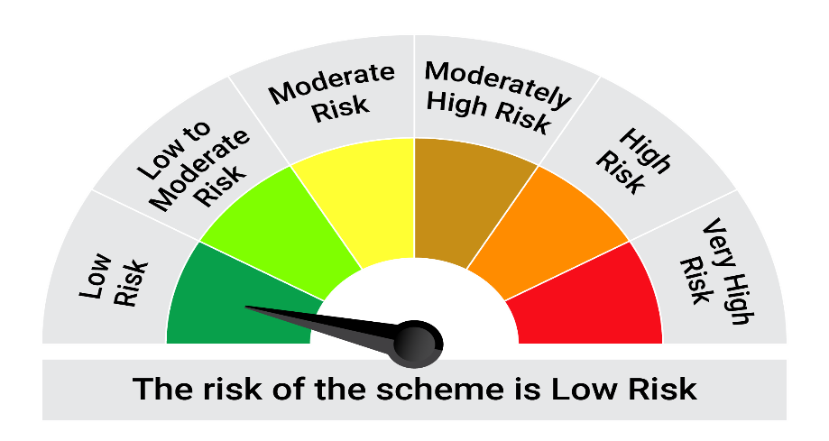
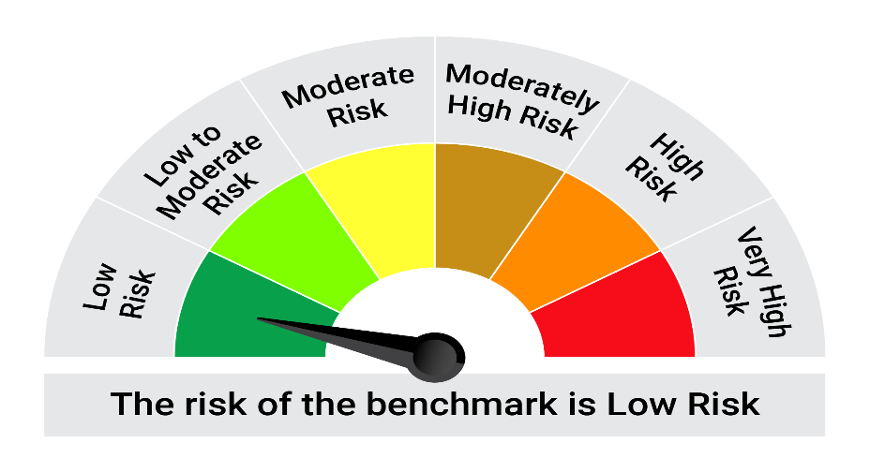
This product is suitable for investors who are seeking*:• Generation of reasonable returns over short to medium term • Investment predominantly in arbitrage opportunities in the cash and derivatives segments of the equity markets; and debt and money market instrument.

*Investors should consult their financial advisers if in doubt about whether the product is suitable for them.

Mutual fund investments are subject to market risks, read all scheme realted documents carefully. |  |  | Scheme Benchmark: Nifty 50 Arbitrage Index

Please note that the above risk-o-meter is as per the product labelling of the scheme available as on the date of this communication/ disclosure. as per SEBI circular dated May 19, 2023 on product labelling (as amended from time to time), risk-o-meters will be calculated on a monthly basis based on the risk values of the respective scheme's portfolio based on the methodology specified by SEBI in the above stated circular. The AMC shall disclose the risk-o-meters along with portfolio disclosure for all their schemes on their respective website and on AMFI website within 10 days from the close of each month. Any change in risk-o-meter shall be communicated by way of Notice cum Addendum and by way of an e-mail or SMS to unitholders of that particular Scheme.

Disclaimer


