HELBAF
HSBC Mutual Fund
HSBC Balanced Advantage Fund
HSBC Balanced Advantage Fund(An open ended dynamic asset allocation fund.)
Portfolio Statement as of October 31, 2025

Name of the Instrument | ISIN | Rating/Industries | Quantity | Market Value (Rs in Lacs) | Percentage to Net Assets | Yield of the Instrument (%) | YTC @ |  | Maturity Date
 |  |  |  |  |  |  | CRISIL | ICRA
Equity & Equity Related Instruments
Equity Shares
Listed / Awaiting listing on Stock Exchanges
ICICI Bank Limited | INE090A01021 | Banks | 822,100.00 | 11,059.71 | 6.96%
HDFC Bank Limited | INE040A01034 | Banks | 839,800.00 | 8,291.35 | 5.22%
Axis Bank Limited | INE238A01034 | Banks | 403,750.00 | 4,977.43 | 3.13%
Aurobindo Pharma Limited | INE406A01037 | Pharmaceuticals & Biotechnology | 369,600.00 | 4,209.37 | 2.65%
Tata Power Company Limited | INE245A01021 | Power | 1,036,750.00 | 4,197.80 | 2.64%
Reliance Industries Limited | INE002A01018 | Petroleum Products | 250,000.00 | 3,716.00 | 2.34%
Infosys Limited | INE009A01021 | IT - Software | 250,000.00 | 3,705.75 | 2.33%
ITC Limited | INE154A01025 | Diversified FMCG | 780,800.00 | 3,282.09 | 2.07%
Shriram Finance Limited | INE721A01047 | Finance | 400,000.00 | 2,995.60 | 1.89%
Kotak Mahindra Bank Limited | INE237A01028 | Banks | 138,800.00 | 2,917.85 | 1.84%
DLF Limited | INE271C01023 | Realty | 369,600.00 | 2,795.10 | 1.76%
Sun Pharmaceutical Industries Limited | INE044A01036 | Pharmaceuticals & Biotechnology | 156,850.00 | 2,651.86 | 1.67%
Polycab India Limited | INE455K01017 | Industrial Products | 34,250.00 | 2,638.62 | 1.66%
Larsen & Toubro Limited | INE018A01030 | Construction | 65,000.00 | 2,620.09 | 1.65%
ETERNAL Limited | INE758T01015 | Retailing | 750,000.00 | 2,383.13 | 1.50%
Radico Khaitan Limited | INE944F01028 | Beverages | 75,000.00 | 2,348.63 | 1.48%
Neuland Laboratories Limited | INE794A01010 | Pharmaceuticals & Biotechnology | 12,500.00 | 2,059.13 | 1.30%
Swiggy Limited | INE00H001014 | Retailing | 500,000.00 | 2,049.75 | 1.29%
Tata Consultancy Services Limited | INE467B01029 | IT - Software | 59,850.00 | 1,830.21 | 1.15%
Sri Lotus Developers and Realty Limited | INE0V9Q01010 | Realty | 1,000,000.00 | 1,822.20 | 1.15%
State Bank of India | INE062A01020 | Banks | 191,250.00 | 1,792.01 | 1.13%
SBI Cards & Payment Services Limited | INE018E01016 | Finance | 200,000.00 | 1,757.30 | 1.11%
Time Technoplast Limited | INE508G01029 | Industrial Products | 800,000.00 | 1,722.32 | 1.08%
Aditya Vision Limited | INE679V01027 | Retailing | 300,000.00 | 1,722.15 | 1.08%
Max Healthcare Institute Limited | INE027H01010 | Healthcare Services | 150,000.00 | 1,721.70 | 1.08%
LG Electronics India Limited | INE324D01010 | Consumer Durables | 100,000.00 | 1,663.60 | 1.05%
United Spirits Limited | INE854D01024 | Beverages | 114,800.00 | 1,643.25 | 1.03%
Varun Beverages Limited | INE200M01039 | Beverages | 325,000.00 | 1,526.36 | 0.96%
Abbott India Limited | INE358A01014 | Pharmaceuticals & Biotechnology | 5,000.00 | 1,449.75 | 0.91%
Ashok Leyland Limited | INE208A01029 | Agricultural Commercial & Construction Vehicles | 1,000,000.00 | 1,415.30 | 0.89%
Power Finance Corporation Limited | INE134E01011 | Finance | 350,000.00 | 1,411.38 | 0.89%
GE Vernova T&D India Limited | INE200A01026 | Electrical Equipment | 45,000.00 | 1,366.83 | 0.86%
UTI Asset Management Company Limited | INE094J01016 | Capital Markets | 100,000.00 | 1,247.60 | 0.79%
Hindustan Unilever Limited | INE030A01027 | Diversified FMCG | 50,000.00 | 1,232.75 | 0.78%
Britannia Industries Limited | INE216A01030 | Food Products | 20,000.00 | 1,167.30 | 0.74%
Bikaji Foods International Limited | INE00E101023 | Food Products | 150,000.00 | 1,095.90 | 0.69%
Bharat Electronics Limited | INE263A01024 | Aerospace & Defense | 247,950.00 | 1,056.51 | 0.67%
Eicher Motors Limited | INE066A01021 | Automobiles | 15,000.00 | 1,051.05 | 0.66%
NTPC Limited | INE733E01010 | Power | 300,000.00 | 1,010.85 | 0.64%
Devyani International Limited | INE872J01023 | Leisure Services | 600,000.00 | 970.80 | 0.61%
Jubilant Foodworks Limited | INE797F01020 | Leisure Services | 150,000.00 | 896.78 | 0.56%
Hindalco Industries Limited | INE038A01020 | Non - Ferrous Metals | 105,000.00 | 890.24 | 0.56%
PG Electroplast Limited | INE457L01029 | Consumer Durables | 150,000.00 | 856.43 | 0.54%
IIFL Capital Services Limited | INE489L01022 | Capital Markets | 250,000.00 | 853.50 | 0.54%
Vinati Organics Limited | INE410B01037 | Chemicals & Petrochemicals | 50,000.00 | 826.15 | 0.52%
Bharat Bijlee Limited | INE464A01036 | Electrical Equipment | 25,000.00 | 755.85 | 0.48%
Safari Industries India Limited | INE429E01023 | Consumer Durables | 35,000.00 | 747.18 | 0.47%
Canara Robeco Asset Management Company Limited | INE218I01013 | Capital Markets | 224,253.00 | 710.55 | 0.45%
Firstsource Solutions Limited | INE684F01012 | Commercial Services & Supplies | 200,000.00 | 707.80 | 0.45%
Tech Mahindra Limited | INE669C01036 | IT - Software | 45,000.00 | 640.98 | 0.40%
Exide Industries Limited | INE302A01020 | Auto Components | 70,200.00 | 268.09 | 0.17%
Total |  |  |  | 108,729.93 | 68.47%
Debt Instruments
Fixed rates bonds - Corporate
Listed / Awaiting listing on Stock Exchanges
National Bank for Agriculture & Rural Development** | INE261F08EF5 | ICRA AAA | 2,500.00 | 2,658.70 | 1.67% | 6.64 |  |  | 15-Mar-27
National Bank for Agriculture & Rural Development** | INE261F08EH1 | CRISIL AAA | 2,500.00 | 2,653.45 | 1.67% | 6.78 |  |  | 10-May-29
LIC Housing Finance Limited** | INE115A07QG8 | CRISIL AAA | 250.00 | 2,637.66 | 1.66% | 6.34 |  |  | 25-Mar-26
Small Industries Development Bank of India^ | INE556F08KX8 | CRISIL AAA | 2,500.00 | 2,626.29 | 1.65% | 6.79 |  |  | 11-Jun-29
National Housing Bank** | INE557F08FY4 | CRISIL AAA | 2,500.00 | 2,619.15 | 1.65% | 6.58 |  |  | 14-Jul-27
Rec Limited** | INE020B08FG9 | ICRA AAA | 2,500.00 | 2,587.22 | 1.63% | 7.12 |  |  | 31-Aug-35
Power Finance Corporation Limited** | INE134E08II2 | CRISIL AAA | 200.00 | 2,046.38 | 1.29% | 6.52 |  |  | 14-Aug-26
Kotak Mahindra Prime Limited** | INE916DA7SN9 | CRISIL AAA | 1,350.00 | 1,457.92 | 0.92% | 6.91 |  |  | 11-Jan-27
Small Industries Development Bank of India** | INE556F08KL3 | CRISIL AAA | 1,000.00 | 1,103.55 | 0.70% | 6.7 |  |  | 24-Nov-28
Total |  |  |  | 20,390.32 | 12.84%
Securitised Debt
Listed / Awaiting listing on Stock Exchanges
India Universal Trust AL2** | INE1CBK15037 | IND AAA(SO) | 27.00 | 2,623.92 | 1.65% | 7.86 |  |  | 21-Nov-30
Siddhivinayak Securitisation Trust** | INE2I7F15012 | CRISIL AAA(SO) | 25.00 | 2,551.05 | 1.61% | 7.42 |  |  | 28-Sep-30
Total |  |  |  | 5,174.97 | 3.26%
Government Securities
7.06% GOI 10APR2028 | IN0020230010 | SOVEREIGN | 4,800,000.00 | 4,957.39 | 3.12% | 5.78 |  |  | 10-Apr-28
7.18% GOI 14AUG2033 | IN0020230085 | SOVEREIGN | 4,000,000.00 | 4,208.90 | 2.65% | 6.57 |  |  | 14-Aug-33
7.37% GOI 23OCT2028 | IN0020230101 | SOVEREIGN | 4,000,000.00 | 4,165.46 | 2.62% | 5.9 |  |  | 23-Oct-28
6.33% GOI 05MAY2035 | IN0020250026 | SOVEREIGN | 4,000,000.00 | 4,066.92 | 2.56% | 6.53 |  |  | 5-May-35
7.10% GOI 08APR2034 | IN0020240019 | SOVEREIGN | 2,000,000.00 | 2,073.49 | 1.31% | 6.6 |  |  | 8-Apr-34
6.79% GOI 07OCT2034 | IN0020240126 | SOVEREIGN | 2,000,000.00 | 2,036.20 | 1.28% | 6.59 |  |  | 7-Oct-34
7.38% GOI 20JUN2027 | IN0020220037 | SOVEREIGN | 1,000,000.00 | 1,052.44 | 0.66% | 5.71 |  |  | 20-Jun-27
7.32% GOI 13NOV2030 | IN0020230135 | SOVEREIGN | 500,000.00 | 540.65 | 0.34% | 6.21 |  |  | 13-Nov-30
Total |  |  |  | 23,101.45 | 14.54%
Treps |  |  |  | 3,601.88 | 2.27% | 5.51 |  |  | 3-Nov-25
Net Current Assets (including cash & bank balances) |  |  |  | -2,204.56 | -1.38% | 5.51
Total Net Assets as on 31-October-2025 |  |  |  | 158,793.99 | 100.00%
Market Value includes accrued interest
** Securities are classified as non-traded on the basis of Traded data as on OCT 31, 2025 provided by CRISIL and ICRA.
^ Securities are classified as traded on the basis of Traded data as on OCT 31, 2025 provided by CRISIL and ICRA.

HSBC Balanced Advantage Fund |  | Scheme Riskometer |  | Scheme Benchmark Riskometer

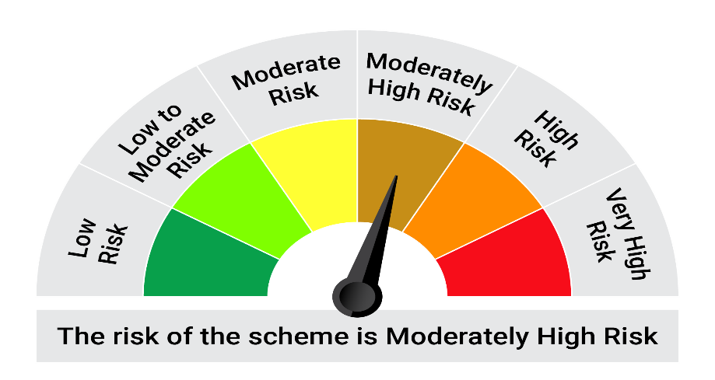

This product is suitable for investors who are seeking*: • Long term capital appreciation and generation of reasonable returns • Investment in equity and equity related instruments, derivatives and debt and money market instruments.

*Investors should consult their financial advisers if in doubt about whether the product is suitable for them.

Mutual fund investments are subject to market risks, read all scheme realted documents carefully. |  |  | Scheme Benchmark: Nifty 50 Hybrid composite debt 50:50 Index

Please note that the above risk-o-meter is as per the product labelling of the scheme available as on the date of this communication/ disclosure. as per SEBI circular dated May 19, 2023 on product labelling (as amended from time to time), risk-o-meters will be calculated on a monthly basis based on the risk values of the respective scheme's portfolio based on the methodology specified by SEBI in the above stated circular. The AMC shall disclose the risk-o-meters along with portfolio disclosure for all their schemes on their respective website and on AMFI website within 10 days from the close of each month. Any change in risk-o-meter shall be communicated by way of Notice cum Addendum and by way of an e-mail or SMS to unitholders of that particular Scheme.

Disclaimer


