HDLCRF
HSBC Mutual Fund
HSBC Credit Risk Fund
(An open ended debt scheme predominantly investing in AA and below rated corporate bonds (excluding AA+ rated corporate bonds) A relatively high interest rate risk and relatively high credit risk.)
Portfolio Statement as of October 31, 2025

Name of the Instrument | ISIN | Rating/Industries | Quantity | Market Value (Rs in Lacs) | Percentage to Net Assets | Yield of the Instrument (%) | YTC @ |  | Maturity Date
 |  |  |  |  |  |  | CRISIL | ICRA
Debt Instruments
Fixed rates bonds - Corporate
Listed / Awaiting listing on Stock Exchanges
Tata Housing Development Company Limited** | INE582L08060 | CARE AA | 3,500.00 | 3,741.99 | 6.99% | 6.52 |  |  | 12-Dec-25
Nirma Limited** | INE091A07208 | CRISIL AA | 2,500.00 | 2,676.26 | 5.00% | 7.46 |  |  | 22-Feb-27
Rec Limited** | INE020B08EW9 | CRISIL AAA | 2,500.00 | 2,663.55 | 4.98% | 6.57 |  |  | 26-Feb-27
ONGC Petro Additions Limited** | INE163N08263 | ICRA AA+ | 2,500.00 | 2,598.16 | 4.86% | 6.88 |  |  | 16-Jun-26
Aditya Birla Renewables Limited** | INE01QP08016 | CRISIL AA | 2,500.00 | 2,561.28 | 4.79% | 7.67 |  |  | 24-Sep-27
Tata Projects Limited** | INE725H08154 | IND AA | 2,000.00 | 2,045.90 | 3.82% | 6.94 |  |  | 6-Feb-26
Piramal Finance Limited** | INE516Y07519 | CARE AA | 1,700.00 | 1,841.85 | 3.44% | 8.55 |  |  | 7-Jan-27
Vedanta Limited** | INE205A08020 | ICRA AA | 1,500.00 | 1,612.70 | 3.01% | 8.94 |  |  | 20-Aug-27
Aadhar Housing Finance Limited** | INE883F07306 | IND AA | 1,500.00 | 1,564.19 | 2.92% | 7.29 |  |  | 26-May-26
Delhi International Airport Limited** | INE657H08035 | ICRA AA | 1,500.00 | 1,561.31 | 2.92% | 8.79 |  |  | 22-Aug-30
Tata Projects Limited** | INE725H08121 | IND AA | 1,500.00 | 1,560.48 | 2.92% | 7.06 |  |  | 27-Apr-26
Vedanta Limited** | INE205A08046 | CRISIL AA | 1,500.00 | 1,559.13 | 2.91% | 9.22 |  |  | 3-Dec-27
Aditya Birla Real Estate Limited** | INE055A08037 | CRISIL AA | 1,500.00 | 1,555.20 | 2.91% | 7.29 |  |  | 25-Apr-26
MAS Financial Services Limited** | INE348L07324 | CARE AA- | 1,500.00 | 1,541.99 | 2.88% | 9.52 |  |  | 15-Jun-27
Aadhar Housing Finance Limited** | INE883F07314 | ICRA AA | 1,500.00 | 1,537.38 | 2.87% | 7.37 |  |  | 17-Aug-26
Aditya Birla Digital Fashion Ventures Limited** | INE0M8D08016 | CRISIL AA- | 1,500.00 | 1,533.45 | 2.87% | 8.39 |  |  | 26-Aug-27
IIFL Finance Limited** | INE530B07419 | CRISIL AA | 1,200.00 | 1,220.77 | 2.28% | 8.29 |  |  | 3-Dec-25
IndoStar Capital Finance Limited** | INE896L07AL4 | CARE AA- | 1,000.00 | 1,037.43 | 1.94% | 9.15 |  |  | 18-Jun-27
Aditya Birla Real Estate Limited** | INE055A08052 | CRISIL AA | 1,000.00 | 1,028.10 | 1.92% | 7.5 |  |  | 30-Aug-27
Nirma Limited** | INE091A07216 | CRISIL AA | 500.00 | 530.76 | 0.99% | 7.01 |  |  | 23-Feb-26
Piramal Finance Limited** | INE202B07JT0 | CARE AA | 500.00 | 514.70 | 0.96% | 8.58 |  |  | 28-Jun-27
Total |  |  |  | 36,486.58 | 68.18%
Zero Coupon Bonds – Corporate
Listed / Awaiting listing on Stock Exchanges
JTPM Metal Traders Limited** | INE02PE08036 | CRISIL AA | 1,500.00 | 1,528.65 | 2.86% | 8.07 |  |  | 29-Sep-28
Total |  |  |  | 1,528.65 | 2.86%
Securitised Debt
Listed / Awaiting listing on Stock Exchanges
Dhruva XXIV** | INE1AC715019 | ICRA AAA(SO) | 23.00 | 1,609.56 | 3.01% | 9.28 |  |  | 16-Jan-29
Vajra 011 Trust** | INE116015012 | ICRA AAA(SO) | 22.00 | 1,081.35 | 2.02% | 9.66 |  |  | 20-Jul-27
Total |  |  |  | 2,690.91 | 5.03%
Government Securities
6.33% GOI 05MAY2035 | IN0020250026 | SOVEREIGN | 2,000,000.00 | 2,033.46 | 3.80% | 6.53 |  |  | 5-May-35
GOI FRB - 22SEP2033 | IN0020200120 | SOVEREIGN | 1,500,000.00 | 1,564.21 | 2.92% | 6.21 |  |  | 22-Sep-33
7.10% GOI 08APR2034 | IN0020240019 | SOVEREIGN | 1,000,000.00 | 1,036.74 | 1.94% | 6.6 |  |  | 8-Apr-34
6.79% GOI 07OCT2034 | IN0020240126 | SOVEREIGN | 1,000,000.00 | 1,018.10 | 1.90% | 6.59 |  |  | 7-Oct-34
6.68% GOI 07Jul2040 | IN0020250042 | SOVEREIGN | 1,000,000.00 | 1,001.57 | 1.87% | 6.89 |  |  | 7-Jul-40
7.18% GOI 24JUL2037 | IN0020230077 | SOVEREIGN | 500,000.00 | 522.86 | 0.98% | 6.85 |  |  | 24-Jul-37
Total |  |  |  | 7,176.94 | 13.41%
Money Market Instruments
Certificate of Deposit
Privately Placed/Unlisted
Axis Bank Limited** | INE238AD6AZ4 | CRISIL A1+ | 500.00 | 2,402.60 | 4.49% | 6.27 |  |  | 25-Jun-26
Bank of Baroda** | INE028A16KC6 | IND A1+ | 500.00 | 2,368.46 | 4.43% | 6.36 |  |  | 16-Sep-26
Total |  |  |  | 4,771.06 | 8.92%
Commercial Papers
Listed / Awaiting listing on Stock Exchanges
IndoStar Capital Finance Limited** | INE896L14EP3 | CRISIL A1+ | 100.00 | 483.87 | 0.90% | 8.51 |  |  | 24-Mar-26
Total |  |  |  | 483.87 | 0.90%
Alternative Investment Funds(AIF)
CDMDF CLASS A2 | INF0RQ622028 | AIF | 1,596.43 | 182.65 | 0.34% | 5.58
Total |  |  |  | 182.65 | 0.34%
Treps |  |  |  | 327.06 | 0.61% | 5.51 |  |  | 3-Nov-25
Net Current Assets (including cash & bank balances) |  |  |  | -137.02 | -0.25% | 5.51
Total Net Assets as on 31-October-2025 |  |  |  | 53,510.70 | 100.00%
Market Value includes accrued interest
** Securities are classified as non-traded on the basis of Traded data as on OCT 31, 2025 provided by CRISIL and ICRA.
^ Securities are classified as traded on the basis of Traded data as on OCT 31, 2025 provided by CRISIL and ICRA.
This scheme has exposure to floating rate instruments and / or interest rate derivatives. The duration of these instruments is linked to the interest rate reset period. The interest rate risk in a floating rate instrument or in a fixed rate instrument hedged with derivatives is likely to be lesser than that in an equivalent maturity fixed rate instrument. Under some market circumstances the volatility may be of an order greater than what may ordinarily be expected considering only its duration. Hence investors are recommended to consider the unadjusted portfolio maturity of the scheme as well and exercise adequate due diligence when deciding to make their investments.

Annualised Portfolio YTM ! | 7.50%
Macaulay Duration | 21.23
! in case of semi annual YTM, it will be annualised

HSBC Credit Risk Fund |  | Scheme Riskometer |  | Scheme Benchmark Riskometer

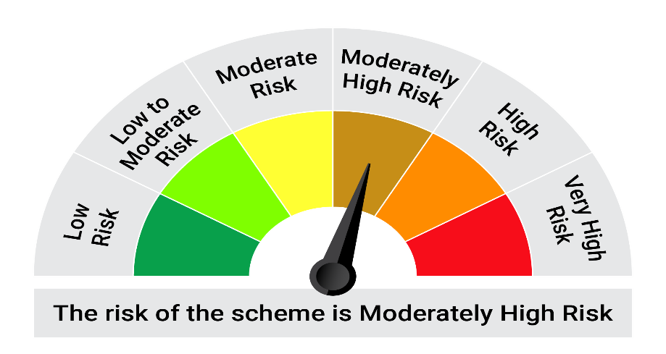
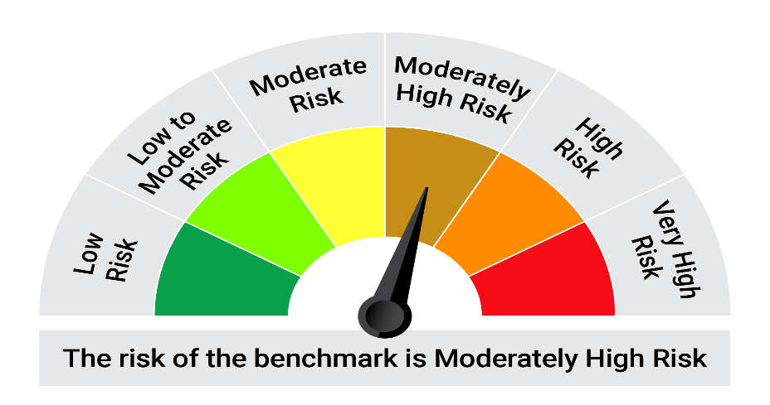
This product is suitable for investors who are seeking*:• Generation of regular returns and capital appreciation over medium to long term • Investment in debt instruments (including securitized debt), government and money market securities

*Investors should consult their financial advisers if in doubt about whether the product is suitable for them.

Mutual fund investments are subject to market risks, read all scheme realted documents carefully. |  |  | Scheme Benchmark: NIFTY Credit Risk Bond Index B-II

Please note that the above risk-o-meter is as per the product labelling of the scheme available as on the date of this communication/ disclosure. as per SEBI circular dated May 19, 2023 on product labelling (as amended from time to time), risk-o-meters will be calculated on a monthly basis based on the risk values of the respective scheme's portfolio based on the methodology specified by SEBI in the above stated circular. The AMC shall disclose the risk-o-meters along with portfolio disclosure for all their schemes on their respective website and on AMFI website within 10 days from the close of each month. Any change in risk-o-meter shall be communicated by way of Notice cum Addendum and by way of an e-mail or SMS to unitholders of that particular Scheme.

Disclaimer


