HDLMDF
HSBC Mutual Fund
HSBC Medium Duration Fund
(An open ended medium term debt scheme investing in instruments such that the Macaulay duration of the portfolio is between 3 years to 4 years. A relatively high interest rate risk and moderate credit risk.)
Portfolio Statement as of October 31, 2025

Name of the Instrument | ISIN | Rating/Industries | Quantity | Market Value (Rs in Lacs) | Percentage to Net Assets | Yield of the Instrument (%) | YTC @ |  | Maturity Date
 |  |  |  |  |  |  | CRISIL | ICRA
Debt Instruments
Fixed rates bonds - Corporate
Listed / Awaiting listing on Stock Exchanges
LIC Housing Finance Limited** | INE115A07QZ8 | CRISIL AAA | 4,700.00 | 4,788.72 | 6.12% | 6.8 |  |  | 22-Oct-27
Delhi International Airport Limited** | INE657H08035 | ICRA AA | 3,000.00 | 3,122.62 | 3.99% | 8.79 |  |  | 22-Aug-30
Small Industries Development Bank of India** | INE556F08KL3 | CRISIL AAA | 2,500.00 | 2,758.88 | 3.53% | 6.7 |  |  | 24-Nov-28
Vedanta Limited** | INE205A08020 | ICRA AA | 2,500.00 | 2,687.84 | 3.44% | 8.94 |  |  | 20-Aug-27
Indian Railway Finance Corporation Limited** | INE053F08320 | CRISIL AAA | 2,500.00 | 2,654.13 | 3.39% | 6.64 |  |  | 13-Oct-28
Bajaj Housing Finance Limited^ | INE377Y07557 | CRISIL AAA | 2,500.00 | 2,598.35 | 3.32% | 6.83 |  |  | 26-Feb-27
National Bank for Agriculture & Rural Development^ | INE261F08EO7 | CRISIL AAA | 2,500.00 | 2,570.07 | 3.29% | 6.74 |  |  | 15-Sep-28
Aditya Birla Renewables Limited** | INE01QP08016 | CRISIL AA | 2,500.00 | 2,561.28 | 3.28% | 7.67 |  |  | 24-Sep-27
Housing and Urban Development Corporation Limited** | INE031A08988 | ICRA AAA | 2,500.00 | 2,559.05 | 3.27% | 6.62 |  |  | 6-Jun-28
Aditya Birla Digital Fashion Ventures Limited** | INE0M8D08016 | CRISIL AA- | 2,500.00 | 2,555.75 | 3.27% | 8.39 |  |  | 26-Aug-27
Piramal Finance Limited** | INE516Y07519 | CARE AA | 2,300.00 | 2,491.91 | 3.19% | 8.55 |  |  | 7-Jan-27
MAS Financial Services Limited** | INE348L07324 | CARE AA- | 2,000.00 | 2,055.99 | 2.63% | 9.52 |  |  | 15-Jun-27
National Bank for Agriculture & Rural Development** | INE261F08EI9 | CRISIL AAA | 2,000.00 | 2,050.04 | 2.62% | 6.64 |  |  | 30-Sep-27
Motilal Oswal Finvest Limited^ | INE01WN07128 | CRISIL AA | 2,000.00 | 2,038.43 | 2.61% | 8.4 |  |  | 10-Sep-27
IIFL Finance Limited** | INE530B07419 | CRISIL AA | 1,900.00 | 1,932.88 | 2.47% | 8.29 |  |  | 3-Dec-25
Jamnagar Utilities and Power Pvt Limited** | INE936D07182 | CRISIL AAA | 1,800.00 | 1,877.14 | 2.40% | 6.86 |  |  | 10-Aug-28
Small Industries Development Bank of India** | INE556F08KU4 | CRISIL AAA | 1,500.00 | 1,634.23 | 2.09% | 6.68 |  |  | 12-Jun-28
Cube Highway Trust** | INE0NR607058 | ICRA AAA | 1,000.00 | 1,009.61 | 1.29% | 7.3 |  |  | 25-Apr-28
Embassy Office Parks REIT** | INE041007183 | CRISIL AAA | 600.00 | 603.87 | 0.77% | 7.12 |  |  | 19-Mar-27
IndoStar Capital Finance Limited** | INE896L07AL4 | CARE AA- | 500.00 | 518.72 | 0.66% | 9.15 |  |  | 18-Jun-27
Total |  |  |  | 45,069.51 | 57.63%
Zero Coupon Bonds – Corporate
Listed / Awaiting listing on Stock Exchanges
JTPM Metal Traders Limited** | INE02PE08036 | CRISIL AA | 2,500.00 | 2,547.76 | 3.26% | 8.07 |  |  | 29-Sep-28
Total |  |  |  | 2,547.76 | 3.26%
Securitised Debt
Listed / Awaiting listing on Stock Exchanges
Siddhivinayak Securitisation Trust** | INE2I7F15012 | CRISIL AAA(SO) | 25.00 | 2,551.05 | 3.26% | 7.42 |  |  | 28-Sep-30
Dhruva XXIV** | INE1AC715019 | ICRA AAA(SO) | 27.00 | 1,889.48 | 2.42% | 9.28 |  |  | 16-Jan-29
Vajra 011 Trust** | INE116015012 | ICRA AAA(SO) | 28.00 | 1,376.26 | 1.76% | 9.66 |  |  | 20-Jul-27
Sansar Trust IX** | INE0REK15015 | ICRA AAA(SO) | 460.00 | 175.53 | 0.22% | 8.33 |  |  | 18-Aug-26
Total |  |  |  | 5,992.32 | 7.66%
Government Securities
6.33% GOI 05MAY2035 | IN0020250026 | SOVEREIGN | 6,117,886.00 | 6,220.24 | 7.95% | 6.53 |  |  | 5-May-35
7.24% GOI 18 Aug 2055 | IN0020250075 | SOVEREIGN | 4,500,000.00 | 4,575.39 | 5.85% | 7.22 |  |  | 18-Aug-55
6.79% GOI 07OCT2034 | IN0020240126 | SOVEREIGN | 4,250,000.00 | 4,326.93 | 5.53% | 6.59 |  |  | 7-Oct-34
6.68% GOI 07Jul2040 | IN0020250042 | SOVEREIGN | 4,000,000.00 | 4,006.29 | 5.12% | 6.89 |  |  | 7-Jul-40
7.10% GOI 08APR2034 | IN0020240019 | SOVEREIGN | 3,000,000.00 | 3,110.23 | 3.98% | 6.6 |  |  | 8-Apr-34
Total |  |  |  | 22,239.08 | 28.43%
Money Market Instruments
Commercial Papers
Listed / Awaiting listing on Stock Exchanges
IndoStar Capital Finance Limited** | INE896L14EU3 | CRISIL A1+ | 300.00 | 1,491.02 | 1.91% | 8.14 |  |  | 28-Nov-25
Total |  |  |  | 1,491.02 | 1.91%
Alternative Investment Funds(AIF)
CDMDF CLASS A2 | INF0RQ622028 | AIF | 2,006.87 | 229.60 | 0.29% | 5.58
Total |  |  |  | 229.60 | 0.29%
Treps |  |  |  | 2,771.12 | 3.54% | 5.51 |  |  | 3-Nov-25
Net Current Assets (including cash & bank balances) |  |  |  | -2,136.08 | -2.72% | 5.51
Total Net Assets as on 31-October-2025 |  |  |  | 78,204.33 | 100.00%
Market Value includes accrued interest
** Securities are classified as non-traded on the basis of Traded data as on OCT 31, 2025 provided by CRISIL and ICRA.
^ Securities are classified as traded on the basis of Traded data as on OCT 31, 2025 provided by CRISIL and ICRA.

Annualised Portfolio YTM ! | 7.45%
Macaulay Duration | 46.16
! in case of semi annual YTM, it will be annualised

HSBC Medium Duration Fund |  | Scheme Riskometer |  | Scheme Benchmark Riskometer

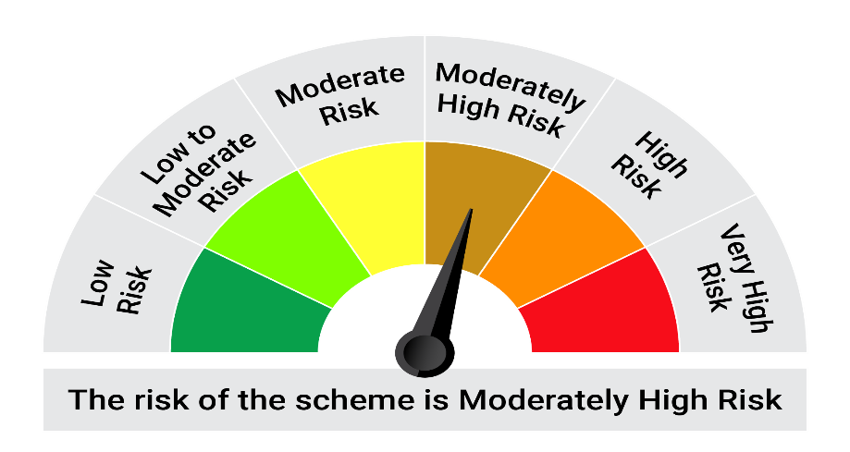

This product is suitable for investors who are seeking*:• Generation of income over medium term • Investment primarily in debt and money market securities

*Investors should consult their financial advisers if in doubt about whether the product is suitable for them.

Mutual fund investments are subject to market risks, read all scheme realted documents carefully. |  |  | Scheme Benchmark: NIFTY Medium Duration Debt Index A-III

Please note that the above risk-o-meter is as per the product labelling of the scheme available as on the date of this communication/ disclosure. as per SEBI circular dated May 19, 2023 on product labelling (as amended from time to time), risk-o-meters will be calculated on a monthly basis based on the risk values of the respective scheme's portfolio based on the methodology specified by SEBI in the above stated circular. The AMC shall disclose the risk-o-meters along with portfolio disclosure for all their schemes on their respective website and on AMFI website within 10 days from the close of each month. Any change in risk-o-meter shall be communicated by way of Notice cum Addendum and by way of an e-mail or SMS to unitholders of that particular Scheme.

Disclaimer


