HELABF
HSBC Mutual Fund
HSBC Arbitrage Fund
HSBC Arbitrage Fund(An open ended scheme investing in arbitrage opportunities.)
Portfolio Statement as of December 31, 2025

Name of the Instrument | ISIN | Rating/Industries | Quantity | Market Value (Rs in Lacs) | Percentage to Net Assets | Yield of the Instrument (%) | YTC @ |  | Maturity Date
 |  |  |  |  |  |  | CRISIL | ICRA
Equity & Equity Related Instruments
Equity Shares
Listed / Awaiting listing on Stock Exchanges
HDFC Bank Limited | INE040A01034 | Banks | 1,692,900.00 | 16,780.02 | 7.14%
ICICI Bank Limited | INE090A01021 | Banks | 1,200,500.00 | 16,121.51 | 6.86%
Eternal Limited | INE758T01015 | Retailing | 4,799,075.00 | 13,343.83 | 5.68%
RBL Bank Limited | INE976G01028 | Banks | 3,244,850.00 | 10,247.24 | 4.36%
Mahindra & Mahindra Limited | INE101A01026 | Automobiles | 273,200.00 | 10,133.53 | 4.31%
Axis Bank Limited | INE238A01034 | Banks | 600,625.00 | 7,624.33 | 3.24%
Reliance Industries Limited | INE002A01018 | Petroleum Products | 417,500.00 | 6,556.42 | 2.79%
PNB Housing Finance Limited | INE572E01012 | Finance | 647,400.00 | 6,160.01 | 2.62%
Jio Financial Services Limited | INE758E01017 | Finance | 1,762,500.00 | 5,198.49 | 2.21%
NMDC Limited | INE584A01023 | Minerals & Mining | 5,433,750.00 | 4,519.25 | 1.92%
JSW Steel Limited | INE019A01038 | Ferrous Metals | 378,675.00 | 4,410.81 | 1.88%
Marico Limited | INE196A01026 | Agricultural Food & other Products | 574,800.00 | 4,314.45 | 1.84%
ITC Limited | INE154A01025 | Diversified FMCG | 894,400.00 | 3,604.43 | 1.53%
Sammaan Capital Ltd. | INE148I01020 | Finance | 2,468,200.00 | 3,594.69 | 1.53%
Container Corporation of India Limited | INE111A01025 | Transport Services | 671,250.00 | 3,523.73 | 1.50%
Power Grid Corporation of India Limited | INE752E01010 | Power | 1,107,700.00 | 2,930.97 | 1.25%
Punjab National Bank | INE160A01022 | Banks | 2,320,000.00 | 2,867.06 | 1.22%
Bandhan Bank Limited | INE545U01014 | Banks | 1,580,400.00 | 2,304.54 | 0.98%
Crompton Greaves Consumer Electrical Ltd | INE299U01018 | Consumer Durables | 822,600.00 | 2,075.01 | 0.88%
Adani Enterprises Limited | INE423A01024 | Metals & Minerals Trading | 91,464.00 | 2,048.52 | 0.87%
Laurus Labs Limited | INE947Q01028 | Pharmaceuticals & Biotechnology | 171,700.00 | 1,902.44 | 0.81%
PERSISTENT SYSTEMS LTD | INE262H01021 | IT - Software | 28,400.00 | 1,781.25 | 0.76%
NBCC (India) Limited | INE095N01031 | Construction | 1,358,500.00 | 1,654.25 | 0.70%
Indus Towers Limited | INE121J01017 | Telecom - Services | 389,300.00 | 1,630.19 | 0.69%
Power Finance Corporation Limited | INE134E01011 | Finance | 426,400.00 | 1,515.43 | 0.64%
Samvardhana Motherson International Ltd | INE775A01035 | Auto Components | 1,236,150.00 | 1,482.64 | 0.63%
Vodafone Idea Limited | INE669E01016 | Telecom - Services | 13,294,350.00 | 1,430.47 | 0.61%
Aditya Birla Capital Limited | INE674K01013 | Finance | 375,100.00 | 1,341.73 | 0.57%
REC Limited | INE020B01018 | Finance | 375,200.00 | 1,338.71 | 0.57%
The Tata Power Company Limited | INE245A01021 | Power | 346,550.00 | 1,315.50 | 0.56%
CENTRAL DEPOSITORY SERVICES (INDIA) LIMI | INE736A01011 | Capital Markets | 89,300.00 | 1,289.13 | 0.55%
Glenmark Pharmaceuticals Limited | INE935A01035 | Pharmaceuticals & Biotechnology | 62,625.00 | 1,274.54 | 0.54%
Coforge Limited | INE591G01025 | IT - Software | 75,000.00 | 1,247.25 | 0.53%
Shriram Finance Limited | INE721A01047 | Finance | 124,575.00 | 1,241.02 | 0.53%
Trent Limited | INE849A01020 | Retailing | 27,100.00 | 1,159.61 | 0.49%
Exide Industries Limited | INE302A01020 | Auto Components | 289,800.00 | 1,049.66 | 0.45%
State Bank of India | INE062A01020 | Banks | 96,000.00 | 942.91 | 0.40%
Max Financial Services Limited | INE180A01020 | Insurance | 54,000.00 | 902.77 | 0.38%
Petronet LNG Limited | INE347G01014 | Gas | 311,600.00 | 885.26 | 0.38%
KALYAN JEWELLERS INDIA LIMITED | INE303R01014 | Consumer Durables | 179,775.00 | 872.54 | 0.37%
Bharat Heavy Electricals Limited | INE257A01026 | Electrical Equipment | 301,875.00 | 867.74 | 0.37%
ICICI Prudential Life Insurance Company | INE726G01019 | Insurance | 129,500.00 | 865.38 | 0.37%
Mazagon Dock Shipbuilders Limited | INE249Z01020 | Industrial Manufacturing | 34,200.00 | 851.65 | 0.36%
Manappuram Finance Limited | INE522D01027 | Finance | 270,000.00 | 833.09 | 0.35%
JSW Energy Limited | INE121E01018 | Power | 169,000.00 | 815.34 | 0.35%
NTPC Limited | INE733E01010 | Power | 246,000.00 | 810.69 | 0.34%
Inox Wind Limited | INE066P01011 | Electrical Equipment | 643,500.00 | 794.92 | 0.34%
Max Healthcare Institute Limited | INE027H01010 | Healthcare Services | 69,300.00 | 724.25 | 0.31%
Torrent Pharmaceuticals Limited | INE685A01028 | Pharmaceuticals & Biotechnology | 18,500.00 | 712.25 | 0.30%
Tata Steel Limited | INE081A01020 | Ferrous Metals | 385,000.00 | 693.31 | 0.30%
Hindustan Aeronautics Limited | INE066F01020 | Aerospace & Defense | 14,250.00 | 625.39 | 0.27%
Life Insurance Corporation Of India | INE0J1Y01017 | Insurance | 69,300.00 | 592.45 | 0.25%
Indian Oil Corporation Limited | INE242A01010 | Petroleum Products | 355,875.00 | 592.39 | 0.25%
HDFC Asset Management Company Limited | INE127D01025 | Capital Markets | 21,900.00 | 585.21 | 0.25%
IndusInd Bank Limited | INE095A01012 | Banks | 67,200.00 | 580.74 | 0.25%
Adani Port & Special Economic Zone Ltd | INE742F01042 | Transport Infrastructure | 38,000.00 | 558.52 | 0.24%
Hindalco Industries Limited | INE038A01020 | Non - Ferrous Metals | 57,400.00 | 508.97 | 0.22%
Varun Beverages Limited | INE200M01039 | Beverages | 103,500.00 | 506.99 | 0.22%
Biocon Limited | INE376G01013 | Pharmaceuticals & Biotechnology | 127,500.00 | 502.22 | 0.21%
DLF Limited | INE271C01023 | Realty | 71,775.00 | 493.38 | 0.21%
Kotak Mahindra Bank Limited | INE237A01028 | Banks | 22,400.00 | 493.05 | 0.21%
Steel Authority of India Limited | INE114A01011 | Ferrous Metals | 324,300.00 | 476.69 | 0.20%
Indian Energy Exchange Limited | INE022Q01020 | Capital Markets | 337,500.00 | 452.99 | 0.19%
APL Apollo Tubes Limited | INE702C01027 | Industrial Products | 23,450.00 | 448.83 | 0.19%
LIC Housing Finance Limited | INE115A01026 | Finance | 79,000.00 | 426.24 | 0.18%
Cholamandalam Invest & Finance Co Ltd | INE121A01024 | Finance | 24,375.00 | 414.91 | 0.18%
Titan Company Limited | INE280A01028 | Consumer Durables | 9,975.00 | 404.14 | 0.17%
Bank of Baroda | INE028A01039 | Banks | 125,775.00 | 372.17 | 0.16%
Yes Bank Ltd | INE528G01035 | Banks | 1,492,800.00 | 322.44 | 0.14%
Aurobindo Pharma Limited | INE406A01037 | Pharmaceuticals & Biotechnology | 26,400.00 | 312.31 | 0.13%
TUBE INVESTMENTS OF INDIA LTD | INE974X01010 | Auto Components | 11,600.00 | 303.24 | 0.13%
Shree Cement Limited | INE070A01015 | Cement & Cement Products | 1,075.00 | 285.68 | 0.12%
Hindustan Zinc Limited | INE267A01025 | Non - Ferrous Metals | 42,875.00 | 262.59 | 0.11%
Divi''s Laboratories Limited | INE361B01024 | Pharmaceuticals & Biotechnology | 3,900.00 | 249.31 | 0.11%
Polycab India Limited | INE455K01017 | Industrial Products | 3,250.00 | 247.62 | 0.11%
Mankind Pharma Limited | INE634S01028 | Pharmaceuticals & Biotechnology | 10,575.00 | 232.28 | 0.10%
Bharat Forge Limited | INE465A01025 | Auto Components | 13,000.00 | 191.15 | 0.08%
Bharti Airtel Limited | INE397D01024 | Telecom - Services | 8,550.00 | 180.03 | 0.08%
UPL Limited | INE628A01036 | Fertilizers & Agrochemicals | 21,680.00 | 172.39 | 0.07%
Bank of India | INE084A01016 | Banks | 119,600.00 | 172.04 | 0.07%
PB Fintech Limited | INE417T01026 | Financial Technology (Fintech) | 9,100.00 | 166.13 | 0.07%
Jindal Steel & Power Limited | INE749A01030 | Ferrous Metals | 14,375.00 | 151.48 | 0.06%
MphasiS Limited | INE356A01018 | IT - Software | 5,225.00 | 145.84 | 0.06%
Siemens Limited | INE003A01024 | Electrical Equipment | 4,725.00 | 144.74 | 0.06%
Hindustan Petroleum Corporation Limited | INE094A01015 | Petroleum Products | 28,350.00 | 141.48 | 0.06%
Bajaj Finance Limited | INE296A01032 | Finance | 13,500.00 | 133.22 | 0.06%
Suzlon Energy Limited | INE040H01021 | Electrical Equipment | 252,700.00 | 133.10 | 0.06%
Adani Green Energy Limited | INE364U01010 | Power | 12,600.00 | 127.90 | 0.05%
Ambuja Cements Limited | INE079A01024 | Cement & Cement Products | 22,050.00 | 122.68 | 0.05%
UltraTech Cement Limited | INE481G01011 | Cement & Cement Products | 1,000.00 | 117.84 | 0.05%
Housing and Urban Development Corp. Ltd. | INE031A01017 | Finance | 49,950.00 | 113.95 | 0.05%
Tata Elxsi Limited | INE670A01012 | IT - Software | 2,100.00 | 110.05 | 0.05%
Grasim Industries Limited | INE047A01021 | Cement & Cement Products | 3,500.00 | 99.02 | 0.04%
Tata Motors Passenger Vehicles Limited | INE155A01022 | Automobiles | 26,400.00 | 96.98 | 0.04%
Dixon Technologies (India) Limited | INE935N01020 | Consumer Durables | 800.00 | 96.82 | 0.04%
Kaynes Technology India Private Ltd | INE918Z01012 | Industrial Manufacturing | 2,400.00 | 96.31 | 0.04%
One 97 Communications Limited | INE982J01020 | Financial Technology (Fintech) | 7,250.00 | 94.17 | 0.04%
Lodha Developers Limited | INE670K01029 | Realty | 8,550.00 | 90.74 | 0.04%
Tech Mahindra Limited | INE669C01036 | IT - Software | 4,200.00 | 66.82 | 0.03%
Godrej Properties Limited | INE484J01027 | Realty | 3,025.00 | 60.63 | 0.03%
Infosys Limited | INE009A01021 | IT - Software | 3,600.00 | 58.15 | 0.02%
Bharat Electronics Limited | INE263A01024 | Aerospace & Defense | 14,250.00 | 56.94 | 0.02%
Dalmia Bharat Limited | INE00R701025 | Cement & Cement Products | 2,600.00 | 55.40 | 0.02%
Oil India Limited | INE274J01014 | Oil | 12,600.00 | 53.47 | 0.02%
Colgate Palmolive (India) Limited | INE259A01022 | Personal Products | 2,475.00 | 51.37 | 0.02%
Pidilite Industries Limited | INE318A01026 | Chemicals & Petrochemicals | 3,000.00 | 44.47 | 0.02%
Computer Age Management Services Limited | INE596I01020 | Capital Markets | 6,000.00 | 44.45 | 0.02%
Zydus Lifesciences Limited | INE010B01027 | Pharmaceuticals & Biotechnology | 4,500.00 | 41.15 | 0.02%
Torrent Power Limited | INE813H01021 | Power | 2,975.00 | 38.87 | 0.02%
Sona BLW Precision Forgings Limited | INE073K01018 | Auto Components | 7,350.00 | 35.24 | 0.02%
Dabur India Limited | INE016A01026 | Personal Products | 6,250.00 | 31.48 | 0.01%
InterGlobe Aviation Limited | INE646L01027 | Transport Services | 600.00 | 30.36 | 0.01%
Eicher Motors Limited | INE066A01021 | Automobiles | 400.00 | 29.25 | 0.01%
LTIMindtree Ltd | INE214T01019 | IT - Software | 450.00 | 27.29 | 0.01%
Nuvama Wealth Management Limited | INE531F01023 | Capital Markets | 1,500.00 | 22.21 | 0.01%
Sun Pharmaceutical Industries Limited | INE044A01036 | Pharmaceuticals & Biotechnology | 1,050.00 | 18.06 | 0.01%
Astral Limited | INE006I01046 | Industrial Products | 1,275.00 | 17.70 | 0.01%
Apollo Hospitals Enterprise Limited | INE437A01024 | Healthcare Services | 250.00 | 17.61 | 0.01%
SBI Life Insurance Company Limited | INE123W01016 | Insurance | 750.00 | 15.26 | 0.01%
Britannia Industries Limited | INE216A01030 | Food Products | 250.00 | 15.08 | 0.01%
ICICI Lombard General Insurance Company | INE765G01017 | Insurance | 650.00 | 12.75 | 0.01%
Cipla Limited | INE059A01026 | Pharmaceuticals & Biotechnology | 750.00 | 11.33 | 0.00%
Info Edge (India) Limited | INE663F01032 | Retailing | 750.00 | 10.00 | 0.00%
HDFC Life Insurance Company Limited | INE795G01014 | Insurance | 1,100.00 | 8.25 | 0.00%
Prestige Estates Projects Limited | INE811K01011 | Realty | 450.00 | 7.18 | 0.00%
Larsen & Toubro Limited | INE018A01030 | Construction | 175.00 | 7.15 | 0.00%
Tata Consumer Products Limited | INE192A01025 | Agricultural Food & other Products | 550.00 | 6.56 | 0.00%
Indian Railway Catering & Tourism Corp | INE335Y01020 | Leisure Services | 875.00 | 5.99 | 0.00%
Supreme Industries Limited | INE195A01028 | Industrial Products | 175.00 | 5.87 | 0.00%
Oracle Financial Services Software | INE881D01027 | IT - Software | 75.00 | 5.77 | 0.00%
Tata Consultancy Services Limited | INE467B01029 | IT - Software | 175.00 | 5.61 | 0.00%
Oil & Natural Gas Corporation Limited | INE213A01029 | Oil | 2,250.00 | 5.41 | 0.00%
Total |  |  |  | 177,656.70 | 75.55%
Debt Instruments
Fixed rates bonds - Corporate
Listed / Awaiting listing on Stock Exchanges
LIC Housing Finance Limited** | INE115A07PN6 | CRISIL AAA | 5,000,000.00 | 5,006.01 | 2.13% | 6.88 |  |  | 30-Nov-26
NABARD^ | INE261F08DX0 | CRISIL AAA | 2,500,000.00 | 2,588.50 | 1.10% | 6.75 |  |  | 31-Jul-26
Sundaram Finance Limited** | INE660A07RQ0 | CRISIL AAA | 2,500,000.00 | 2,553.60 | 1.09% | 7.07 |  |  | 26-Oct-26
Kotak Mahindra Prime Limited** | INE916DA7SL3 | CRISIL AAA | 2,500,000.00 | 2,548.66 | 1.08% | 7.05 |  |  | 9-Nov-26
Total |  |  |  | 12,696.77 | 5.40%
Money Market Instruments
Certificate of Deposit
Privately Placed/Unlisted
Indian Bank** | INE562A16OS2 | CRISIL A1+ | 2,500,000.00 | 2,446.96 | 1.04% | 6.33 |  |  | 6-May-26
SIDBI** | INE556F16BQ4 | CRISIL A1+ | 2,500,000.00 | 2,366.19 | 1.01% | 6.68 |  |  | 6-Nov-26
Canara Bank** | INE476A16F03 | CRISIL A1+ | 1,500,000.00 | 1,462.46 | 0.62% | 6.33 |  |  | 29-May-26
Total |  |  |  | 6,275.61 | 2.67%
Mutual Fund Units
Domestic Mutual Fund Units
HSBC Money Market Fund - Direct Growth | INF917K01FE6 | Internal - Mutual Fund Units | 96,154,365.24 | 27,502.74 | 11.70%
HSBC Ultra Short Duration Fund - Direct Growth | INF336L01OR1 | Internal - Mutual Fund Units | 609,421.88 | 8,630.72 | 3.67%
HSBC Liquid Fund - Direct Growth | INF336L01CC8 | Internal - Mutual Fund Units | 110,107.00 | 2,978.64 | 1.27%
Total |  |  |  | 39,112.10 | 16.64%
Treps |  |  |  | 2,501.96 | 1.06% | 5.37 |  |  | 1-Jan-26
Net Current Assets (including cash & bank balances) |  |  |  | -3,267.85 | -1.32% | 5.37
Total Net Assets as on 31-December-2025 |  |  |  | 234,975.29 | 100.00%
Market Value includes accrued interest
** Securities are classified as non-traded on the basis of Traded data as on DEC 31, 2025 provided by CRISIL and ICRA.
^ Securities are classified as traded on the basis of Traded data as on DEC 31, 2025 provided by CRISIL and ICRA.
Aggregate value of investments made by other schemes of HSBC Mutual Fund are amounting to Rs. 26055.27 Lakhs.

HSBC Arbitrage Fund |  | Scheme Riskometer |  | Scheme Benchmark Riskometer

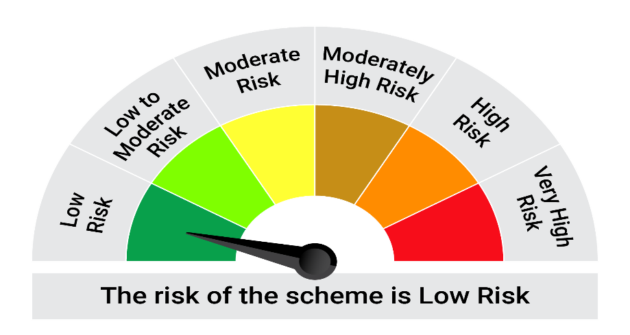
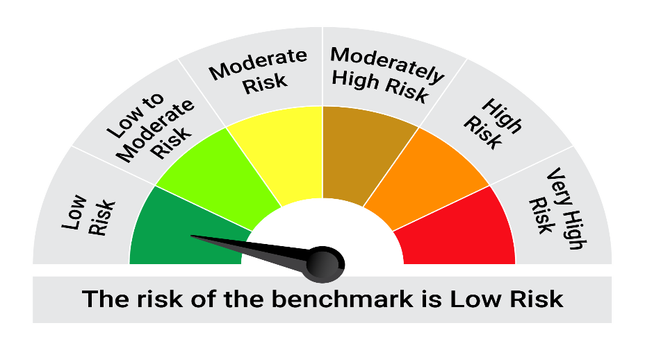
This product is suitable for investors who are seeking*:• Generation of reasonable returns over short to medium term • Investment predominantly in arbitrage opportunities in the cash and derivatives segments of the equity markets; and debt and money market instrument.

*Investors should consult their financial advisers if in doubt about whether the product is suitable for them.

Mutual fund investments are subject to market risks, read all scheme realted documents carefully. |  |  | Scheme Benchmark: Nifty 50 Arbitrage Index

Please note that the above risk-o-meter is as per the product labelling of the scheme available as on the date of this communication/ disclosure. as per SEBI circular dated May 19, 2023 on product labelling (as amended from time to time), risk-o-meters will be calculated on a monthly basis based on the risk values of the respective scheme's portfolio based on the methodology specified by SEBI in the above stated circular. The AMC shall disclose the risk-o-meters along with portfolio disclosure for all their schemes on their respective website and on AMFI website within 10 days from the close of each month. Any change in risk-o-meter shall be communicated by way of Notice cum Addendum and by way of an e-mail or SMS to unitholders of that particular Scheme.

Disclaimer


