HELBAF
HSBC Mutual Fund
HSBC Balanced Advantage Fund
HSBC Balanced Advantage Fund(An open ended dynamic asset allocation fund.)
Portfolio Statement as of December 31, 2025

Name of the Instrument | ISIN | Rating/Industries | Quantity | Market Value (Rs in Lacs) | Percentage to Net Assets | Yield of the Instrument (%) | YTC @ |  | Maturity Date
 |  |  |  |  |  |  | CRISIL | ICRA
Equity & Equity Related Instruments
Equity Shares
Listed / Awaiting listing on Stock Exchanges
ICICI Bank Limited | INE090A01021 | Banks | 728,300.00 | 9,780.34 | 6.18%
HDFC Bank Limited | INE040A01034 | Banks | 836,500.00 | 8,291.39 | 5.24%
Axis Bank Limited | INE238A01034 | Banks | 647,500.00 | 8,219.37 | 5.20%
Kotak Mahindra Bank Limited | INE237A01028 | Banks | 214,000.00 | 4,710.35 | 2.98%
Aurobindo Pharma Limited | INE406A01037 | Pharmaceuticals & Biotechnology | 370,150.00 | 4,378.87 | 2.77%
The Tata Power Company Limited | INE245A01021 | Power | 1,036,750.00 | 3,935.50 | 2.49%
Infosys Limited | INE009A01021 | IT - Software | 225,000.00 | 3,634.65 | 2.30%
Shriram Finance Limited | INE721A01047 | Finance | 350,000.00 | 3,486.70 | 2.20%
Reliance Industries Limited | INE002A01018 | Petroleum Products | 217,800.00 | 3,420.33 | 2.16%
ITC Limited | INE154A01025 | Diversified FMCG | 768,000.00 | 3,095.04 | 1.96%
Polycab India Limited | INE455K01017 | Industrial Products | 37,750.00 | 2,876.17 | 1.82%
Larsen & Toubro Limited | INE018A01030 | Construction | 65,000.00 | 2,654.28 | 1.68%
DLF Limited | INE271C01023 | Realty | 369,600.00 | 2,540.63 | 1.61%
Eternal Limited | INE758T01015 | Retailing | 750,000.00 | 2,085.38 | 1.32%
SWIGGY LIMITED | INE00H001014 | Retailing | 500,000.00 | 1,931.25 | 1.22%
Tata Consultancy Services Limited | INE467B01029 | IT - Software | 59,850.00 | 1,918.91 | 1.21%
State Bank of India | INE062A01020 | Banks | 191,250.00 | 1,878.46 | 1.19%
Sun Pharmaceutical Industries Limited | INE044A01036 | Pharmaceuticals & Biotechnology | 106,850.00 | 1,837.50 | 1.16%
United Spirits Limited | INE854D01024 | Beverages | 114,800.00 | 1,657.37 | 1.05%
Radico Khaitan Limited | INE944F01028 | Beverages | 50,000.00 | 1,649.20 | 1.04%
Ashok Leyland Limited | INE208A01029 | Agricultural, Commercial & Construction Vehicles | 900,000.00 | 1,612.71 | 1.02%
Sri Lotus Developers And Realty Limited | INE0V9Q01010 | Realty | 1,000,000.00 | 1,593.10 | 1.01%
Varun Beverages Limited | INE200M01039 | Beverages | 325,000.00 | 1,592.01 | 1.01%
RBL Bank Limited | INE976G01028 | Banks | 500,000.00 | 1,579.00 | 1.00%
Max Healthcare Institute Limited | INE027H01010 | Healthcare Services | 150,000.00 | 1,567.65 | 0.99%
Bharat Electronics Limited | INE263A01024 | Aerospace & Defense | 384,750.00 | 1,537.46 | 0.97%
LG Electronics India Limited | INE324D01010 | Consumer Durables | 100,000.00 | 1,521.40 | 0.96%
Neuland Laboratories Ltd | INE794A01010 | Pharmaceuticals & Biotechnology | 10,000.00 | 1,517.50 | 0.96%
Time Technoplast Limited | INE508G01029 | Industrial Products | 800,000.00 | 1,504.08 | 0.95%
Coforge Limited | INE591G01025 | IT - Software | 90,000.00 | 1,496.70 | 0.95%
Aditya Vision Ltd | INE679V01027 | Retailing | 300,000.00 | 1,464.15 | 0.93%
Abbott India Limited | INE358A01014 | Pharmaceuticals & Biotechnology | 5,000.00 | 1,451.25 | 0.92%
GE Vernova T&D India Limited | INE200A01026 | Electrical Equipment | 45,000.00 | 1,409.63 | 0.89%
Britannia Industries Limited | INE216A01030 | Food Products | 20,000.00 | 1,206.20 | 0.76%
UTI ASSET MANAGEMENT COMPANY LTD | INE094J01016 | Capital Markets | 100,000.00 | 1,129.50 | 0.71%
BIKAJI FOODS INTERNATIONAL LIMITED | INE00E101023 | Food Products | 150,000.00 | 1,124.70 | 0.71%
Eicher Motors Limited | INE066A01021 | Automobiles | 15,000.00 | 1,096.88 | 0.69%
Tech Mahindra Limited | INE669C01036 | IT - Software | 60,000.00 | 954.54 | 0.60%
Hindalco Industries Limited | INE038A01020 | Non - Ferrous Metals | 105,000.00 | 931.04 | 0.59%
IIFL Capital Services Limited | INE489L01022 | Capital Markets | 250,000.00 | 908.13 | 0.57%
Devyani International Limited | INE872J01023 | Leisure Services | 600,000.00 | 887.70 | 0.56%
PG Electroplast Limited | INE457L01029 | Consumer Durables | 150,000.00 | 862.95 | 0.55%
SBI Cards and Payment Services Limited | INE018E01016 | Finance | 100,000.00 | 861.70 | 0.54%
NTPC Limited | INE733E01010 | Power | 250,000.00 | 823.88 | 0.52%
Vinati Organics Limited | INE410B01037 | Chemicals & Petrochemicals | 50,000.00 | 794.60 | 0.50%
Canara Robeco Mutual Fund | INE218I01013 | Capital Markets | 250,000.00 | 787.00 | 0.50%
SAFARI INDUSTRIES (INDIA) LIMITED | INE429E01023 | Consumer Durables | 35,000.00 | 761.04 | 0.48%
FIRSTSOURCE SOLUTIONS LTD | INE684F01012 | Commercial Services & Supplies | 200,000.00 | 671.60 | 0.42%
Bharat Bijlee Ltd. | INE464A01036 | Electrical Equipment | 25,000.00 | 671.00 | 0.42%
Meesho Limited | INE0VDM01015 | RETAILING | 156,019.00 | 281.18 | 0.18%
Exide Industries Limited | INE302A01020 | Auto Components | 70,200.00 | 254.26 | 0.16%
Kwality Wall’s (India) Limited# | INE2KCE01013 | Food Products | 50,000.00 | 18.09 | 0.01%
Total |  |  |  | 108,854.32 | 68.81%
Debt Instruments
Fixed rates bonds - Corporate
Listed / Awaiting listing on Stock Exchanges
NABARD^ | INE261F08EF5 | IND AAA | 2,500,000.00 | 2,682.88 | 1.70% | 6.8 |  |  | 15-Mar-27
NABARD** | INE261F08EH1 | CRISIL AAA | 2,500,000.00 | 2,668.12 | 1.69% | 6.98 |  |  | 10-May-29
LIC Housing Finance Limited** | INE115A07QG8 | CRISIL AAA | 2,500,000.00 | 2,665.46 | 1.69% | 6.29 |  |  | 25-Mar-26
National Housing Bank^ | INE557F08FY4 | CRISIL AAA | 2,500,000.00 | 2,640.77 | 1.67% | 6.76 |  |  | 14-Jul-27
SIDBI** | INE556F08KX8 | CRISIL AAA | 2,500,000.00 | 2,639.06 | 1.67% | 7 |  |  | 11-Jun-29
REC Limited** | INE020B08FG9 | CARE AAA | 2,500,000.00 | 2,598.65 | 1.64% | 7.23 |  |  | 31-Aug-35
Power Finance Corporation Limited** | INE134E08II2 | CRISIL AAA | 2,000,000.00 | 2,065.07 | 1.31% | 6.74 |  |  | 14-Aug-26
SIDBI** | INE556F08KL3 | CRISIL AAA | 1,000,000.00 | 1,031.59 | 0.65% | 6.9 |  |  | 24-Nov-28
Total |  |  |  | 18,991.60 | 12.02%
Securitised Debt
Listed / Awaiting listing on Stock Exchanges
India Universal Trust AL2** | INE1CBK15037 | IND AAA(SO) | 2,701,324.00 | 2,593.85 | 1.64% | 7.97 |  |  | 21-Nov-30
Siddhivinayak Securitisation Trust** | INE2I7F15012 | CRISIL AAA(SO) | 2,500,000.00 | 2,514.49 | 1.59% | 7.46 |  |  | 28-Sep-30
Total |  |  |  | 5,108.34 | 3.23%
Government Securities
7.06% GOI - 10-Apr-2028 | IN0020230010 | SOVEREIGN | 4,800,000.00 | 5,006.91 | 3.17% | 5.84 |  |  | 10-Apr-28
7.18% GOI - 14-Aug-2033 | IN0020230085 | SOVEREIGN | 4,000,000.00 | 4,236.32 | 2.68% | 6.75 |  |  | 14-Aug-33
7.37% GOI 23OCT2028 | IN0020230101 | SOVEREIGN | 4,000,000.00 | 4,214.67 | 2.66% | 5.9 |  |  | 23-Oct-28
6.33% GOI 05-May-2035 | IN0020250026 | SOVEREIGN | 4,000,000.00 | 3,963.97 | 2.51% | 6.71 |  |  | 5-May-35
7.10% GOI - 08-Apr-2034 | IN0020240019 | SOVEREIGN | 2,000,000.00 | 2,089.97 | 1.32% | 6.75 |  |  | 8-Apr-34
7.38% GOI MAT 20-Jun-2027 | IN0020220037 | SOVEREIGN | 1,000,000.00 | 1,026.01 | 0.65% | 5.75 |  |  | 20-Jun-27
6.48% GOI 06Oct2035 | IN0020250091 | SOVEREIGN | 750,000.00 | 754.99 | 0.48% | 6.71 |  |  | 6-Oct-35
7.32% GOI - 13-Nov-2030 | IN0020230135 | SOVEREIGN | 500,000.00 | 524.12 | 0.33% | 6.49 |  |  | 13-Nov-30
Total |  |  |  | 21,816.96 | 13.80%
Treps |  |  |  | 2,428.02 | 1.54% | 5.37 |  |  | 1-Jan-26
Net Current Assets (including cash & bank balances) |  |  |  | 948.79 | 0.60% | 5.37
Total Net Assets as on 31-December-2025 |  |  |  | 158,148.03 | 100.00%
Market Value includes accrued interest
** Securities are classified as non-traded on the basis of Traded data as on DEC 31, 2025 provided by CRISIL and ICRA.
^ Securities are classified as traded on the basis of Traded data as on DEC 31, 2025 provided by CRISIL and ICRA.
#Awaiting listing

HSBC Balanced Advantage Fund |  | Scheme Riskometer |  | Scheme Benchmark Riskometer

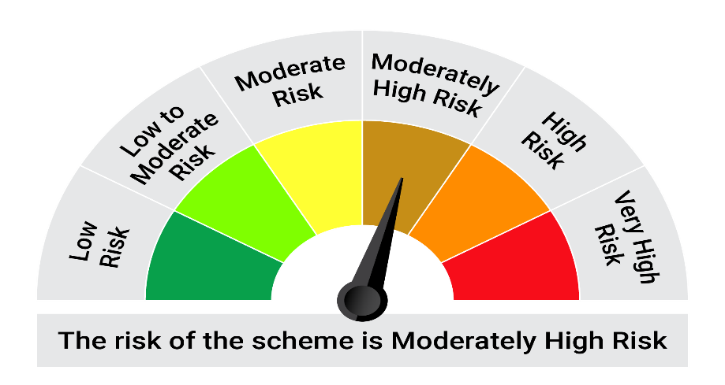

This product is suitable for investors who are seeking*: • Long term capital appreciation and generation of reasonable returns • Investment in equity and equity related instruments, derivatives and debt and money market instruments.

*Investors should consult their financial advisers if in doubt about whether the product is suitable for them.

Mutual fund investments are subject to market risks, read all scheme realted documents carefully. |  |  | Scheme Benchmark: Nifty 50 Hybrid composite debt 50:50 Index

Please note that the above risk-o-meter is as per the product labelling of the scheme available as on the date of this communication/ disclosure. as per SEBI circular dated May 19, 2023 on product labelling (as amended from time to time), risk-o-meters will be calculated on a monthly basis based on the risk values of the respective scheme's portfolio based on the methodology specified by SEBI in the above stated circular. The AMC shall disclose the risk-o-meters along with portfolio disclosure for all their schemes on their respective website and on AMFI website within 10 days from the close of each month. Any change in risk-o-meter shall be communicated by way of Notice cum Addendum and by way of an e-mail or SMS to unitholders of that particular Scheme.

Disclaimer


