HOMSMS
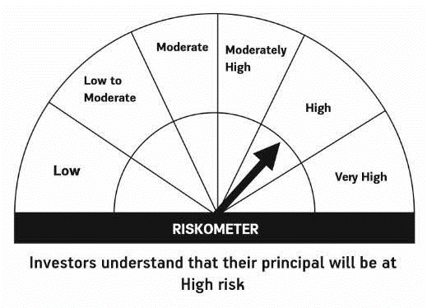

HSBC Mutual Fund
HSBC Managed Solutions India - Moderate
HSBC Managed Solutions India-Moderate (An open ended Fund of Funds Scheme investing in a basket of equity, debt, Gold and other Exchange Traded Funds.)
Portfolio Statement as of February 29, 2024

Name of the Instrument | ISIN | Rating/Industries | Quantity | Market Value (Rs in Lacs) | Percentage to Net Assets | Yield of the Instrument (%) | YTC @
 |  |  |  |  |  |  | CRISIL | ICRA
Mutual Fund Units
Domestic Mutual Fund Units
HSBC Large Cap Fund- Direct Growth | INF336L01CM7 | Internal - Mutual Fund Units | 592,570.20 | 2,715.11 | 47.43%
HSBC Small Cap Fund - Direct Growth | INF917K01QA1 | Internal - Mutual Fund Units | 1,180,053.00 | 921.20 | 16.09%
HSBC Short Duration Fund - Direct Growth | INF917K01IQ4 | Internal - Mutual Fund Units | 3,544,763.45 | 888.50 | 15.52%
HSBC Medium To Long Duration Fund - Direct Growth | INF336L01DE2 | Internal - Mutual Fund Units | 1,659,086.18 | 696.17 | 12.16%
HSBC Dynamic Bond Fund - Direct Growth | INF917K01HA0 | Internal - Mutual Fund Units | 1,428,166.70 | 408.14 | 7.13%
Total |  |  |  | 5,629.13 | 98.33%
Treps |  |  |  | 132.77 | 2.32% | 6.62
Net Current Assets (including cash & bank balances) |  |  |  | -37.16 | -0.65% | 6.62
Total Net Assets as on 29-FEBRUARY-2024 |  |  |  | 5,724.74 | 100.00%

Disclaimer


