HDCGIF2

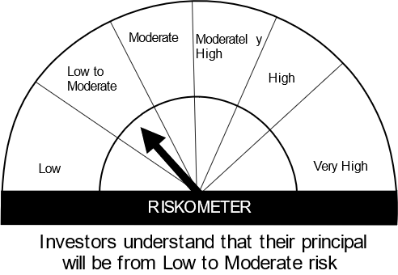
HSBC Mutual Fund
HSBC CRISIL IBX Gilt June 2027 IndexFund
(An open-ended Target Maturity Index Fund tracking CRISIL-IBX Gilt Index - June 2027. Relatively high interest rate risk and relatively low credit risk.)
Portfolio Statement as of January 31, 2024

Name of the Instrument | ISIN | Rating/Industries | Quantity | Market Value (Rs in Lacs) | Percentage to Net Assets | Yield of the Instrument (%) | YTC @ |  | Maturity Date
 |  |  |  |  |  |  | CRISIL | ICRA
Debt Instruments
Government Securities
7.38% GOI 20JUN2027 | IN0020220037 | SOVEREIGN | 18,700,000.00 | 19,047.78 | 78.57% | 7.03 |  |  | 20-Jun-27
GOI 08.24% 15FEB27 | IN0020060078 | SOVEREIGN | 2,500,000.00 | 2,673.99 | 11.03% | 7.06 |  |  | 15-Feb-27
GOI 06.79% 15MAY2027 | IN0020170026 | SOVEREIGN | 2,000,000.00 | 2,012.67 | 8.30% | 7.06 |  |  | 15-May-27
Total |  |  |  | 23,734.44 | 97.90%
Treps |  |  |  | 221.50 | 0.91% | 6.72 |  |  | 1-Feb-24
Net Current Assets (including cash & bank balances) |  |  |  | 285.96 | 1.19% | 6.72
Total Net Assets as on 31-JANUARY-2024 |  |  |  | 24,241.90 | 100.00%
Market Value includes accrued interest
** Securities are classified as non-traded on the basis of Traded data as on JAN 31, 2024 provided by CRISIL and ICRA.
^ Securities are classified as traded on the basis of Traded data as on JAN 31, 2024 provided by CRISIL and ICRA.

Annualised Portfolio YTM ! | 7.15%
Macaulay Duration | 35.13
! in case of semi annual YTM, it will be annualised

Disclaimer


