HOMSMS
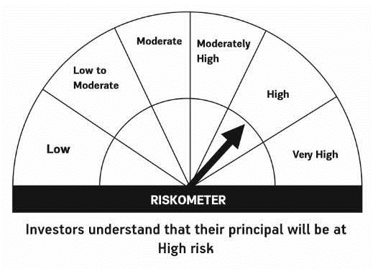

HSBC Mutual Fund
HSBC Managed Solutions India - Moderate
HSBC Managed Solutions India-Moderate (An open ended Fund of Funds Scheme investing in a basket of equity, debt, Gold and other Exchange Traded Funds.)
Portfolio Statement as of January 31, 2024

Name of the Instrument | ISIN | Rating/Industries | Quantity | Market Value (Rs in Lacs) | Percentage to Net Assets | Yield of the Instrument (%) | YTC @
 |  |  |  |  |  |  | CRISIL | ICRA
Mutual Fund Units
Domestic Mutual Fund Units
HSBC Large Cap Fund- Direct Growth | INF336L01CM7 | Internal - Mutual Fund Units | 625,234.73 | 2,786.10 | 48.20%
HSBC Small Cap Fund - Direct Growth | INF917K01QA1 | Internal - Mutual Fund Units | 1,230,029.20 | 978.08 | 16.92%
HSBC Short Duration Fund - Direct Growth | INF917K01IQ4 | Internal - Mutual Fund Units | 3,684,884.92 | 918.28 | 15.89%
HSBC Medium To Long Duration Fund - Direct Growth | INF336L01DE2 | Internal - Mutual Fund Units | 1,659,086.18 | 689.10 | 11.92%
HSBC Dynamic Bond Fund - Direct Growth | INF917K01HA0 | Internal - Mutual Fund Units | 1,251,124.24 | 353.32 | 6.11%
Total |  |  |  | 5,724.89 | 99.04%
Treps |  |  |  | 39.87 | 0.69% | 6.72
Net Current Assets (including cash & bank balances) |  |  |  | 15.97 | 0.27% | 6.72
Total Net Assets as on 31-JANUARY-2024 |  |  |  | 5,780.73 | 100.00%

Disclaimer


